Sheet1
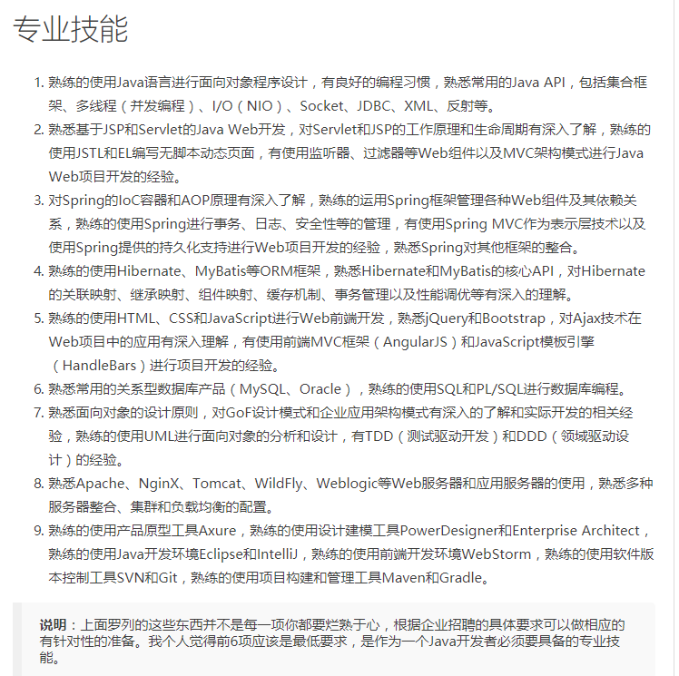
http://blog.csdn.net/jackfrued/article/details/45035097

