Sheet1
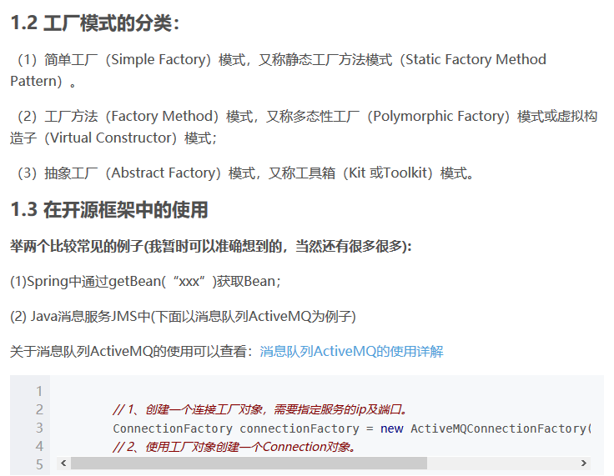
https://blog.csdn.net/qq_34337272/article/details/80472071

