Sheet1
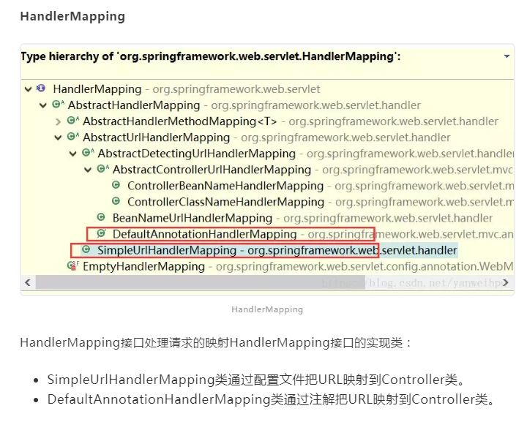
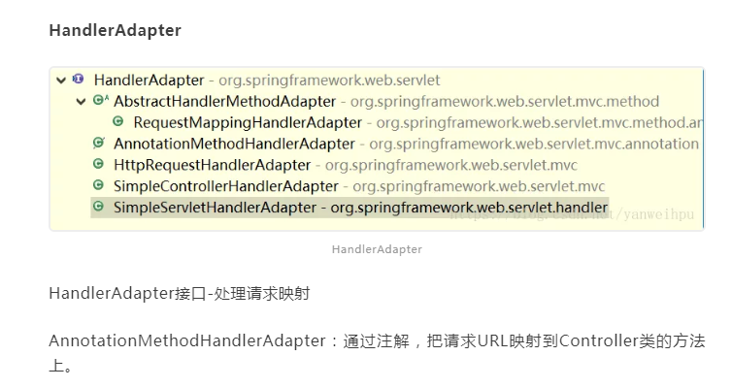
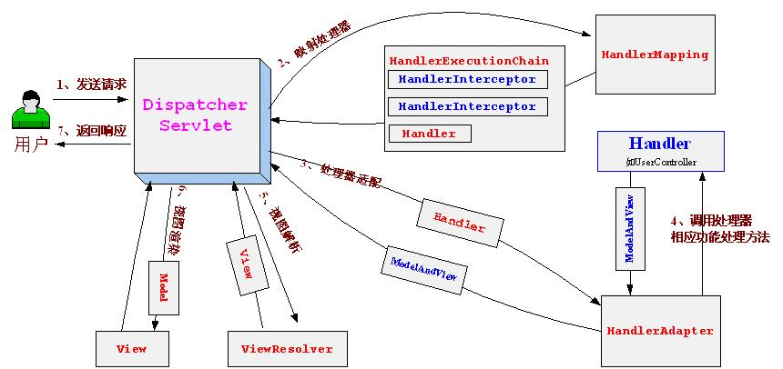

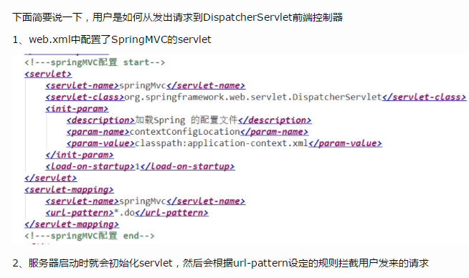

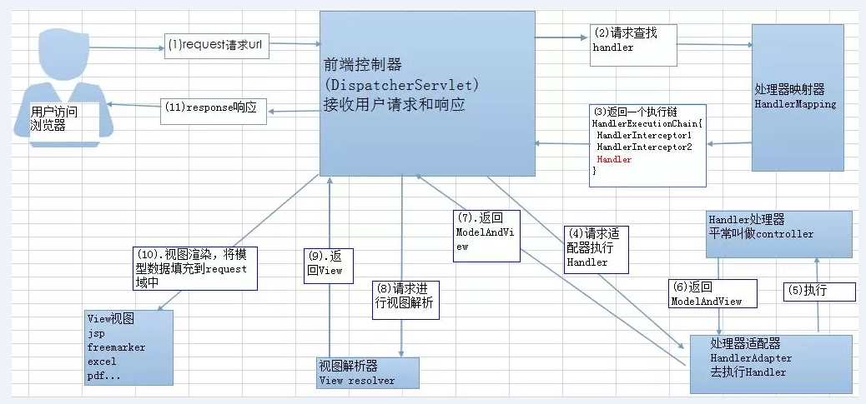

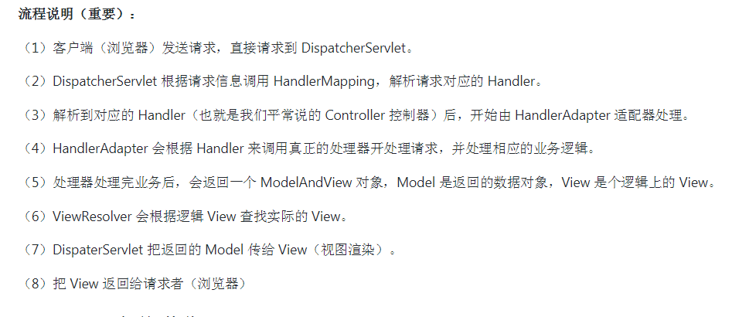

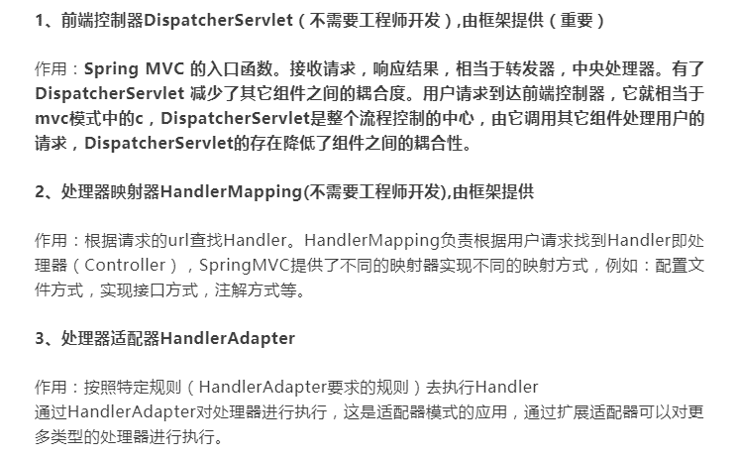

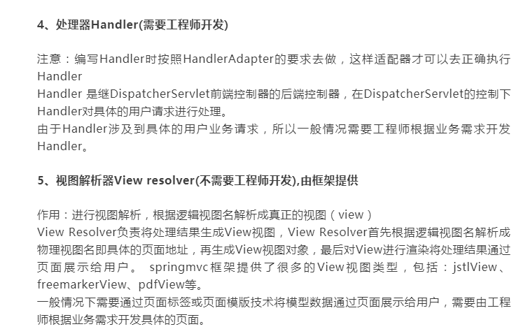

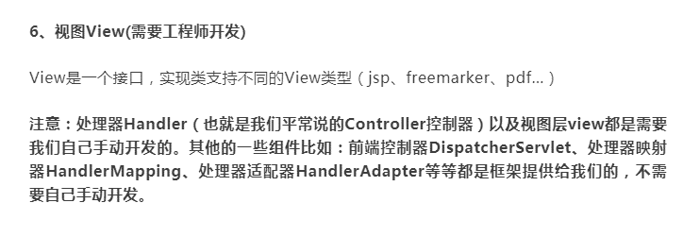

https://mp.weixin.qq.com/s?__biz=MzU4NDQ4MzU5OA==&mid=2247484496&idx=1&sn=5472ffa687fe4a05f8900d8ee6726de4&chksm=fd985231caefdb27fc75b44ecf76b6f43e4617e0b01b3c040f8b8fab32e51dfa5118eed1d6ad&token=1990180468&lang=zh_CN#rd

