Sheet1
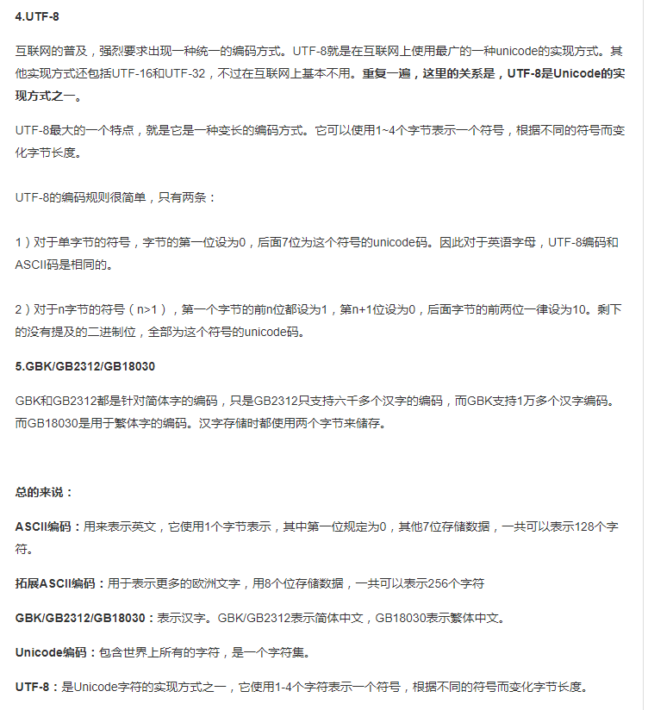
http://blog.csdn.net/csywwx2008/article/details/17137097
 | 牛客题目

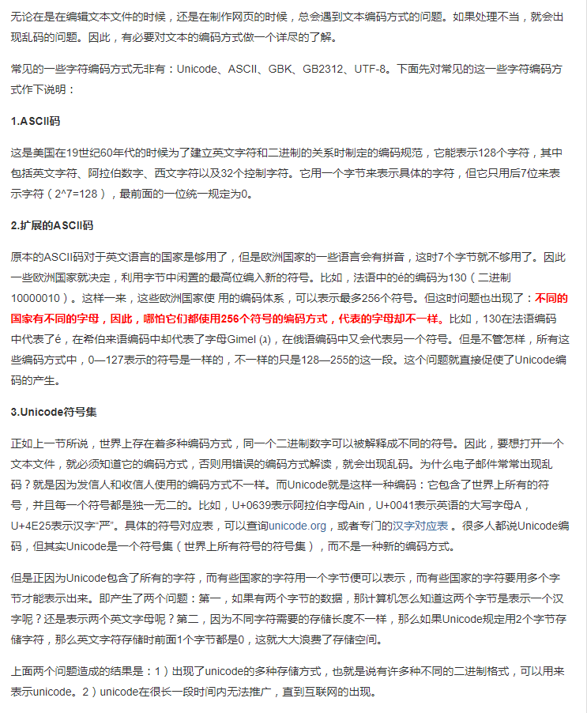
 | https://www.nowcoder.com/questionTerminal/20766232d1eb45c5a37457953438f133

