Sheet1
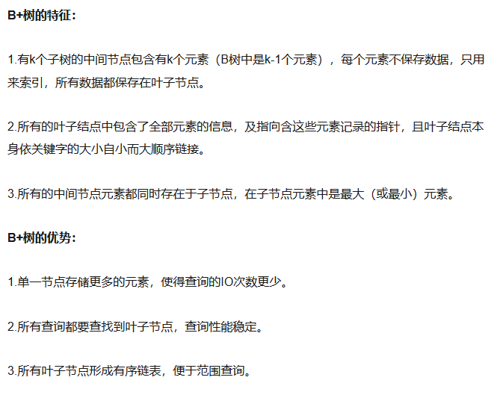
https://www.jianshu.com/p/8b653423c586

https://www.sohu.com/a/156886901_479559

