Sheet1
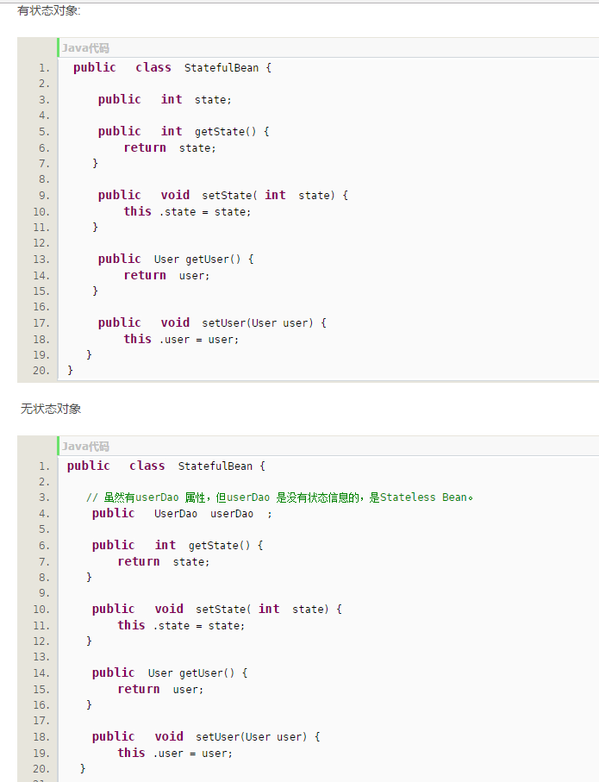
http://blog.csdn.net/aaa1117a8w5s6d/article/details/8295439

