Sheet1
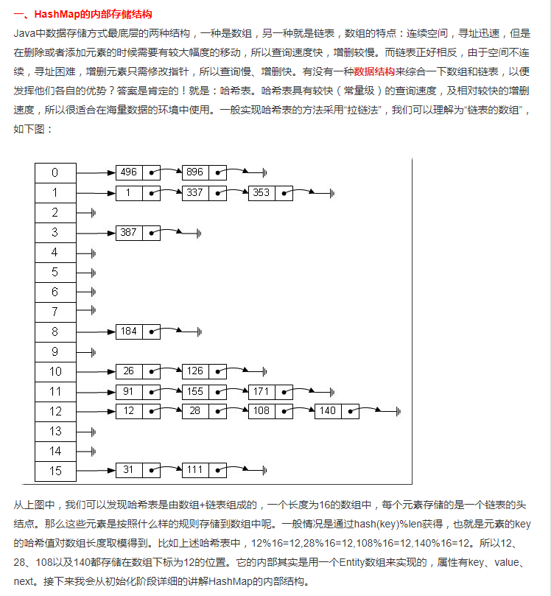
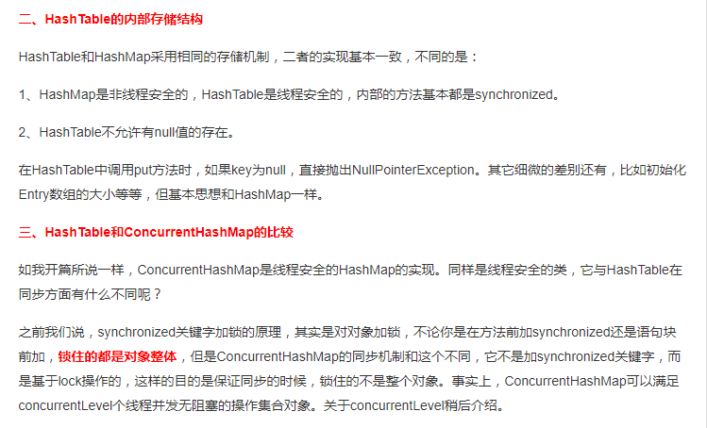
http://blog.csdn.net/tgxblue/article/details/8479147

