Sheet1
 |  |  | http://blog.csdn.net/reggergdsg/article/details/52962774

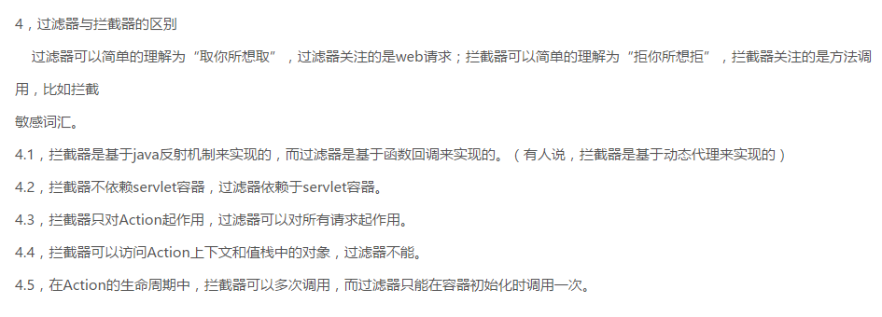

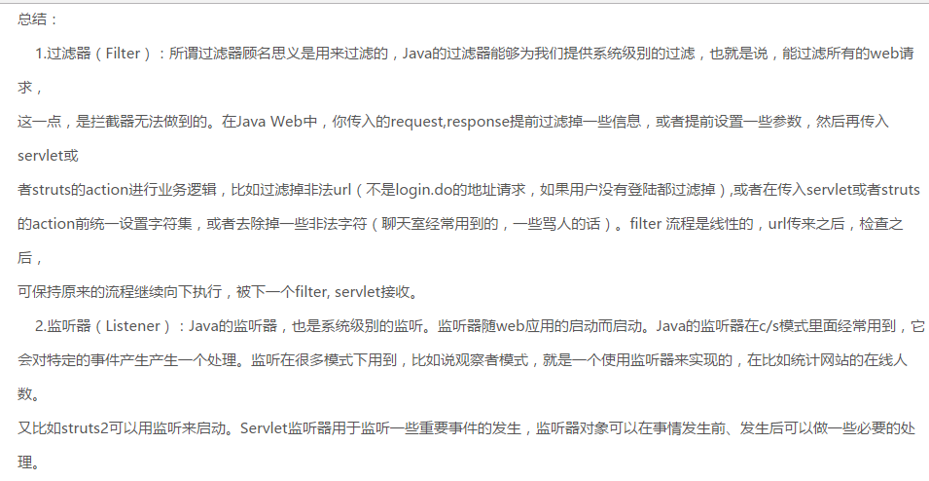

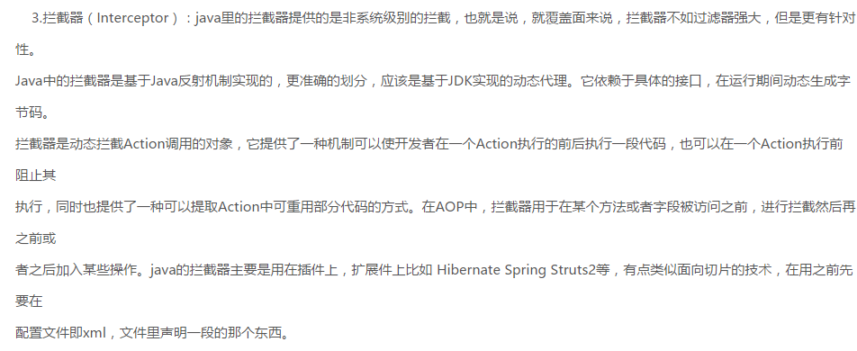

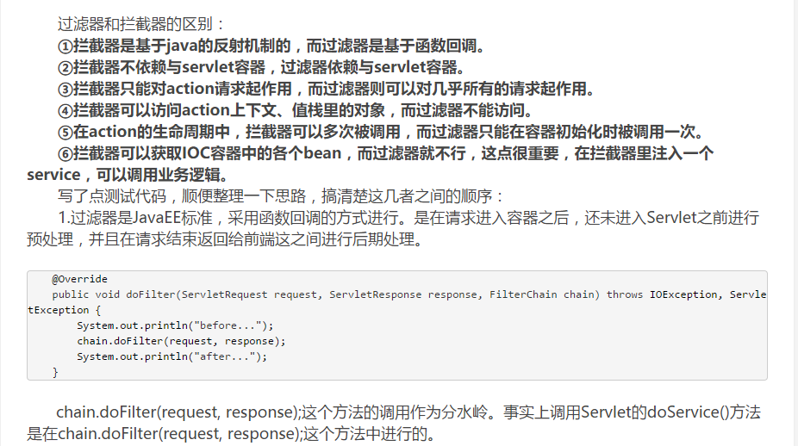

http://blog.csdn.net/chenleixing/article/details/44573495

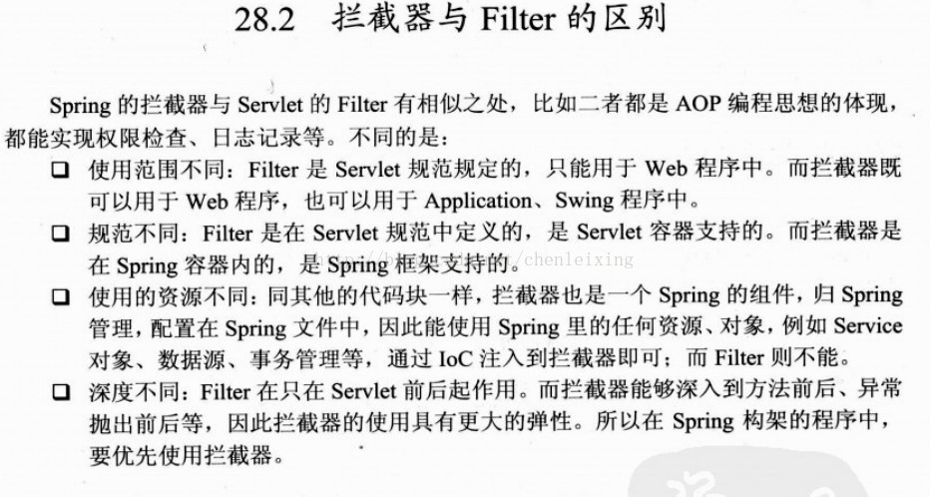

 |  | 例子

 | http://blog.csdn.net/x_yp/article/details/6358630

