Sheet1
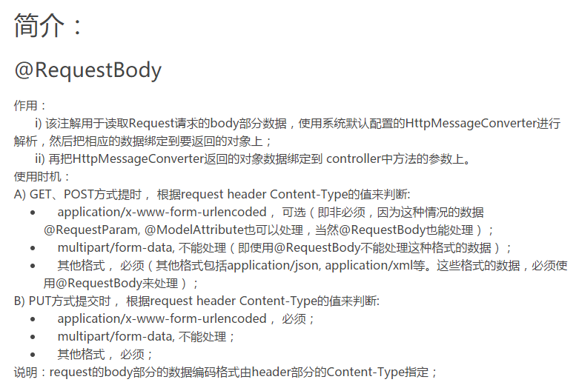

http://blog.csdn.net/kobejayandy/article/details/12690555

