Sheet1
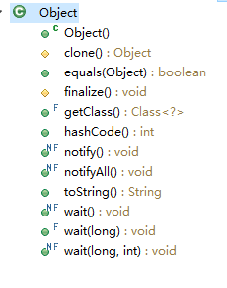
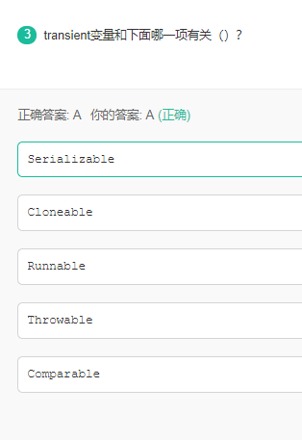

例子：https://www.cnblogs.com/dolphin0520/p/3700693.html

