Sheet1
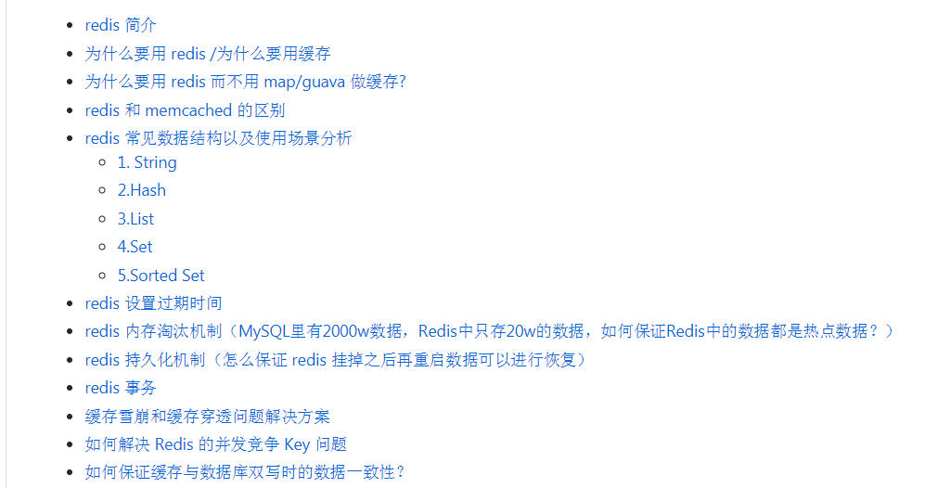
https://mp.weixin.qq.com/s?__biz=MzU4NDQ4MzU5OA==&mid=2247483867&idx=1&sn=39a06fa3d6d8f09eefaaf3d2b15b40e4&chksm=fd9857bacaefdeaccd7cacf9dba5b702bf6f639377ded5a29fc1e56ae4f1d0a121ad0829c9dc&scene=21#wechat_redirect

https://github.com/Snailclimb/JavaGuide/blob/master/%E6%95%B0%E6%8D%AE%E5%AD%98%E5%82%A8/Redis/Redis.md

GIT对redis的几个问题的概述

