Sheet1
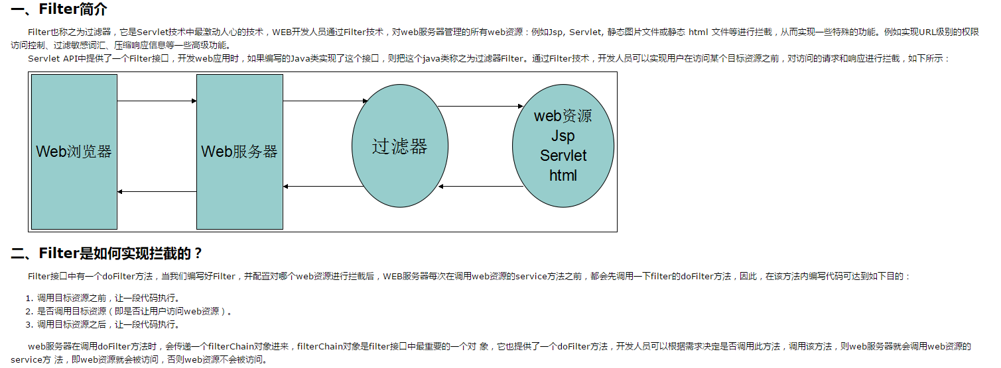
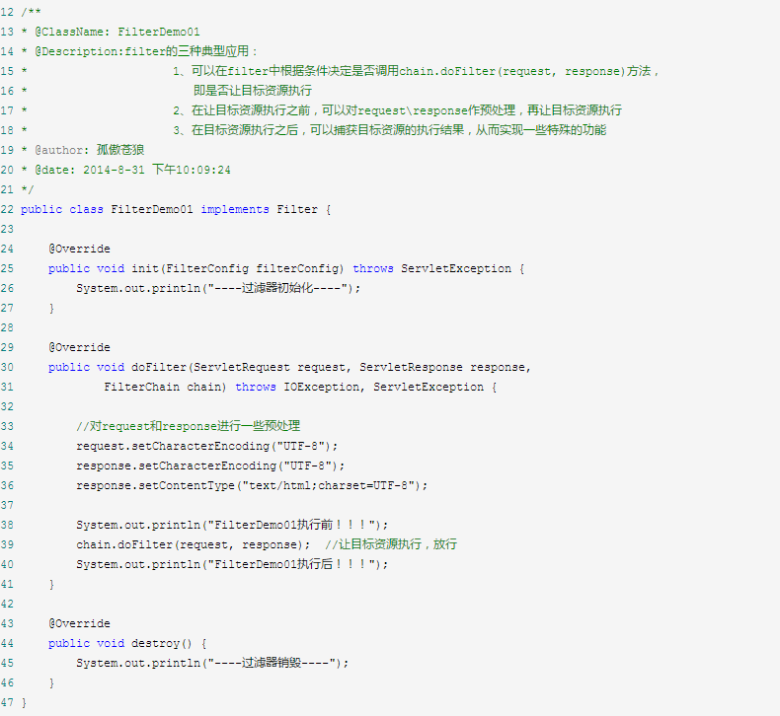
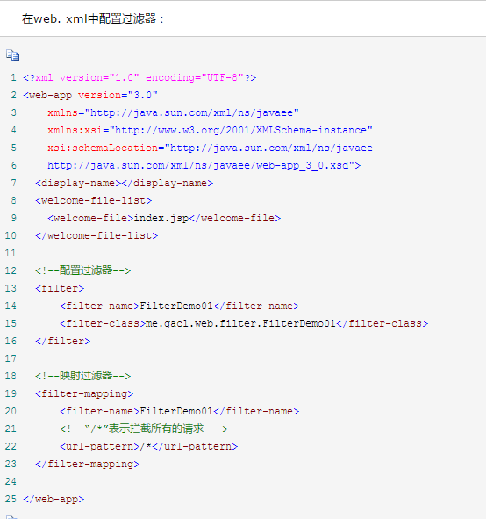
 | filter实际实用

http://www.cnblogs.com/xdp-gacl/p/3948422.html

http://www.cnblogs.com/xdp-gacl/p/3948353.html

