Sheet1
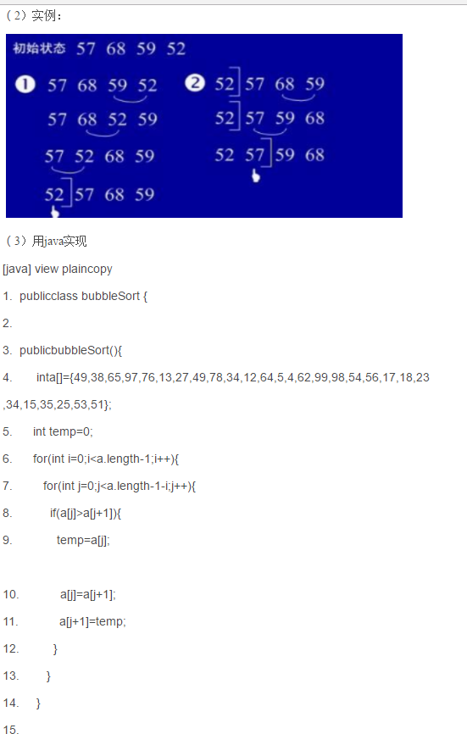
http://blog.csdn.net/caohaicheng/article/details/38237161

冒泡

