Sales by category
Number of orders per category
Total cost by category

Total revenue by category
Total profit by category

Cost and Profit by category

Sales by channel
Total revenue by sales channel
Total cost by sales channel

Total profit by sales channel
Total revenue, cost and profit by sales channel

Time to ship
Days from order to shipment by category
Total profit per days of processing
Category | Median days from order to ship | Country | Median days from order to ship | Time to ship (Days) | Number of orders | Median of Total Profit
Personal Care | 20 | Croatia | 11 |  | 0 | #NUM!
Clothes | 21 | Estonia | 17 | 0 | 19 | $122,604.94
Beverages | 23 | Serbia | 18 | 1 | 19 | $420,572.06
Fruits | 23 | Liechtenstein | 18.5 | 2 | 25 | $279,218.88
Vegetables | 23 | Portugal | 19 | 3 | 31 | $192,328.32
Household | 24 | United Kingdom | 19 | 4 | 27 | $175,244.58
Meat | 24.5 | Macedonia | 19.5 | 5 | 27 | $381,275.00
Snacks | 25 | San Marino | 20.5 | 6 | 26 | $237,659.90
Cosmetics | 28 | Denmark | 21 | 7 | 30 | $221,071.64
Office Supplies | 28 | Iceland | 21 | 8 | 23 | $204,022.77
Baby Food | 29 | Latvia | 21 | 9 | 26 | $269,062.88
Cereal | 29 | Ireland | 22.5 | 10 | 16 | $145,900.56
 | #NUM! | Malta | 23 | 11 | 26 | $361,491.49
 |  | Cyprus | 23.5 | 12 | 26 | $311,411.29
 |  | Greece | 23.5 | 13 | 19 | $245,482.89
 |  | Italy | 23.5 | 14 | 24 | $197,132.65
 |  | Norway | 23.5 | 15 | 28 | $255,949.59
 |  | Armenia | 24 | 16 | 30 | $357,553.62
 |  | Germany | 24 | 17 | 26 | $314,210.38
 |  | Romania | 24 | 18 | 15 | $66,466.40
 |  | Slovenia | 25 | 19 | 28 | $393,733.85
 |  | France | 25.5 | 20 | 23 | $120,811.74 | Median days from order to shipment
 |  | Andorra | 26 | 21 | 34 | $217,786.66
 |  | Bulgaria | 26 | 22 | 17 | $292,793.40
 |  | Spain | 26 | 23 | 26 | $152,025.63
 |  | Belarus | 26.5 | 24 | 24 | $244,558.95
 |  | Albania | 27 | 25 | 22 | $336,436.71
 |  | Netherlands | 27 | 26 | 24 | $268,026.00
 |  | Poland | 27 | 27 | 20 | $165,494.66
 |  | Switzerland | 27.5 | 28 | 29 | $266,657.04
 |  | Czech Republic | 28 | 29 | 22 | $349,999.78
 |  | Sweden | 28 | 30 | 18 | $435,984.05
 |  | Belgium | 28.5 | 31 | 33 | $453,051.36
 |  | Austria | 29 | 32 | 34 | $169,681.71
 |  | Montenegro | 29 | 33 | 20 | $426,904.26
 |  | Ukraine | 29 | 34 | 27 | $253,340.69
 |  | Bosnia and Herzegovina | 30 | 35 | 21 | $281,117.89
 |  | Lithuania | 30 | 36 | 27 | $395,377.17
 |  | Luxembourg | 30.5 | 37 | 23 | $292,733.81
 |  | Finland | 31 | 38 | 24 | $322,604.09
 |  | Georgia | 32 | 39 | 26 | $371,857.20
 |  | Slovakia | 32 | 40 | 26 | $404,458.23
 |  | Monaco | 33 | 41 | 21 | $335,935.60
 |  | Russia | 34 | 42 | 20 | $227,684.64
 |  | Hungary | 36 | 43 | 26 | $380,095.39
 |  |  | #NUM! | 44 | 31 | $322,089.26
 |  |  |  | 45 | 24 | $254,519.45
 |  | Region | Median days from order to ship | 46 | 23 | $233,759.52
 |  |  | #NUM! | 47 | 22 | $533,378.20
 |  | Asia | 25.5 | 48 | 25 | $173,244.96
 |  | Europe | 25 | 49 | 23 | $300,814.80
 |  |  |  | 50 | 20 | $126,507.43

Sales by year and month
Total sales for top grossing category (Cosmetics)
Total profit for least grossing category (Fruits)

Total profit for top grossing country (Andorra)
Total profit for least grossing country (Monaco)

Sales by weekday
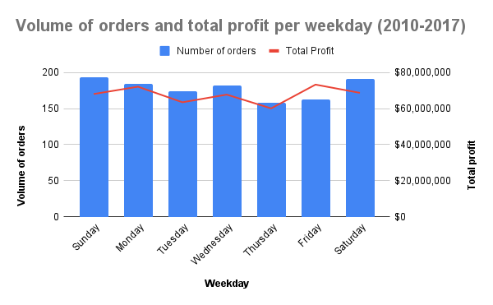
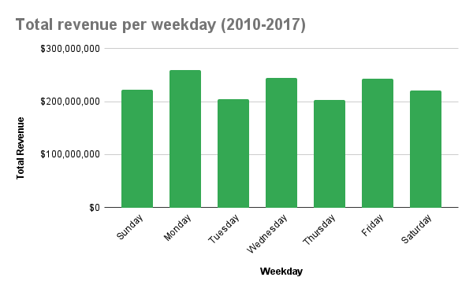
Total cost per weekday (2010-2017)

Mini-dashboard
Number of orders per category
Cost and Profit by category

Number of orders (Europe) | Total profit (Europe)

Total revenue by sales channel
Total cost by sales channel
Total profit by sales channel

Days from order to shipment by category
Total profit per days of processing

Total sales for top grossing category (Cosmetics)
Total profit for least grossing category (Fruits)

Total cost per weekday (2010-2017)

ABC-Analysis
Precentage of total | Cumulative share | Group A | Group B | Group C
18.58% | 18.58% | Cosmetics | Vegetables | Personal Care
15.50% | 34.08% | Office Supplies | Meat | Beverages
14.60% | 48.68% | Household | Snacks | Fruits
10.61% | 59.29% | Baby Food
8.98% | 68.27% | Clothes
8.61% | 76.87% | Cereal
7.10% | 83.97% | 76.87% | 18.14% | 4.99% | 100.00%
ABC-analysis ratio
5.76% | 89.73%
5.28% | 95.01%
2.81% | 97.82%
1.91% | 99.73%
0.27% | 100.00%
100.00%

