Source


1
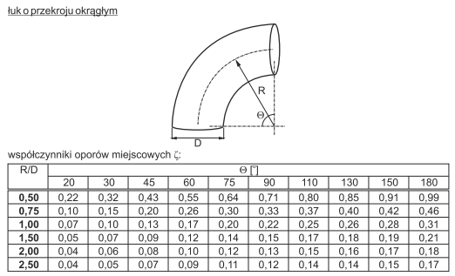

R/D | Angle
 | 20 | 30 | 45 | 60 | 75 | 90 | 110 | 130 | 150 | 180
0.50 | 0.22 | 0.32 | 0.43 | 0.55 | 0.64 | 0.71 | 0.80 | 0.85 | 0.91 | 0.99
0.75 | 0.10 | 0.15 | 0.20 | 0.26 | 0.30 | 0.33 | 0.37 | 0.40 | 0.42 | 0.46
1.00 | 0.07 | 0.10 | 0.13 | 0.17 | 0.20 | 0.22 | 0.25 | 0.26 | 0.28 | 0.31
1.50 | 0.05 | 0.07 | 0.09 | 0.12 | 0.14 | 0.15 | 0.17 | 0.18 | 0.19 | 0.21
2.00 | 0.04 | 0.06 | 0.08 | 0.10 | 0.12 | 0.13 | 0.15 | 0.16 | 0.17 | 0.18
2.50 | 0.04 | 0.05 | 0.07 | 0.09 | 0.11 | 0.12 | 0.14 | 0.14 | 0.15 | 0.17

2
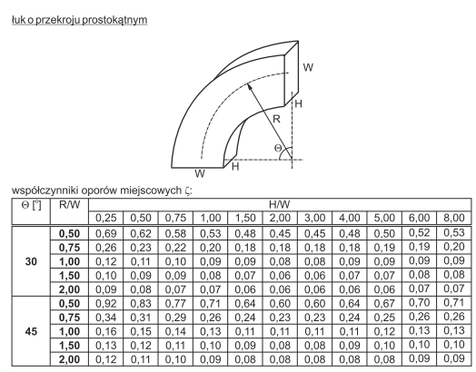

angle | R/W | H/W
 |  | 0.25 | 0.50 | 0.75 | 1.00 | 1.50 | 2.00 | 3.00 | 4.00 | 5.00 | 6.00 | 8.00
30 | 0.50 | 0.69 | 0.62 | 0.58 | 0.53 | 0.48 | 0.45 | 0.45 | 0.43 | 0.50 | 0.52 | 0.53
 | 0.75 | 0.26 | 0.23 | 0.22 | 0.20 | 0.18 | 0.18 | 0.18 | 0.18 | 0.19 | 0.19 | 0.20
 | 1.00 | 0.12 | 0.11 | 0.10 | 0.09 | 0.09 | 0.08 | 0.08 | 0.09 | 0.09 | 0.09 | 0.09
 | 1.50 | 0.10 | 0.09 | 0.09 | 0.08 | 0.07 | 0.06 | 0.06 | 0.07 | 0.07 | 0.08 | 0.08
 | 2.00 | 0.09 | 0.08 | 0.07 | 0.07 | 0.06 | 0.06 | 0.06 | 0.06 | 0.06 | 0.07 | 0.07
45 | 0.50 | 0.92 | 0.83 | 0.77 | 0.71 | 0.64 | 0.60 | 0.60 | 0.64 | 0.67 | 0.70 | 0.71
 | 0.75 | 0.34 | 0.31 | 0.29 | 0.26 | 0.24 | 0.23 | 0.23 | 0.24 | 0.25 | 0.26 | 0.26
 | 1.00 | 0.16 | 0.15 | 0.14 | 0.13 | 0.11 | 0.11 | 0.11 | 0.11 | 0.12 | 0.13 | 0.13
 | 1.50 | 0.13 | 0.12 | 0.11 | 0.10 | 0.09 | 0.08 | 0.08 | 0.09 | 0.10 | 0.10 | 0.10
 | 2.00 | 0.12 | 0.11 | 0.10 | 0.09 | 0.08 | 0.08 | 0.08 | 0.08 | 0.08 | 0.09 | 0.09
60 | 0.50 | 1.19 | 1.08 | 1.01 | 0.92 | 0.83 | 0.78 | 0.78 | 0.83 | 0.87 | 0.90 | 0.92
 | 0.75 | 0.44 | 0.41 | 0.37 | 0.34 | 0.31 | 0.30 | 0.30 | 0.31 | 0.33 | 0.34 | 0.34
 | 1.00 | 0.21 | 0.20 | 0.18 | 0.16 | 15.00 | 0.14 | 0.14 | 15.00 | 0.16 | 0.16 | 0.16
 | 1.50 | 0.17 | 0.16 | 0.15 | 0.13 | 0.12 | 0.11 | 0.11 | 12.00 | 0.12 | 0.13 | 0.13
 | 2.00 | 0.16 | 0.14 | 0.12 | 0.12 | 0.11 | 0.10 | 0.10 | 0.11 | 0.11 | 0.12 | 0.12
90 | 0.50 | 1.53 | 1.38 | 1.29 | 1.18 | 1.06 | 1.00 | 1.00 | 1.06 | 1.12 | 1.16 | 1.18
 | 0.75 | 0.57 | 0.52 | 0.48 | 0.44 | 0.40 | 0.39 | 0.39 | 0.40 | 0.42 | 0.43 | 0.44
 | 1.00 | 0.27 | 0.25 | 0.23 | 0.21 | 0.19 | 0.18 | 0.18 | 0.19 | 0.20 | 0.21 | 0.21
 | 1.50 | 0.22 | 0.20 | 0.19 | 0.17 | 0.15 | 0.14 | 0.14 | 0.15 | 0.16 | 0.17 | 0.17
 | 2.00 | 0.20 | 0.18 | 0.16 | 0.15 | 0.14 | 0.13 | 0.13 | 0.14 | 0.14 | 0.15 | 0.15

3
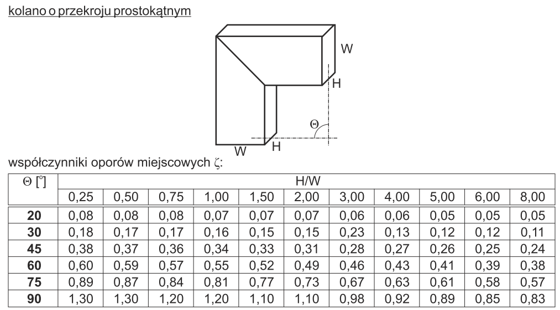

Angle | H/W
 | 0.25 | 0.50 | 0.75 | 1.00 | 1.50 | 2.00 | 3.00 | 4.00 | 5.00 | 6.00 | 8.00
20 | 0.08 | 0.08 | 0.08 | 0.07 | 0.07 | 0.07 | 0.06 | 0.06 | 0.05 | 0.05 | 0.05
30 | 0.18 | 0.17 | 0.17 | 0.16 | 0.15 | 0.15 | 0.23 | 0.13 | 0.12 | 0.12 | 0.11
45 | 0.38 | 0.37 | 0.36 | 0.34 | 0.33 | 0.31 | 0.28 | 0.27 | 0.26 | 0.25 | 0.24
60 | 0.60 | 0.59 | 0.57 | 0.55 | 0.52 | 0.49 | 0.46 | 0.43 | 0.41 | 0.39 | 0.38
75 | 0.89 | 0.87 | 0.84 | 0.81 | 0.77 | 0.73 | 0.67 | 0.63 | 0.61 | 0.58 | 0.57
90 | 1.30 | 1.20 | 1.20 | 1.20 | 1.10 | 1.10 | 0.98 | 0.92 | 0.89 | 0.85 | 0.83

4
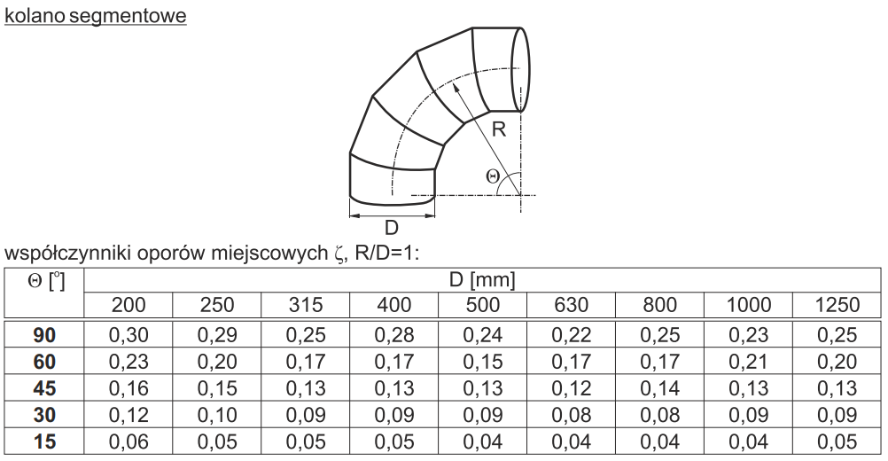

5
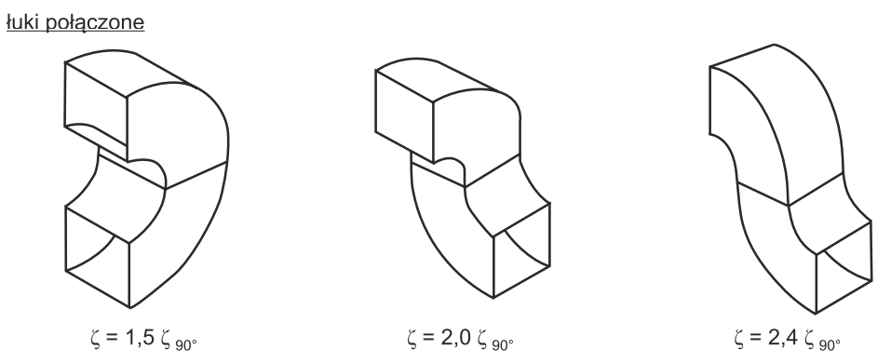

6
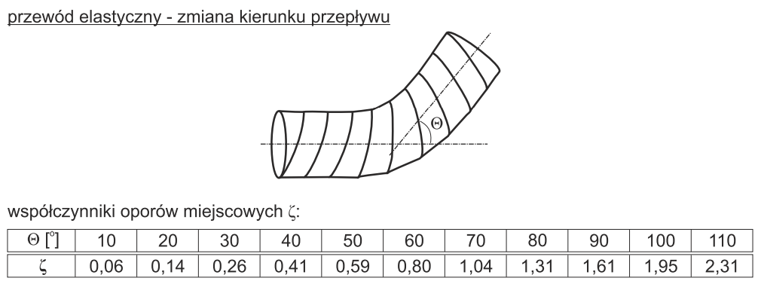

angle | 10 | 20 | 30 | 40 | 50 | 60 | 70 | 80 | 90 | 100 | 110
zeta | 0.06 | 0.14 | 0.26 | 0.41 | 0.59 | 0.8 | 1.04 | 1.31 | 1.61 | 1.95 | 2.31

7
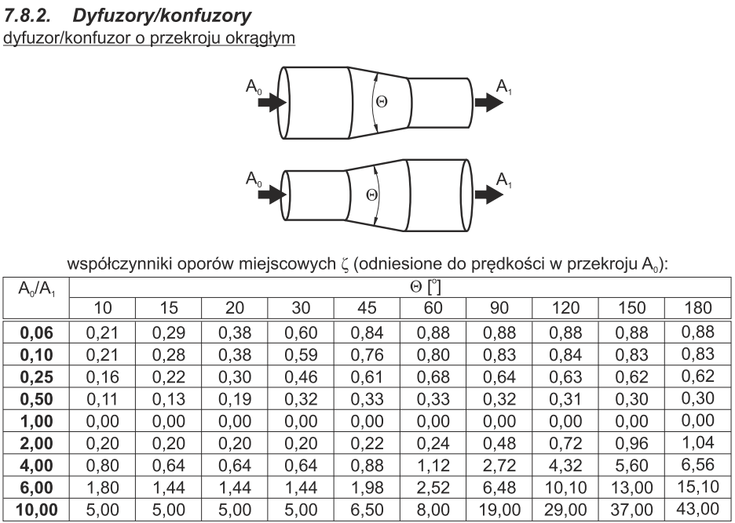

A0/A1 | Angle
 | 10 | 15 | 20 | 30 | 45 | 60 | 90 | 120 | 150 | 180
0.06 | 0.21 | 0.29 | 0.38 | 0.60 | 0.84 | 0.88 | 0.88 | 0.88 | 0.88 | 0.88
0.10 | 0.21 | 0.28 | 0.38 | 0.59 | 0.76 | 0.80 | 0.83 | 0.84 | 0.83 | 0.83
0.25 | 0.16 | 0.22 | 0.30 | 0.46 | 0.61 | 0.68 | 0.64 | 0.63 | 0.62 | 0.62
0.50 | 0.11 | 0.13 | 0.19 | 0.32 | 0.33 | 0.33 | 0.32 | 0.31 | 0.30 | 0.30
1.00 | 0.00 | 0.00 | 0.00 | 0.00 | 0.00 | 0.00 | 0.00 | 0.00 | 0.00 | 0.00
2.00 | 0.20 | 0.20 | 0.20 | 0.20 | 0.22 | 0.24 | 0.48 | 0.72 | 0.96 | 1.04
4.00 | 0.80 | 0.64 | 0.64 | 0.64 | 0.88 | 1.12 | 2.72 | 4.32 | 5.60 | 6.56
6.00 | 1.80 | 1.44 | 1.44 | 1.44 | 1.98 | 2.52 | 6.48 | 10.10 | 13.00 | 15.10
10.00 | 5.00 | 5.00 | 5.00 | 5.00 | 6.50 | 8.00 | 19.00 | 29.00 | 37.00 | 43.00

8
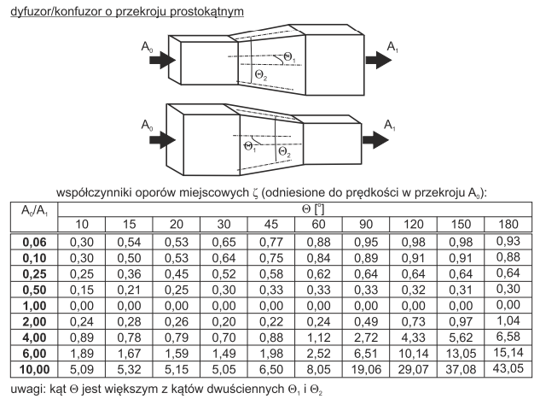

9
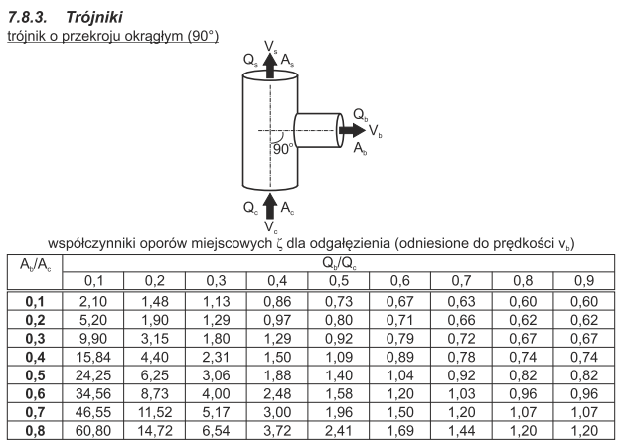

10
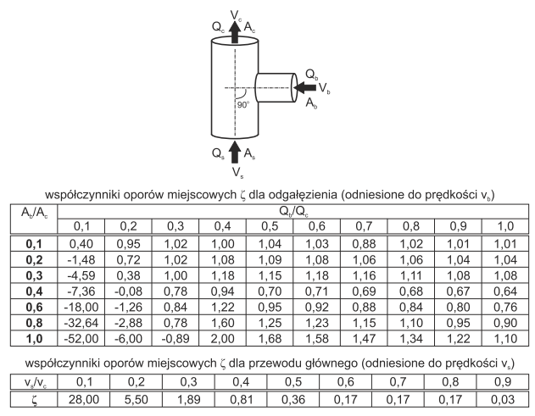

11
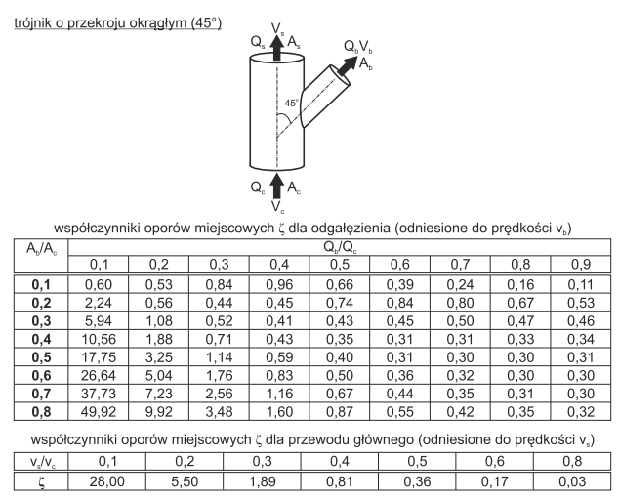

12
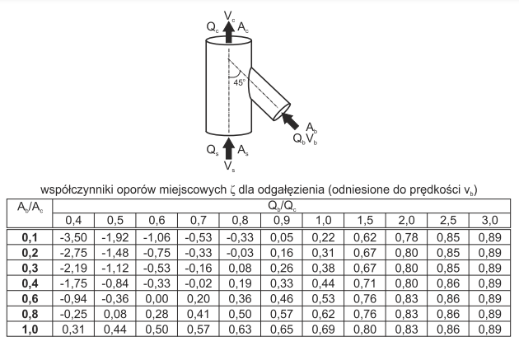

13
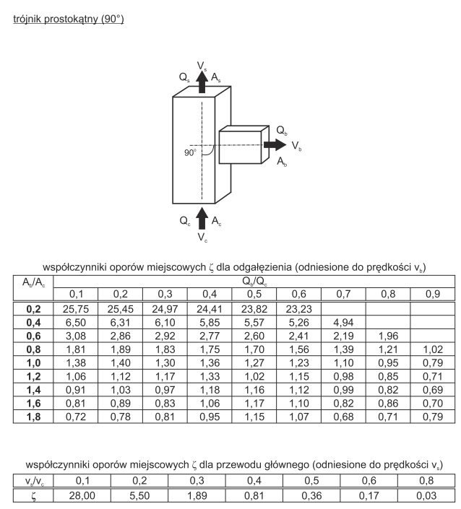

14
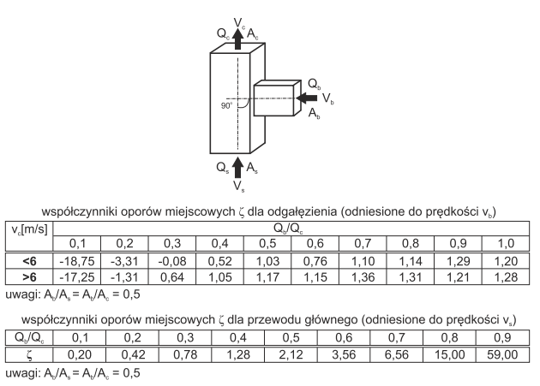

15
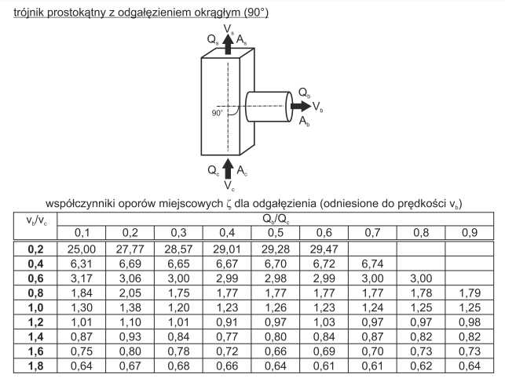

16
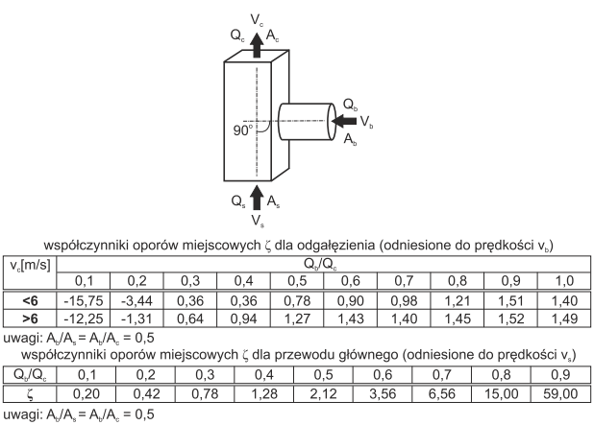

17
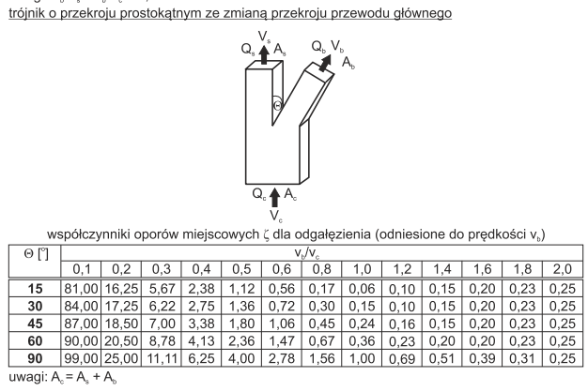

18
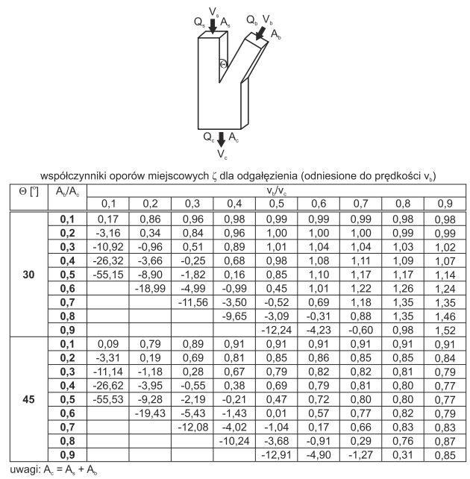
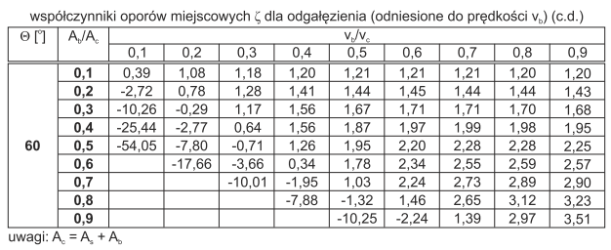

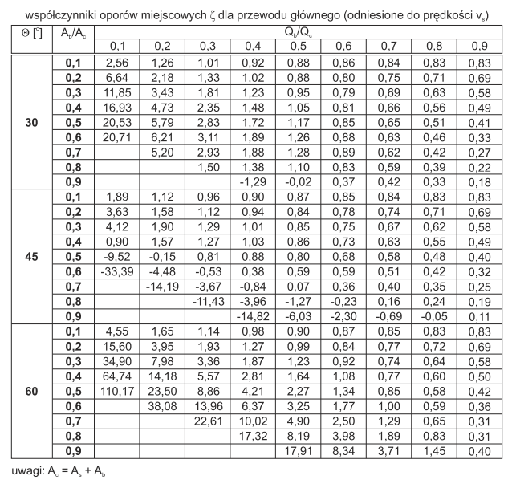

19
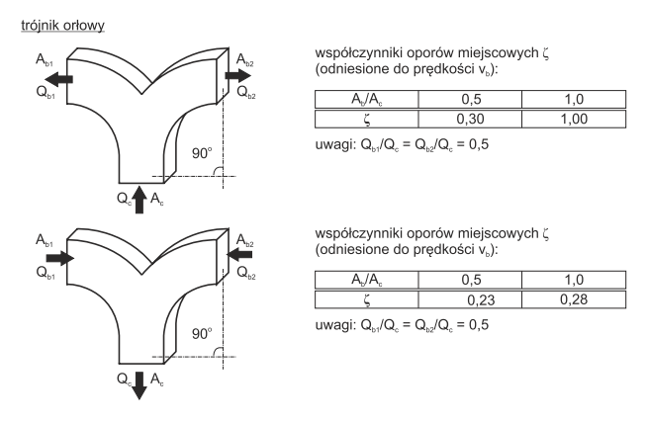

20
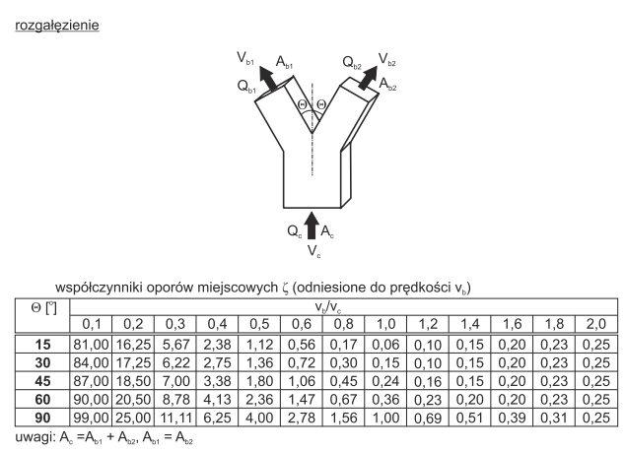

21
