Bug Log
Bug Log (Sanitized)
Track defects here. Add sanitized screenshots or portfolio-safe evidence links in the Screenshot / Evidence column.

Bug ID | Module | Related TC ID | Title | Severity | Priority | Status | Screenshot / Evidence | Steps to Reproduce | Expected Result | Actual Result | Notes / Owner | DATE RAISED
BUG-001 | Signup |  | Signup form does not clearly indicate which fields are required | High | High | Open | 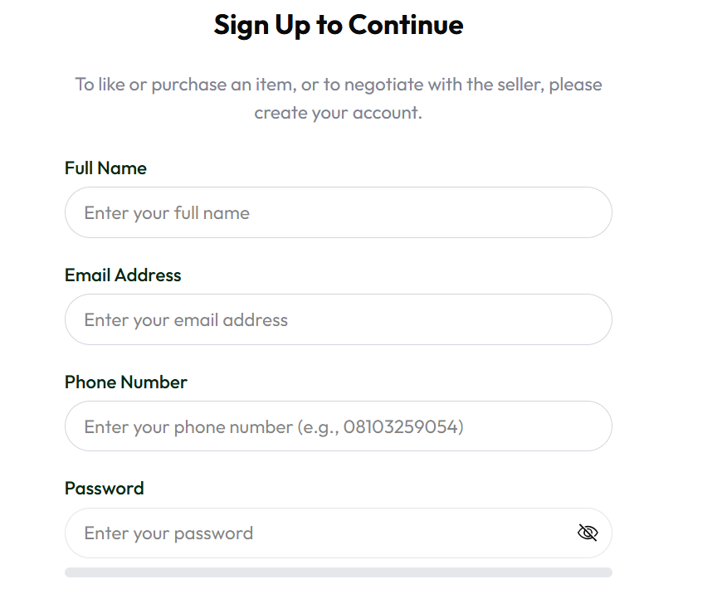 | 1. Open the signup page 2. Review all available input fields 3. Observe whether required fields are clearly marked 4. Attempt signup with only some fields completed | All mandatory fields should be clearly indicated, for example with an asterisk, label, helper text, or validation guidance. | The form does not clearly indicate which fields are required, creating uncertainty about the minimum information needed to continue signup. | Confirm with product/design which fields are intended to be mandatory before OTP verification. | 3/27/2026
BUG-002 | Signup | TC-002, TC-003 | Signup allows submission with incomplete required fields | High | High | Open | Add sanitized evidence link here | 1. Open the signup page 2. Fill only email address 3. Leave other mandatory fields blank 4. Click Sign up | The system should block submission and show required-field validation messages for all missing mandatory fields. | The system allows signup to proceed even though required fields are incomplete. | Observed with partial signup input. | 3/27/2026
BUG-003 | Signup / Email Verification | TC-003 | OTP is sent before signup validation is complete | High | High | Open | Add sanitized evidence link here | 1. Open the signup page 2. Enter email address only 3. Leave some required fields blank 4. Click Sign up | OTP should not be sent until all required signup fields are valid. | The system sends an OTP even though the signup form is incomplete. | Verification flow starts too early. | 3/27/2026
BUG-004 | Signup Validation | TC-002 | Misleading validation messages are shown for missing required fields | Medium | Medium | Open |  | 1. Open the signup page 2. Leave required fields empty or partially filled 3. Click Sign up | The system should show clear required-field messages such as 'Email is required' or 'Phone number is required'. | The system shows misleading messages such as 'email must be longer than or equal to 8 characters'. | Confusing UX and likely raw validation copy leaking to the UI. | 3/27/2026
BUG-005 | Signup Validation | TC-002, TC-003 | Duplicate phone-number error is shown when phone field is blank | High | High | Open |  | 1. Open the signup page 2. Enter email and password 3. Leave phone number and other required fields blank 4. Click Sign up | The system should show required-field validation for missing phone number and other blank required fields. | The system shows 'An account with this phone number already exist.' | May indicate uniqueness is checked before required validation. Also grammar issue in error text. | 3/27/2026
BUG-006 | Validation |  | Weak and moderate passwords are accepted without clear validation message | High | High | Open |  | 1. Navigate to the password creation or change password form 2. Enter a weak or moderate password 3. Observe the password strength indicator 4. Submit the form | The form should clearly validate the password requirements and either: block submission for passwords below the accepted level, orclearly state that weak/moderate passwords are allowed if that is the intended behavior | Form submits successfully with no clear validation feedback | Enforce clear password validation and display a visible error message when the password does not meet the required standard. | 3/31/2026

