Shifts
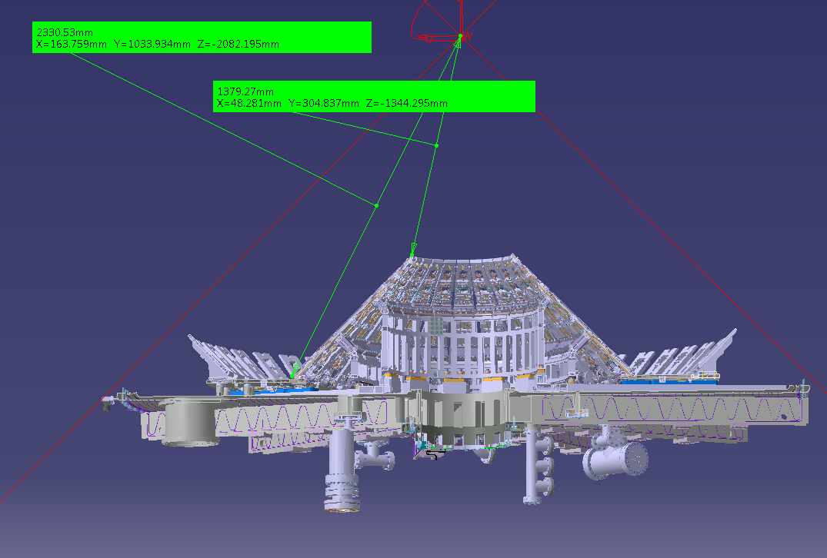
Tile coordinate shifts

Added shifts | Shift | Link to reference documentation
dz_cassette_upper | -0.0023 | CD/MU/03355
dz_cassette_lower | -0.0023 | CD/MU/03356
dZ(end_plate sag) | -0.006 | Survey data from Martin Harte
R(end plate sag) | 0.362 | Take the displacement to be a maximum at the location of the D1 mounting
Theta(end plate sag) (theta_H) | 0.0036629872802 | Angle at vessel wall to centre displaced due to end plate sag
R(outer cylinder) | 2 | CATIA
Z(outer cylinder) | -2.0628 | Taken as the lower edge of the T4 tile
 | R | Z
Location of the top of the T1 tile carrier (in the middle) | 0.30867 | -1.344
Location of the bottom of the T3 tile carrier (in the middle) | 1.047 | -2.082

dR of sloping region (b) | 0.73833
dZ of sloping tile (a) | 0.738
Angle at T1/CC join (theta_t1_before) | 0.78562169065
Length T1-T3 along tile | 1.0439229803

theta_cc | 1.5671333395
Length of T1-T3 when shifted (c ) | 1.0420092925
Angle at T1/CC join when shifted (theta_t1) | 0.78745400457

Change in angle | 0.0018323139208

Chart of coil shifts
0.501248 | -1.50409 | 0.249243 | -0.503 | 0.90541 | -1.59324 | 0.50428805571 | -1.5605585803 | 0.249243 | -0.563 | 0.90541 | -1.61624
0.536248 | -1.50409 | 0.260743 | -0.503 | 1.56394 | -1.56649 | 0.53928746817 | -1.5599172708 | 0.260743 | -0.563 | 1.56394 | -1.58949
0.332248 | -1.30309 | 0.260743 | 0.503 | 1.56394 | -1.55349 | 0.33160794377 | -1.3626585633 | 0.260743 | 0.443 | 1.56394 | -1.57649
0.297248 | -1.30309 | 0.249243 | 0.503 | 0.90541 | -1.58024 | 0.29660853131 | -1.3632998728 | 0.249243 | 0.443 | 0.90541 | -1.60324
0.501248 | -1.50409 | 0.249243 | -0.503 | 0.90541 | -1.59324 | 0.50428805571 | -1.5605585803 | 0.249243 | -0.563 | 0.90541 | -1.61624
0.849263 | -1.87915 | 0.259667 | -0.571 | 0.900205 | -1.29971 | 0.85916948637 | -1.9292355605 | 0.259667 | -0.631 | 0.900205 | -1.32271
0.903263 | -1.87915 | 0.271167 | -0.571 | 0.935205 | -1.29971 | 0.91316857988 | -1.9282461116 | 0.271167 | -0.631 | 0.935205 | -1.32271
0.529263 | -1.50409 | 0.260979 | -0.503 | 1.22491 | -1.0115 | 0.53230258542 | -1.5600452579 | 0.260979 | -0.563 | 1.22491 | -1.0345
0.475263 | -1.50409 | 0.249479 | -0.503 | 1.18991 | -1.0115 | 0.47830349191 | -1.5610347068 | 0.249479 | -0.563 | 1.18991 | -1.0345
0.849263 | -1.87915 | 0.259667 | -0.571 | 0.900205 | -1.29971 | 0.85916948637 | -1.9292355605 | 0.259667 | -0.631 | 0.900205 | -1.32271
1.03677 | -2.0628 | 0.287725 | -0.8535 | 0.85523 | -1.56477 | 1.0500383813 | -2.1094467627 | 0.287725 | -0.9135 | 0.85523 | -1.58777
1.08734 | -2.0628 | 0.304725 | -0.8535 | 0.88223 | -1.56477 | 1.1006075324 | -2.1085201621 | 0.304725 | -0.9135 | 0.88223 | -1.58777
0.901345 | -1.87915 | 0.268725 | -0.571 | 0.850277 | -1.50177 | 0.91125061208 | -1.9282812553 | 0.268725 | -0.631 | 0.850277 | -1.52477
0.85077 | -1.87915 | 0.251725 | -0.571 | 0.823277 | -1.50177 | 0.86067646107 | -1.9292079476 | 0.251725 | -0.631 | 0.823277 | -1.52477
1.03677 | -2.0628 | 0.287725 | -0.8535 | 0.85523 | -1.56477 | 1.0500383813 | -2.1094467627 | 0.287725 | -0.9135 | 0.85523 | -1.58777
1.06017 | -2.1 | 0.316449 | -1.1 | 0.823242 | -1.44171 | 1.0615956789 | -2.1344232807 | 0.316449 | -1.16 | 0.823242 | -1.46471
1.40476 | -2.1 | 0.334449 | -1.1 | 0.853242 | -1.44171 | 1.4061625613 | -2.1218010211 | 0.334449 | -1.16 | 0.853242 | -1.46471
1.40476 | -2.0628 | 0.303046 | -0.8535 | 0.884678 | -1.35721 | 1.404799933 | -2.0846035167 | 0.303046 | -0.9135 | 0.884678 | -1.38021
1.06017 | -2.0628 | 0.285046 | -0.8535 | 0.854678 | -1.35721 | 1.0602330507 | -2.0972257764 | 0.285046 | -0.9135 | 0.854678 | -1.38021
1.06017 | -2.1 | 0.316449 | -1.1 | 0.823242 | -1.44171 | 1.0615956789 | -2.1344232807 | 0.316449 | -1.16 | 0.823242 | -1.46471
1.34937 | -2.0628 | 0.297353 | -1.30305 | 0.88771 | -1.58727 | 1.349413649 | -2.0866324408 | 0.297353 | -1.36305 | 0.88771 | -1.61027
1.40487 | -2.0628 | 0.332353 | -1.30305 | 0.90421 | -1.58727 | 1.4049099257 | -2.0845994875 | 0.332353 | -1.36305 | 0.90421 | -1.61027
1.78772 | -1.68 | 0.332353 | -1.1 | 0.87159 | -1.56477 | 1.7737123573 | -1.687801453 | 0.332353 | -1.16 | 0.87159 | -1.58777
1.73222 | -1.68 | 0.297353 | -1.1 | 0.85509 | -1.56477 | 1.7182160807 | -1.6898344064 | 0.297353 | -1.16 | 0.85509 | -1.58777
1.34937 | -2.0628 | 0.297353 | -1.30305 | 0.88771 | -1.58727 | 1.349413649 | -2.0866324408 | 0.297353 | -1.36305 | 0.88771 | -1.61027
0.297248 | 1.30309 | 0.249479 | 0.503 | 0.854955 | -1.35721 | 0.29810772972 | 1.2428815007 | 0.249479 | 0.443 | 0.854955 | -1.38021
0.332248 | 1.30309 | 0.260979 | 0.503 | 0.887955 | -1.35721 | 0.33310714218 | 1.2435228102 | 0.260979 | 0.443 | 0.887955 | -1.38021
0.536248 | 1.50409 | 0.271167 | 0.571 | 0.930903 | -1.29971 | 0.53342076874 | 1.4482573544 | 0.271167 | 0.511 | 0.930903 | -1.32271
0.501248 | 1.50409 | 0.259667 | 0.571 | 0.897903 | -1.29971 | 0.49842135628 | 1.4476160448 | 0.259667 | 0.511 | 0.897903 | -1.32271
0.297248 | 1.30309 | 0.249479 | 0.503 | 0.854955 | -1.35721 | 0.29810772972 | 1.2428815007 | 0.249479 | 0.443 | 0.854955 | -1.38021
0.475263 | 1.50409 | 0.251725 | 0.571 | 0.823003 | -1.50177 | 0.47243679248 | 1.4471399183 | 0.251725 | 0.511 | 0.823003 | -1.52477
0.529263 | 1.50409 | 0.268725 | 0.571 | 0.850503 | -1.50177 | 0.52643588599 | 1.4481293673 | 0.268725 | 0.511 | 0.850503 | -1.52477
0.903263 | 1.87915 | 0.304725 | 0.8535 | 0.850503 | -1.44171 | 0.89355733496 | 1.8300359214 | 0.304725 | 0.7935 | 0.850503 | -1.46471
0.849263 | 1.87915 | 0.287725 | 0.8535 | 0.823003 | -1.44171 | 0.83955824145 | 1.8290464725 | 0.287725 | 0.7935 | 0.823003 | -1.46471
0.475263 | 1.50409 | 0.251725 | 0.571 | 0.823003 | -1.50177 | 0.47243679248 | 1.4471399183 | 0.251725 | 0.511 | 0.823003 | -1.52477
0.85077 | 1.87915 | 0.285046 | 0.8535 | 0.90541 | 1.58024 | 0.84106521615 | 1.8290740854 | 0.285046 | 0.7935 | 0.90541 | 1.55724
0.901345 | 1.87915 | 0.303046 | 0.8535 | 1.56394 | 1.55349 | 0.89163936716 | 1.8300007777 | 0.303046 | 0.7935 | 1.56394 | 1.53049
1.08734 | 2.0628 | 0.334449 | 1.1 | 1.56394 | 1.56649 | 1.0742662023 | 2.0170557051 | 0.334449 | 1.04 | 1.56394 | 1.54349
1.03677 | 2.0628 | 0.316449 | 1.1 | 0.90541 | 1.59324 | 1.0236970512 | 2.0161291045 | 0.316449 | 1.04 | 0.90541 | 1.57024
0.85077 | 1.87915 | 0.285046 | 0.8535 | 0.90541 | 1.58024 | 0.84106521615 | 1.8290740854 | 0.285046 | 0.7935 | 0.90541 | 1.55724
1.06017 | 2.0628 | 0.297353 | 1.1 | 1.18974 | 1.0115 | 1.0602330507 | 2.0283742236 | 0.297353 | 1.04 | 1.18974 | 0.9885
1.40476 | 2.0628 | 0.332353 | 1.1 | 1.22474 | 1.0115 | 1.404799933 | 2.0409964833 | 0.332353 | 1.04 | 1.22474 | 0.9885
...

