Maps
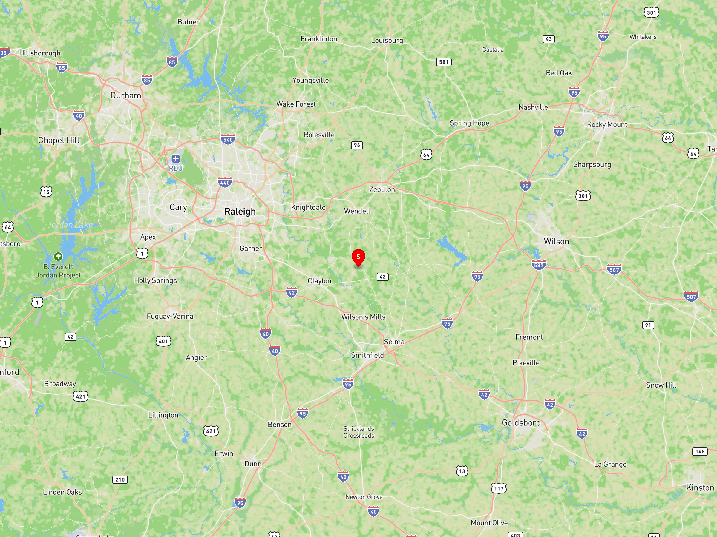
SCIP MAPS — Ocala West | Johnston County, NC | 35.673564°N, 78.366782°W | Generated: March 08, 2026

MAP 1 — AERIAL | Satellite imagery at ~0.25 mile zoom. Site marker (red pin) at 35.673564°N, 78.366782°W. Buffalo Rd visible to the east.
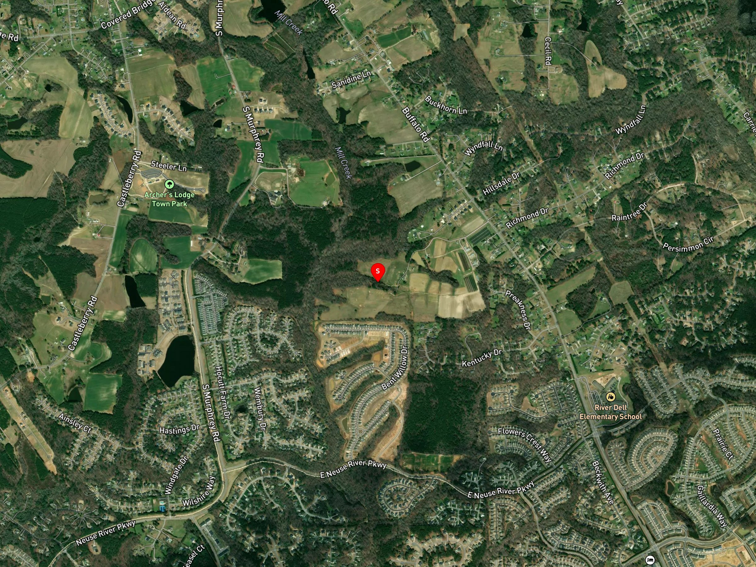

MAP 2 — TOPOGRAPHY | USGS-style topographic map. Terrain is gently rolling Piedmont/Coastal Plain transition. Elevation ~230 ft AMSL.
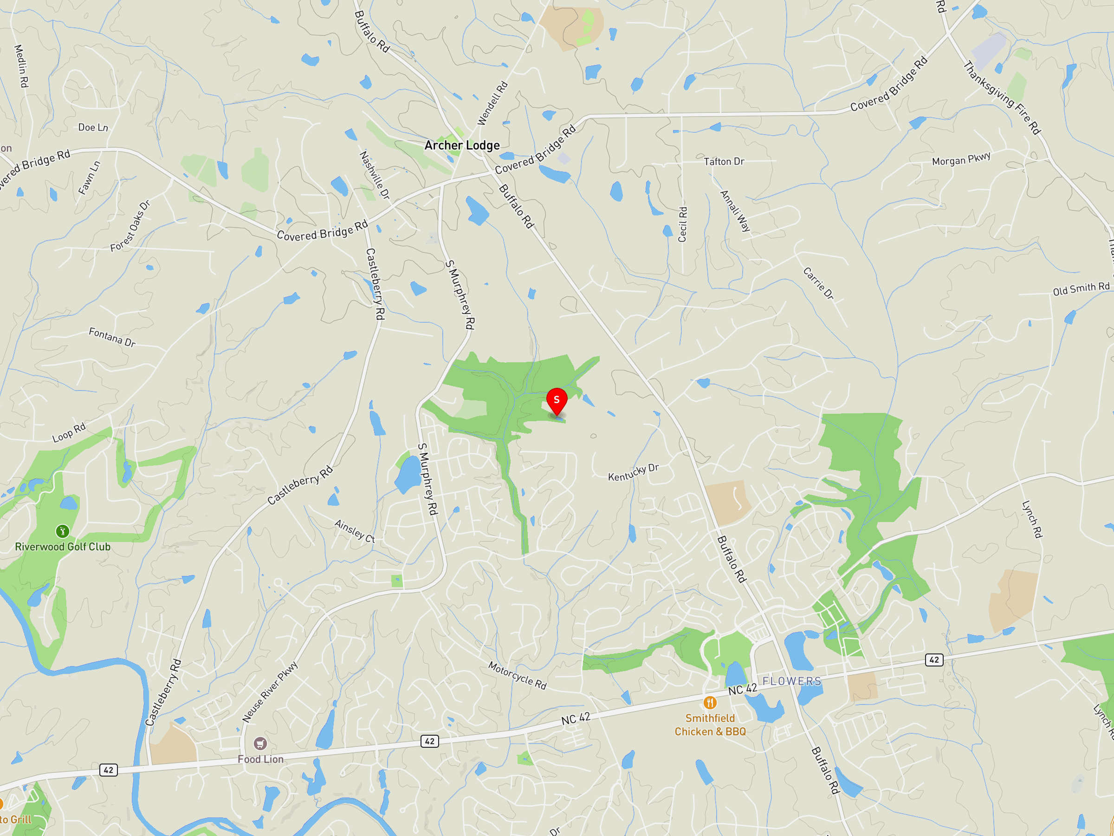

MAP 3 — STREET/ROAD | Road network context. Site accessed via Buffalo Rd (NC SR 1300). Clayton, NC is ~4 miles north.
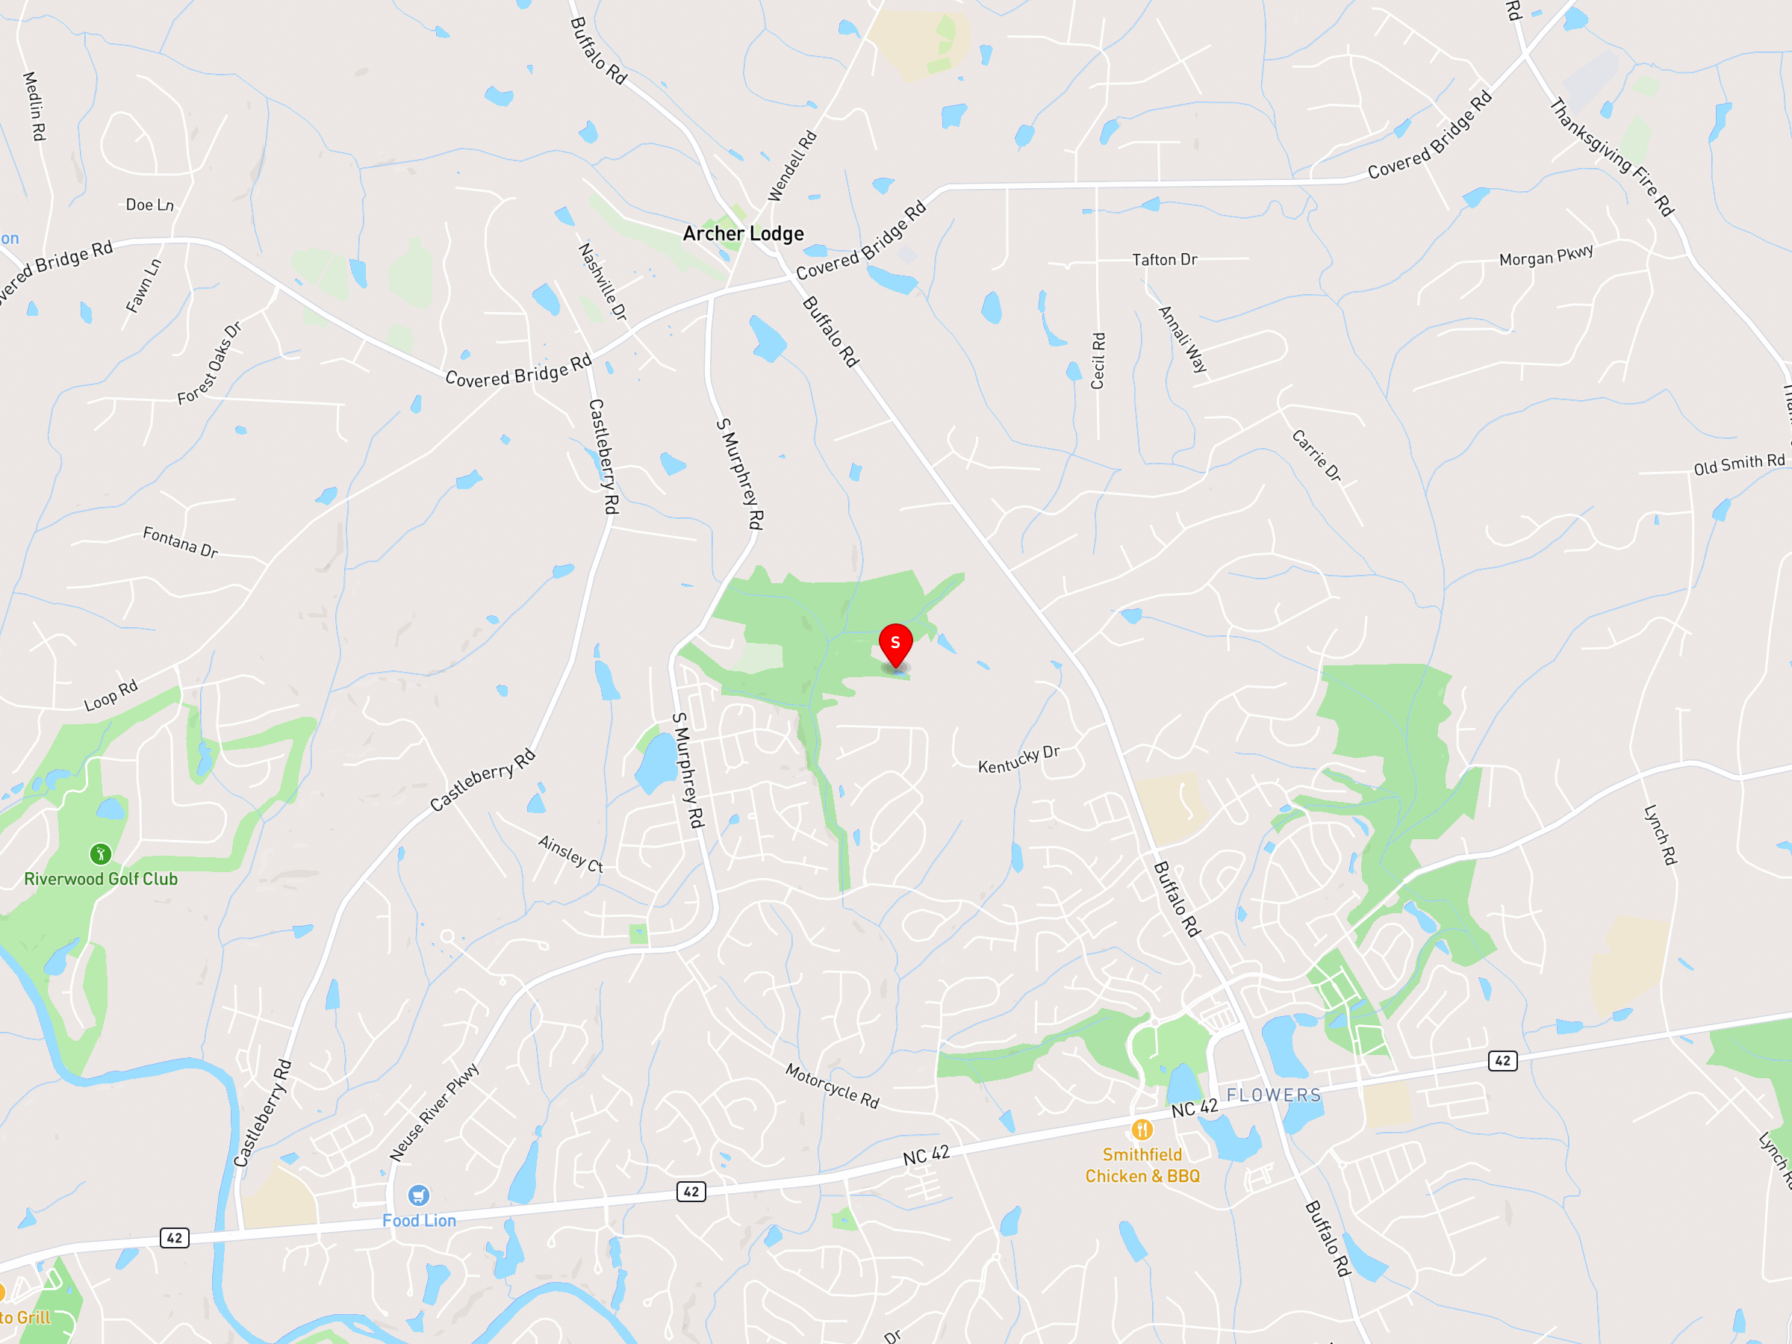

MAP 4 — SEARCH RING | 0.5-mile search radius centered on 35.673564°N, 78.366782°W. Site candidate shown at center.
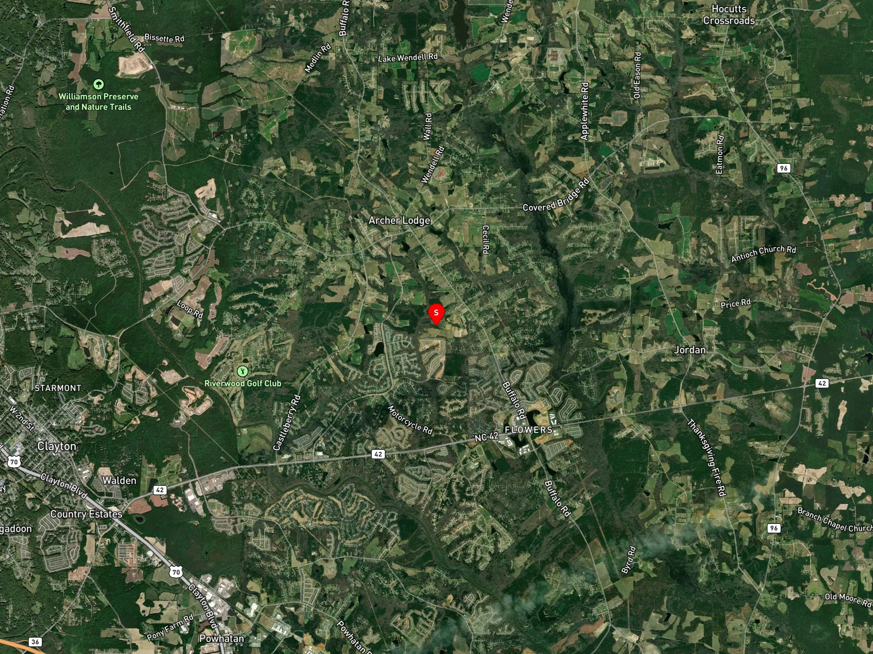

MAP 5 — ZONING | Johnston County zoning context. Parcel is zoned AR (Agricultural-Residential). Verify current zoning at johnstonnc.gov/gis.
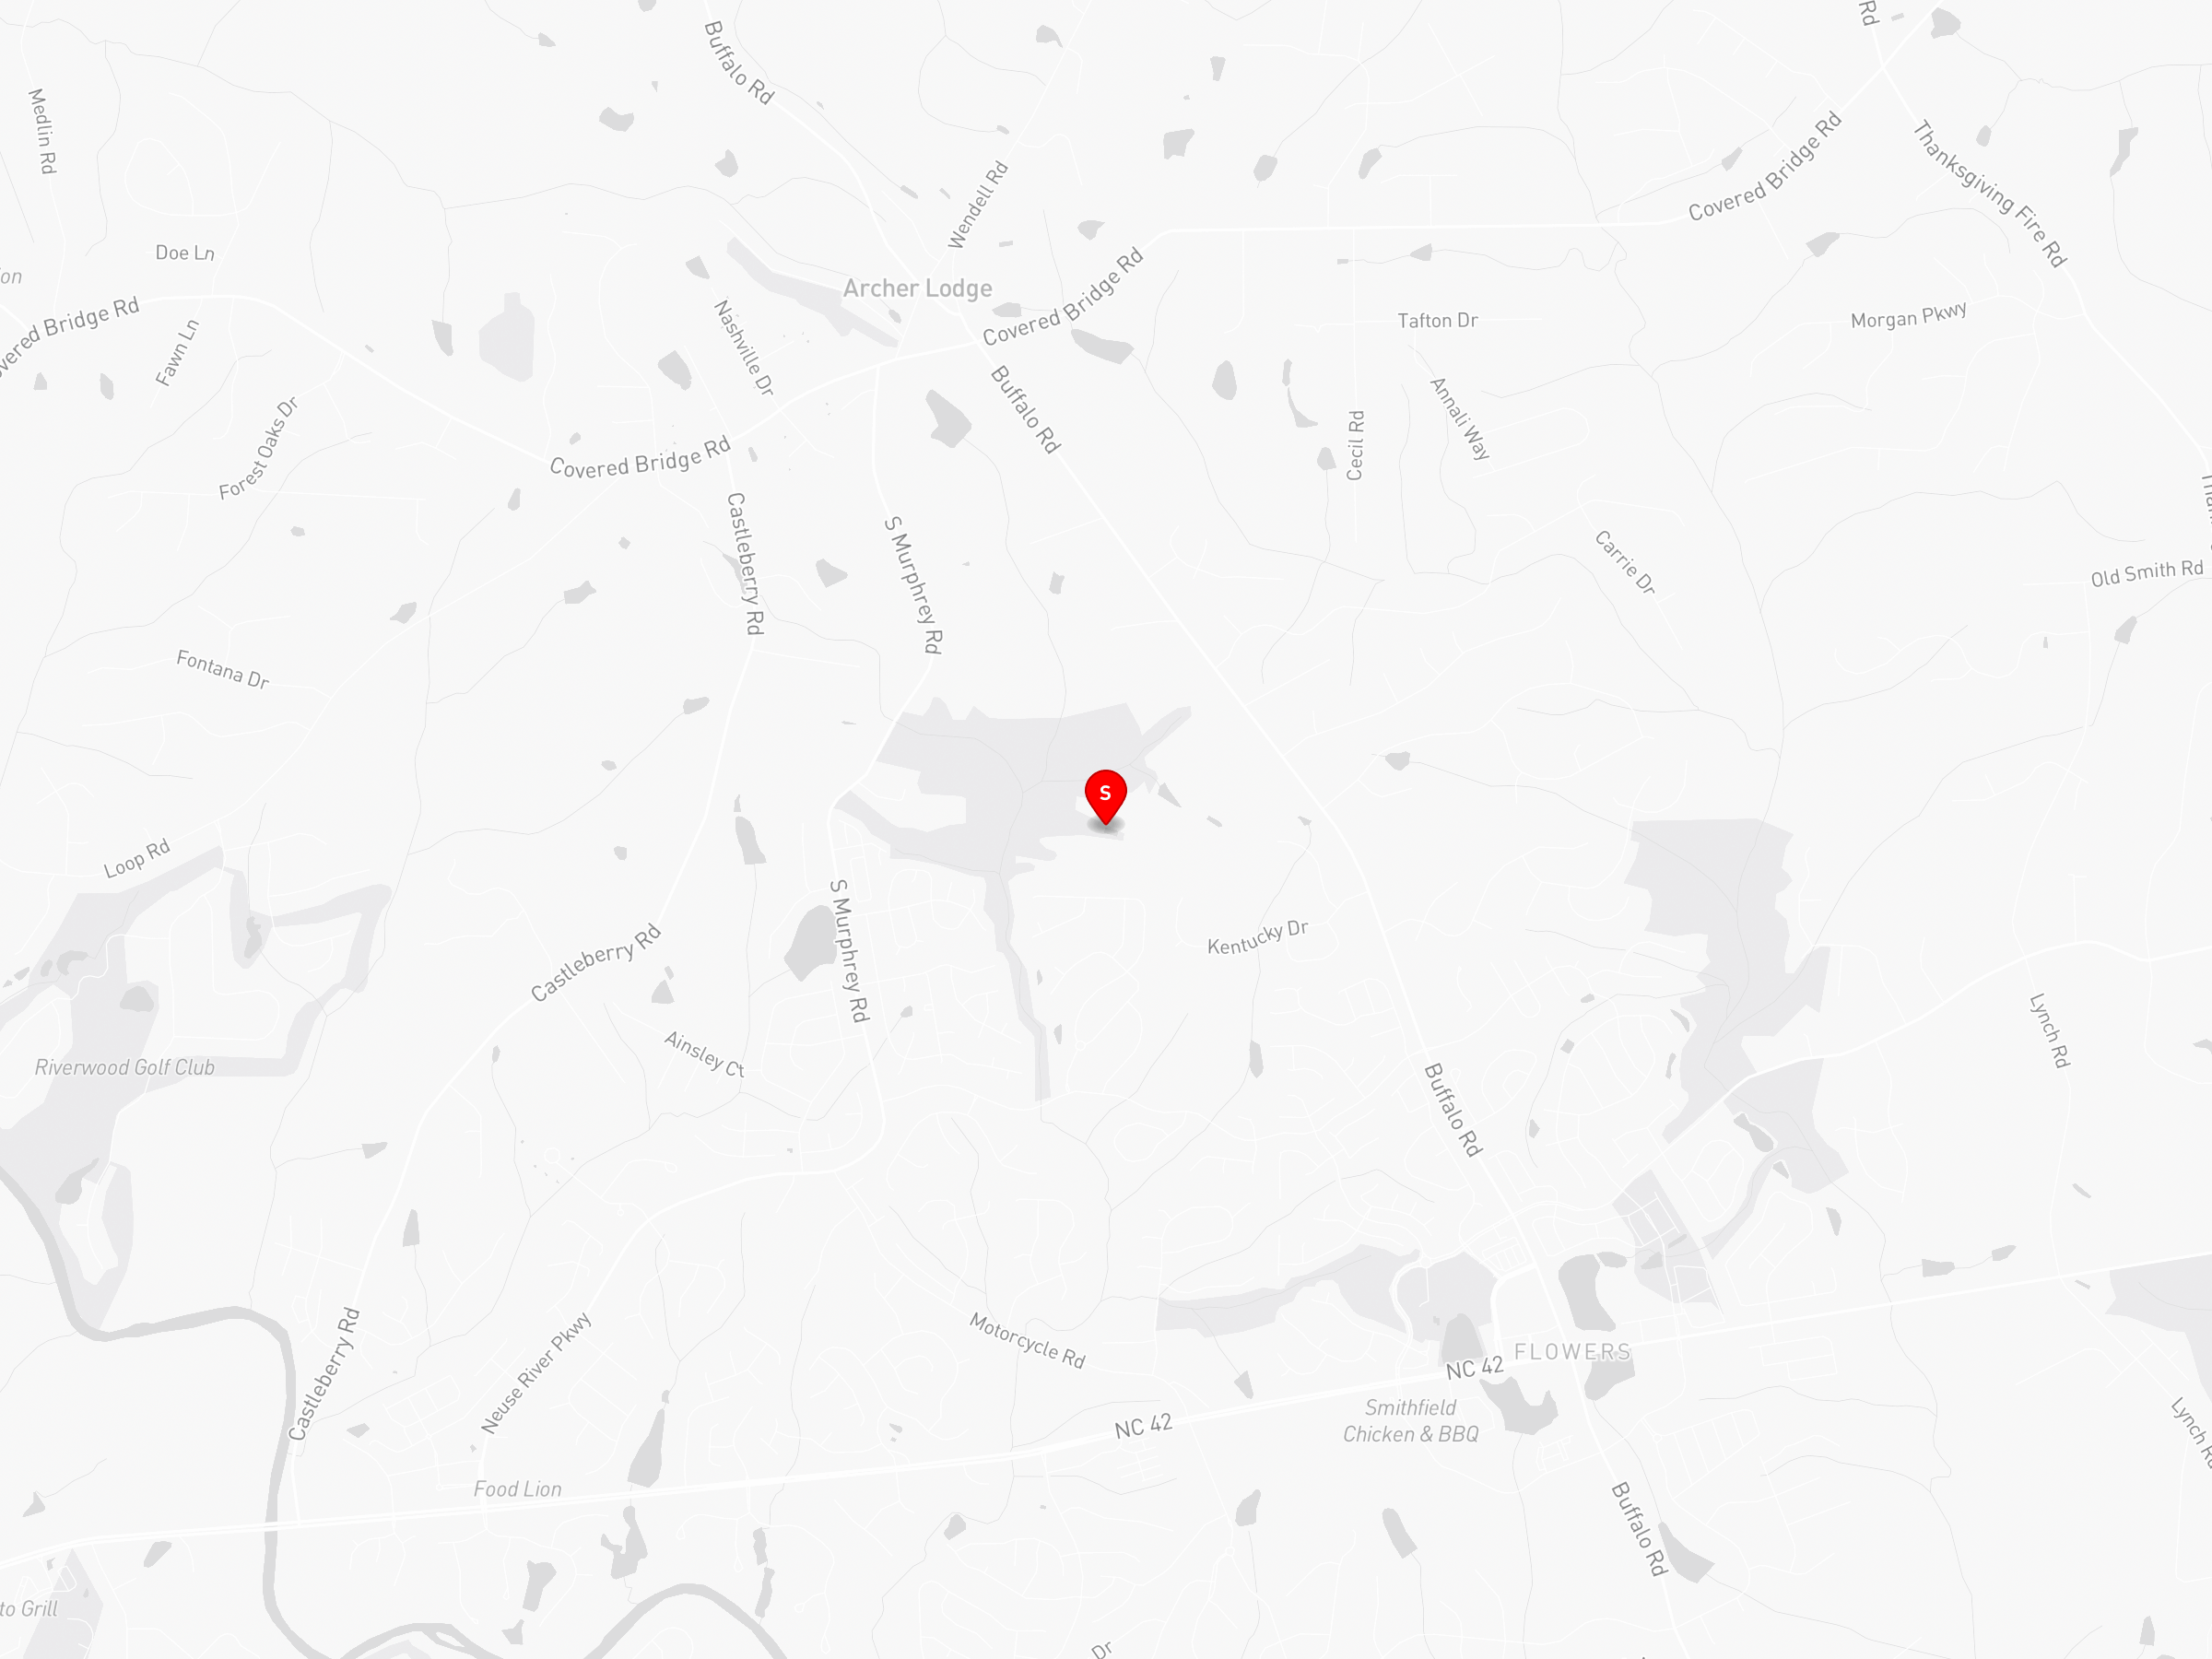

MAP 6 — FLOODPLAIN | FEMA Flood Zone context. Site is in Zone X (minimal flood hazard, outside SFHA). Verify at msc.fema.gov.

MAP 7 — WETLANDS | USFWS NWI wetlands context. No wetlands mapped at this location per NWI database.
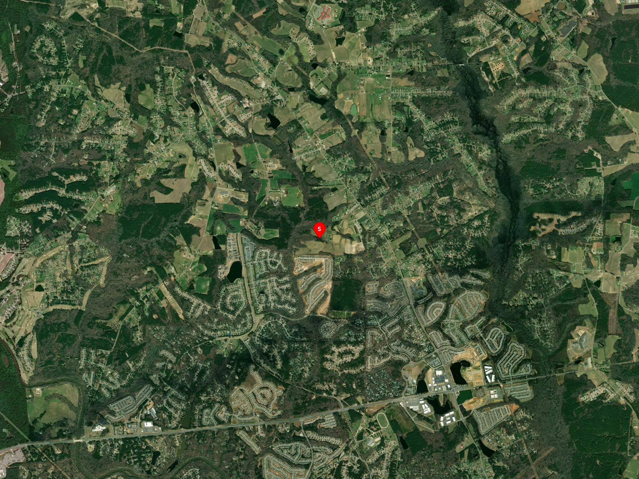

MAP 8 — AIRPORT PROXIMITY | Nearest airports: Clayton Municipal Airpark (NC06) ~4.49 mi; Johnston County Airport (KJNX) ~9.21 mi; RDU ~27.48 mi.
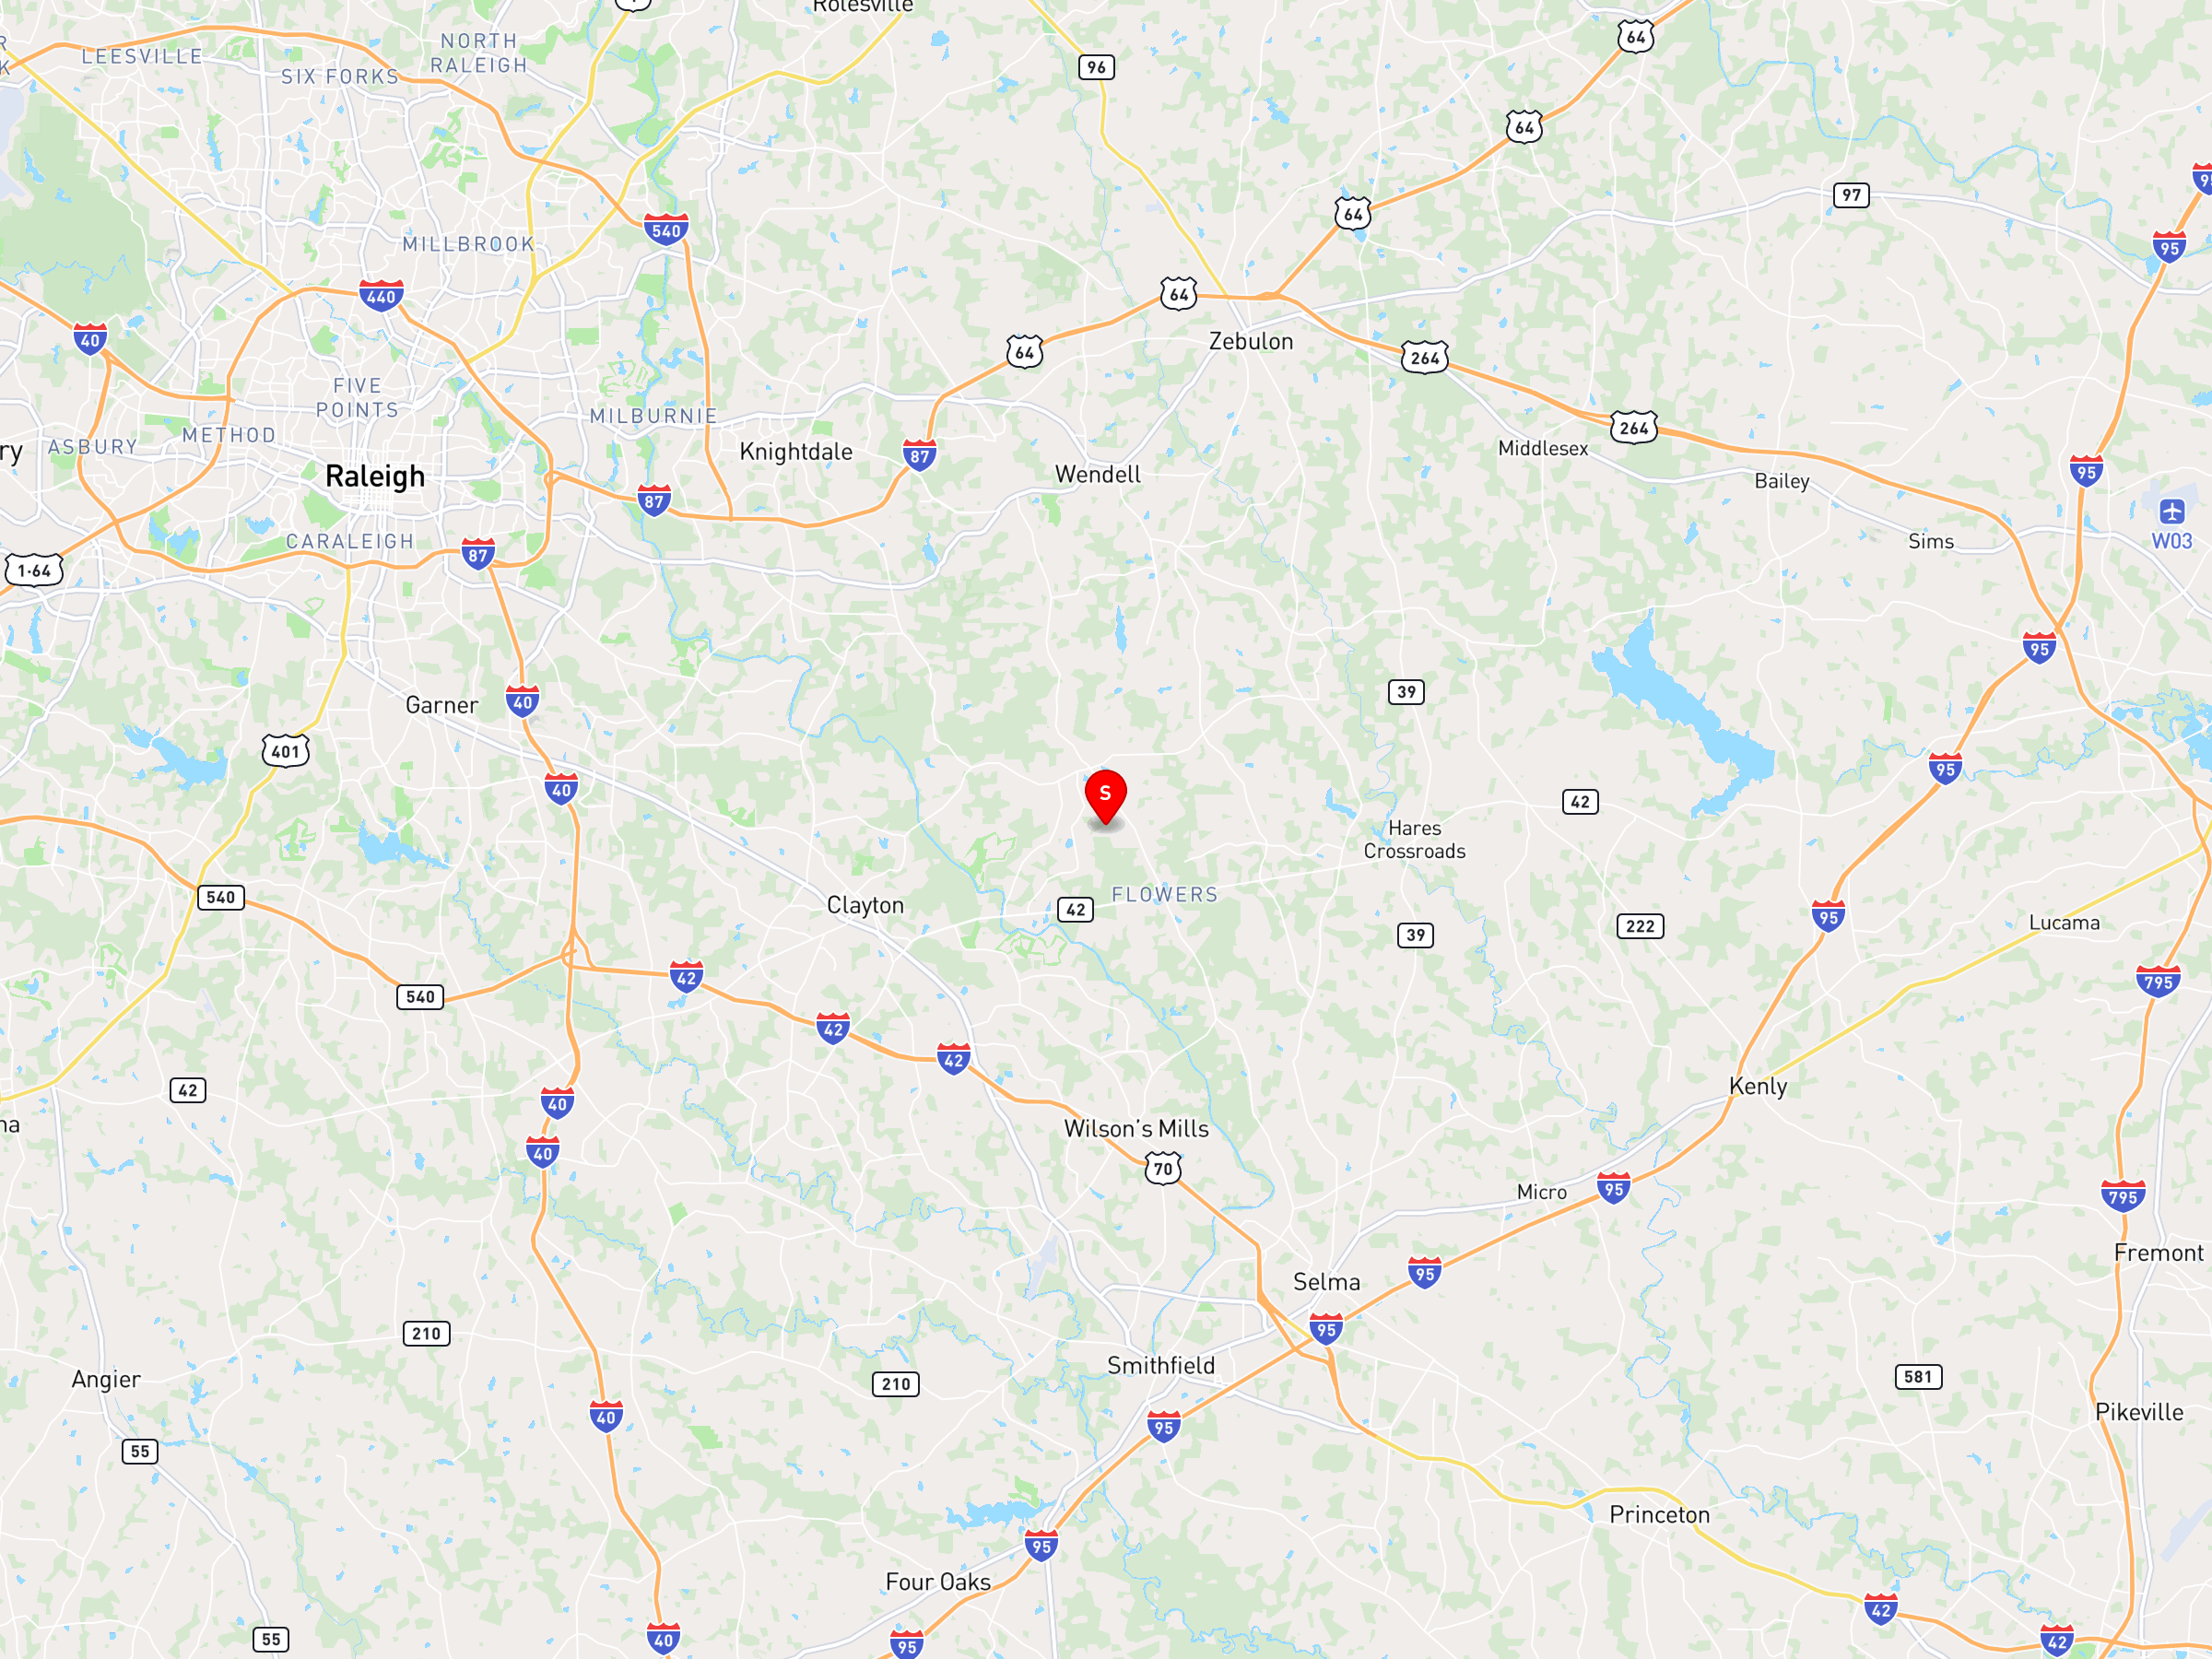

MAP 9 — CELL TOWERS | Existing cell tower context within 0.5-mile radius. No towers identified within 0.5 mi per OpenCellID. Verify at antennasearch.com.
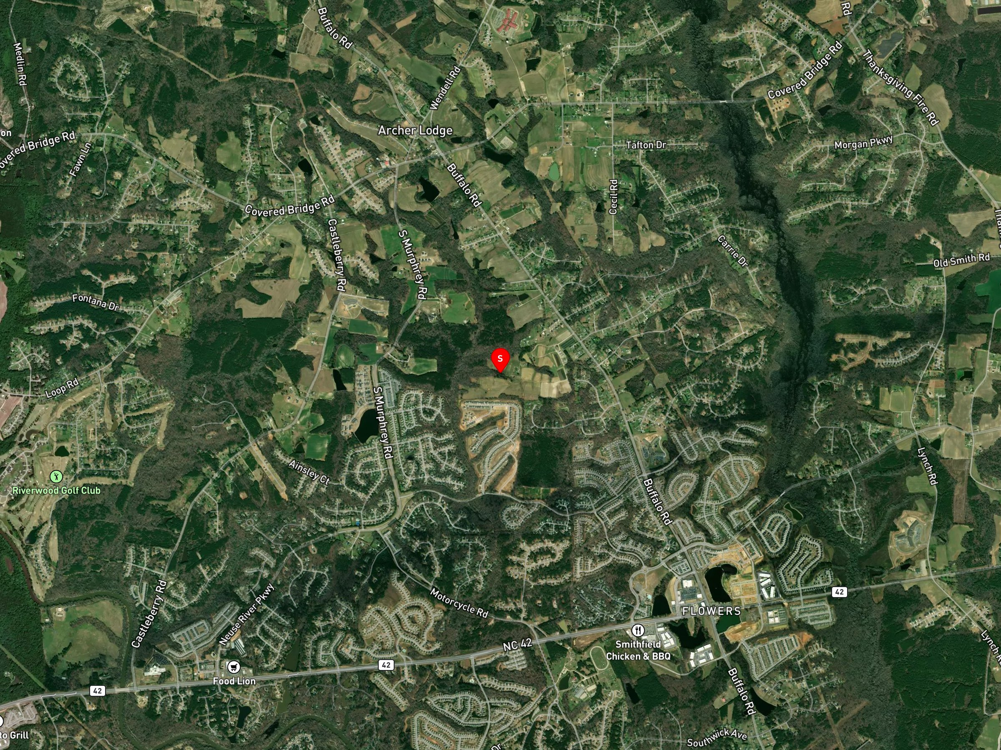

MAP 10 — PARCEL | Close-up parcel view at 15x zoom. Parcel ID: 178000-80-0678. Owner: PACE, JERRY G JR. 93.44 acres.
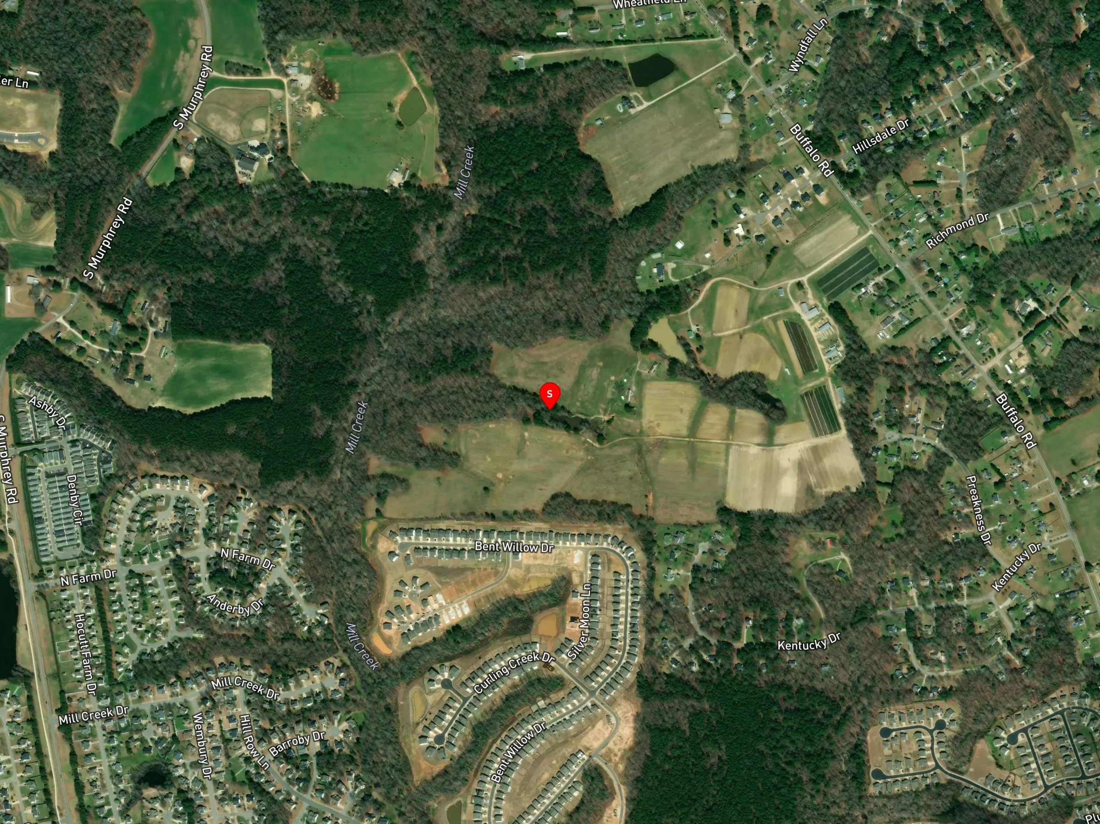

MAP 11 — WIND SPEED | Regional context map. Central NC avg wind speed ~5.8 m/s at 100m hub height (NREL estimate). Verify at windexchange.energy.gov.

