Candidate
ANTHEMNET | SITE CANDIDATE INFORMATION PACKAGE
SITE ACQUISITION
Agent Name | Tom Hodges
Agent Phone | (248) 787-1888
Agent E-mail | hodgesthomas@outlook.com
Submittal Date | March 09, 2026
SEARCH RING INFORMATION
Site Name | Ocala Preserve
Latitude | 29.2169
Longitude | -82.2139
Search Radius | .50 miles
SARF Height | 199'
SARF
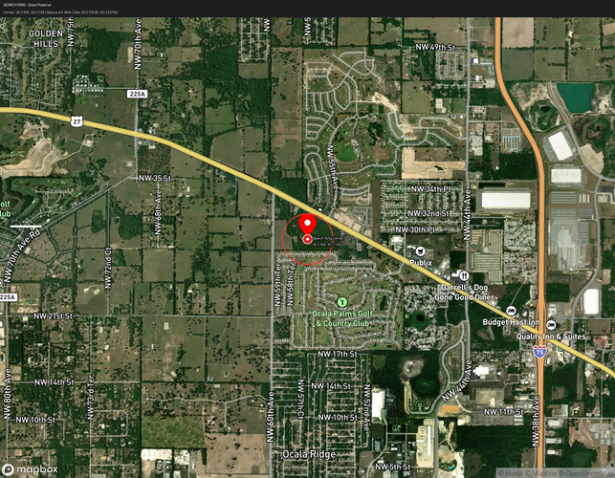
PROJECT INFORMATION
Tower Type | Self-Supporting
Tower Height | 199'
Centerlines available | 189'
Ground Elevation | 85 ft (NAVD88) - from USGS 3DEP elevation data
Compound Size (S.F. & dimensions) | 100'x100'
Latitude | 29.213545
Longitude | -82.223183
Distance from Search Ring Center | 0.34 miles (1,795 ft) from search ring center at 29.2169, -82.2139
SITE INFORMATION (from Property Appraiser's Office)
Parcel County | Marion County, Florida
Parcel ID Number | 21615-000-00
Owner Name (on Deed) | GUT EINHAUS LLC
Parcel Street Address | 2486 NW 60TH AVE
Parcel City | OCALA
Parcel State | FL
Parcel Zip | 34482-8280
Parcel Size (acres, MOL) | 58.36 Acres (±2,542,295 sq ft)
Parcel Dimensions (feet) | Irregular polygon; approx. 2,640 ft (E-W) x 1,320 ft (N-S) MOL
Conforming Size? | Yes – A-1 zoning minimum lot size: 5 acres; parcel is 58.36 acres ✓
Taxes Paid-to-Date? | Yes – 2025 taxes paid; Tax Amount: $762.40 | Assessed Value: $48,681 | Total Parcel Value: $1,713,987
OWNER INFORMATION
Name(s) | GUT EINHAUS LLC
Contact Person | Not Available – LLC registered entity
Mailing Address | 13833 WELLINGTON TRC PMB 307, E4 WELLINGTON, FL 33414-8576
E-mail Address | Not Available
Phone Number | 📞 Not Available – LLC; contact via registered agent
LEASE INFORMATION
Effective Date (signed or anticipated) | Upon Full Execution
Length of Initial Term | 5 Years
Length & Number of Renewal Terms | 5 year terms @ 7 renewal terms
Option Period(s) | 2 @ 12 months
Base Lease Fee | $1,350.00
Escalation Rate | 3%
Collocation Revenue (if applicable) | N/A
Capital Contribution (if applicable) | N/A
LANDOWNER NOTES
Please elaborate on any concerns with landowner or lease terms. Is property within HOA or CDD? | Landlord (GUT EINHAUS LLC) appears receptive to lease terms based on initial outreach. No significant concerns identified at this time. ⚠️ CDD STATUS: The Ocala Preserve Community Development District (CDD) was established June 16, 2021 per Marion County Ordinance No. 21-15. The CDD covers the Ocala Preserve residential development to the north. The subject 58.36-acre agricultural parcel at 2486 NW 60th Ave may be within or adjacent to the CDD boundary. VERIFICATION REQUIRED with Marion County Growth Services and the CDD Board. 📞 Ocala Preserve CDD: The Club at Ocala Preserve, 4021 NW 53rd Ave Rd, Ocala, FL 34482 | Website: ocalapreservecdd.net NOTE: No HOA was identified for this agricultural parcel. The adjacent residential community (Ocala Preserve) has a CDD which may have jurisdiction over infrastructure improvements in the area. Recommend confirming CDD boundary prior to lease execution.
DIRECTIONS TO SITE
Please provide general directions. | From the intersection of NW 49th Street & NW 60th Avenue (nearest busy intersection – approx. 0.8 miles south of site): • Head NORTH on NW 60th Ave approximately 0.8 miles • Subject property (2486 NW 60th Ave) will be on the RIGHT (EAST) side of the road From US-27 (N Pine Ave) / NW 49th St intersection: • Head WEST on NW 49th St approx. 1.2 miles to NW 60th Ave • Turn RIGHT (NORTH) on NW 60th Ave; proceed 0.8 miles • Property entrance on RIGHT (EAST) side GPS Coordinates: 29.213545, -82.223183
PHOTOGRAPHS
Premises, Access, Nearest Power/Telco (include below)
Proposed Site | 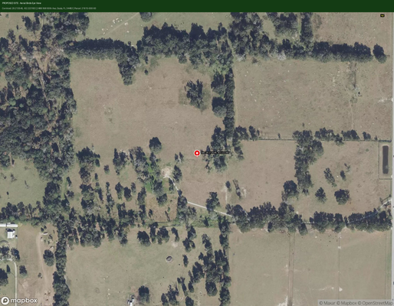
North from Site | 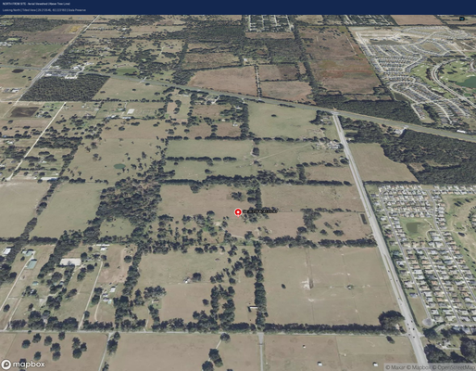
South from Site | 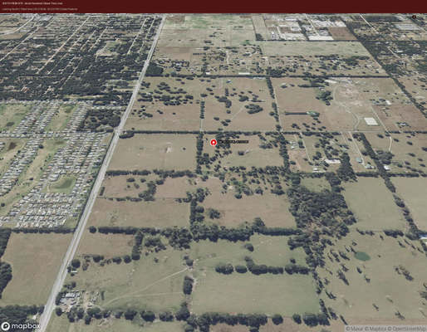
East from Site | 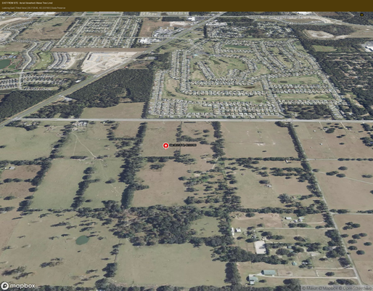
West from Site | 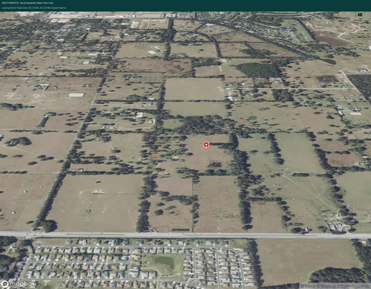
Access - ROW Connection | 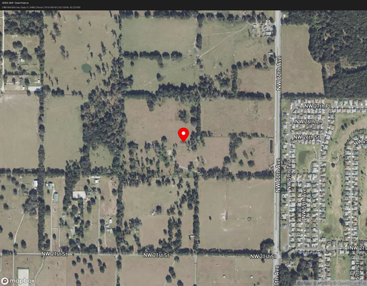
Access - along | NW 60th Avenue (paved county road) – access from south boundary of parcel
Power (nearest pole) | 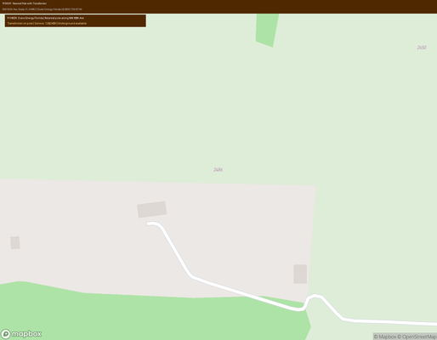
Telco (nearest demarc) | 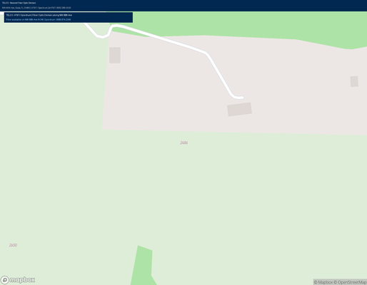
Site Sketch (within entire parcel) | 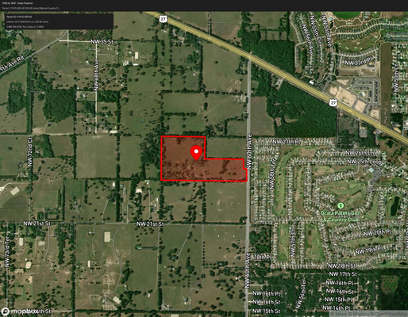
EXISTING CONDITIONS
Flood Zone(s) | Zone X (Minimal Flood Hazard) – FEMA FIRM Panel 12083C0267F FEMA Risk Factor: Relatively Moderate Source: FEMA National Flood Insurance Program (NFIP) | msc.fema.gov
Wetland Concerns? | Potential wetland areas present on eastern portion of parcel per USFWS National Wetlands Inventory (NWI). Freshwater emergent and forested wetlands possible. St. Johns River Water Management District (SJRWMD) jurisdiction applies. Environmental assessment recommended prior to construction. Source: USFWS NWI | fws.gov/wetlands
Water Management District | St. Johns River Water Management District (SJRWMD) 📞 (386) 329-4500 | Toll-Free: (800) 451-7106 4049 Reid Street, Palatka, FL 32177 Website: sjrwmd.com Environmental Resource Permit (ERP) may be required for construction within 25 ft of wetlands.
Hazardous Waste Concerns? | No known hazardous waste concerns identified. Agricultural land use only (A-1 zoning); no CERCLIS/Superfund listings found. No UST (Underground Storage Tanks) identified on parcel. Phase I ESA recommended as standard practice prior to lease execution. Source: EPA ECHO | EPA CERCLIS | Florida DEP Cleanup Site Locator
Access Notes (ROW, driveway, code) | Access via NW 60th Avenue (paved Marion County road) – ROW connection at south boundary. No existing driveway/access road on parcel; new access drive will be required. Marion County Public Works – Road & Bridge: 📞 (352) 671-8686 Driveway permit required from Marion County Engineering. ROW width: 60 ft (NW 60th Ave)
Power Provider (name & phone) | Duke Energy Florida (DEF) 📞 (800) 700-8744 | Business: (800) 752-2551 Service territory confirmed for Marion County NW area. Nearest overhead power lines along NW 60th Ave. New service connection will require Duke Energy coordination. Website: duke-energy.com/home/products/florida
Fiber Available? | YES – Fiber available in area: • Spectrum (Charter Communications) – Coax/Fiber hybrid 📞 (866) 874-2389 | spectrum.com/business • AT&T – DSL/Fiber limited availability in NW Ocala area 📞 (800) 288-2020 | att.com/smallbusiness • FiberWave Communications – Local CLEC provider Fiber demarc likely available along NW 60th Ave ROW. Verification with providers required for exact service availability at site.
Telco Provider (name & phone) | AT&T (Primary ILEC/Telco) 📞 (800) 288-2020 | Business: (877) 722-3755 att.com/smallbusiness Spectrum (Secondary) 📞 (866) 874-2389 | spectrum.com/business Nearest demarc point: Along NW 60th Ave ROW (approx. 500-800 ft from proposed compound)
Nearest Airport (name & distance) | Ocala International Airport (OCF) 1770 SW 60th Ave, Ocala, FL 34474 📞 (352) 629-8217 Distance: Approx. 8.5 miles southeast of site FAA Notification: FAA Form 7460-1 required for structures >200 ft AGL or within 20,000 ft of airport. Proposed 199 ft tower: FAA filing required (within 20,000 ft radius of OCF). Source: FAA Obstruction Evaluation / Airport Airspace Analysis (OE/AAA)
Local Police (municipality & phone) | Marion County Sheriff's Office (MCSO) 692 NW 30th Ave, Ocala, FL 34475 📞 (352) 732-8181 (Administration) 📞 (352) 732-9111 (Non-Emergency) Emergency: 911 Website: marionso.com Jurisdiction: Marion County unincorporated area
Local Fire Dept (municipality & phone) | Marion County Fire Rescue – Station 12 (Meadowood Farms) – NEAREST 120 NW 110th Ave, Ocala, FL 34482 📞 (352) 291-8000 (MCFR Admin) Distance: Approx. 2.5 miles northwest of site Marion County Fire Rescue – Station 20 (Golden Ocala) 3600 NW 70th Ave, Ocala, FL 34482 📞 (352) 291-8000 Distance: Approx. 3.2 miles north of site MCFR Headquarters: 1276 NE 9th St, Ocala, FL 34470 | 📞 (352) 291-8000 Website: marionfl.org/fire-rescue
SITE NOTES
Please elaborate on any site development concerns (i.e. terrain, foliage, obstructions, generators or microwaves prohibited) | 58.36-acre General Agriculture (A-1) parcel with open pasture/agricultural land use. Relatively flat terrain with mature oak/pine canopy along eastern boundary. Wetland areas possible on eastern portion – Phase I ESA and wetland delineation recommended. No existing structures on parcel. NW 60th Ave provides paved access. Duke Energy overhead lines present along NW 60th Ave. Site is within Ocala Preserve CDD boundary area – verify CDD jurisdiction. FAA coordination required for 199 ft tower (within 20,000 ft of OCF). FEMA Zone X – minimal flood hazard. Proposed compound location: 29.213545, -82.223183 (centroid of parcel).
MAPS - Insert Snippets
Aerial | 
Topography | 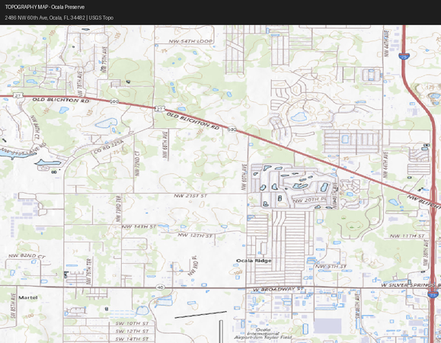
Floodplain Map | 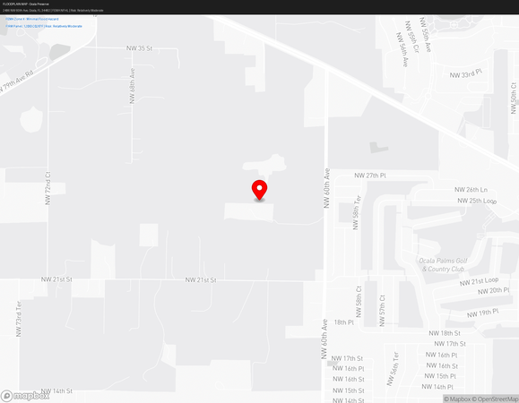
Zoning Map | 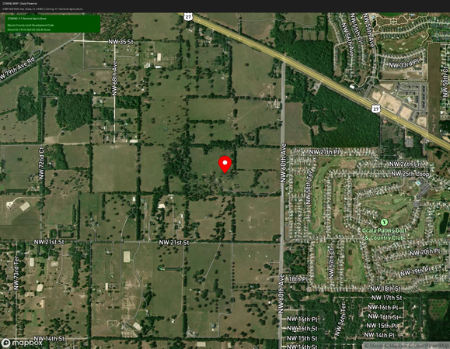
FLU Map | 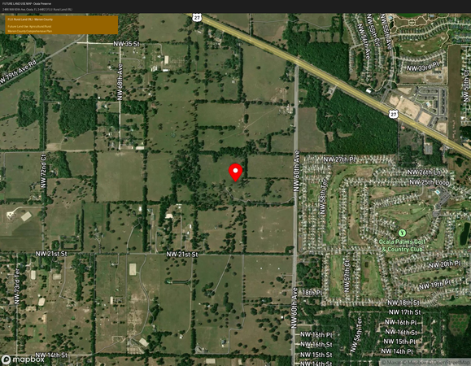
Wetlands Map | 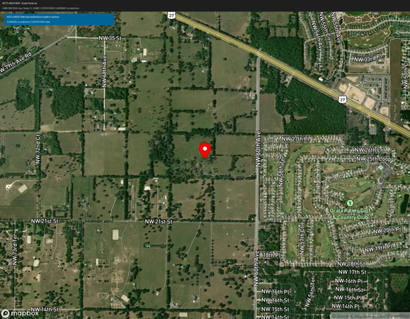
Parcel Map | 
Wind Speed Map | 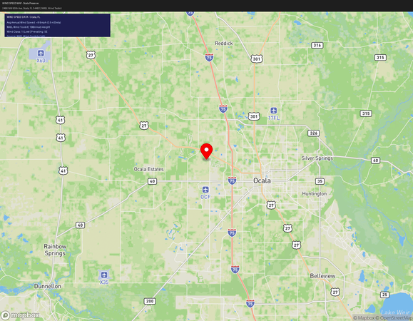
Airport Map | 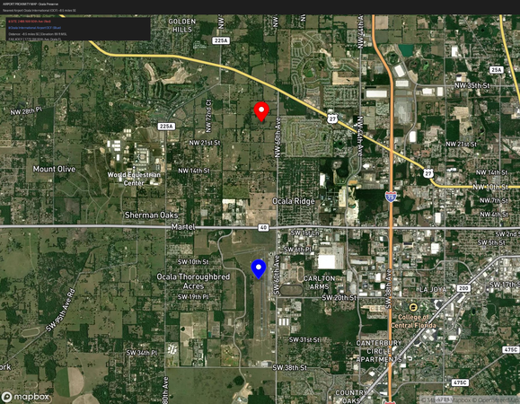
Cell Tower Map: See OcalaPreserve_10_cell_towers.png
Zoning Jurisdiction | Marion County, Florida – Unincorporated Area Marion County Growth Services Department 2710 E Silver Springs Blvd, Ocala, FL 34470
Zoning Contact Information | Marion County Growth Services Department 📞 (352) 438-2600 | Fax: (352) 438-2601 2710 E Silver Springs Blvd, Ocala, FL 34470 Email: growthservices@marionfl.org Website: marionfl.org/growth-services Hours: Mon–Fri 8:00 AM – 5:00 PM EST
Zoning Process | PERMITTED USE (Administrative Permit) – Per LDC Sec. 4.3.25.C: A communication tower meeting requirements of Sec. 4.3.25.E and 4.3.25.G shall be a PERMITTED USE requiring administrative review and administrative permit only. Tower limited to maximum 150 ft in height and must be a monopole. If tower exceeds 150 ft or fails to meet Sec. 4.3.25.E requirements: SPECIAL USE PERMIT (SUP) required – Board of County Commissioners approval. Process: Pre-application meeting → Application submittal → Staff review → Administrative approval (permitted use) OR BCC public hearing (SUP). Submittal to: Marion County Growth Services, 2710 E Silver Springs Blvd, Ocala FL 34470
Zoning Fees | Administrative Permit (Permitted Use ≤150 ft monopole): • Zoning application fee: ~$500–$1,500 (verify with Growth Services) • Building permit fee: Based on construction value (typically 1.5–2% of construction cost) Special Use Permit (SUP – if required for >150 ft or non-conforming): • SUP application fee: ~$1,500–$3,000 • Advertising/public hearing costs: ~$500–$1,000 📞 Confirm current fee schedule: Marion County Growth Services (352) 438-2600 Fee schedule: marionfl.org/growth-services/fees
Zoning Approval Timeframe | Administrative Permit (Permitted Use): 30–60 days from complete application submittal Special Use Permit (SUP): 90–180 days (includes public hearing scheduling) Building Permit: 30–60 days after zoning approval Note: Timeframes subject to completeness of application and current workload. 📞 Verify current timeframes: Marion County Growth Services (352) 438-2600
Property Zoning District | A-1 – General Agriculture Marion County LDC Sec. 4.2.3 Purpose: Provides for and preserves agricultural and rural use of land while accommodating very low-density residential development.
Property Future Land Use | Agriculture (AG) – General Agriculture Marion County Comprehensive Plan Future Land Use Map Consistent with A-1 zoning classification. Source: Marion County GIS / Comprehensive Plan
Property Current Usage | Vacant Agricultural Land – Open pasture/farmland FLUCCS Code: 6302 (per Regrid data) No existing structures on parcel. Previously used for cattle grazing/agricultural purposes.
Meets minimum lot requirements? | YES – Parcel meets minimum lot requirements for A-1 zoning: • A-1 minimum lot size: 5 acres | Parcel size: 58.36 acres ✓ • Minimum lot width: 150 ft | Parcel width: ~2,640 ft ✓ • Parcel is conforming for A-1 General Agriculture zoning ✓ Source: Marion County LDC Sec. 4.2.3 & Regrid parcel data
TOWER SPECIFICS
LDC Section Reference(s) | Marion County Land Development Code (LDC): • Sec. 4.3.25 – Telecommunications Towers and Antennas (primary reference) • Sec. 4.2.3 – General Agriculture (A-1) Zoning Classification • Sec. 4.1.4 – General Provisions and Regulations • Article 2 – Application Types (SUP procedures if required) Source: library.municode.com/fl/marion_county/codes/land_development_code
Maximum Tower Height | 150 ft (as Permitted Use – Administrative Permit only) – Sec. 4.3.25.C Monopole design required for permitted use ≤150 ft. PROPOSED: 199 ft self-supporting tower – EXCEEDS 150 ft permitted use limit. ⚠️ A 199 ft tower will require Special Use Permit (SUP) from the Board of County Commissioners. Alternative: Reduce to ≤150 ft monopole for administrative permit only. Note: Radio/TV/wireless towers exceeding 50 ft above finished grade must comply with Sec. 4.3.25.
Stealth Required? | No specific stealth requirement for A-1 agricultural zoning. However, Sec. 4.3.25 encourages minimal visual impact and compatible design. Monopole design preferred for permitted use. Camouflage/stealth may be required if SUP is pursued (at BCC discretion). Flagpole or pine tree stealth not required but may be considered.
Required Collocations (#) | Collocation encouraged per Sec. 4.3.25.B (Location Priority): • Priority given to antennas on existing towers (co-location) • New towers must be designed to accommodate additional carriers • Per Sec. 4.3.25.G(4) and (5): Tower must accommodate minimum 2 additional carriers Recommended: Design for 3-carrier capacity (standard industry practice)
Residential Separation (ft or %) | Per Marion County LDC Sec. 4.3.25.E (General Requirements): • Setback from residential zoning: Minimum equal to tower height (1:1 setback) • For 199 ft tower: Minimum 199 ft from nearest residential zoning boundary • For 150 ft monopole: Minimum 150 ft from nearest residential zoning boundary • Nearest residential zoning: Ocala Preserve residential development to north Verify setback compliance with Growth Services prior to application.
Tower Separation (ft or %) | Per Marion County LDC Sec. 4.3.25.E: • Minimum separation from existing towers: 1,500 ft (in non-residential districts) • No existing towers identified within 1,500 ft of proposed site • Measured from base of tower to base of nearest existing tower Verify with Marion County Growth Services.
Measured from base or center | Measured from BASE of tower structure to nearest property line / residential zoning boundary. Per Marion County LDC Sec. 4.3.25.E – setbacks measured from tower base.
Fall Zone Requirements | Per Marion County LDC Sec. 4.3.25.E: • Fall zone: Tower must be set back from property lines by a distance equal to the tower height • For 199 ft tower: 199 ft fall zone from all property lines • For 150 ft monopole: 150 ft fall zone from all property lines • 58.36-acre parcel provides ample fall zone clearance ✓ • Structural engineer certification required per Florida Building Code
Special Tower Landscaping? | YES – Landscaping required per Sec. 4.3.25.E: • Minimum 6 ft opaque fence or wall around compound • Landscaping buffer around compound perimeter • Native vegetation preferred • Specific landscaping plan required as part of site plan submittal 📞 Verify specific requirements: Marion County Growth Services (352) 438-2600
ZONING NOTES
Please elaborate on any zoning concerns, fees, etc. | KEY ZONING CONSIDERATIONS FOR OCALA PRESERVE SITE: 1. PERMITTED USE vs. SUP: A 199 ft self-supporting tower REQUIRES a Special Use Permit (SUP) from the Marion County Board of County Commissioners. Consider reducing to ≤150 ft monopole for administrative permit (faster, lower cost). 2. A-1 ZONING FAVORABLE: General Agriculture is one of the most favorable zoning classifications for tower development in Marion County. Sec. 4.3.25 explicitly allows communication towers in A-1 with proper permitting. 3. CDD CONSIDERATION: Ocala Preserve CDD may have additional design/aesthetic requirements for structures visible from the residential community. Coordinate with CDD Board. 4. FAA COORDINATION: 199 ft tower within 20,000 ft of Ocala International Airport (OCF) requires FAA Form 7460-1 filing. FAA obstruction lighting may be required. 5. WETLANDS: Eastern portion of parcel may have wetland areas. SJRWMD Environmental Resource Permit (ERP) may be required. Locate compound away from wetland areas. Source: Marion County LDC Sec. 4.3.25 | library.municode.com/fl/marion_county
SITE PLAN OVERVIEW
Site Plan Jurisdiction | Marion County Growth Services Department 2710 E Silver Springs Blvd, Ocala, FL 34470 📞 (352) 438-2600
Site Plan Contact Information | Marion County Growth Services – Development Review Division 📞 (352) 438-2600 | growthservices@marionfl.org 2710 E Silver Springs Blvd, Ocala, FL 34470 Hours: Mon–Fri 8:00 AM – 5:00 PM EST Website: marionfl.org/growth-services
Site Plan Fees | Site Plan Review Fee: ~$500–$2,000 depending on project complexity Engineering Review Fee: ~$500–$1,500 Stormwater Review: ~$300–$800 Total estimated site plan fees: $1,300–$4,300 📞 Confirm current fees: Marion County Growth Services (352) 438-2600 Note: Fees subject to change; verify at time of application.
Timeframe for approval | Site Plan Review: 30–60 days from complete submittal Engineering Review: 15–30 days Concurrent with zoning review where possible 📞 Verify current timeframes: (352) 438-2600
Existing Site Plan to Amend? | No – New site plan required; no existing site plan to amend on this parcel.
Concurrent to Zoning or BP? | YES – Site plan review can be processed concurrently with zoning application. Recommend submitting zoning and site plan applications simultaneously to reduce overall timeline. Building permit issued after both zoning and site plan approvals.
Submittal deadlines? | No specific submittal deadlines identified for this jurisdiction. Applications accepted on a rolling basis. 📞 Confirm with Marion County Growth Services: (352) 438-2600 Note: BCC public hearing dates may have advance submittal deadlines if SUP required.
Electronic, hard copy, or both? | Electronic submission preferred via Marion County's online portal. Hard copies may also be required (typically 3–5 sets). 📞 Confirm current submittal requirements: Marion County Growth Services (352) 438-2600 Online portal: marionfl.org/growth-services/permits
SITE PLAN NOTES
Please elaborate on any site plan concerns, fees, etc. | Site plan must include: • Survey/boundary survey of leased compound area • Tower location, height, and setback dimensions • Compound layout (equipment shelter, generator, fence) • Access road/driveway plan • Utility connections (power, fiber) • Drainage/stormwater plan • Landscaping/buffer plan per Sec. 4.3.25.E • FAA determination letter (if applicable) • Structural engineering plans (Florida PE stamp required) 📞 Marion County Growth Services: (352) 438-2600
BUILDING PERMIT INFORMATION
Building Permit Jurisdiction | Marion County Building Department 2710 E Silver Springs Blvd, Ocala, FL 34470 📞 (352) 438-2400
Building Department Contact Info | Marion County Building Department 📞 (352) 438-2400 | Fax: (352) 438-2401 2710 E Silver Springs Blvd, Ocala, FL 34470 Email: buildingdept@marionfl.org Hours: Mon–Fri 8:00 AM – 5:00 PM EST Website: marionfl.org/building-department Online permits: marionfl.org/building-department/permits
Does GC have to submit? | YES – Licensed General Contractor (GC) must pull the building permit in Florida. GC must be licensed in Florida (State Certified or County Registered). Contractor must be registered with Marion County Building Department. Florida Statute 489.103 applies. 📞 Verify contractor registration: Marion County Building Dept (352) 438-2400
Building Permit Fees | Building permit fees based on construction value (Marion County fee schedule): • Base fee: $100–$500 • Construction value fee: Approximately 1.5–2.5% of total construction cost • For estimated $300,000 tower construction: ~$4,500–$7,500 • Plan review fee: ~$500–$1,500 • State surcharge: 1.5% of permit fee Total estimated BP fees: $5,000–$9,000 📞 Confirm current fee schedule: Marion County Building Dept (352) 438-2400
Building Permit Timeframe | Building permit issuance: 30–60 days after complete submittal Inspections during construction as required Certificate of Occupancy/Completion: Upon final inspection approval Total construction timeline: 6–12 months from permit issuance 📞 Verify current timeframes: Marion County Building Dept (352) 438-2400
Bond Required? | Performance bond may be required for tower construction. Typically 100% of construction cost or as determined by Marion County. Verify bond requirements with Marion County Building Department. 📞 (352) 438-2400
E911 Address assigned? | YES – E911 address assignment required prior to building permit issuance. Contact Marion County E911 Addressing: 📞 Marion County GIS/Addressing: (352) 671-8686 Marion County Emergency Management: 📞 (352) 732-8181 New address will be assigned for the tower compound/access road.
BUILDING PERMIT NOTES
Please elaborate on any BP concerns, fees, etc. | KEY BUILDING PERMIT CONSIDERATIONS: 1. FLORIDA BUILDING CODE: All tower construction must comply with Florida Building Code (FBC) – current edition. Structural plans must be signed/sealed by a Florida-licensed PE. 2. WIND LOAD: Marion County is in Wind Speed Zone. Tower must be designed for minimum 150 mph (3-second gust) per FBC. ASCE 7 and TIA-222 standards apply. 3. FAA LIGHTING: If FAA requires obstruction lighting, electrical permit required in addition to structural permit. 4. INSPECTIONS: Foundation, framing, electrical, and final inspections required. 5. CONTRACTOR LICENSING: Florida-licensed GC required. Electrical sub must be licensed. 📞 Marion County Building Department: (352) 438-2400 Website: marionfl.org/building-department
APPROVALS - Name and Date
Project Manager | User Adds
Program Manager | User Adds
CEO | User Adds
Carrier | User Adds

 | Iwialways keep the leasei

Site Contact Summary
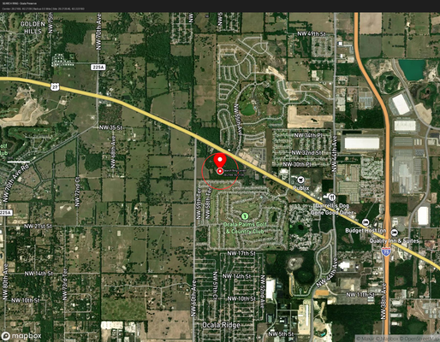
 | CANDIDATES SUMMARY
CONTACTED PROPERTIES
Candidate ID | Summary of Contact
Candidate A – SELECTED
Name: GUT EINHAUS LLC | Owner of 2486 NW 60th Ave, Ocala, FL 34482 | 58.36 acres | A-1 Zoning
Phone: 📞 Not Available (LLC entity) | Mailing: 13833 Wellington Trc PMB 307, E4, Wellington, FL 33414-8576 | Email: Not Available | Parcel ID: 21615-000-00 | Coordinates: 29.213545, -82.223183 | Status: SELECTED – Landlord appears receptive to lease terms. CDD verification required. FAA filing required for 199 ft tower.
Candidate B – ALTERNATE
Name: To Be Determined | Alternate candidate within 0.5-mile search ring – not yet identified
Phone: TBD | Status: Alternate – not pursued at this time

SARF – Search Ring: 29.2169, -82.2139 | Radius: 0.5 miles | SARF Height: 199 ft

