Workflow
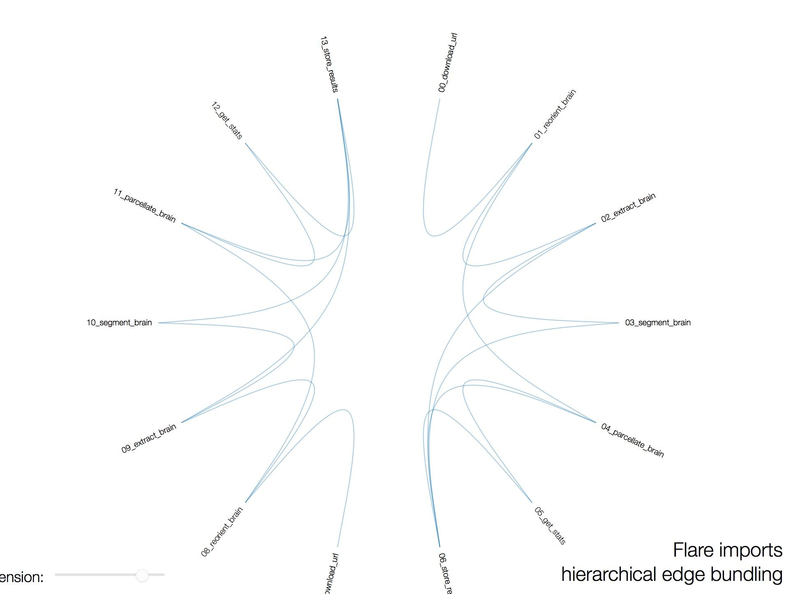
Workflow: | https://github.com/satra/simple_workflow

 | fslreorient2std input_image input_image_ro
 | bet input_image_ro input_image_ro_brain ­R
 | fast ­o input_image_fast –b –B input_image_ro_brain
 | run_first_all ­-m auto -i input_image_ro -­o input_image_first –b

Execution Environment: | NITRC-CE v.42 (ami-903001fa)
 | 107.23.146.152

Results
 | DNK: AWS t2.medium Ubuntu 12.04; FSL 5.0.9 |  |  |  | DNK: MacBookPro Version 10.10.4 (14E46); 2.8 GHz Intel Core i7: FSL 5.0.4 |  |  |  | AdamT: Centos: 6.8 FSL: 5.0.8 |  |  |  | DNK: MacBookPro Version 10.10.4 (14E46); 2.8 GHz Intel Core i7: FSL 5.0.9
 | AnnArbor_sub16960/segstats.txt |  | AnnArbor_sub20317/segstats.txt |  | AnnArbor_sub16960/segstats.txt |  | AnnArbor_sub20317/segstats.txt |  | AnnArbor_sub16960/segstats.txt |  | AnnArbor_sub20317/segstats.txt |  | AnnArbor_sub16960/segstats.txt |  | AnnArbor_sub20317/segstats.txt
Region | region | volume | region | volume | region | volume | region | volume | region | volume | region | volume | region | volume | region | volume
Background | 0 | 8088809 | 0 | 7172779 | 0 | 8088702 | 0 | 7172808 | 0 | 8088810 | 0 | 7172779 | 0 | 8088702 | 0 | 7172808
Left-Thalamus-Proper | 10 | 6808 | 10 | 6763 | 10 | 6794 | 10 | 6714 | 10 | 6808 | 10 | 6763 | 10 | 6794 | 10 | 6714
Left-Caudate | 11 | 2912 | 11 | 3135 | 11 | 2930 | 11 | 3139 | 11 | 2912 | 11 | 3135 | 11 | 2930 | 11 | 3139
Left-Putamen | 12 | 4790 | 12 | 4098 | 12 | 4854 | 12 | 4087 | 12 | 4790 | 12 | 4098 | 12 | 4854 | 12 | 4087
Left-Pallidum | 13 | 1453 | 13 | 1509 | 13 | 1447 | 13 | 1482 | 13 | 1453 | 13 | 1509 | 13 | 1447 | 13 | 1482
Left-Hippocampus | 17 | 3077 | 17 | 1789 | 17 | 3063 | 17 | 1795 | 17 | 3077 | 17 | 1789 | 17 | 3063 | 17 | 1795
Left-Amygdala | 18 | 619 | 18 | 784 | 18 | 607 | 18 | 753 | 18 | 619 | 18 | 784 | 18 | 607 | 18 | 753
Left-Accumbens-area | 26 | 248 | 26 | 505 | 26 | 266 | 26 | 497 | 26 | 248 | 26 | 505 | 26 | 266 | 26 | 497
Right-Thalamus-Proper | 49 | 6372 | 49 | 6485 | 49 | 6368 | 49 | 6514 | 49 | 6372 | 49 | 6485 | 49 | 6368 | 49 | 6514
Right-Caudate | 50 | 3110 | 50 | 3051 | 50 | 3191 | 50 | 3064 | 50 | 3109 | 50 | 3051 | 50 | 3191 | 50 | 3064
Right-Putamen | 51 | 3897 | 51 | 3588 | 51 | 4058 | 51 | 3685 | 51 | 3897 | 51 | 3588 | 51 | 4058 | 51 | 3685
Right-Pallidum | 52 | 1504 | 52 | 1284 | 52 | 1497 | 52 | 1262 | 52 | 1504 | 52 | 1284 | 52 | 1497 | 52 | 1262
Right-Hippocampus | 53 | 1966 | 53 | 2148 | 53 | 1944 | 53 | 2157 | 53 | 1966 | 53 | 2148 | 53 | 1944 | 53 | 2157
Right-Amygdala | 54 | 612 | 54 | 625 | 54 | 609 | 54 | 617 | 54 | 612 | 54 | 625 | 54 | 609 | 54 | 617
Right-Accumbens-area | 58 | 287 | 58 | 417 | 58 | 134 | 58 | 386 | 58 | 287 | 58 | 417 | 58 | 134 | 58 | 386
Processing Time: | 16 | minutes/case |  |  | 15 | minutes/case
DNK Ubuntu vs. AdamT CentOS
DNK Ubuntu vs. MacOS

simplepub@nitrcce:~/simple_workflow/output/AnnArbor_sub16960$ more segstats.json

{

"Background": 8088809,

"Left-Accumbens-area": 248,

"Left-Amygdala": 619,

"Left-Caudate": 2912,

"Left-Hippocampus": 3077,

"Left-Pallidum": 1453,

"Left-Putamen": 4790,

"Left-Thalamus-Proper": 6808,

"Right-Accumbens-area": 287,

"Right-Amygdala": 612,

"Right-Caudate": 3110,

"Right-Hippocampus": 1966,

"Right-Pallidum": 1504,

"Right-Putamen": 3897,

"Right-Thalamus-Proper": 6372,

"csf": [

162220.0,

194664

],

"gray": [

493957.0,

592748.4375

],

"white": [

385743.0,

462891.625

]

}

