Collateral
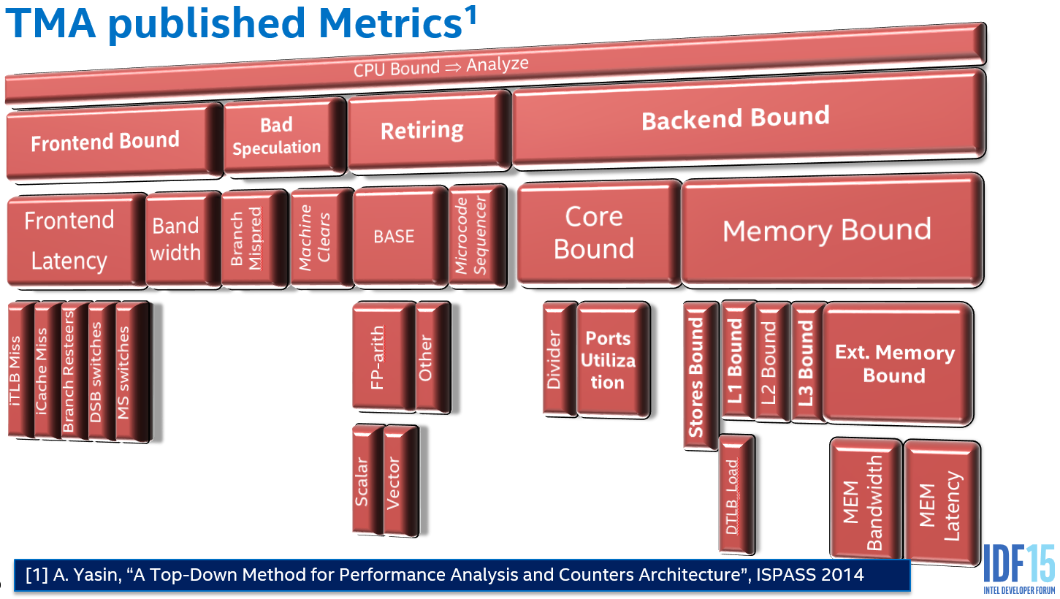
Top-down Microarchitecture Analysis (TMA) Method
References
 | A Top-Down Method for Performance Analysis and Counters Architecture, Ahmad Yasin. In IEEE International Symposium on Performance Analysis of Systems and Software, ISPASS 2014.
 |  | [paper] | [slides] |  | [data]

 | How TMA Addresses Challenges in Modern Servers and Enhancements Coming in IceLake. Scalable Tools Workshop, Solitude; Utah, July 2018
 |  |  | [slides]

 | Intel® Architecture Optimization Reference Manual, Top-Down Analysis Method chapter (Appendix B.1)
 |  | Also called "Optimization Guide"

 | Software Optimizations Become Simple with Top-Down Analysis Methodology on Intel® Microarchitecture, Code Name Skylake. Ahmad Yasin, Intel Developer Forum 2015, IDF'15.
 |  |  | [slides] | [Youtube]

