Title page
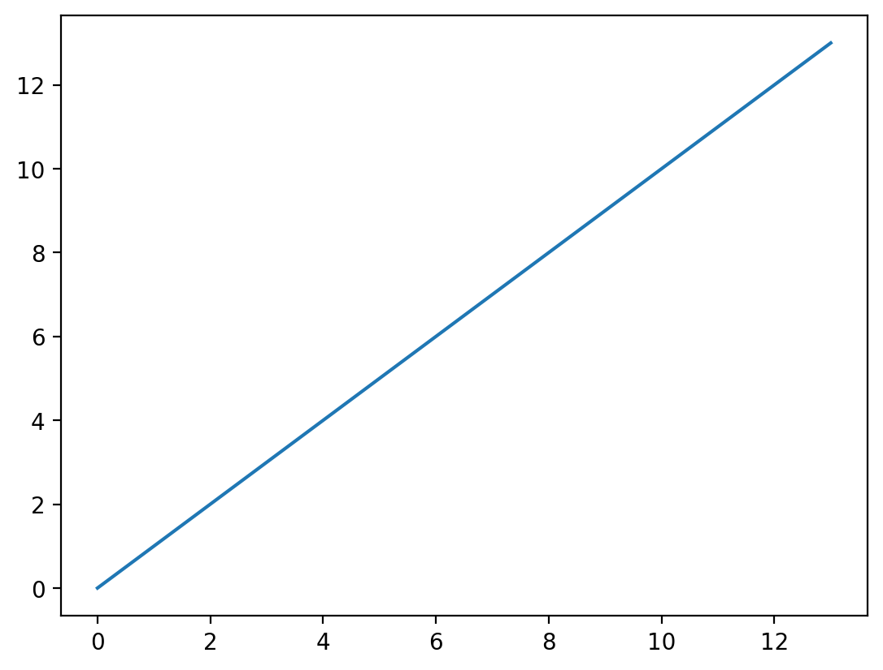
Podsumowanie:
Liczba przypadków: 504

