Compass
Compass Chart
Ref: https://images.app.goo.gl/CSmS36jUEnGQvzdEA
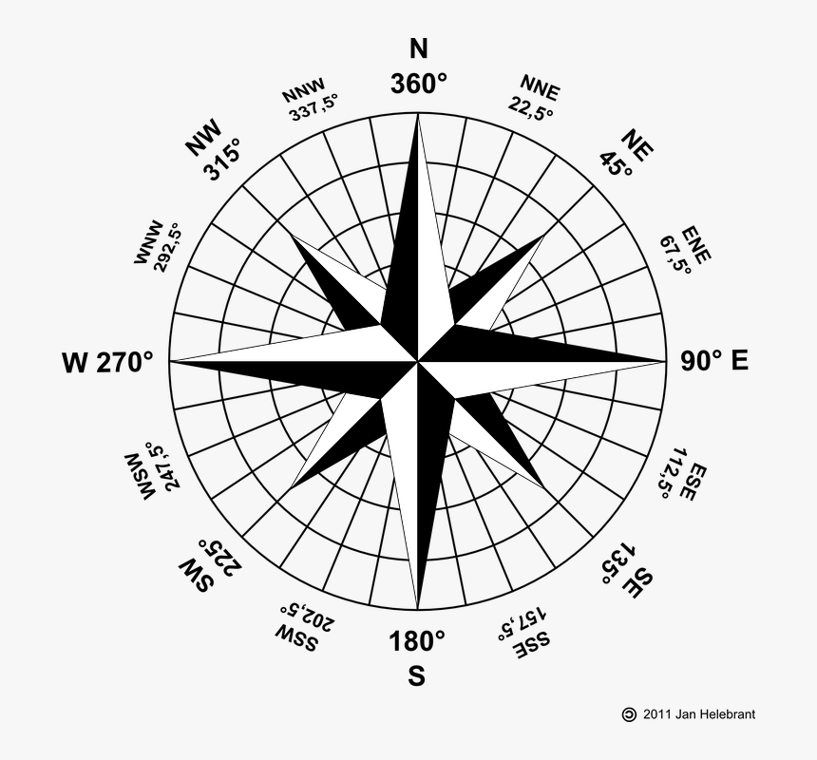
Direction | Angle
N
NNE
NE
ENE
E
ESE
SE
SSE
S
SSW
SW
WSW
W
WNW
NW
NNW

