Yocto
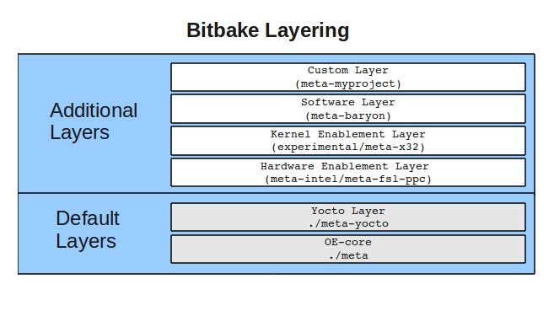
What is Yocto?

- | In certain scenarios where a Linux distribution is required for a specific device or project, the standard distributions available may include
 | unnecessary components, resulting in larger sizes and potential inefficiencies.

- | This is where the Yocto Project comes into play. It provides a solution for building custom Linux distributions tailored precisely to the needs of embedded systems.
 | With Yocto, developers have the ability to create lean and efficient operating systems with their own needs.

Yocto Project build system
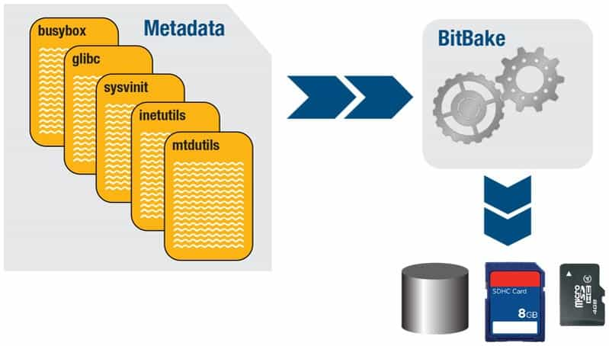

 |  | Poky = Bitbake + Metadata, where

 |  | - | Poky: | build system used by Yocto Project
 |  | - | Bitbake: | a task executor or scheduler
 |  | - | Metadata: | task definitions
 |  |  | + | Configuration (.conf): global definitions of variable, configure how your image is built
 |  |  | + | Classes (.bbclass): | encapsulation and inheritance of build logic, packaging, etc.
 |  |  | + | Recipes (bb): | the logical units of software/image to build
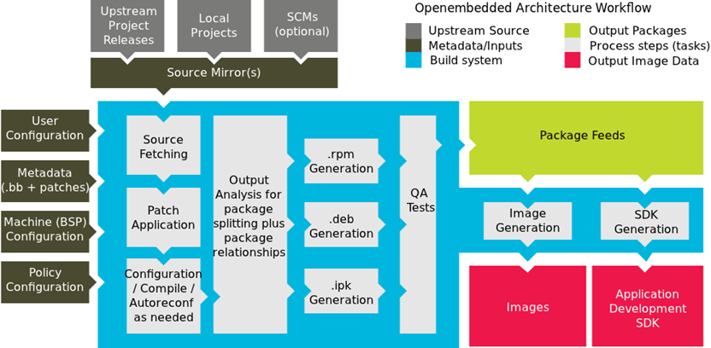

 |  |  |  |  | Build system workflow

Recipe
 | A recipe is a set of instructions for building packages, including:
 | - | Where to obtain the upstream sources and which patches to apply
 | - | Dependencies (on libraries or other recipes)
 | - | Configuration/compilation options
 | - | Define what files go into what output packages

Bitbake Layering

 | - | A layer is a logical collection of recipes representing the core, a Board Support Package (BSP), or an application stack
 | - | All layers have a priority and can override policy and config settings of the layers beneath it

Build Hello Test App
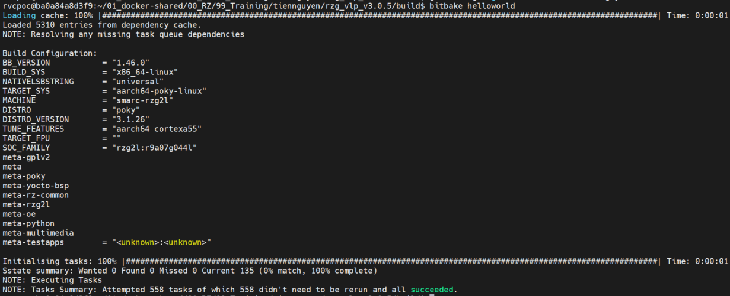
Create Layer and Add Layer (meta-testapps)

Double check by using show-layers command

Create execute file and .bb |  |  | DESCRIPTION = "Hello World example" LICENSE = "MIT" LIC_FILES_CHKSUM = "file://${COREBASE}/meta/COPYING.MIT;md5=3da9cfbcb788c80a0384361b4de20420" SRC_URI = "file://helloworld.c" S = "${WORKDIR}" do_compile() { ${CC} ${S}/helloworld.c -o helloworld } do_install() { install -d ${D}/${bindir} install -m 0755 ${S}/helloworld ${D}/${bindir}/helloworld }

 |  |  |  | helloworld.bb file
Add recipe to local.conf

 | $ cd $BUILDDIR
 | $ echo 'IMAGE_INSTALL:append = " helloworld"' >> conf/local.conf

Build
 | Navigate to build folder and run the command: bitbake <receipt_of_target> to build the application

 |  | $ cd $BUILDDIR
 |  | $ bitbake helloworld (or MACHINE=smarc-rzg2l bitbake helloworld) if you haven't choose MACHINE to build in local.conf

Linux Renesas Recipe
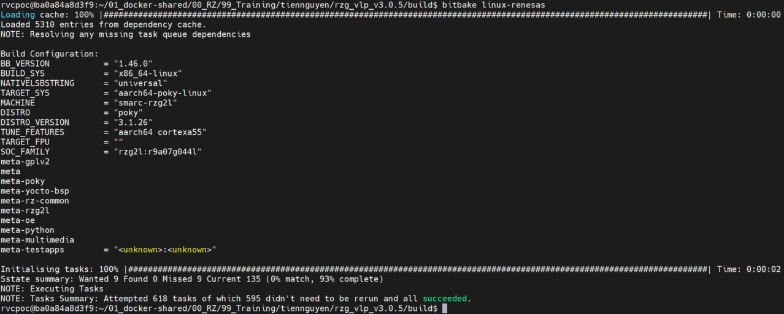
Create recipe
 | Modifying an Existing Recipe by following:
 |  | 1. Creating the append file: in meta-testapps
 |  |  | $ mkdir -p recipes-kernel/linux/linux-renesas/
 |  | 2. Copy v3.0.5-to-v3.0.5update1.patch to recipes-kernel/linux/linux-renesas/
 |  |  | $ vi recipes-kernel/linux/linux-renesas_5.10.bbappend
 |  |  | (The filenames can differ only in the file type suffix used (e.g. linux-renesas_5.10.bb and linux-renesas_5.10.bbappend) )

 |  | LICENSE = "MIT" FILESEXTRAPATHS_prepend:= "${THISDIR}/${PN}:" SRC_URI_append= " file://v3.0.5-to-v3.0.5update1.patch"

 |  |  | linux-renesas_5.10.bbappend file

Add recipe to local.conf

 |  | $ cd $BUILDDIR
 |  | $ echo 'IMAGE_INSTALL:append = " linux-renesas"' >> conf/local.conf

Build recipe

