1.4.Environment for Test
#VALUE! |  | #VALUE!

The environment required for this test is shown below.

＜Target board＞
 | Test Target |  | Test Board | Remarks
 | ○ |  | R-Car V3U | R-CarV3U System Evaluation Board Falcon (CPU Board + Breakout Board)
 | ○ |  | R-Car S4 | R-Car S4 System Evaluation Board Set Spider (CPU Board + Breakout Board)
 | ○ |  | R-Car V4H | R-Car V4H System Evaluation Board Set White Hawk (CPU Board + Breakout Board)
 | ○ |  | R-Car S4SK MP | R-CarS4 Starter Kit Mass Production

＜Device for Test＞
 | Hardware |  | Name | Remarks
 | PC for Test environment |  | Serial console control | Windows7/Windows10
 |  |  | UART file send/receipt for test | Linux
 | PC for Environment set up |  | PC for Environment set up | Linux Ubuntu 20.04
 | Linux server |  | TFTP boot server | Linux

 | Software |  | Name | Remarks
 | Terminal software |  | Tera Term v4.77 | Use v4.77 due to handle the regular expressions of Tera Term macro. The other version is not guaranteed. http://sourceforge.jp/projects/ttssh2/

 | VCP driver |  | For serial console connection | The driver uses USB as virtual Com port.
 |  |  |  | http://www.silabs.com/products/mcu/Pages/USBtoUARTBridgeVCPDrivers.aspx

 | Compiler |  | gcc | aarch64-poky-linux-gcc (GCC) 9.3.0 poky-glibc-x86_64-rcar-image-adas-aarch64-falcon-toolchain-3.1.11.sh

＜Test environment configuration＞

Connect the test device as below:

 | Device |  |  | Falcon | Spider | WhiteHawk | S4SK MP
 | Connect Ethernet cable at CNxx into [Linux Server PC] (TFTP/NFS Server) |  |  | CN3 | CN101 | CN3 | I101
 | Connect USB Cable at CNxx to [Windows PC] (Termimal software for console display) |  |  | CN10 | CN20 | CN10 | CN13

Hub
[Linux Host PC]
TFTP Server
NFS Server
Ethernet cable
USB Cable
(type A to mini AB)
[Windows10 Host PC]
Terminal Software for Content display
SSH for Linux Host operation.
Ethernet
Cable
[V3U/V4H] CN3
break out board
[V3U/V4H] CN10
cpu board
Falcon/Spider/WhiteHawk/S4SK MP Evaluation Board
(Sample evaluation board)
Ethernet
Cable

[V4H] CN20
cpu board

[S4] CN101
Ethernet sub board

[S4SK MP]
I101
[S4] CN20
cpu board

[S4SK MP] CN13

 | [How to create Image to detect dead lock]
 | CONFIG_PROVE_LOCKING:
 | Kernel hacking --->
 | Lock Debugging (spinlocks, mutexes, etc...) --->
 | [*] Lock debugging: prove locking correctness

 | [How to create Image to detect memory leak]
 | CONFIG_DEBUG_KMEMLEAK:
 | Kernel hacking --->
 | Memory Debugging --->
 | [*] Kernel memory leak detector

UIO devices
Below shows the UIO devices. The number of UIO devices are depended on the declaration in V3U DTSI file (arch/arm64/boot/dts/renesas/r8a779a0.dtsi)

BSP version |  | rcar-4.1.0.rc1
UIO devices in /dev

For S4/S4SK MP:
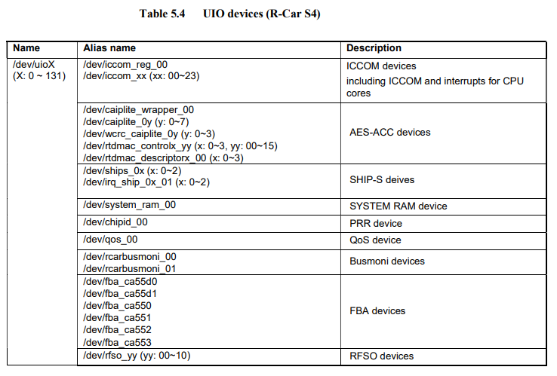

UIO devices in UIO sysfs

Interrupts of UIO devices
 | The related interrupts are marked in blue color.

The device clock and power domain status when all UIO devices are opened
 | Device clock status

 | Power domain status

The device clock and power domain status when all UIO devices are closed
 | Device clock status

 | Power domain status

Reg value (VCR reg or offset 0x0) of UIO devices

Write reg value to UIO devices and confirm

