Energy
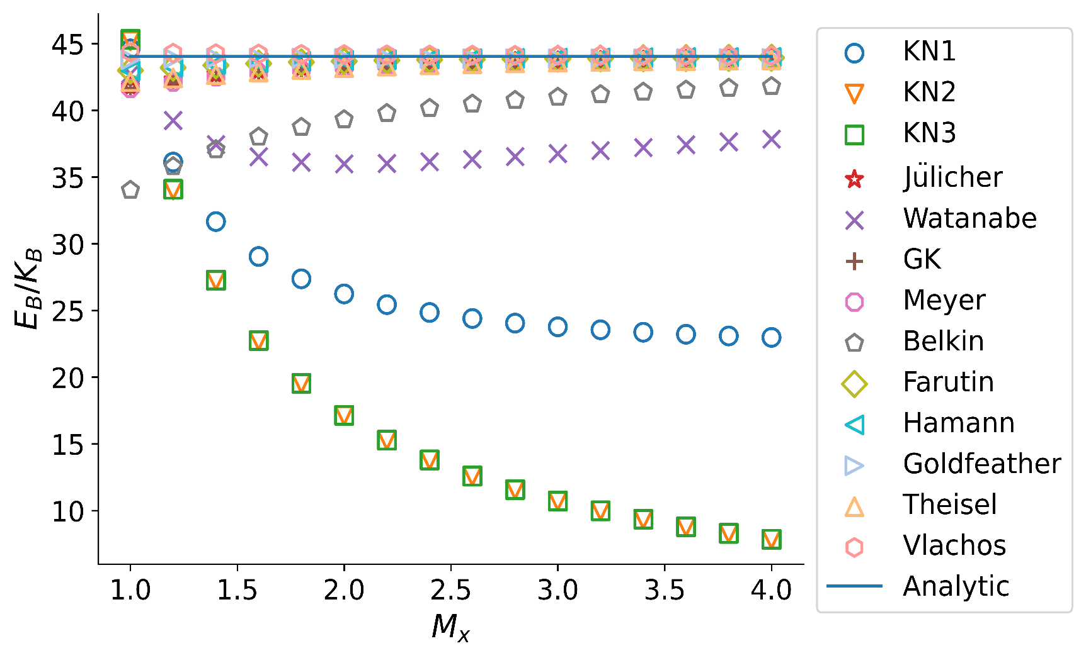
(a)x axis
Energy
M_x | KN1 | KN2 | KN3 | Julicher | Watanabe | GK | Meyer | belkin | farutin | Hamann | Goldfeather | Theisel | Vlachos | Analytic
1.0 | 44.5973 | 45.2028 | 45.3253 | 41.769 | 42.7209 | 41.644 | 41.644 | 34.0129 | 42.9819 | 42.9632 | 43.7965 | 42.1468 | 44.3637 | 44.03434338
1.2 | 36.1165 | 34.0247 | 34.0855 | 42.2914 | 39.2382 | 42.1207 | 42.1207 | 35.7886 | 43.1951 | 43.2273 | 43.8849 | 42.4193 | 44.2832 | 44.03434338
1.4 | 31.6621 | 27.2413 | 27.276 | 42.6771 | 37.4312 | 42.5114 | 42.5114 | 37.0593 | 43.3695 | 43.426 | 43.9098 | 42.6694 | 44.246 | 44.03434338
1.6 | 29.0431 | 22.7308 | 22.7526 | 42.9568 | 36.5226 | 42.8089 | 42.8089 | 38.0053 | 43.5015 | 43.5672 | 43.9095 | 42.8816 | 44.2193 | 44.03434338
1.8 | 27.3731 | 19.5262 | 19.5408 | 43.1622 | 36.1114 | 43.0334 | 43.0334 | 38.7332 | 43.6006 | 43.6675 | 43.9006 | 43.0561 | 44.1967 | 44.03434338
2.0 | 26.2415 | 17.134 | 17.1443 | 43.3155 | 35.9823 | 43.2042 | 43.2042 | 39.3085 | 43.6753 | 43.7397 | 43.8899 | 43.1982 | 44.1768 | 44.03434338
2.2 | 25.4385 | 15.2796 | 15.2871 | 43.4327 | 36.016 | 43.3363 | 43.3363 | 39.7738 | 43.7328 | 43.7931 | 43.8807 | 43.3142 | 44.1596 | 44.03434338
2.4 | 24.8473 | 13.7988 | 13.8045 | 43.5241 | 36.1436 | 43.4402 | 43.4402 | 40.1574 | 43.7782 | 43.8337 | 43.8739 | 43.4096 | 44.1451 | 44.03434338
2.6 | 24.3988 | 12.5878 | 12.5922 | 43.5961 | 36.3237 | 43.5227 | 43.5227 | 40.4785 | 43.8138 | 43.8646 | 43.8692 | 43.4879 | 44.1323 | 44.03434338
2.8 | 24.0505 | 11.5785 | 11.582 | 43.6545 | 36.5325 | 43.5899 | 43.5899 | 40.7514 | 43.8431 | 43.8894 | 43.8671 | 43.5535 | 44.1218 | 44.03434338
3.0 | 23.7741 | 10.7235 | 10.7263 | 43.7019 | 36.7544 | 43.6448 | 43.6448 | 40.9858 | 43.8668 | 43.909 | 43.8666 | 43.6084 | 44.1126 | 44.03434338
3.2 | 23.5511 | 9.98941 | 9.9917 | 43.7411 | 36.9801 | 43.6902 | 43.6902 | 41.1893 | 43.8865 | 43.925 | 43.8676 | 43.6547 | 44.1047 | 44.03434338
3.4 | 23.3683 | 9.35194 | 9.35383 | 43.7738 | 37.2041 | 43.7282 | 43.7282 | 41.3677 | 43.9029 | 43.938 | 43.8699 | 43.6941 | 44.0978 | 44.03434338
3.6 | 23.2167 | 8.79288 | 8.79446 | 43.8013 | 37.4228 | 43.7603 | 43.7603 | 41.5253 | 43.9167 | 43.9489 | 43.8729 | 43.7278 | 44.0919 | 44.03434338
3.8 | 23.0895 | 8.29843 | 8.29977 | 43.8248 | 37.6343 | 43.7877 | 43.7877 | 41.6657 | 43.9285 | 43.958 | 43.8767 | 43.7569 | 44.0867 | 44.03434338
4.0 | 22.9815 | 7.85775 | 7.8589 | 43.8448 | 37.8373 | 43.811 | 43.811 | 41.7915 | 43.9385 | 43.9656 | 43.8808 | 43.782 | 44.082 | 44.03434338
mean | 27.10936875 | 17.132400625 | 17.15095375 | 43.31669375 | 37.3034625 | 43.22711875 | 43.22711875 | 39.5371375 | 43.68323125 | 43.7260125 | 43.8760375 | 43.27253125 | 44.1637625

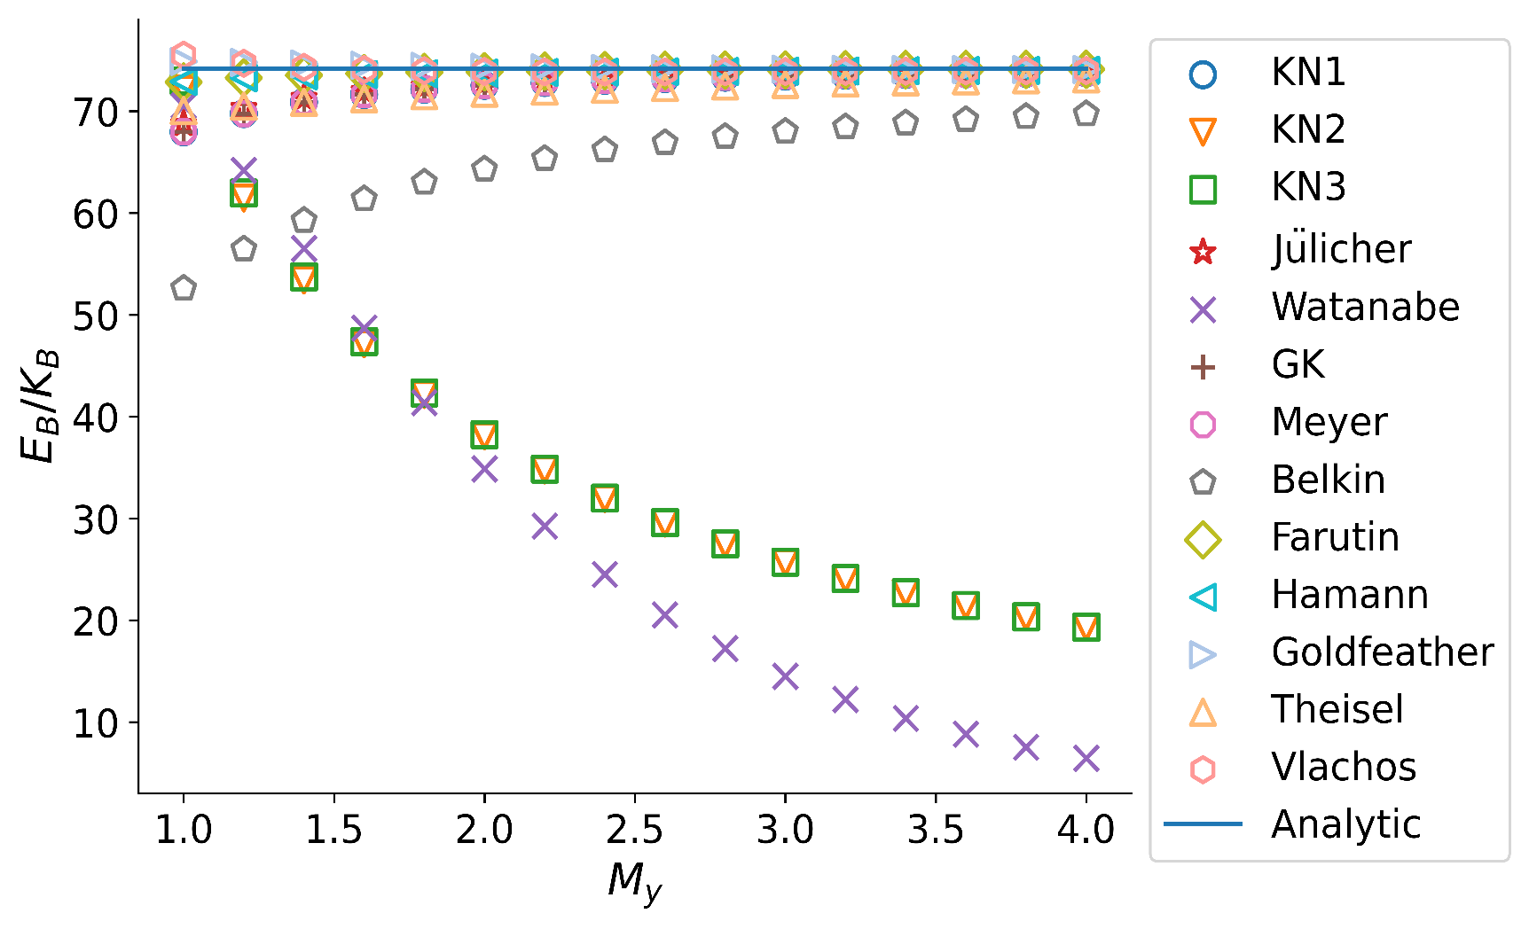
(b)y axis
Energy
M_y | KN1 | KN2 | KN3 | Julicher | Watanabe | GK | Meyer | belkin | farutin | Hamann | Goldfeather | Theisel | Vlachos | Analytic
1.0 | 67.963 | 72.1426 | 72.9596 | 68.7446 | 70.5208 | 67.9601 | 67.9601 | 52.5846 | 72.8536 | 72.9008 | 74.8737 | 70.0408 | 75.4977 | 74.176734526
1.2 | 69.756 | 61.4772 | 61.9712 | 70.3254 | 64.1784 | 69.7545 | 69.7545 | 56.4388 | 73.2746 | 73.261 | 74.7776 | 70.4765 | 74.694 | 74.176734526
1.4 | 70.8826 | 53.4166 | 53.7365 | 71.3141 | 56.5136 | 70.8819 | 70.8819 | 59.2558 | 73.528 | 73.4619 | 74.6347 | 70.8563 | 74.2992 | 74.176734526
1.6 | 71.6314 | 47.1561 | 47.3744 | 71.9687 | 48.6983 | 71.6312 | 71.6312 | 61.3718 | 73.6883 | 73.5862 | 74.5015 | 71.2017 | 74.0854 | 74.176734526
1.8 | 72.1528 | 42.1729 | 42.3282 | 72.4231 | 41.3848 | 72.1527 | 72.1527 | 63.0028 | 73.7954 | 73.6715 | 74.3928 | 71.5136 | 73.963 | 74.176734526
2.0 | 72.5303 | 38.1222 | 38.2365 | 72.7515 | 34.8759 | 72.5302 | 72.5302 | 64.29 | 73.8711 | 73.7359 | 74.3092 | 71.7602 | 73.8907 | 74.176734526
2.2 | 72.8113 | 34.7692 | 34.8557 | 72.9955 | 29.2598 | 72.8113 | 72.8113 | 65.3265 | 73.9258 | 73.7864 | 74.2457 | 71.9542 | 73.8517 | 74.176734526
2.4 | 73.0263 | 31.9508 | 32.0177 | 73.182 | 24.5073 | 73.0263 | 73.0263 | 66.1763 | 73.9669 | 73.8282 | 74.1985 | 72.1334 | 73.842 | 74.176734526
2.6 | 73.1948 | 29.55 | 29.6029 | 73.3281 | 20.5335 | 73.1948 | 73.1948 | 66.884 | 73.9991 | 73.864 | 74.1641 | 72.3062 | 73.8502 | 74.176734526
2.8 | 73.3284 | 27.4812 | 27.5237 | 73.4437 | 17.2335 | 73.3284 | 73.3284 | 67.4811 | 74.0237 | 73.894 | 74.1386 | 72.4668 | 73.8661 | 74.176734526
3.0 | 73.4371 | 25.6806 | 25.7153 | 73.5379 | 14.5024 | 73.4371 | 73.4371 | 67.9913 | 74.0442 | 73.9208 | 74.1208 | 72.6145 | 73.886 | 74.176734526
3.2 | 73.5259 | 24.1 | 24.1286 | 73.6147 | 12.245 | 73.5259 | 73.5259 | 68.4316 | 74.0604 | 73.9437 | 74.1079 | 72.748 | 73.9062 | 74.176734526
3.4 | 73.5996 | 22.7012 | 22.7251 | 73.6784 | 10.3775 | 73.5996 | 73.5996 | 68.8151 | 74.0738 | 73.9638 | 74.099 | 72.8683 | 73.926 | 74.176734526
3.6 | 73.6617 | 21.4552 | 21.4753 | 73.7321 | 8.83004 | 73.6617 | 73.6617 | 69.152 | 74.0852 | 73.9819 | 74.0932 | 72.9765 | 73.945 | 74.176734526
3.8 | 73.7141 | 20.338 | 20.3552 | 73.7774 | 7.54421 | 73.7141 | 73.7141 | 69.4501 | 74.0946 | 73.9977 | 74.0896 | 73.0734 | 73.9623 | 74.176734526
4.0 | 73.7591 | 19.3309 | 19.3456 | 73.8163 | 6.4723 | 73.7591 | 73.7591 | 69.7157 | 74.1029 | 74.012 | 74.0879 | 73.1604 | 73.9785 | 74.176734526
mean | 72.4359 | 35.74029375 | 35.89696875 | 72.66459375 | 29.229834375 | 72.43555625 | 72.43555625 | 64.77296875 | 73.836725 | 73.7381125 | 74.302175 | 72.009425 | 74.09025

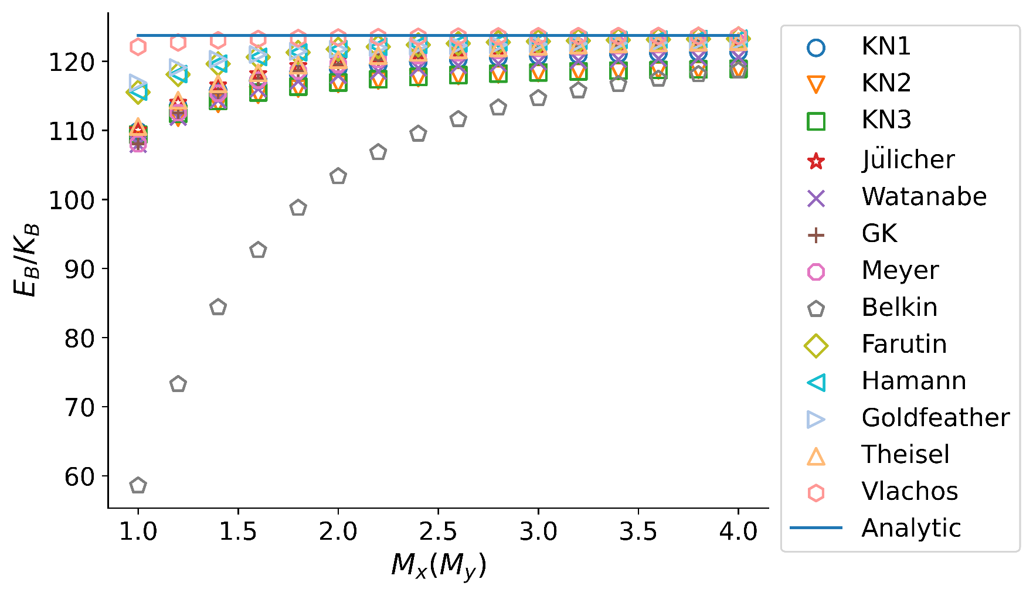
(c)random axis
Energy
M_x=M_y | KN1 | KN2 | KN3 | Julicher | Watanabe | GK | Meyer | belkin | farutin | Hamann | Goldfeather | Theisel | Vlachos | Analytic
1.0 | 109.876 | 108.617 | 109.394 | 110.026 | 107.966 | 108.051 | 108.051 | 58.5663 | 115.528 | 115.61 | 116.877 | 110.549 | 122.096 | 123.7596569
1.2 | 113.468 | 111.844 | 112.416 | 114.022 | 111.903 | 112.547 | 112.547 | 73.2463 | 118.094 | 118.147 | 119.092 | 114.362 | 122.72 | 123.7596569
1.4 | 115.707 | 113.839 | 114.275 | 116.514 | 114.36 | 115.381 | 115.381 | 84.3875 | 119.625 | 119.661 | 120.282 | 116.745 | 123.042 | 123.7596569
1.6 | 117.189 | 115.155 | 115.496 | 118.166 | 115.989 | 117.273 | 117.273 | 92.6452 | 120.608 | 120.634 | 120.985 | 118.329 | 123.23 | 123.7596569
1.8 | 118.219 | 116.066 | 116.34 | 119.314 | 117.121 | 118.594 | 118.594 | 98.7591 | 121.277 | 121.296 | 121.436 | 119.435 | 123.351 | 123.7596569
2.0 | 118.964 | 116.723 | 116.947 | 120.143 | 117.939 | 119.552 | 119.552 | 103.333 | 121.753 | 121.768 | 121.745 | 120.236 | 123.433 | 123.7596569
2.2 | 119.518 | 117.211 | 117.399 | 120.762 | 118.549 | 120.268 | 120.268 | 106.809 | 122.105 | 122.117 | 121.969 | 120.835 | 123.493 | 123.7596569
2.4 | 119.942 | 117.585 | 117.743 | 121.235 | 119.016 | 120.817 | 120.817 | 109.493 | 122.371 | 122.381 | 122.14 | 121.293 | 123.537 | 123.7596569
2.6 | 120.274 | 117.876 | 118.012 | 121.605 | 119.381 | 121.246 | 121.246 | 111.601 | 122.578 | 122.586 | 122.277 | 121.653 | 123.571 | 123.7596569
2.8 | 120.537 | 118.108 | 118.225 | 121.899 | 119.671 | 121.588 | 121.588 | 113.282 | 122.742 | 122.749 | 122.388 | 121.939 | 123.598 | 123.7596569
3.0 | 120.751 | 118.295 | 118.397 | 122.136 | 119.906 | 121.865 | 121.865 | 114.641 | 122.873 | 122.879 | 122.482 | 122.171 | 123.619 | 123.7596569
3.2 | 120.926 | 118.448 | 118.539 | 122.332 | 120.098 | 122.092 | 122.092 | 115.755 | 122.981 | 122.986 | 122.564 | 122.361 | 123.636 | 123.7596569
3.4 | 121.071 | 118.576 | 118.656 | 122.494 | 120.258 | 122.281 | 122.281 | 116.677 | 123.07 | 123.075 | 122.635 | 122.519 | 123.65 | 123.7596569
3.6 | 121.192 | 118.683 | 118.754 | 122.63 | 120.392 | 122.439 | 122.439 | 117.45 | 123.145 | 123.149 | 122.699 | 122.652 | 123.662 | 123.7596569
3.8 | 121.296 | 118.773 | 118.838 | 122.745 | 120.506 | 122.574 | 122.574 | 118.104 | 123.208 | 123.212 | 122.757 | 122.765 | 123.672 | 123.7596569
4.0 | 121.384 | 118.85 | 118.909 | 122.843 | 120.603 | 122.688 | 122.688 | 118.661 | 123.262 | 123.265 | 122.809 | 122.861 | 123.681 | 123.7596569
mean | 118.769625 | 116.5405625 | 116.77125 | 119.929125 | 117.728625 | 119.3285 | 119.3285 | 103.33815 | 121.57625 | 121.5946875 | 121.5710625 | 120.0440625 | 123.3744375

ForceDensity
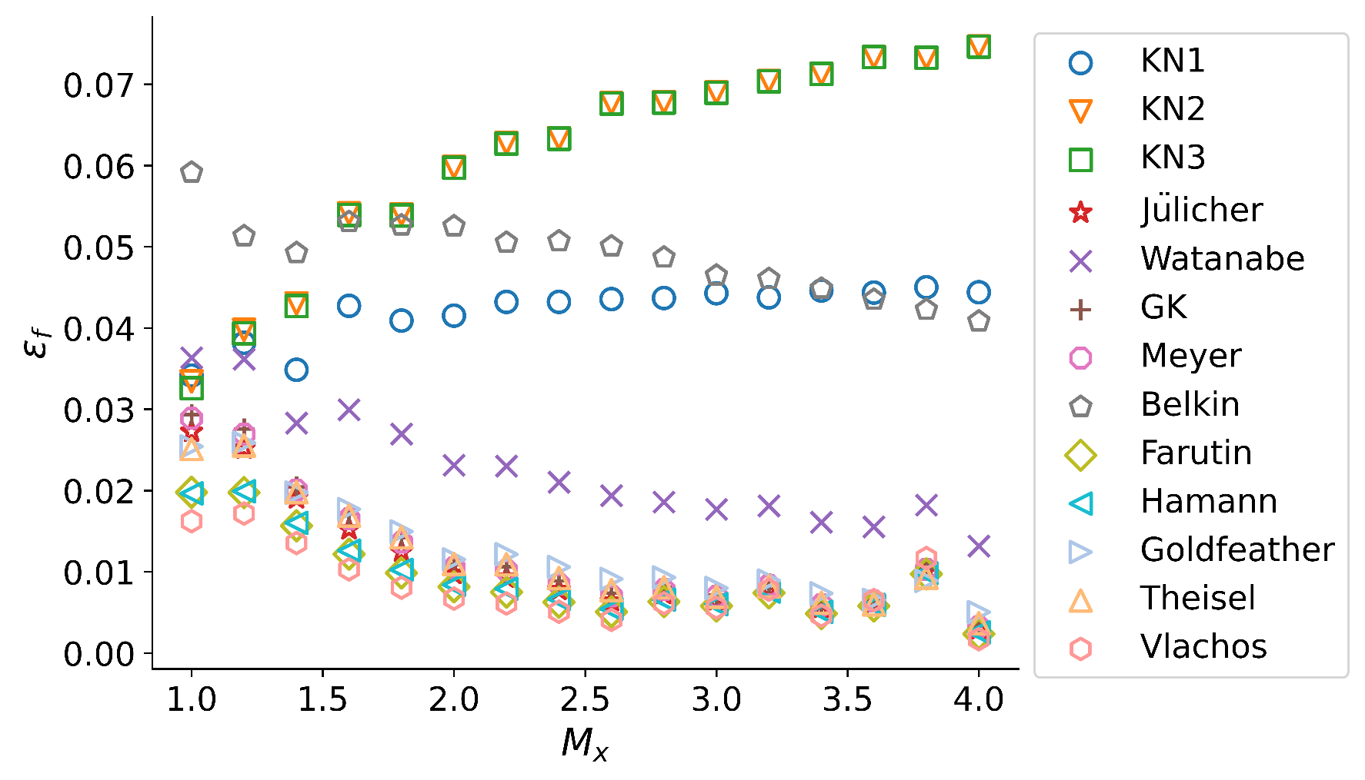
(a)x axis
force-density error
M_x | KN1 | KN2 | KN3 | Julicher | Watanabe | GK | Meyer | belkin | farutin | Hamann | Goldfeather | Theisel | Vlachos
1 | 0.0341484 | 0.0334279 | 0.0326045 | 0.0272299 | 0.0363468 | 0.0293351 | 0.0288771 | 0.0591414 | 0.0197802 | 0.019632 | 0.0254221 | 0.0251037 | 0.016216
1.2 | 0.0381726 | 0.0397694 | 0.0393668 | 0.0251562 | 0.0361705 | 0.0275927 | 0.0269132 | 0.0513154 | 0.01974 | 0.019899 | 0.0258696 | 0.0255327 | 0.017159
1.4 | 0.0348564 | 0.0430217 | 0.0427184 | 0.0190386 | 0.0282979 | 0.0204386 | 0.0200528 | 0.0492384 | 0.0156606 | 0.0160085 | 0.0197404 | 0.0197889 | 0.0135283
1.6 | 0.0427262 | 0.0541217 | 0.0539233 | 0.0152247 | 0.0299415 | 0.0171207 | 0.0165072 | 0.0530575 | 0.0121687 | 0.0126014 | 0.0177043 | 0.0168978 | 0.0102935
1.8 | 0.0409142 | 0.0539958 | 0.0538645 | 0.0124452 | 0.0269492 | 0.0142351 | 0.013639 | 0.0526379 | 0.00984503 | 0.0102312 | 0.0149597 | 0.0142291 | 0.00804173
2 | 0.0415187 | 0.059826 | 0.0597246 | 0.00973324 | 0.0231082 | 0.0109112 | 0.010506 | 0.0525321 | 0.0081493 | 0.00838261 | 0.0115071 | 0.0109635 | 0.00669092
2.2 | 0.0432115 | 0.0627714 | 0.0626962 | 0.00928213 | 0.0230052 | 0.0106324 | 0.0101743 | 0.0505151 | 0.00748601 | 0.00790335 | 0.0121504 | 0.0109066 | 0.0060873
2.4 | 0.0432158 | 0.0633614 | 0.0633071 | 0.00777099 | 0.0210229 | 0.00888102 | 0.00849159 | 0.0506896 | 0.00623552 | 0.00663898 | 0.0105786 | 0.00921502 | 0.00507697
2.6 | 0.043556 | 0.0676797 | 0.0676344 | 0.00635825 | 0.0193668 | 0.00737966 | 0.00702146 | 0.0500579 | 0.00506298 | 0.00541355 | 0.00910264 | 0.00772106 | 0.00407325
2.8 | 0.0436907 | 0.0677917 | 0.0677564 | 0.00725037 | 0.0185754 | 0.00808532 | 0.00779198 | 0.0486914 | 0.00632147 | 0.00656594 | 0.00929321 | 0.00807817 | 0.00611347
3 | 0.044276 | 0.0689953 | 0.0689671 | 0.00648946 | 0.0176854 | 0.00716474 | 0.00694947 | 0.0464734 | 0.00578642 | 0.00599906 | 0.00798947 | 0.00691842 | 0.00557301
3.2 | 0.0437675 | 0.0703961 | 0.0703728 | 0.00805063 | 0.0181219 | 0.00852168 | 0.00833917 | 0.0460503 | 0.0073837 | 0.00757039 | 0.00891352 | 0.00819224 | 0.00778594
3.4 | 0.04461 | 0.0712921 | 0.0712739 | 0.00553992 | 0.016086 | 0.00616512 | 0.00595 | 0.044854 | 0.00483699 | 0.00506963 | 0.00733991 | 0.00617431 | 0.00458596
3.6 | 0.0443583 | 0.073359 | 0.0733429 | 0.00618083 | 0.0155312 | 0.00650753 | 0.00639106 | 0.0434909 | 0.0057793 | 0.00590439 | 0.00653504 | 0.00597428 | 0.00649733
3.8 | 0.0450186 | 0.0732753 | 0.0732612 | 0.0101305 | 0.0182027 | 0.010383 | 0.0102693 | 0.0422606 | 0.00972683 | 0.00982816 | 0.00888456 | 0.00925686 | 0.011674
4 | 0.0443994 | 0.0746512 | 0.0746392 | 0.00292526 | 0.0131665 | 0.00340595 | 0.0032329 | 0.0408201 | 0.00234331 | 0.00254697 | 0.00502834 | 0.00365795 | 0.00169585
mean | 0.04202751875 | 0.06110848125 | 0.06096583125 | 0.01117538625 | 0.02259863125 | 0.01229748875 | 0.011944158125 | 0.048864125 | 0.0091441475 | 0.009387195625 | 0.012563680625 | 0.011788163125 | 0.008193283125

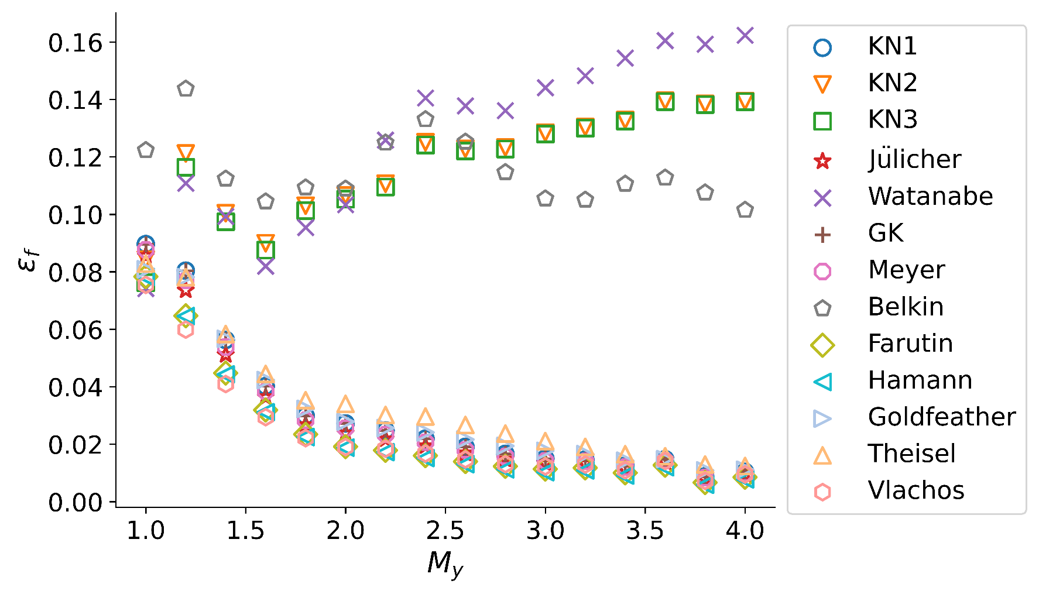
(b)y axis
force-density error
M_y | KN1 | KN2 | KN3 | Julicher | Watanabe | GK | Meyer | belkin | farutin | Hamann | Goldfeather | Theisel | Vlachos
1 | 0.0896239 | 0.0842478 | 0.0762502 | 0.0855437 | 0.0741421 | 0.0896462 | 0.0876615 | 0.122302 | 0.0783415 | 0.0781828 | 0.0808684 | 0.082862 | 0.0754464
1.2 | 0.080395 | 0.121164 | 0.116385 | 0.0735654 | 0.110835 | 0.0803519 | 0.07703 | 0.143684 | 0.0646772 | 0.0645838 | 0.0781682 | 0.078133 | 0.0598728
1.4 | 0.0562754 | 0.100378 | 0.0974216 | 0.0510959 | 0.0992729 | 0.056253 | 0.0537744 | 0.112367 | 0.0447514 | 0.0442751 | 0.0566654 | 0.0583265 | 0.0409284
1.6 | 0.040198 | 0.089928 | 0.087576 | 0.0363744 | 0.0819472 | 0.0401876 | 0.0383778 | 0.104426 | 0.0318969 | 0.0311197 | 0.0423159 | 0.0444477 | 0.0293982
1.8 | 0.0298809 | 0.103004 | 0.101303 | 0.0266925 | 0.0954009 | 0.0298793 | 0.0283085 | 0.109295 | 0.023399 | 0.022481 | 0.0323105 | 0.0353066 | 0.0220978
2 | 0.0272177 | 0.106572 | 0.105332 | 0.0237633 | 0.103342 | 0.0272169 | 0.0255766 | 0.108894 | 0.0191551 | 0.018793 | 0.027806 | 0.0340227 | 0.0190031
2.2 | 0.0247687 | 0.110659 | 0.109515 | 0.0217623 | 0.12584 | 0.0247683 | 0.0233598 | 0.124913 | 0.0178691 | 0.0172369 | 0.0256128 | 0.0301507 | 0.0184174
2.4 | 0.0219092 | 0.12507 | 0.124164 | 0.0193469 | 0.140521 | 0.0219091 | 0.0206937 | 0.13305 | 0.0160148 | 0.0151773 | 0.024121 | 0.0296442 | 0.0167279
2.6 | 0.0190713 | 0.122777 | 0.122073 | 0.0168291 | 0.137772 | 0.0190713 | 0.0180125 | 0.125229 | 0.0139717 | 0.0130398 | 0.0216257 | 0.0266795 | 0.0146759
2.8 | 0.0166263 | 0.123257 | 0.122751 | 0.0146982 | 0.136111 | 0.0166263 | 0.0157187 | 0.114639 | 0.012281 | 0.0112515 | 0.0193754 | 0.0236967 | 0.0130288
3 | 0.014974 | 0.128404 | 0.127989 | 0.0133273 | 0.144092 | 0.0149739 | 0.0141982 | 0.105459 | 0.0113413 | 0.0102662 | 0.0176655 | 0.0210793 | 0.0122556
3.2 | 0.0146246 | 0.130381 | 0.130038 | 0.0133335 | 0.148232 | 0.0146245 | 0.0140081 | 0.105031 | 0.0117518 | 0.0108775 | 0.0165288 | 0.0190703 | 0.0129284
3.4 | 0.0125209 | 0.132811 | 0.132488 | 0.0114102 | 0.154374 | 0.0125207 | 0.0120039 | 0.110596 | 0.0100355 | 0.00908173 | 0.0142399 | 0.0164914 | 0.0109426
3.6 | 0.0147507 | 0.139537 | 0.139264 | 0.0138046 | 0.16049 | 0.0147506 | 0.0143064 | 0.11273 | 0.0126754 | 0.0119856 | 0.0148129 | 0.015816 | 0.014135
3.8 | 0.00880544 | 0.138459 | 0.138227 | 0.00778183 | 0.159228 | 0.00880537 | 0.00832327 | 0.107546 | 0.00662552 | 0.00587473 | 0.0108623 | 0.0129264 | 0.00721619
4 | 0.0103406 | 0.139399 | 0.139218 | 0.00949581 | 0.162343 | 0.0103405 | 0.0099444 | 0.101505 | 0.00849524 | 0.00774858 | 0.0111238 | 0.0123976 | 0.00945329
mean | 0.030123915 | 0.1185029875 | 0.116874675 | 0.02742655875 | 0.12712144375 | 0.030120341875 | 0.028831110625 | 0.115104125 | 0.02395515375 | 0.0232484525 | 0.03088140625 | 0.0338156625 | 0.02353298625

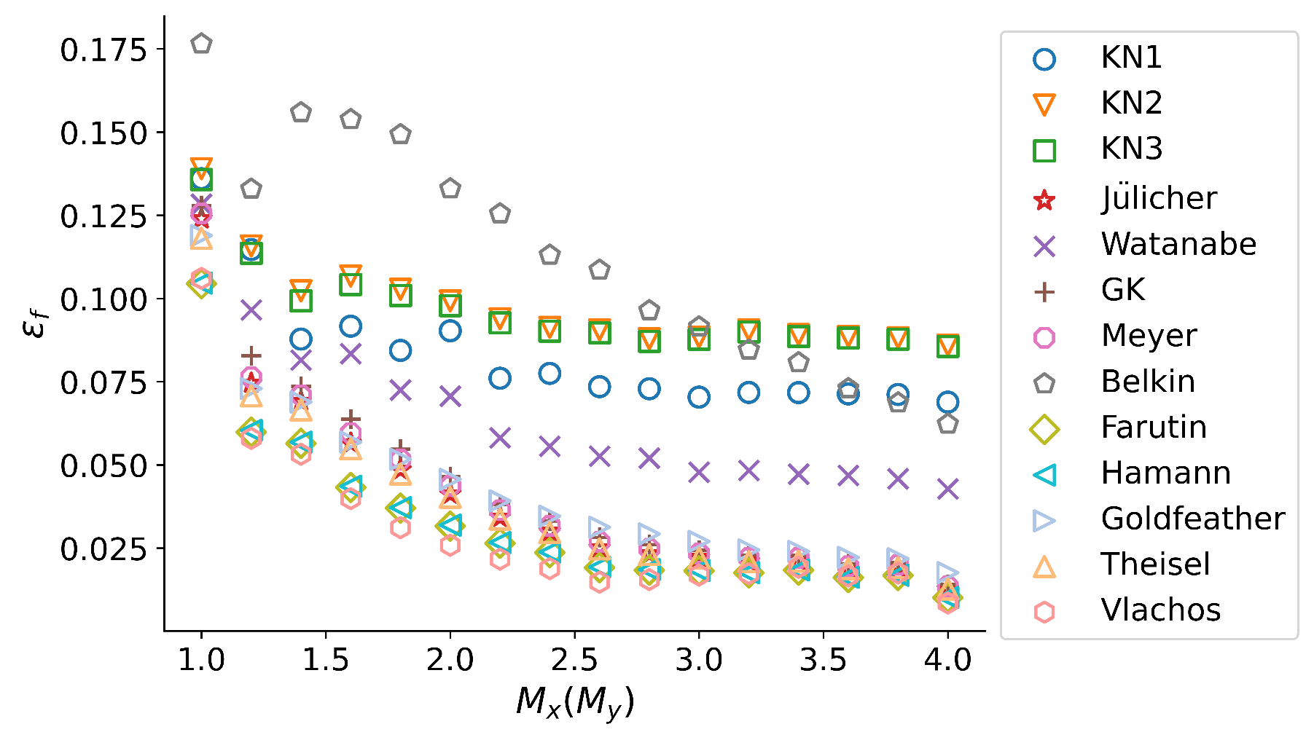
(c)random axis
force-density error
M_x=M_y | KN1 | KN2 | KN3 | Julicher | Watanabe | GK | Meyer | belkin | farutin | Hamann | Goldfeather | Theisel | Vlachos
1 | 0.136008 | 0.139008 | 0.135776 | 0.123962 | 0.12832 | 0.127965 | 0.125563 | 0.176532 | 0.104419 | 0.104636 | 0.118935 | 0.118083 | 0.106031
1.2 | 0.114713 | 0.115808 | 0.113603 | 0.0745465 | 0.0965486 | 0.0828683 | 0.0763685 | 0.13291 | 0.0598633 | 0.0603863 | 0.0729392 | 0.0707455 | 0.0579738
1.4 | 0.0878127 | 0.102315 | 0.0993018 | 0.0690106 | 0.0814844 | 0.0736249 | 0.0709091 | 0.155882 | 0.0564868 | 0.0568197 | 0.0688928 | 0.066534 | 0.053201
1.6 | 0.0916822 | 0.10676 | 0.10421 | 0.0565455 | 0.0834508 | 0.0637387 | 0.0595668 | 0.153808 | 0.0432233 | 0.0435958 | 0.0568755 | 0.0548601 | 0.0398596
1.8 | 0.0844027 | 0.102788 | 0.100928 | 0.0485644 | 0.0725004 | 0.0547219 | 0.0515929 | 0.149297 | 0.036988 | 0.0371583 | 0.0516933 | 0.0472518 | 0.0311235
2 | 0.0903025 | 0.0992984 | 0.0978859 | 0.0412474 | 0.0706585 | 0.0464764 | 0.0437386 | 0.133 | 0.0316 | 0.0319088 | 0.0456664 | 0.04028 | 0.0258407
2.2 | 0.0760392 | 0.0939442 | 0.0927039 | 0.0342584 | 0.0581454 | 0.0382052 | 0.0363935 | 0.125497 | 0.026478 | 0.0266693 | 0.0392026 | 0.033723 | 0.0216753
2.4 | 0.0774913 | 0.0913271 | 0.0902122 | 0.0299995 | 0.0555945 | 0.0331597 | 0.0316875 | 0.113055 | 0.0236285 | 0.023809 | 0.0345721 | 0.0296744 | 0.0188259
2.6 | 0.0735154 | 0.0906019 | 0.0897055 | 0.0250645 | 0.0526164 | 0.0282412 | 0.0268932 | 0.108565 | 0.0191416 | 0.0192928 | 0.0312745 | 0.024769 | 0.0147433
2.8 | 0.0728892 | 0.0878941 | 0.0871431 | 0.0232951 | 0.0520526 | 0.0260399 | 0.0248047 | 0.096391 | 0.0183739 | 0.018515 | 0.0292586 | 0.023044 | 0.0155465
3 | 0.0703698 | 0.0884536 | 0.0877572 | 0.022149 | 0.0478091 | 0.024352 | 0.0233609 | 0.0915075 | 0.018157 | 0.0182472 | 0.0270186 | 0.0219837 | 0.0168895
3.2 | 0.0717779 | 0.0905633 | 0.0899712 | 0.021021 | 0.048344 | 0.0229138 | 0.0220527 | 0.0845535 | 0.0175285 | 0.0176181 | 0.0244505 | 0.0209167 | 0.0173074
3.4 | 0.0717294 | 0.0891674 | 0.088642 | 0.0212 | 0.0472315 | 0.02288 | 0.0220782 | 0.0807473 | 0.0183827 | 0.0184432 | 0.0240058 | 0.0210589 | 0.0192553
3.6 | 0.0713386 | 0.0886493 | 0.0881637 | 0.018744 | 0.0468554 | 0.0202547 | 0.0195542 | 0.0729588 | 0.0161649 | 0.0162358 | 0.0221967 | 0.0187759 | 0.016652
3.8 | 0.071165 | 0.0882392 | 0.0878077 | 0.0191705 | 0.0458506 | 0.0206532 | 0.0199655 | 0.0686653 | 0.0167828 | 0.0168433 | 0.02179 | 0.0191109 | 0.0175349
4 | 0.0688645 | 0.0859986 | 0.0856102 | 0.012674 | 0.0428037 | 0.0141162 | 0.0134912 | 0.0622954 | 0.0100973 | 0.0101804 | 0.0176162 | 0.0127101 | 0.00850655
mean | 0.0831313375 | 0.09755100625 | 0.0962138375 | 0.040090775 | 0.06439161875 | 0.04376319375 | 0.04175128125 | 0.11285405 | 0.032332225 | 0.0325224375 | 0.0428992375 | 0.0389700625 | 0.030060390625

