Energy
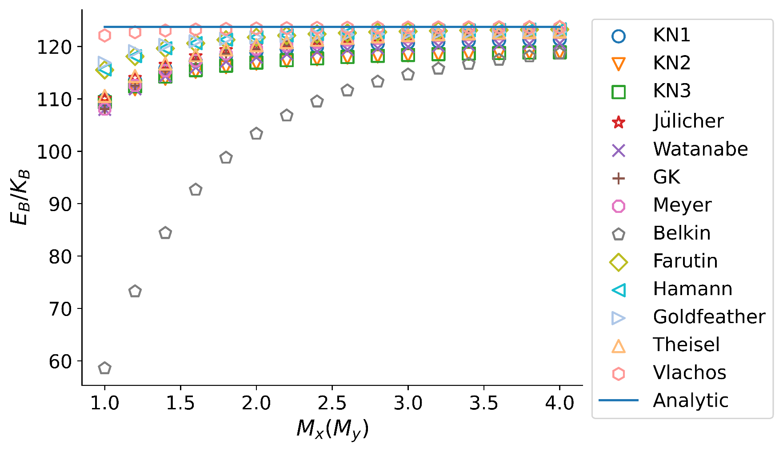
(a)structured
Energy
M_x=M_y | KN1 | KN2 | KN3 | Julicher | Watanabe | GK | Meyer | belkin | farutin | Hamann | Goldfeather | Theisel | Vlachos | Analytic
1.0 | 109.876 | 108.617 | 109.394 | 110.026 | 107.966 | 108.051 | 108.051 | 58.5663 | 115.528 | 115.61 | 116.877 | 110.549 | 122.096 | 123.7596569
1.2 | 113.468 | 111.844 | 112.416 | 114.022 | 111.903 | 112.547 | 112.547 | 73.2463 | 118.094 | 118.147 | 119.092 | 114.362 | 122.72 | 123.7596569
1.4 | 115.707 | 113.839 | 114.275 | 116.514 | 114.36 | 115.381 | 115.381 | 84.3875 | 119.625 | 119.661 | 120.282 | 116.745 | 123.042 | 123.7596569
1.6 | 117.189 | 115.155 | 115.496 | 118.166 | 115.989 | 117.273 | 117.273 | 92.6452 | 120.608 | 120.634 | 120.985 | 118.329 | 123.23 | 123.7596569
1.8 | 118.219 | 116.066 | 116.34 | 119.314 | 117.121 | 118.594 | 118.594 | 98.7591 | 121.277 | 121.296 | 121.436 | 119.435 | 123.351 | 123.7596569
2.0 | 118.964 | 116.723 | 116.947 | 120.143 | 117.939 | 119.552 | 119.552 | 103.333 | 121.753 | 121.768 | 121.745 | 120.236 | 123.433 | 123.7596569
2.2 | 119.518 | 117.211 | 117.399 | 120.762 | 118.549 | 120.268 | 120.268 | 106.809 | 122.105 | 122.117 | 121.969 | 120.835 | 123.493 | 123.7596569
2.4 | 119.942 | 117.585 | 117.743 | 121.235 | 119.016 | 120.817 | 120.817 | 109.493 | 122.371 | 122.381 | 122.14 | 121.293 | 123.537 | 123.7596569
2.6 | 120.274 | 117.876 | 118.012 | 121.605 | 119.381 | 121.246 | 121.246 | 111.601 | 122.578 | 122.586 | 122.277 | 121.653 | 123.571 | 123.7596569
2.8 | 120.537 | 118.108 | 118.225 | 121.899 | 119.671 | 121.588 | 121.588 | 113.282 | 122.742 | 122.749 | 122.388 | 121.939 | 123.598 | 123.7596569
3.0 | 120.751 | 118.295 | 118.397 | 122.136 | 119.906 | 121.865 | 121.865 | 114.641 | 122.873 | 122.879 | 122.482 | 122.171 | 123.619 | 123.7596569
3.2 | 120.926 | 118.448 | 118.539 | 122.332 | 120.098 | 122.092 | 122.092 | 115.755 | 122.981 | 122.986 | 122.564 | 122.361 | 123.636 | 123.7596569
3.4 | 121.071 | 118.576 | 118.656 | 122.494 | 120.258 | 122.281 | 122.281 | 116.677 | 123.07 | 123.075 | 122.635 | 122.519 | 123.65 | 123.7596569
3.6 | 121.192 | 118.683 | 118.754 | 122.63 | 120.392 | 122.439 | 122.439 | 117.45 | 123.145 | 123.149 | 122.699 | 122.652 | 123.662 | 123.7596569
3.8 | 121.296 | 118.773 | 118.838 | 122.745 | 120.506 | 122.574 | 122.574 | 118.104 | 123.208 | 123.212 | 122.757 | 122.765 | 123.672 | 123.7596569
4.0 | 121.384 | 118.85 | 118.909 | 122.843 | 120.603 | 122.688 | 122.688 | 118.661 | 123.262 | 123.265 | 122.809 | 122.861 | 123.681 | 123.7596569
mean | 118.769625 | 116.5405625 | 116.77125 | 119.929125 | 117.728625 | 119.3285 | 119.3285 | 103.33815 | 121.57625 | 121.5946875 | 121.5710625 | 120.0440625 | 123.3744375

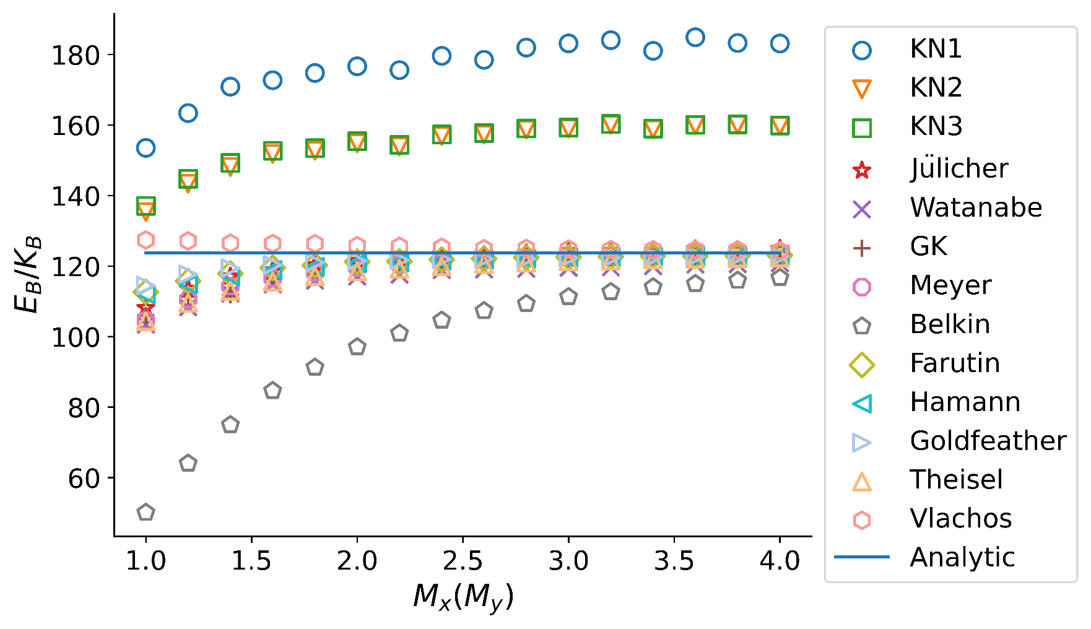
(b)unstructured
Energy
M_x=M_y | KN1 | KN2 | KN3 | Julicher | Watanabe | GK | Meyer | belkin | farutin | Hamann | Goldfeather | Theisel | Vlachos | Analytic
1.0 | 153.504 | 135.293 | 137.074 | 108.136 | 103.404 | 106.029 | 104.518 | 50.0958 | 112.665 | 111.942 | 114.474 | 104.377 | 127.386 | 123.7596569
1.2 | 163.376 | 143.346 | 144.749 | 113.598 | 108.338 | 111.437 | 110.548 | 64.0362 | 115.745 | 114.78 | 117.651 | 109.577 | 127.122 | 123.7596569
1.4 | 170.885 | 148.085 | 149.248 | 117.055 | 112.248 | 111.832 | 114.282 | 74.9566 | 117.894 | 117.055 | 119.371 | 112.991 | 126.468 | 123.7596569
1.6 | 172.693 | 151.791 | 152.695 | 118.775 | 114.815 | 116.428 | 116.499 | 84.6324 | 119.473 | 118.856 | 120.283 | 115.606 | 126.372 | 123.7596569
1.8 | 174.749 | 152.691 | 153.432 | 120.29 | 115.854 | 117.998 | 118.177 | 91.2699 | 120.23 | 119.775 | 120.991 | 117.151 | 126.329 | 123.7596569
2.0 | 176.654 | 154.799 | 155.4 | 121.465 | 117.045 | 119.463 | 119.541 | 97.0412 | 121.215 | 120.803 | 121.467 | 118.473 | 125.764 | 123.7596569
2.2 | 175.548 | 153.889 | 154.385 | 122.088 | 117.572 | 120.16 | 120.362 | 100.938 | 121.31 | 120.972 | 121.69 | 119.229 | 125.584 | 123.7596569
2.4 | 179.599 | 156.881 | 157.32 | 122.642 | 118.89 | 120.911 | 121.086 | 104.587 | 121.849 | 121.508 | 121.893 | 119.935 | 125.316 | 123.7596569
2.6 | 178.48 | 157.33 | 157.711 | 123.122 | 119.029 | 121.498 | 121.632 | 107.297 | 122.095 | 121.727 | 122.044 | 120.558 | 124.914 | 123.7596569
2.8 | 181.955 | 158.699 | 159.038 | 123.686 | 119.237 | 121.904 | 122.278 | 109.315 | 122.418 | 122.018 | 122.063 | 120.939 | 124.974 | 123.7596569
3.0 | 183.142 | 158.992 | 159.292 | 124.216 | 119.525 | 122.157 | 122.806 | 111.271 | 122.544 | 122.14 | 122.326 | 121.326 | 124.805 | 123.7596569
3.2 | 184.051 | 160.057 | 160.324 | 124.269 | 119.608 | 122.144 | 122.973 | 112.692 | 122.674 | 122.322 | 122.35 | 121.598 | 124.639 | 123.7596569
3.4 | 181.021 | 158.779 | 159.007 | 124.276 | 119.947 | 122.614 | 123.061 | 114.05 | 122.871 | 122.601 | 122.478 | 121.863 | 124.605 | 123.7596569
3.6 | 184.881 | 159.869 | 160.078 | 124.767 | 120.438 | 122.904 | 123.57 | 114.987 | 122.852 | 122.664 | 122.549 | 122.024 | 124.592 | 123.7596569
3.8 | 183.255 | 160.02 | 160.207 | 124.616 | 120.554 | 123.045 | 123.451 | 115.928 | 122.977 | 122.773 | 122.65 | 122.247 | 124.553 | 123.7596569
4.0 | 183.109 | 159.716 | 159.884 | 124.87 | 120.796 | 123.102 | 123.719 | 116.705 | 123.07 | 122.878 | 122.692 | 122.389 | 124.31 | 123.7596569
mean | 176.681375 | 154.3898125 | 154.99025 | 121.1169375 | 116.70625 | 118.976625 | 119.2814375 | 98.11263125 | 120.742625 | 120.300875 | 121.06075 | 118.1426875 | 125.4833125

 |  |  |  |  |  |  |  |  |  | \

ForceDensity
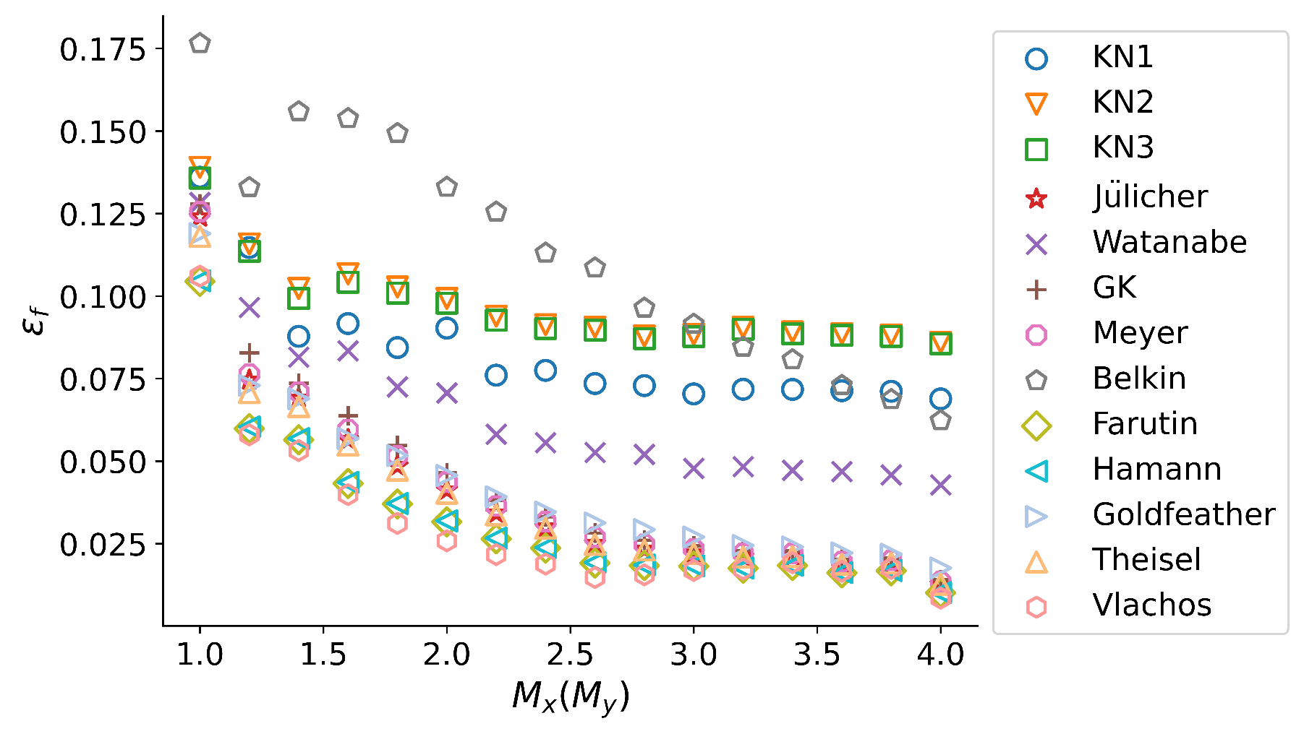
(a)structured
force-density error
M_x=M_y | KN1 | KN2 | KN3 | Julicher | Watanabe | GK | Meyer | belkin | farutin | Hamann | Goldfeather | Theisel | Vlachos
1 | 0.136008 | 0.139008 | 0.135776 | 0.123962 | 0.12832 | 0.127965 | 0.125563 | 0.176532 | 0.104419 | 0.104636 | 0.118935 | 0.118083 | 0.106031
1.2 | 0.114713 | 0.115808 | 0.113603 | 0.0745465 | 0.0965486 | 0.0828683 | 0.0763685 | 0.13291 | 0.0598633 | 0.0603863 | 0.0729392 | 0.0707455 | 0.0579738
1.4 | 0.0878127 | 0.102315 | 0.0993018 | 0.0690106 | 0.0814844 | 0.0736249 | 0.0709091 | 0.155882 | 0.0564868 | 0.0568197 | 0.0688928 | 0.066534 | 0.053201
1.6 | 0.0916822 | 0.10676 | 0.10421 | 0.0565455 | 0.0834508 | 0.0637387 | 0.0595668 | 0.153808 | 0.0432233 | 0.0435958 | 0.0568755 | 0.0548601 | 0.0398596
1.8 | 0.0844027 | 0.102788 | 0.100928 | 0.0485644 | 0.0725004 | 0.0547219 | 0.0515929 | 0.149297 | 0.036988 | 0.0371583 | 0.0516933 | 0.0472518 | 0.0311235
2 | 0.0903025 | 0.0992984 | 0.0978859 | 0.0412474 | 0.0706585 | 0.0464764 | 0.0437386 | 0.133 | 0.0316 | 0.0319088 | 0.0456664 | 0.04028 | 0.0258407
2.2 | 0.0760392 | 0.0939442 | 0.0927039 | 0.0342584 | 0.0581454 | 0.0382052 | 0.0363935 | 0.125497 | 0.026478 | 0.0266693 | 0.0392026 | 0.033723 | 0.0216753
2.4 | 0.0774913 | 0.0913271 | 0.0902122 | 0.0299995 | 0.0555945 | 0.0331597 | 0.0316875 | 0.113055 | 0.0236285 | 0.023809 | 0.0345721 | 0.0296744 | 0.0188259
2.6 | 0.0735154 | 0.0906019 | 0.0897055 | 0.0250645 | 0.0526164 | 0.0282412 | 0.0268932 | 0.108565 | 0.0191416 | 0.0192928 | 0.0312745 | 0.024769 | 0.0147433
2.8 | 0.0728892 | 0.0878941 | 0.0871431 | 0.0232951 | 0.0520526 | 0.0260399 | 0.0248047 | 0.096391 | 0.0183739 | 0.018515 | 0.0292586 | 0.023044 | 0.0155465
3 | 0.0703698 | 0.0884536 | 0.0877572 | 0.022149 | 0.0478091 | 0.024352 | 0.0233609 | 0.0915075 | 0.018157 | 0.0182472 | 0.0270186 | 0.0219837 | 0.0168895
3.2 | 0.0717779 | 0.0905633 | 0.0899712 | 0.021021 | 0.048344 | 0.0229138 | 0.0220527 | 0.0845535 | 0.0175285 | 0.0176181 | 0.0244505 | 0.0209167 | 0.0173074
3.4 | 0.0717294 | 0.0891674 | 0.088642 | 0.0212 | 0.0472315 | 0.02288 | 0.0220782 | 0.0807473 | 0.0183827 | 0.0184432 | 0.0240058 | 0.0210589 | 0.0192553
3.6 | 0.0713386 | 0.0886493 | 0.0881637 | 0.018744 | 0.0468554 | 0.0202547 | 0.0195542 | 0.0729588 | 0.0161649 | 0.0162358 | 0.0221967 | 0.0187759 | 0.016652
3.8 | 0.071165 | 0.0882392 | 0.0878077 | 0.0191705 | 0.0458506 | 0.0206532 | 0.0199655 | 0.0686653 | 0.0167828 | 0.0168433 | 0.02179 | 0.0191109 | 0.0175349
4 | 0.0688645 | 0.0859986 | 0.0856102 | 0.012674 | 0.0428037 | 0.0141162 | 0.0134912 | 0.0622954 | 0.0100973 | 0.0101804 | 0.0176162 | 0.0127101 | 0.00850655
mean | 0.0831313375 | 0.09755100625 | 0.0962138375 | 0.040090775 | 0.06439161875 | 0.04376319375 | 0.04175128125 | 0.11285405 | 0.032332225 | 0.0325224375 | 0.0428992375 | 0.0389700625 | 0.030060390625

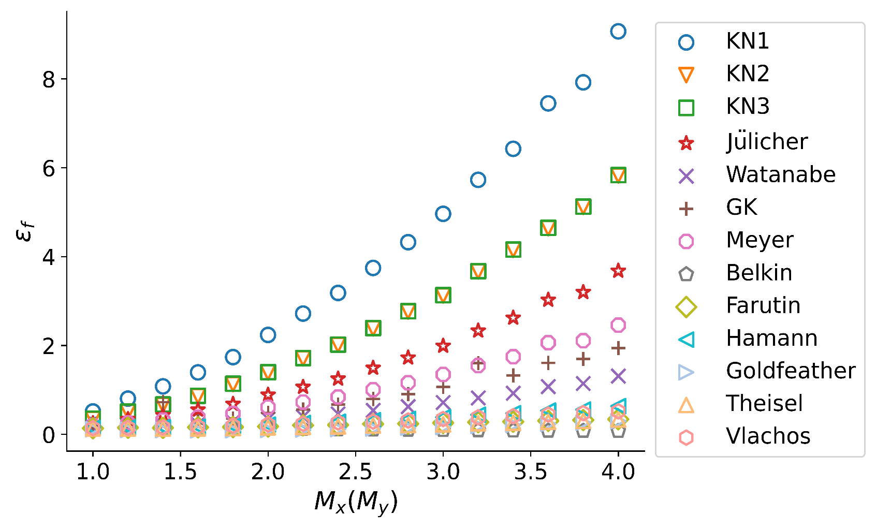
(b)unstructured
force-density error
M_x=M_y | KN1 | KN2 | KN3 | Julicher | Watanabe | GK | Meyer | belkin | farutin | Hamann | Goldfeather | Theisel | Vlachos
1 | 0.514471 | 0.345476 | 0.352204 | 0.244546 | 0.164079 | 0.186849 | 0.195707 | 0.183235 | 0.1366 | 0.14073 | 0.111937 | 0.1321 | 0.13813
1.2 | 0.803707 | 0.503066 | 0.511476 | 0.338693 | 0.184376 | 0.242245 | 0.257816 | 0.169383 | 0.148456 | 0.152648 | 0.0994301 | 0.130047 | 0.145986
1.4 | 1.07898 | 0.662256 | 0.671439 | 0.427995 | 0.200183 | 0.724408 | 0.321266 | 0.160329 | 0.145547 | 0.160049 | 0.095904 | 0.128192 | 0.156165
1.6 | 1.39388 | 0.859327 | 0.867793 | 0.551599 | 0.232402 | 0.29915 | 0.38589 | 0.14769 | 0.156648 | 0.171062 | 0.0896857 | 0.131829 | 0.170894
1.8 | 1.73736 | 1.12981 | 1.13908 | 0.68205 | 0.280705 | 0.359133 | 0.467943 | 0.139429 | 0.162228 | 0.187407 | 0.0916564 | 0.138383 | 0.190442
2 | 2.2364 | 1.39118 | 1.40011 | 0.886712 | 0.345786 | 0.481705 | 0.610595 | 0.130506 | 0.176251 | 0.218259 | 0.100035 | 0.156129 | 0.220515
2.2 | 2.71723 | 1.70688 | 1.71574 | 1.06411 | 0.397123 | 0.559956 | 0.726099 | 0.122382 | 0.201498 | 0.256042 | 0.108788 | 0.167541 | 0.237132
2.4 | 3.18166 | 2.01151 | 2.02014 | 1.24936 | 0.460976 | 0.670498 | 0.840245 | 0.114043 | 0.20916 | 0.284053 | 0.119434 | 0.177938 | 0.265861
2.6 | 3.74429 | 2.38223 | 2.39088 | 1.49265 | 0.539643 | 0.795307 | 1.00369 | 0.105284 | 0.232631 | 0.317523 | 0.130605 | 0.19692 | 0.285261
2.8 | 4.32349 | 2.76293 | 2.77169 | 1.72325 | 0.623508 | 0.906776 | 1.15993 | 0.100104 | 0.237526 | 0.346414 | 0.147828 | 0.206683 | 0.310284
3 | 4.96177 | 3.12309 | 3.13202 | 1.98843 | 0.717719 | 1.06965 | 1.34692 | 0.0940753 | 0.256649 | 0.384767 | 0.162903 | 0.22361 | 0.343724
3.2 | 5.72659 | 3.66356 | 3.6723 | 2.32999 | 0.820264 | 1.60325 | 1.54698 | 0.0881168 | 0.272616 | 0.440245 | 0.188748 | 0.248362 | 0.382143
3.4 | 6.42461 | 4.15088 | 4.15952 | 2.62034 | 0.925505 | 1.32831 | 1.74638 | 0.08353 | 0.283496 | 0.473969 | 0.212467 | 0.259094 | 0.406931
3.6 | 7.448 | 4.63846 | 4.64737 | 3.02404 | 1.07501 | 1.60819 | 2.06251 | 0.0797647 | 0.302712 | 0.533789 | 0.237535 | 0.282378 | 0.444069
3.8 | 7.92071 | 5.11778 | 5.12614 | 3.19767 | 1.14322 | 1.69778 | 2.10639 | 0.0757089 | 0.320521 | 0.556693 | 0.262451 | 0.300942 | 0.474578
4 | 9.06879 | 5.82451 | 5.83319 | 3.67768 | 1.31197 | 1.94353 | 2.45671 | 0.0733652 | 0.338962 | 0.634811 | 0.298478 | 0.333152 | 0.517239
mean | 3.955121125 | 2.5170590625 | 2.52569325 | 1.5936946875 | 0.5889043125 | 0.9047960625 | 1.0771919375 | 0.11668411875 | 0.2238438125 | 0.3286538125 | 0.153617825 | 0.20083125 | 0.293084625

