Energy
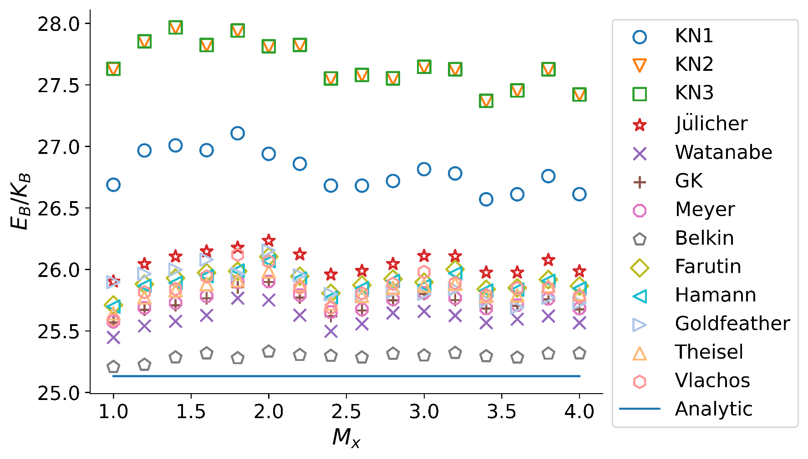
(a)isotropic
Energy
M_x=M_y | KN1 | KN2 | KN3 | Julicher | Watanabe | GK | Meyer | belkin | farutin | Hamann | Goldfeather | Theisel | Vlachos | Analytic
1.0 | 26.687940819 | 27.627760819 | 27.630660819 | 25.9017 | 25.4476 | 25.5691 | 25.5754 | 25.2072 | 25.7115 | 25.6978 | 25.8969 | 25.642 | 25.5887 | 25.132741229
1.2 | 26.966760819 | 27.852060819 | 27.854160819 | 26.0432 | 25.5408 | 25.6727 | 25.6875 | 25.2253 | 25.88 | 25.8667 | 25.9641 | 25.7723 | 25.8146 | 25.132741229
1.4 | 27.007860819 | 27.965560819 | 27.967160819 | 26.105 | 25.5783 | 25.7082 | 25.7274 | 25.2851 | 25.929 | 25.8906 | 25.9973 | 25.8281 | 25.8397 | 25.132741229
1.6 | 26.969060819 | 27.822560819 | 27.823660819 | 26.1462 | 25.6266 | 25.7657 | 25.7831 | 25.3178 | 25.9731 | 25.9457 | 26.0804 | 25.8798 | 25.9421 | 25.132741229
1.8 | 27.106560819 | 27.940560819 | 27.941560819 | 26.1766 | 25.767 | 25.8547 | 25.8986 | 25.2783 | 25.9856 | 25.9908 | 25.9628 | 25.9112 | 26.1189 | 25.132741229
2.0 | 26.939360819 | 27.812460819 | 27.813260819 | 26.233 | 25.7513 | 25.8978 | 25.9029 | 25.3325 | 26.1038 | 26.0671 | 26.1534 | 25.983 | 26.0641 | 25.132741229
2.2 | 26.858460819 | 27.824260819 | 27.824860819 | 26.1224 | 25.6289 | 25.7703 | 25.7926 | 25.3046 | 25.9454 | 25.9257 | 25.9518 | 25.8747 | 25.8518 | 25.132741229
2.4 | 26.681630819 | 27.552060819 | 27.552560819 | 25.9586 | 25.4977 | 25.6198 | 25.6539 | 25.2977 | 25.8062 | 25.7704 | 25.7984 | 25.7237 | 25.6874 | 25.132741229
2.6 | 26.680970819 | 27.580260819 | 27.580660819 | 25.9879 | 25.5577 | 25.6665 | 25.6747 | 25.2847 | 25.8727 | 25.8468 | 25.7815 | 25.785 | 25.8054 | 25.132741229
2.8 | 26.718700819 | 27.553060819 | 27.553360819 | 26.0443 | 25.6462 | 25.7485 | 25.7568 | 25.3146 | 25.9213 | 25.9065 | 25.8188 | 25.8512 | 25.8825 | 25.132741229
3.0 | 26.814760819 | 27.646560819 | 27.646960819 | 26.1091 | 25.6597 | 25.8002 | 25.8109 | 25.3003 | 25.8962 | 25.8663 | 25.8022 | 25.8695 | 25.9794 | 25.132741229
3.2 | 26.780060819 | 27.626860819 | 27.627160819 | 26.1079 | 25.6256 | 25.7509 | 25.7666 | 25.3215 | 26.0004 | 25.9682 | 25.8411 | 25.8831 | 25.8889 | 25.132741229
3.4 | 26.569770819 | 27.369760819 | 27.369960819 | 25.9748 | 25.5665 | 25.682 | 25.6832 | 25.2946 | 25.8387 | 25.8277 | 25.7442 | 25.7838 | 25.7906 | 25.132741229
3.6 | 26.610520819 | 27.454260819 | 27.454460819 | 25.9748 | 25.5962 | 25.7048 | 25.711 | 25.2835 | 25.8501 | 25.8359 | 25.693 | 25.7883 | 25.8478 | 25.132741229
3.8 | 26.758460819 | 27.627060819 | 27.627260819 | 26.076 | 25.6212 | 25.7567 | 25.7619 | 25.3156 | 25.9172 | 25.9075 | 25.7709 | 25.8647 | 25.8472 | 25.132741229
4.0 | 26.611590819 | 27.420960819 | 27.421160819 | 25.9848 | 25.5663 | 25.6758 | 25.6836 | 25.318 | 25.8653 | 25.8457 | 25.7284 | 25.7994 | 25.7779 | 25.132741229
mean | 26.797654569 | 27.667254569 | 27.668054569 | 26.05914375 | 25.60485 | 25.72773125 | 25.74188125 | 25.29258125 | 25.90603125 | 25.8849625 | 25.874075 | 25.8274875 | 25.8579375

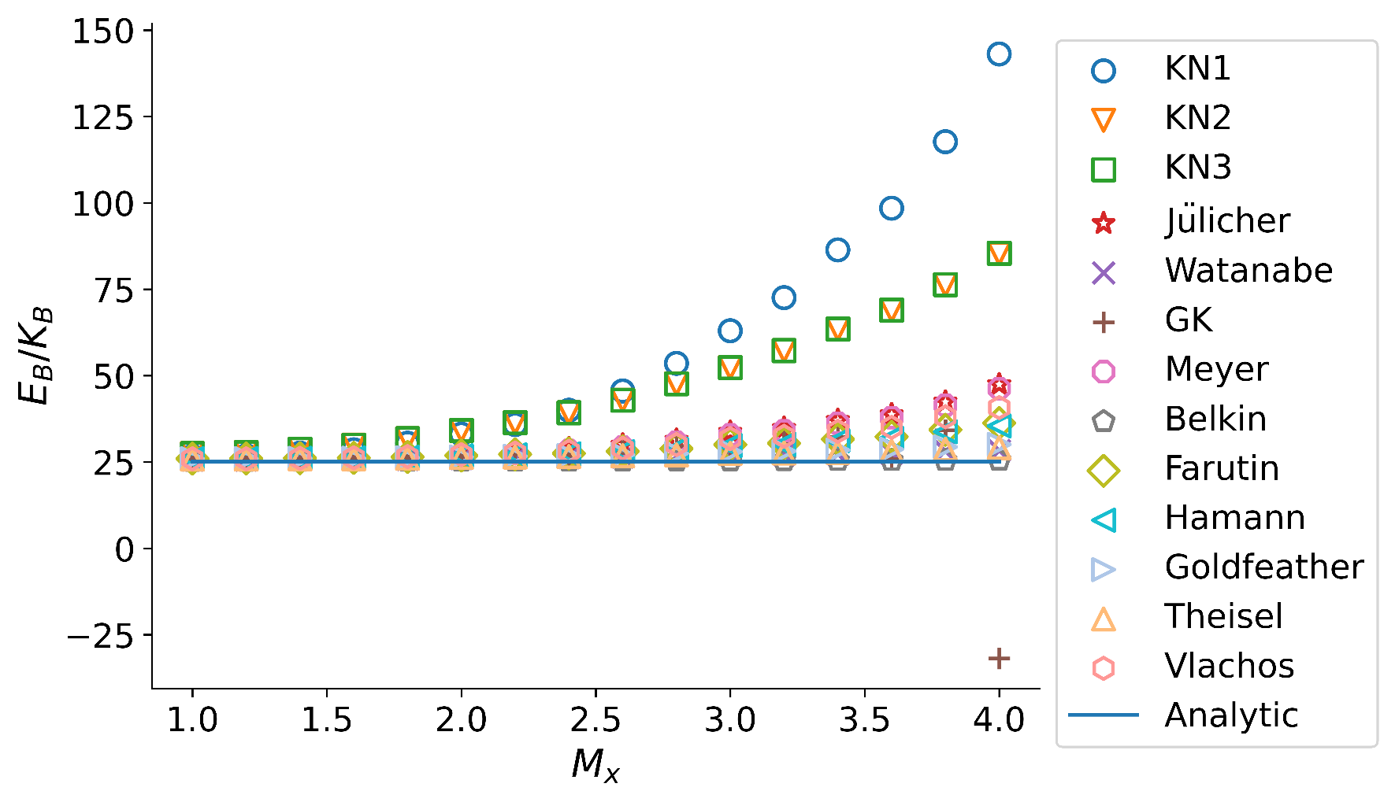
(b)anisotropic
Energy
M_x=M_y | KN1 | KN2 | KN3 | Julicher | Watanabe | GK | Meyer | belkin | farutin | Hamann | Goldfeather | Theisel | Vlachos | Analytic
1.0 | 26.708940819 | 27.491660819 | 27.494660819 | 26.0524 | 25.6459 | 25.7309 | 25.7422 | 25.1885 | 25.98 | 25.9765 | 25.9586 | 25.8265 | 25.9446 | 25.132741229
1.2 | 26.840260819 | 27.770560819 | 27.773360819 | 26.0792 | 25.6324 | 25.7341 | 25.7488 | 25.2039 | 26.0084 | 26.0037 | 25.9735 | 25.8431 | 25.9279 | 25.132741229
1.4 | 27.578660819 | 28.708060819 | 28.711160819 | 26.2776 | 25.6728 | 25.8326 | 25.89 | 25.2346 | 26.1146 | 26.0911 | 26.0597 | 25.914 | 26.0766 | 25.132741229
1.6 | 28.543160819 | 29.890760819 | 29.894160819 | 26.4417 | 25.729 | 25.9366 | 26.0497 | 25.2416 | 26.2108 | 26.1871 | 26.0977 | 25.951 | 26.2254 | 25.132741229
1.8 | 30.436260819 | 31.767660819 | 31.771860819 | 26.8725 | 25.8383 | 26.1458 | 26.4152 | 25.2566 | 26.4376 | 26.3921 | 26.2538 | 26.071 | 26.5802 | 25.132741229
2.0 | 33.068560819 | 34.150660819 | 34.156060819 | 27.5525 | 26.0297 | 26.587 | 27.0428 | 25.2915 | 26.8729 | 26.8013 | 26.4789 | 26.2983 | 27.1267 | 25.132741229
2.2 | 35.839260819 | 36.394360819 | 36.400660819 | 28.1215 | 26.1775 | 27.3378 | 27.5743 | 25.3054 | 27.2087 | 27.1041 | 26.6881 | 26.4513 | 27.5971 | 25.132741229
2.4 | 39.982660819 | 39.273960819 | 39.281960819 | 28.9335 | 26.3184 | 26.7882 | 28.3562 | 25.3179 | 27.4862 | 27.3756 | 26.8518 | 26.5806 | 28.0989 | 25.132741229
2.6 | 45.571960819 | 42.895060819 | 42.905260819 | 29.9824 | 26.4804 | 28.1569 | 29.3505 | 25.346 | 28.1425 | 27.9849 | 27.0988 | 26.7951 | 28.9772 | 25.132741229
2.8 | 53.550360819 | 47.653760819 | 47.667060819 | 31.3795 | 26.7671 | 29.6332 | 30.7037 | 25.3718 | 28.8626 | 28.6559 | 27.4742 | 27.0633 | 30.0569 | 25.132741229
3.0 | 62.986860819 | 52.315260819 | 52.332760819 | 33.6661 | 27.169 | 28.1817 | 32.8855 | 25.4042 | 30.0543 | 29.7875 | 27.9844 | 27.5234 | 31.7791 | 25.132741229
3.2 | 72.566660819 | 57.246160819 | 57.267360819 | 34.8014 | 27.2035 | 31.008 | 34.0331 | 25.4212 | 30.4437 | 30.1085 | 28.1598 | 27.6161 | 32.4305 | 25.132741229
3.4 | 86.392460819 | 63.484560819 | 63.511960819 | 37.0981 | 27.3111 | 32.2399 | 36.2147 | 25.4545 | 31.6106 | 31.1938 | 28.4699 | 27.8132 | 33.8983 | 25.132741229
3.6 | 98.446760819 | 68.913060819 | 68.944760819 | 38.768 | 27.5534 | 25.8203 | 37.8463 | 25.4592 | 32.3502 | 31.9326 | 28.6879 | 28.1217 | 35.0351 | 25.132741229
3.8 | 117.68916082 | 76.309560819 | 76.350760819 | 42.4108 | 28.1929 | 34.1838 | 41.4395 | 25.4917 | 34.3302 | 33.762 | 29.3659 | 28.7212 | 38.0821 | 25.132741229
4.0 | 143.07416082 | 85.363160819 | 85.417260819 | 47.4394 | 28.3133 | -31.8243 | 46.224 | 25.552 | 36.2756 | 35.4573 | 30.0896 | 29.1291 | 40.7605 | 25.132741229
mean | 58.079759569 | 46.851767069 | 46.867567069 | 31.9922875 | 26.62716875 | 24.21828125 | 31.34478125 | 25.3462875 | 29.02430625 | 28.800875 | 27.3557875 | 26.98243125 | 30.28731875

 |  |  |  |  |  |  |  |  |  | \

ForceDensity
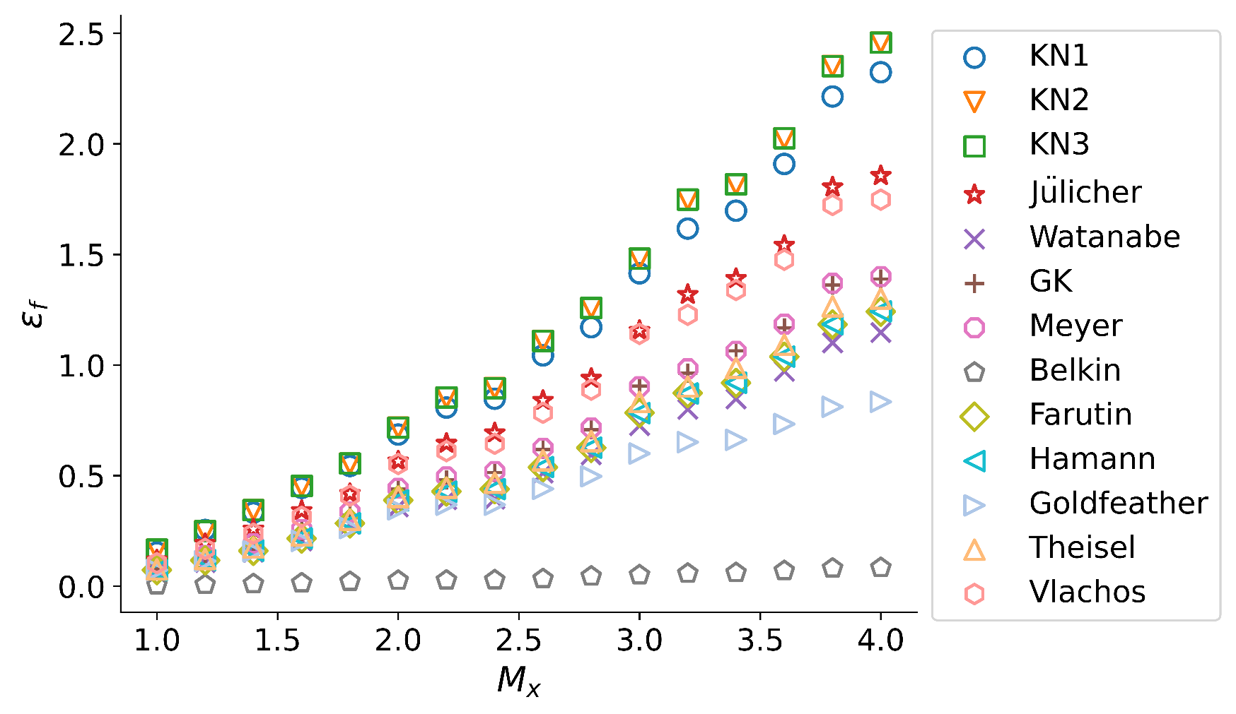
(a)isotropic
force-density error
M_x=M_y | KN1 | KN2 | KN3 | Julicher | Watanabe | GK | Meyer | belkin | farutin | Hamann | Goldfeather | Theisel | Vlachos
1 | 0.152217 | 0.164952 | 0.16508 | 0.117896 | 0.0646225 | 0.0818139 | 0.0838217 | 0.004512 | 0.0723123 | 0.071978 | 0.0729585 | 0.075542 | 0.103636
1.2 | 0.25389 | 0.248675 | 0.248805 | 0.192163 | 0.107168 | 0.133799 | 0.1389 | 0.00680411 | 0.116403 | 0.117015 | 0.11347 | 0.122364 | 0.168222
1.4 | 0.332674 | 0.34381 | 0.343948 | 0.257636 | 0.153182 | 0.189473 | 0.192459 | 0.0101045 | 0.159468 | 0.160079 | 0.156996 | 0.174133 | 0.237027
1.6 | 0.444242 | 0.452946 | 0.453082 | 0.341098 | 0.20461 | 0.249082 | 0.25657 | 0.01386 | 0.215219 | 0.216162 | 0.204575 | 0.228931 | 0.313217
1.8 | 0.543376 | 0.554233 | 0.554378 | 0.418163 | 0.280269 | 0.322373 | 0.335874 | 0.0203937 | 0.283882 | 0.284438 | 0.262751 | 0.299606 | 0.408896
2 | 0.685243 | 0.716926 | 0.717066 | 0.565007 | 0.35856 | 0.438767 | 0.442232 | 0.0252971 | 0.388124 | 0.387529 | 0.347037 | 0.402894 | 0.552209
2.2 | 0.807267 | 0.853251 | 0.853389 | 0.645275 | 0.391266 | 0.479924 | 0.49361 | 0.0264476 | 0.427849 | 0.427114 | 0.368002 | 0.444479 | 0.61034
2.4 | 0.847366 | 0.895514 | 0.895639 | 0.692586 | 0.393317 | 0.51347 | 0.518438 | 0.0275253 | 0.43842 | 0.438463 | 0.368169 | 0.467501 | 0.643659
2.6 | 1.04319 | 1.10907 | 1.10919 | 0.839348 | 0.511572 | 0.617501 | 0.623663 | 0.0327509 | 0.537502 | 0.538269 | 0.439703 | 0.56895 | 0.783759
2.8 | 1.17063 | 1.25804 | 1.25817 | 0.939058 | 0.593717 | 0.707834 | 0.71558 | 0.0443833 | 0.62525 | 0.626165 | 0.496745 | 0.655516 | 0.888465
3 | 1.4144 | 1.48043 | 1.48057 | 1.15549 | 0.725706 | 0.904534 | 0.90204 | 0.0501032 | 0.783285 | 0.782123 | 0.599503 | 0.832603 | 1.14049
3.2 | 1.61662 | 1.74803 | 1.74817 | 1.31839 | 0.799635 | 0.963277 | 0.983278 | 0.057213 | 0.872739 | 0.870945 | 0.650992 | 0.902178 | 1.22679
3.4 | 1.69745 | 1.81744 | 1.81756 | 1.39068 | 0.847213 | 1.0641 | 1.06174 | 0.0602122 | 0.91859 | 0.91965 | 0.661565 | 0.986883 | 1.33905
3.6 | 1.90879 | 2.02545 | 2.02557 | 1.54073 | 0.971195 | 1.16805 | 1.18454 | 0.06931 | 1.03705 | 1.03768 | 0.733044 | 1.09155 | 1.47572
3.8 | 2.21384 | 2.35166 | 2.35179 | 1.80427 | 1.10029 | 1.36164 | 1.36924 | 0.0805424 | 1.18362 | 1.18407 | 0.810791 | 1.26523 | 1.72347
4 | 2.32354 | 2.45772 | 2.45785 | 1.85589 | 1.14724 | 1.38868 | 1.3999 | 0.0831595 | 1.24134 | 1.24222 | 0.833441 | 1.30064 | 1.74742
mean | 1.0909209375 | 1.1548841875 | 1.1550160625 | 0.879605 | 0.54059765625 | 0.66151986875 | 0.66886785625 | 0.038288675625 | 0.58131583125 | 0.58149375 | 0.44498390625 | 0.6136875 | 0.835148125

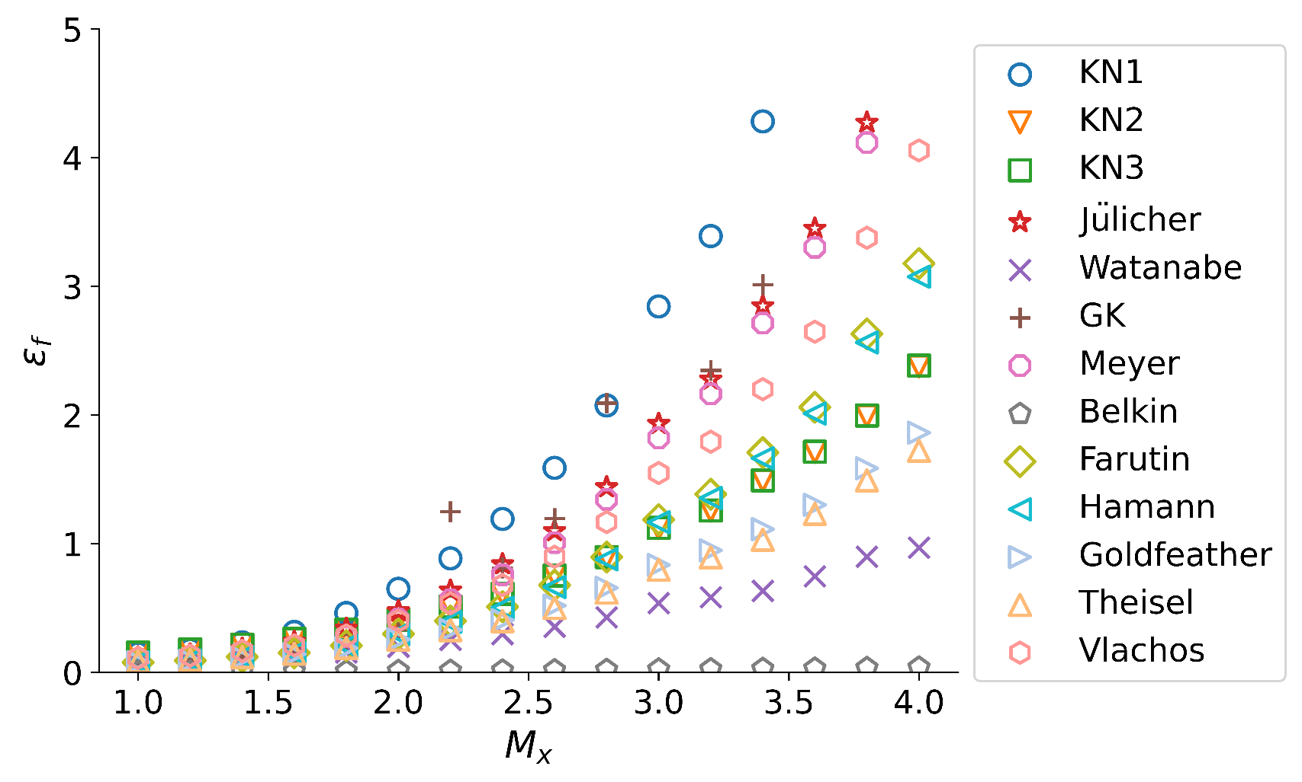
(b)anisotropic
force-density error
M_x=M_y | KN1 | KN2 | KN3 | Julicher | Watanabe | GK | Meyer | belkin | farutin | Hamann | Goldfeather | Theisel | Vlachos
1 | 0.147156 | 0.154489 | 0.154618 | 0.116479 | 0.0753005 | 0.0890526 | 0.0904646 | 0.00496539 | 0.0778004 | 0.0778901 | 0.0786474 | 0.0826975 | 0.112731
1.2 | 0.174014 | 0.17882 | 0.17895 | 0.138981 | 0.0848084 | 0.102674 | 0.105289 | 0.0056056 | 0.0913846 | 0.0913444 | 0.0904504 | 0.0945366 | 0.129904
1.4 | 0.233294 | 0.214941 | 0.215083 | 0.18271 | 0.101252 | 0.13206 | 0.141131 | 0.00670918 | 0.11892 | 0.118486 | 0.114291 | 0.117744 | 0.165681
1.6 | 0.314025 | 0.2606 | 0.26076 | 0.237008 | 0.123523 | 0.168502 | 0.18895 | 0.00776388 | 0.151335 | 0.150581 | 0.141318 | 0.144775 | 0.209778
1.8 | 0.460681 | 0.331831 | 0.332031 | 0.339127 | 0.155592 | 0.230651 | 0.279234 | 0.00918496 | 0.208142 | 0.205976 | 0.188013 | 0.189064 | 0.286642
2 | 0.648929 | 0.409709 | 0.409976 | 0.475433 | 0.199814 | 0.331225 | 0.412371 | 0.0112498 | 0.298382 | 0.295501 | 0.255579 | 0.25319 | 0.400713
2.2 | 0.885584 | 0.512065 | 0.51242 | 0.635827 | 0.252839 | 1.24906 | 0.563822 | 0.013019 | 0.397845 | 0.392692 | 0.330318 | 0.327255 | 0.536195
2.4 | 1.19196 | 0.610617 | 0.611095 | 0.840197 | 0.296978 | 0.811987 | 0.758097 | 0.0149609 | 0.509689 | 0.501882 | 0.405106 | 0.397844 | 0.67852
2.6 | 1.58904 | 0.751737 | 0.752401 | 1.09849 | 0.353824 | 1.1959 | 1.00817 | 0.0172236 | 0.677518 | 0.663236 | 0.518564 | 0.500143 | 0.897946
2.8 | 2.07417 | 0.895628 | 0.896496 | 1.43907 | 0.428017 | 2.09331 | 1.34395 | 0.0197066 | 0.895482 | 0.87831 | 0.656255 | 0.619454 | 1.16762
3 | 2.84376 | 1.12088 | 1.12225 | 1.93163 | 0.537864 | 21.7903 | 1.82074 | 0.0233326 | 1.18747 | 1.16625 | 0.834291 | 0.797173 | 1.54885
3.2 | 3.39059 | 1.25661 | 1.25825 | 2.27632 | 0.583056 | 2.34739 | 2.16383 | 0.025179 | 1.38437 | 1.35444 | 0.948186 | 0.893077 | 1.79214
3.4 | 4.28187 | 1.49044 | 1.49268 | 2.84602 | 0.6332 | 3.01269 | 2.71403 | 0.0275106 | 1.70771 | 1.66385 | 1.11244 | 1.03066 | 2.20022
3.6 | 5.18488 | 1.71241 | 1.71513 | 3.44868 | 0.745942 | 48.4008 | 3.30283 | 0.0301281 | 2.05982 | 2.01161 | 1.30171 | 1.23133 | 2.64709
3.8 | 6.50722 | 1.99346 | 1.99708 | 4.27223 | 0.898858 | 38.3095 | 4.11715 | 0.0343468 | 2.63046 | 2.56396 | 1.58597 | 1.49144 | 3.37743
4 | 8.22634 | 2.3791 | 2.38426 | 5.36837 | 0.968898 | 11163.3 | 5.18556 | 0.0383895 | 3.17748 | 3.07456 | 1.8623 | 1.72194 | 4.05626
mean | 2.3845945625 | 0.8920835625 | 0.8933425 | 1.60291075 | 0.40248536875 | 705.22281885 | 1.5122261625 | 0.018079719375 | 0.973363 | 0.95066053125 | 0.651464925 | 0.61827019375 | 1.2629825

