Sheet2
DB1

DBMS
MySQL

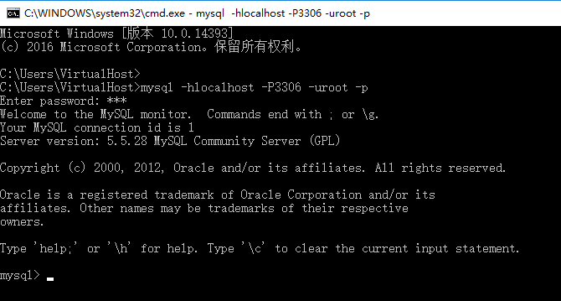
DB1
Table数据表
utf8
s_id | s_name | s_age | s_sex

DB1

