Documentation
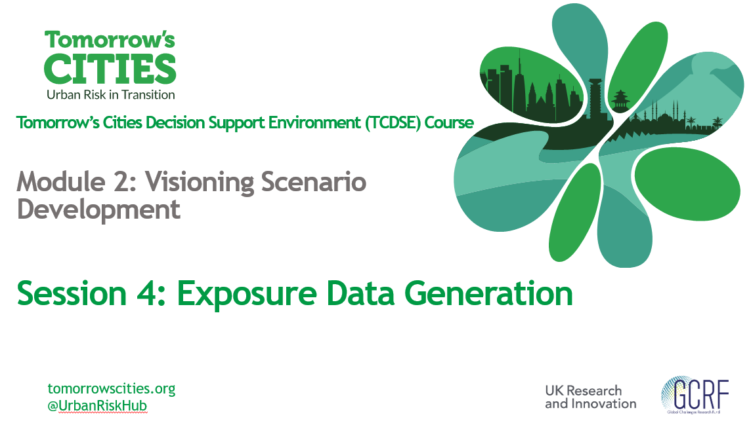
The spreadsheet contains the inputs for Tomorrow's Cities exposure data generation program

