NSGA2 Data
NSGA2 DATA
 | INITIAL |  | TOP INDIVIDUALS |  | SETTINGS |  | PARETO FRONT
 | [C][O][C][=C][C][=C][Branch1][N][O][C@H1][Branch1][C][C][C][N][C][C][C][#N][C][=C][Ring1][#C] | 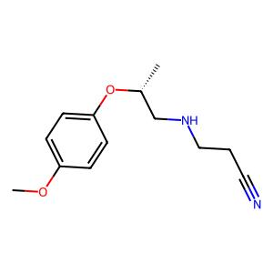 . | [=P+1][#S][#P+1][P+1][#P+1][C][#P][#P][C][=C][C][#P][C][=P+1][#S][#P+1][P+1][#P+1][C][#P][#P][C][=C][C][C][C] | 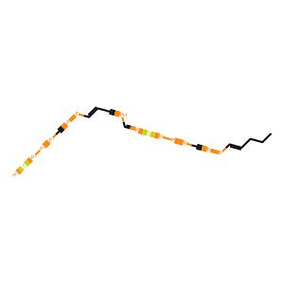 . | Data | fragments | 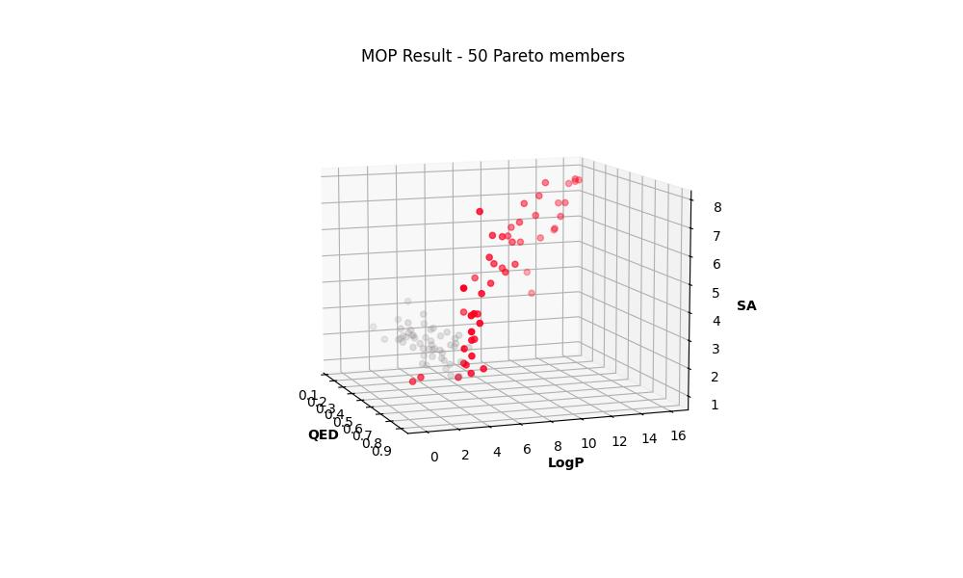 .

 |  |  |  |  | Seed | 1

 |  |  |  |  | Pop_size | 50

 |  |  |  |  | N_Gen | 200

 |  |  |  |  | Sampling | Random uniform

 | [C][C][=C][C][=C][Branch1][S][N][C][=Branch1][C][=O][/C][=C][\C][=C][C][=C][N][=C][Ring1][=Branch1][C][=N][Ring1][P] | 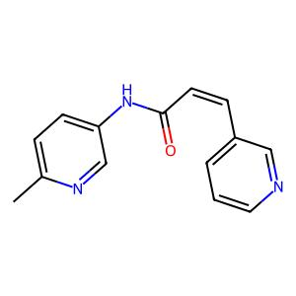 . | [C][C][C][#P+1][=P+1][O+1][#P-1][P+1][#P+1][#P-1][=C][P+1][S][C][C][C][#P+1][=P+1][#P+1][#P-1][=P+1][#P+1][C][=C][C][C] | 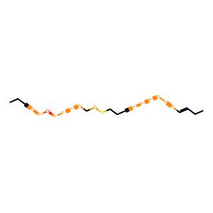 . | Crossover | 1-point, 100%

 |  |  |  |  | Mutation | Random replace, 40%

 |  |  |  |  | Pareto Members | 50

 | [C][C][Branch1][C][C][C][N][Branch1][=N][C][=Branch1][C][=O][C][C][=C][C][=C][S][Ring1][Branch1][C@H1][Ring1][=N][C][C][C][Ring1][Ring1] | 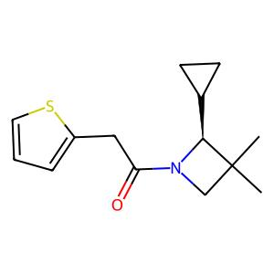 . | [C][=C][C][=C][NH1][C][=C][C][Ring1][Branch1][=C][Ring1][=Branch2][C][C][#P+1][Branch1][#P+1][C][=P+1][#P-1][C][=C][C][C][C] | 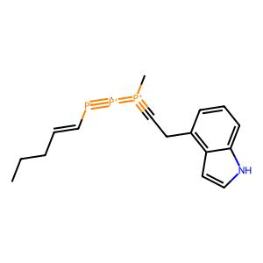 .

 |  |  |  |  | R-METRIC ALL
 |  |  |  |  | 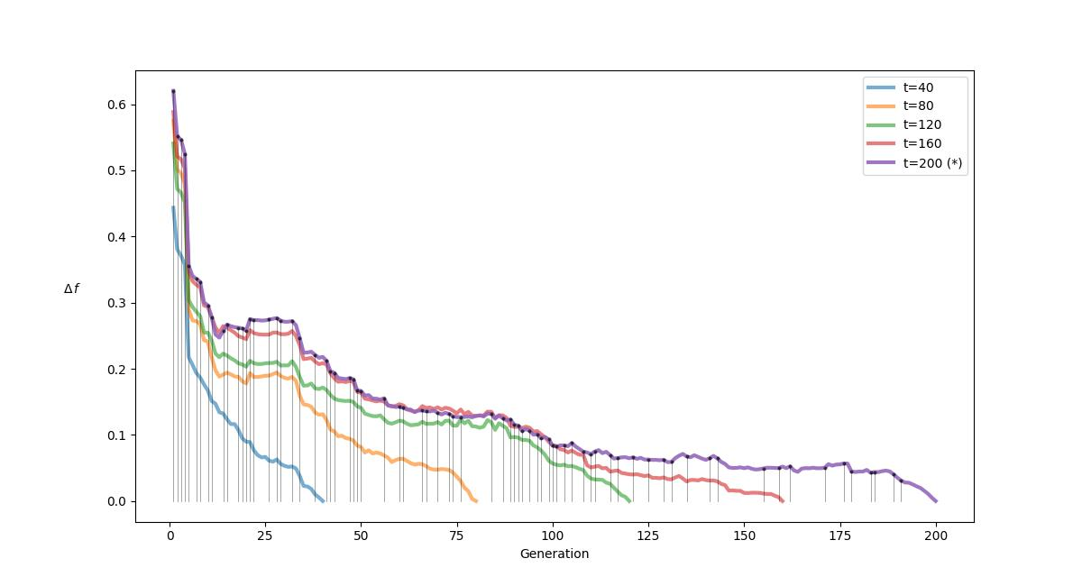 .

 | [O][=C][Branch1][=Branch2][O][C][C][C][C][C][Ring1][Ring1][C][C][=N][N][Branch1][#Branch1][C][C][C][C][Ring1][Ring2][C][=Ring1][=Branch2] | 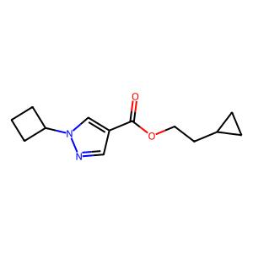 . | [C][=C][N][=C][C][=C][Ring1][=Branch1][C][C][C][Ring1][Ring1][C][=C][C][=C][NH1][=N-1][=C][C][Ring1][Branch1][=C][Ring1][=Branch2] | 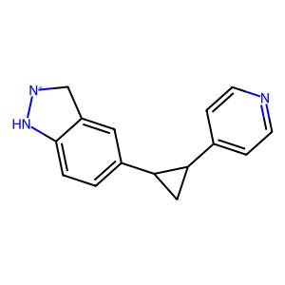 .

 | [C][=C][C][S][C][C][N][C@H1][C][C][O][C][Ring1][Branch1] | 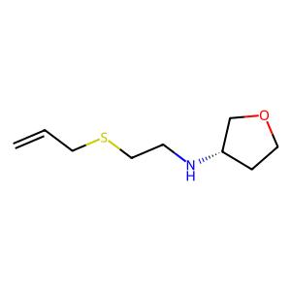 . | [C][C][=C][C][=C][NH1][C][=C][C][Ring1][Branch1][N+1][B-1][=C][O][C][=C][C][=C][C][=C][Ring1][=Branch2][Ring1][=Branch1] | 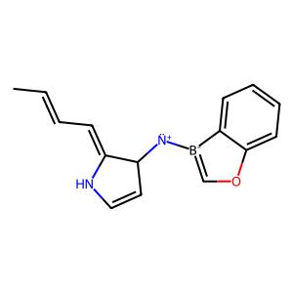 .

 |  |  |  |  | R-METRIC LAST
 |  |  |  |  | 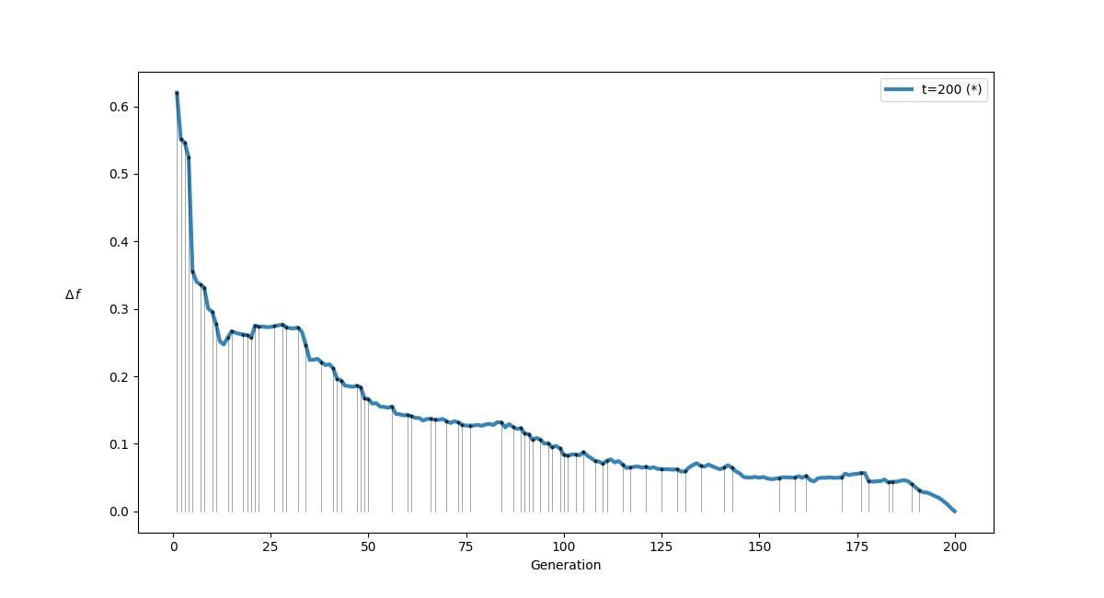 .

 | [C][C][Branch1][C][C][Branch1][O][N][C][C][C][C][C][C][C][Ring1][Ring2][C][=Branch1][C][=O][O] | 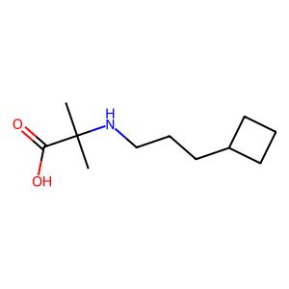 . | [C][=Branch1][Branch3][C][C][C][C][=Branch1][Branch1][C][C][C][C][=P+1][#S][#P+1][P+1][#P+1][C][#P][#P][C][=C][C][C][C] | 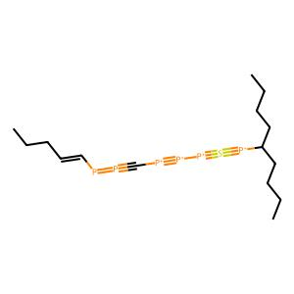 .

 | [C][C][C@H1][Branch1][C][F][C][=Branch1][C][=O][N][Branch1][Ring1][C][C][C][=C][C][=C][NH1][C][=C][C][Ring1][Branch1][=C][Ring1][=Branch2] | 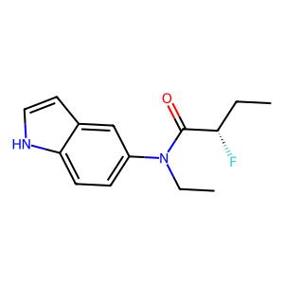 . | [C][=C][C][=C][NH1][=N-1][=C][C][Ring1][Branch1][=C][Ring1][=Branch2][C][=C][C][=C][C][=C][Ring1][=Branch1][Cl][C][C][Ring1][Ring1] | 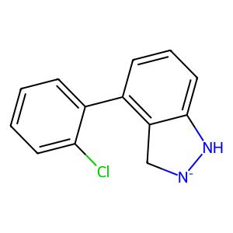 .

 | [C][C][NH1][C][=C][C][=Ring1][Branch1][/C][Branch1][C][O][=N][/C@H1][Branch1][C][C][C][C@H1][Branch1][C][C][O] | 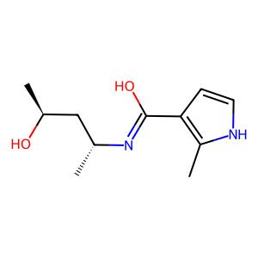 . | [C][C][C][#P+1][=P+1][=P][#P-1][#Branch1][#P+1][C][=C][C][C][C][=C][C][=C][NH1][C][=C][C][Ring1][Branch1][=C][Ring1][=Branch2] | 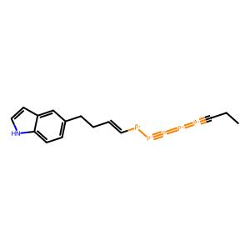 .

 | [C][C][C@][Branch1][C][C][Branch1][N][N][C][=Branch1][C][=O][C@@H1][Branch1][C][C][C][#N][C][=C][C][=C][C][=C][Ring1][=Branch1] | 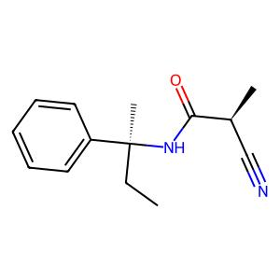 . | [C][C][C][#P+1][=P+1][#P+1][#P-1][=P+1][#P+1][#P-1][=C][P+1][C][C][C][C][#P+1][=P+1][#P+1][#P-1][=P+1][#P+1][#P-1][=C][P+1][C] | 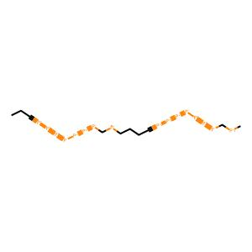 .

 | [C][C][O][C][=C][C][=Ring1][Branch1][C][N][C@H1][Branch1][=Branch1][C][C][C][Ring1][Ring1][C][Branch1][C][C][Branch1][C][C][C][O] | 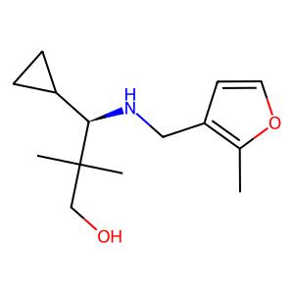 . | [=P+1][#S][#P+1][P+1][#P+1][C][#P][#P][C][=C][C][#P][C][C][C][C][#P+1][=P+1][=P][#P-1][=P+1][#P+1][C][=C][C][C] | 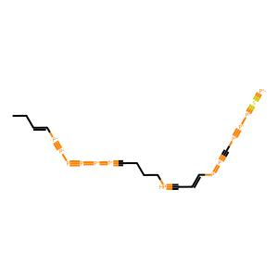 .

 | [C][C][O][C@@H1][Branch1][C][C][C][=Branch1][C][=O][O][C][C][C][Branch1][Ring1][C][C][=N][O][C][=Ring1][#Branch1][C] | 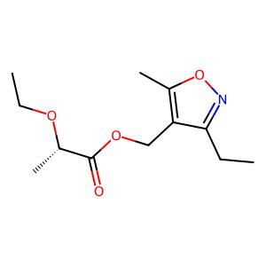 . | [C][=C][C][=C][C][=C][Ring1][=Branch1][C][C][C][Ring1][F][C][=C][C][=C][C][=C][Ring1][=Branch1][Cl][C][C][Ring1][Ring1] | 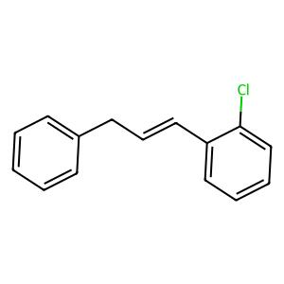 .

 | [C][C][N][Branch1][N][C][=N][C][=C][C][Branch1][C][C][=N][Ring1][#Branch1][C][C][C][C][C][Ring1][Branch1] | 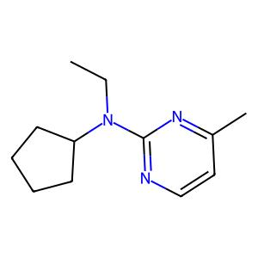 . | [C][=C][C][=C][C][=C][Ring1][=Branch1][C][C][C][Ring1][Ring1][C][C][C][#P+1][=P+1][#P+1][#P-1][=P+1][#P+1][#P-1][=C][P+1][C] | 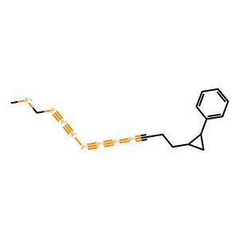 .

 | [C][=C][Branch1][P][C][N][C][C][=C][N][=C][C][=N][C][=C][N][Ring1][=Branch2][Ring1][=Branch1][C][C][C][Ring1][P] | 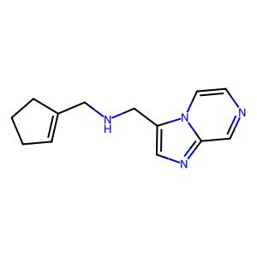 . | [C][C][C][#P+1][=P+1][=P][#P-1][#Branch1][#P+1][C][=C][C][C][C][=C][C][=C][C][=C][Ring1][=Branch1][Cl][C][C][Ring1][Ring1] | 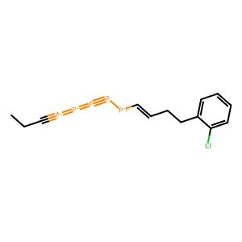 .

 | [C][C@@H1][C@@H1][Branch1][C][C][C][C][N][Ring1][=Branch1][C][=Branch1][C][=O][C][=C][C][=C][C][=C][Ring1][=Branch1][N+1][=Branch1][C][=O][O-1] | 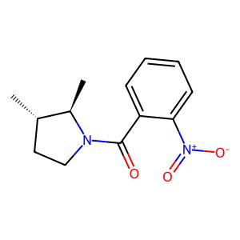 . | [C][C][C][Branch1][Ring1][C][C][=N][O][C][=Ring1][#Branch1][C][C][=C][C][=C][C][=C][Ring1][=Branch1][C][C][C][Ring1][Ring1] | 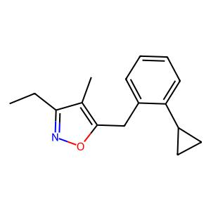 .

 | [C][C][C][C][=Branch1][C][=O][N][C@@H1][Branch1][C][C][C][C][N][Branch1][#Branch1][C][C][Branch1][C][C][C][C][Ring1][Branch2] | 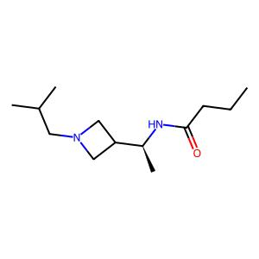 . | [C][C][C][#P+1][=P+1][#P+1][Ring2][=P+1][#P+1][#P-1][=C][P+1][C][C][=C][C][=C][NH1][C][=C][C][Ring1][Branch1][=C][Ring1][=Branch2] | 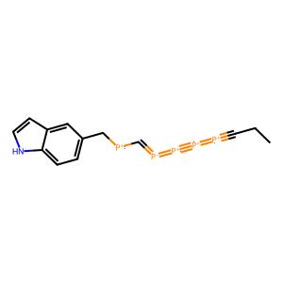 .

 | [C][C@@H1][C][O][C][C@@H1][Ring1][Branch1][N][C][C@H1][Branch1][=Branch2][C][=C][C][=C][C][=C][Ring1][=Branch1][C][C][C][Ring1][Ring1] | 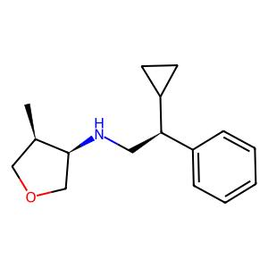 . | [C][C][C][Branch1][Ring1][C][C][=N][O][C][=Ring1][#Branch1][C][C][=C][N][=C][C][=C][Ring1][=Branch1][C][C][C][Ring1][Ring1] | 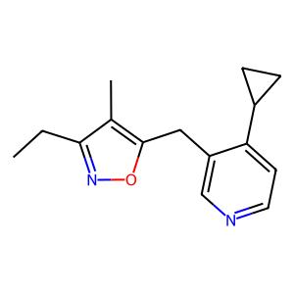 .

 | [C][C][=C][C][Branch1][=N][C][N][C][C@H1][Branch1][C][C][C][C@@H1][Ring1][=Branch1][C][=C][C][=C][Ring1][=C][F] | 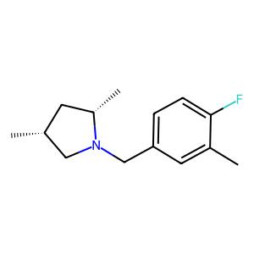 . | [C][C][#P+1][Branch1][#P+1][C][=P+1][#P-1][C][=C][C][C][C][C][=C][C][=C][C][=C][Ring1][=Branch1][C][C][C][Ring1][Ring1] | 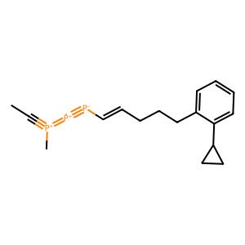 .

 | [C][N][C][Branch1][N][S][C][C][O][C][C][C][C][C][Ring1][Branch1][=N][NH1][C][Ring1][=C][=N] | 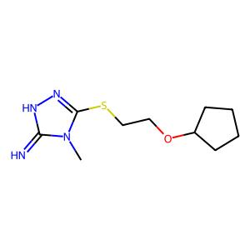 . | [C][C][C][#P+1][=P+1][#P+1][#P-1][=P+1][#P+1][C][=C][C][C][C][C][C][#P+1][=P+1][#P+1][#P-1][=P+1][=P][#P-1][=C][C][C] | 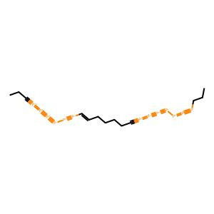 .

 | [C][C@H1][Branch1][C][N][C][C@H1][Branch1][C][C][N][C][C][=N][N][Branch1][#Branch1][C][C][Branch1][C][F][F][C][=Ring1][=Branch2] | 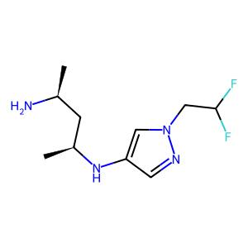 . | [H][C][C][=C][C][=C][NH1][C][=C][C][Ring1][Branch1][C][C][=C][C][=C][C][=C][Ring1][=Branch1][C][C][C][#P-1][F] | 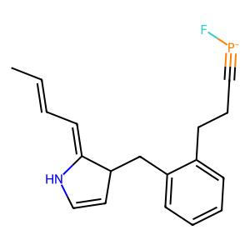 .

 | [C][O][C][C][C][C][N][Branch1][O][C][C@H1][Branch1][C][O][C@@H1][Branch1][C][C][O][C][C][Ring1][N] | 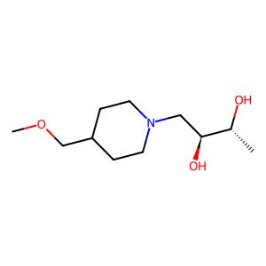 . | [C][=C][C][=C][NH1][C][=C][C][Ring1][Branch1][=C][Ring1][=Branch2][C][C][C][#P+1][=P+1][#P+1][#P-1][P+1][#P+1][#P-1][=C][P+1][S] | 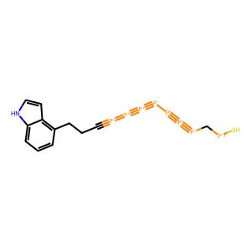 .

 | [C][C][=C][O][N][=C][Ring1][Branch1][C][=Branch1][C][=O][N][C][C][C@H1][Branch1][Branch2][C][C][C][C][C][Ring1][Branch1][C][Ring1][#Branch2] | 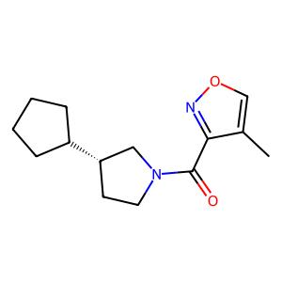 . | [C][=C][C][=C][NH1][C][=C][C][Ring1][Branch1][=C][Ring1][=Branch2][C][=C][C][=C][C][=C][Ring1][=Branch1][C][C][C][Ring1][Ring1] | 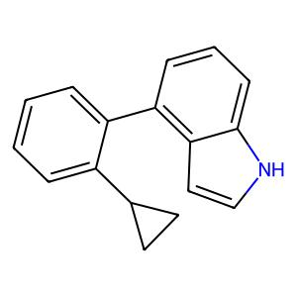 .

 | [C][C][O][C@H1][C][C][C][N][Branch1][=C][C][C@][Branch1][C][C][Branch1][C][O][C][Branch1][C][F][F][C][Ring1][=N] | 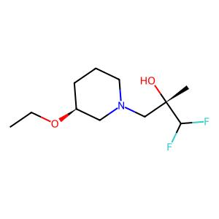 . | [C][C][C][#P+1][=P+1][#P+1][Ring2][=P+1][#P+1][#P-1][=C][P+1][C][C][=C][C][=C][NH1][=N-1][=C][C][Ring1][Branch1][=C][Ring1][=Branch2] | 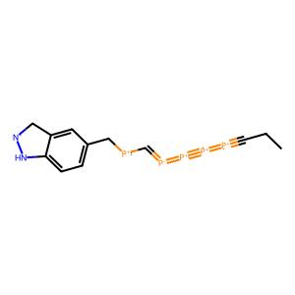 .

 | [C][C][=C][C][Branch1][C][C][=C][C][Branch1][S][C][N][C][=Branch1][C][=O][N][Branch1][C][C][C][Branch1][C][C][C][=C][Ring1][S] | 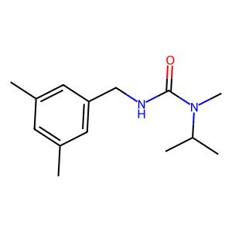 . | [C][C][C][#P+1][=P+1][#P+1][#P-1][=P+1][#P+1][#P-1][=C][P+1][C][C][C][C][#P+1][=P+1][=P][#P-1][C+1][=B-1][C][=C][C][C] | 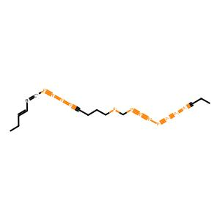 .

 | [C][O][C][C][C][C][N][C][=Branch1][C][=O][N][C][C][C][C@@H1][Branch1][Ring1][C][F][C][Ring1][Branch2] | 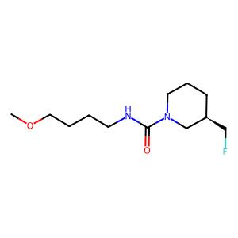 . | [C][=C][C][=C][C][=C][Ring1][=Branch1][C][C][Ring1][Ring1][Ring1][=Branch1][C][C][C][C][C][=Branch1][S][C][C][C][C][C] |  .

 | [O][C@@H1][C][C][C][C][C@@H1][Ring1][=Branch1][C][N][C][C][C@][Branch1][#Branch1][C][C][N][C][Ring1][Branch1][C][Ring1][=Branch2] |  . | [C][C][C][#P+1][=P+1][#P+1][#P-1][=P+1][#P+1][#P-1][=C][P+1][C][C][=C][C][=C][C][=C][Ring1][=Branch1][Cl][C][C][Ring1][Ring1] |  .

 | [C][C][Branch1][C][C][O][C][C@H1][Branch1][C][N][C][=Branch1][C][=O][N][C][C][C@@H1][Branch1][C][C][C@H1][Branch1][C][O][C][Ring1][Branch2] |  . | [C][=C][C][=C][NH1][=N-1][=C][C][Ring1][Branch1][=C][Ring1][=Branch2][C][Branch2][C][#P+1][=P+1][=P][#P-1][#Branch1][#P+1][C][=C][C][C] |  .

 | [C][O][C@H1][Branch1][C][C][C][=Branch1][C][=O][N][C][C][=C][O][C][=C][C][=C][C][=C][Ring1][=Branch2][Ring1][=Branch1] |  . | [H][C][C][=C][C][=C][NH1][C][=C][C][Ring1][Branch1][C][C][=C][C][=C][C][=C][Ring1][=Branch1][C][C][C][Ring1][Ring1] |  .

 | [C][C@@H1][Branch1][=C][N][C][=Branch1][C][=O][C@@H1][C][O][C][C][O][Ring1][=Branch1][C][=C][C][=C][C][=N][Ring1][=Branch1] |  . | [C][C][C][#P+1][=P+1][#P+1][#P-1][P+1][#P+1][#P-1][=C][P+1][S][C][C][C][#P+1][#Branch1][=P][#P-1][#Branch1][#P+1][C][=C][C][C] |  .

 | [C][C][NH1][N][=C][Branch1][#Branch2][N][C][=Branch1][C][=O][C][C][C][F][C][=Ring1][N][Cl] |  . | [C][=C][C][=C][C][=C][Ring1][=Branch1][C][C][Ring1][Ring1][Ring1][C][C][C][Branch1][Ring1][C][C][=N][O][C][=Ring1][#Branch1][C] |  .

 | [C][C][N][Branch1][#Branch1][C][C][C][C][Ring1][Ring1][S][=Branch1][C][=O][=Branch1][C][=O][C@H1][C][C][O][C][Ring1][Branch1] |  . | [C][C][C][#P+1][=P+1][#P+1][#P-1][P+1][#P+1][#P-1][=C][P+1][S][C][C][C][#P+1][=P+1][#P+1][#P-1][=P+1][#P+1][#P-1][=C][P+1][C] |  .

 | [C][#C][C][N][Branch1][C][C][C][=Branch1][C][=O][C@@H1][Branch1][C][C][N][C][=N][C][=C][C][=C][C][=C][Ring1][=Branch1][Ring1][=Branch2] |  . | [C][=C][C][=C][C][=C][Ring1][=Branch1][C][C][C][Ring1][F][C][=C][C][=C][C][=C][=Ring1][=Branch1][Cl][C][C][Ring1][Ring1] |  .

 | [C][O][C][=C][C][=C][Branch1][=N][O][C][=Branch1][C][=O][O][C][C][C][C][Ring1][Ring1][C][=C][Ring1][=C] |  . | [H][C][C][C][Ring1][Branch1][C][C][C][C][C][Ring1][=Branch1][C][=C][C][=C][C][=C][Ring1][=Branch1][C][C][C][Ring1][Ring1] |  .

 | [C][C][C][C@@H1][Branch1][=C][C][N][C][C@@H1][Branch1][Ring1][O][C][C][Branch1][C][C][C][O][C] |  . | [C][=C][C][=C][C][=C][Ring1][=Branch1][C][C][C][Ring1][Ring1][=P+1][#S][#P+1][P+1][#P+1][C][#P][#P][C][=C][C][C][C] |  .

 | [C][C][N][Branch1][#Branch1][C][C][C][C][Ring1][Ring1][C][C@@H1][Branch1][C][C][S][Branch1][C][C][=Branch1][C][=O][=O] |  . | [C][C][#P+1][Branch1][#P+1][C][=P+1][#P-1][C][=C][P-1][C][=Branch1][C][C][C][#P+1][=P+1][#P+1][#P-1][=P+1][=P][#P-1][=C][C][C] |  .

 | [C][C@@H1][Branch1][P][N][C][=Branch1][C][=O][C@@H1][C][C][C@H1][Ring1][Ring2][C][=Branch1][C][=O][O][C][=C][C][=C][N][=C][Ring1][=Branch1] |  . | [C][C][#P+1][Branch1][#P+1][C][=P+1][#P-1][C][=C][P-1][C][=Branch1][C][C][=C][C][=C][NH1][C][=C][C][Ring1][Branch1][N+1] |  .

 | [O][=C][Branch1][#Branch2][C][O][C][C][C][C][C][Ring1][Branch1][N][C][C][C][=N][C][=C][NH1][Ring1][Branch1] |  . | [H][C][C][=C][C][=C][NH1][C][=C][C][Ring1][Branch1][C][C][C][C][Branch1][Ring1][C][C][=N][O][C][=Ring1][#Branch1][C] |  .

 | [C][S][C][C][C@H1][Branch1][C][N][C][=Branch1][C][=O][N][C][C@H1][C][C][O][C][Ring1][Branch1] |  . | [C][C][C][#P+1][=P+1][#P+1][#P-1][=P+1][#P+1][C][=C][C][P][=P+1][#S][#P+1][P+1][#P+1][C][#P][#P][C][=C][C][C][C] |  .

 | [C][C@H1][N][C][C][C][C@@H1][Ring1][=Branch1][N][C][C][=N][N][=N][N][Ring1][Branch1][C][C][C][Ring1][Ring1] |  . | [C][C][#P+1][Branch1][#P+1][C][=P+1][#P-1][C][=C][P-1][C][=Branch1][C][C][C][#P+1][=P+1][=P][#P-1][=P+1][#P+1][C][=C][C][C] |  .

 | [C][O][C][=C][C][=C][C][=C][C][=C][Branch1][C][Br][N][=C][Ring1][O][Ring1][#Branch1] |  . | [C][=C][C][=C][NH1][C][=C][C][Ring1][Branch1][=C][Ring1][=Branch2][C][C][C][#P+1][=P+1][=P][#P-1][=P+1][#P+1][C][=C][C][C] |  .

 | [C][#C][C][C][C][O] |  . | [=P+1][#S][B-1][P+1][#P+1][C][#P][#P][C][#Branch1][#Branch3][C][C][C][C][C][#P+1][=P+1][#P+1][#P-1][=P+1][#P+1][C][=C][C][C] |  .

 | [C][C][Branch1][C][C][C@@][Branch1][C][C][Branch1][Ring1][C][#N][N][C][=Branch1][C][=O][C][S][C][C][O] |  . | [C][C][C][#P+1][=P+1][=P][#P-1][=P+1][#P+1][C][=C][C][Branch1][C][C][C][#P+1][=P+1][#P+1][#P-1][=P+1][#P+1][C][=C][C][C] |  .

 | [C][C][C@@H1][Branch1][Ring1][C][N][C][=Branch1][C][=O][O] |  . | [C][=C][C][=C][C][=C][Ring1][=Branch1][Cl][C][C][Ring1][Ring1][C][C][C][C][Ring1][Branch1][C][C][C][C][C][Ring1][=Branch1] |  .

 | [C][C@@H1][C][O][C@H1][Branch1][Ring1][C][O][C][N][Ring1][Branch2][C][=Branch1][C][=O][C][=C][NH1][C][Branch1][Ring1][C][#N][=C][Ring1][#Branch1] |  . | [C][#Branch1][C][#P+1][=P+1][#P+1][#P-1][=P+1][#P+1][C][=C][C][C][C][=C][C][=C][NH1][=N-1][=C][C][Ring1][Branch1][=C][Ring1][=Branch2] |  .

 | [C][C@@H1][Branch2][Ring1][C][C][N][C][=Branch1][C][=O][N][C][C][C@@H1][Branch1][Ring1][C][F][C][Ring1][#Branch1][C][=Branch1][C][=O][O] |  . | [C][#Branch1][C][#P+1][=P+1][#P+1][#P-1][=P+1][#P+1][C][#P+1][C][C][=P+1][#S][#P+1][P+1][#P+1][C][#P][#P][C][=C][C][C][C] |  .

 | [C][C][C@@H1][Branch1][Ring1][O][C][C][=Branch1][C][=O][N][C@@H1][Branch1][Ring1][C][O][C][Branch1][C][C][C] |  . | [C][=C][C][=C][NH1][=N-1][=C][C][Ring1][Branch1][=C][Ring1][=Branch2][C][C][C][Branch1][Ring1][C][C][=N][O][C][=Ring1][#Branch1][C] |  .

 | [C][C@@H1][Branch1][Ring1][C][O][N][Branch1][C][C][C][=Branch1][C][=O][C][=C][C][=C][Branch1][=Branch1][C][Branch1][C][N][=O][S][Ring1][Branch2] |  . | [=P+1][#S][#P+1][P+1][#P+1][C][#P][#P][C][=C][#Branch3][C][C][C][C][C][#P+1][=P+1][=P][#P-1][#Branch1][#P+1][C][=C][C][C] |  .

 | [C][C][C][Branch2][Ring1][C][C][=Branch1][C][=O][N][C][C][C@H1][Ring1][Ring2][C][N][C][Branch1][C][C][=O][C][C][Ring1][=C] |  . | [C][C][C][C][Ring1][Branch1][C][C][C][C][C][Ring1][=Branch1][C][C][C][#P+1][=P+1][#P+1][#P-1][=P+1][#P+1][#P-1][=C][P+1][C] |  .

 | [C][C][O][C@H1][Branch1][C][C][C][=Branch1][C][=O][N][C][C][C@H1][Branch1][Ring1][N][C][C][Ring1][#Branch1] |  . | [C][=C][C][=C][C][=C][Ring1][=Branch1][C][C][C][Ring1][Ring1][H][C][C][=C][C][=C][NH1][C][=C][C][Ring1][Branch1][C] |  .

 | [C][C][C@@H1][Branch1][N][N][C][C][=C][C][=C][C][=C][Ring1][=Branch1][F][C][=N][C][=C][N][Ring1][Branch1][C] |  . | [C][=C][C][=C][NH1][C][=C][C][Ring1][Branch1][=C][Ring1][=Branch2][C][C][C][C][Ring1][Branch1][C][C][C][C][C][Ring1][=Branch1] |  .

 | [N][#C][C][C][N][C][=Branch1][C][=O][N][C][C][C][C][Ring1][Branch1][C][C][C][C][C][Ring1][=Branch1] |  . | [C][=C][C][=C][C][=C][Ring1][=Branch1][C][C][C][Ring1][Ring1][C][=C][C][=C][C][=C][Ring1][=Branch1][C][C][C][#P-1][F] |  .

NSGA3 Data
NSGA3 DATA
 | INITIAL |  | TOP INDIVIDUALS |  | SETTINGS |  | PARETO FRONT
 | [C][O][C][=C][C][=C][Branch1][N][O][C@H1][Branch1][C][C][C][N][C][C][C][#N][C][=C][Ring1][#C] | . | [C][C][C][P+1][O][C][=C][P-1][P-1][P][=P+1][#P-1][=Branch2][=Branch2][C][=Branch1][C][C][C][C][Ring1][=C][C][C][C][C] |  . | Data | fragments |  .

 |  |  |  |  | Seed | 1

 |  |  |  |  | Pop_size | 50

 |  |  |  |  | N_Gen | 200

 |  |  |  |  | Sampling | Random uniform

 | [C][C][=C][C][=C][Branch1][S][N][C][=Branch1][C][=O][/C][=C][\C][=C][C][=C][N][=C][Ring1][=Branch1][C][=N][Ring1][P] | . | [C][C][C][=C][O][C][=C][P-1][P-1][P][=P+1][#P-1][=Branch2][C][C][C][C][C][C][#C][=C][C][C][C][C][C] |  . | Crossover | 1-point, 100%

 |  |  |  |  | Mutation | Random replace, 40%

 |  |  |  |  | Pareto Members | 29

 | [C][C][Branch1][C][C][C][N][Branch1][=N][C][=Branch1][C][=O][C][C][=C][C][=C][S][Ring1][Branch1][C@H1][Ring1][=N][C][C][C][Ring1][Ring1] | . | [C][C][C][P-1][#S][C][C][Ring1][#O+1][C][C][C][C][C][C][C][C][C][C][Ring1][=C][C][C][C][C] |  .

 |  |  |  |  | R-METRIC ALL
 |  |  |  |  |  .

 | [O][=C][Branch1][=Branch2][O][C][C][C][C][C][Ring1][Ring1][C][C][=N][N][Branch1][#Branch1][C][C][C][C][Ring1][Ring2][C][=Ring1][=Branch2] | . | [C][#Branch3][=Branch2][N+1][C][C][=C][C][=C][C][=C][Ring1][=Branch1][C][=Branch2][=Branch2][C][C][C][=C][C][=C][C][=C][Ring1][=Branch1] |  .

 | [C][=C][C][S][C][C][N][C@H1][C][C][O][C][Ring1][Branch1] | . | [H][C][C][C][C][C][=Branch3][Br][N][C][C][C][C][C][C][C][H][C][C][#C][=C][C][C][C][C][C] |  .

 |  |  |  |  | R-METRIC LAST
 |  |  |  |  |  .

 | [C][C][Branch1][C][C][Branch1][O][N][C][C][C][C][C][C][C][Ring1][Ring2][C][=Branch1][C][=O][O] | . | [C][C][C][C][C][Branch2][#C][=C][C][C][C][C][C][C][C][C][=C][O][C][=C][P-1][Ring1][P][=P+1][#P-1][=Branch2] |  .

 | [C][C][C@H1][Branch1][C][F][C][=Branch1][C][=O][N][Branch1][Ring1][C][C][C][=C][C][=C][NH1][C][=C][C][Ring1][Branch1][=C][Ring1][=Branch2] | . | [=Branch1][=Branch1][#N][C][C][=C][C][=C][C][=C][Ring1][=Branch1][C][=Branch2][=Branch1][#N][C][C][=C][C][=C][C][=C][Ring1][=Branch1][C] |  .

 | [C][C][NH1][C][=C][C][=Ring1][Branch1][/C][Branch1][C][O][=N][/C@H1][Branch1][C][C][C][C@H1][Branch1][C][C][O] | . | [C][C][C][C][C][C][Ring1][=C][C][C][C][C][C][C][C][C][C][C][C][=Branch3][#B-1][N][C][C][C][C] |  .

 | [C][C][C@][Branch1][C][C][Branch1][N][N][C][=Branch1][C][=O][C@@H1][Branch1][C][C][C][#N][C][=C][C][=C][C][=C][Ring1][=Branch1] | . | [=Branch1][#N][C][=C][O][C][=C][C][=C][C][=C][Ring1][=Branch2][C][/C][C][=C][O][C][=C][C][=C][C][=C][Ring1][=Branch2] |  .

 | [C][C][O][C][=C][C][=Ring1][Branch1][C][N][C@H1][Branch1][=Branch1][C][C][C][Ring1][Ring1][C][Branch1][C][C][Branch1][C][C][C][O] | . | [C][C][C][C][C][C][Ring1][=C][C][C][C][C][=Branch2][=Branch2][Branch1][C][=C][C][=C][C][=C][Ring1][=Branch1][Br][C] |  .

 | [C][C][O][C@@H1][Branch1][C][C][C][=Branch1][C][=O][O][C][C][C][Branch1][Ring1][C][C][=N][O][C][=Ring1][#Branch1][C] | . | [C][C][C][C][C][Branch2][#C][=C][C][C][C][C][C][C][C][C][C][C][Branch2][#C][=C][C][C][C][C][C] |  .

 | [C][C][N][Branch1][N][C][=N][C][=C][C][Branch1][C][C][=N][Ring1][#Branch1][C][C][C][C][C][Ring1][Branch1] | . | [Ring2][C][C][C][C][C][=C][C][=C][C][=C][Ring1][=Branch1][=Branch2][=Branch2][Branch1][C][=C][C][=C][C][=C][Ring1][=Branch1][Br][C] |  .

 | [C][=C][Branch1][P][C][N][C][C][=C][N][=C][C][=N][C][=C][N][Ring1][=Branch2][Ring1][=Branch1][C][C][C][Ring1][P] | . | [C][/C][C][=C][O][C][=C][C][=C][C][=C][Ring1][=Branch2][=N-1][C][C][=C][O][C][=C][C][=C][P][=C][Ring1][=Branch2] |  .

 | [C][C@@H1][C@@H1][Branch1][C][C][C][C][N][Ring1][=Branch1][C][=Branch1][C][=O][C][=C][C][=C][C][=C][Ring1][=Branch1][N+1][=Branch1][C][=O][O-1] | . | [C][C][C][=C][#Branch2][C][=C][P-1][=C][P][=P+1][#P-1][=Branch2][C][C][C][C][C][C][=Branch3][#B-1][N][C][C][C][C] |  .

 | [C][C][C][C][=Branch1][C][=O][N][C@@H1][Branch1][C][C][C][C][N][Branch1][#Branch1][C][C][Branch1][C][C][C][C][Ring1][Branch2] | . | [=Branch1][#N][C][=C][O][C][=C][C][=C][C][=C][Ring1][=Branch2][=N-1][C][C][=C][O][C][=C][C][=C][P][=C][Ring1][=Branch2] |  .

 | [C][C@@H1][C][O][C][C@@H1][Ring1][Branch1][N][C][C@H1][Branch1][=Branch2][C][=C][C][=C][C][=C][Ring1][=Branch1][C][C][C][Ring1][Ring1] | . | [C][#Branch3][=Branch2][N+1][C][C][=C][C][=C][C][=C][Ring1][=Branch1][=Branch1][=Branch1][#N][C][C][=C][C][=C][C][=C][Ring1][=Branch1][C] |  .

 | [C][C][=C][C][Branch1][=N][C][N][C][C@H1][Branch1][C][C][C][C@@H1][Ring1][=Branch1][C][=C][C][=C][Ring1][=C][F] | . | [C][=Branch1][C][C][C][C][C][#Branch3][#C][N][C][C][C][C][C][C][C][C][C][=Branch3][#B-1][N][C][C][C] |  .

 | [C][N][C][Branch1][N][S][C][C][O][C][C][C][C][C][Ring1][Branch1][=N][NH1][C][Ring1][=C][=N] | . | [=Branch1][#N][C][=C][O][C][=C][C][#N+1][C][=C][Ring1][=Branch2][=N-1][C][C][=C][O][C][=C][C][=C][P][=C][Ring1][=Branch2] |  .

 | [C][C@H1][Branch1][C][N][C][C@H1][Branch1][C][C][N][C][C][=N][N][Branch1][#Branch1][C][C][Branch1][C][F][F][C][=Ring1][=Branch2] | . | [C][C][C][C][C][C][#C][=C][C][C][C][C][C][C][C][C][C][C][C][#C][=C][C][C][C][C][C] |  .

 | [C][O][C][C][C][C][N][Branch1][O][C][C@H1][Branch1][C][O][C@@H1][Branch1][C][C][O][C][C][Ring1][N] | . | [C][C][C][C][C][C][Ring1][=C][C][C][C][C][=Branch2][C][=Branch1][C][C][C][C][Ring1][=C][C][C][C][C] |  .

 | [C][C][=C][O][N][=C][Ring1][Branch1][C][=Branch1][C][=O][N][C][C][C@H1][Branch1][Branch2][C][C][C][C][C][Ring1][Branch1][C][Ring1][#Branch2] | . | [C][C][C][=C][O][C][=C][P-1][Ring1][P][=P+1][#P-1][=Branch2][=N-1][C][C][=C][O][C][=C][C][=C][P][=C][Ring1][=Branch2] |  .

 | [C][C][O][C@H1][C][C][C][N][Branch1][=C][C][C@][Branch1][C][C][Branch1][C][O][C][Branch1][C][F][F][C][Ring1][=N] | . | [C][C][C][C][C][Branch2][Ring1][=C][C][C][C][C][C][C][C][C][C][C][C][Ring1][=C][C][C][C][C][C] |  .

 | [C][C][=C][C][Branch1][C][C][=C][C][Branch1][S][C][N][C][=Branch1][C][=O][N][Branch1][C][C][C][Branch1][C][C][C][=C][Ring1][S] | . | [C][/C][C][=C][O][C][=C][C][=C][C][=C][Ring1][=Branch2][=Branch1][#N][C][=C][O][C][=C][C][=C][C][=C][Ring1][=Branch2] |  .

 | [C][O][C][C][C][C][N][C][=Branch1][C][=O][N][C][C][C][C@@H1][Branch1][Ring1][C][F][C][Ring1][Branch2] | . | [C][/C][C][=C][O][C][=C][C][=C][C][=C][Ring1][=Branch2][/C][C][=C][O][C][=C][C][=C][B][=C][Ring1][=Branch2][#N] |  .

 | [O][C@@H1][C][C][C][C][C@@H1][Ring1][=Branch1][C][N][C][C][C@][Branch1][#Branch1][C][C][N][C][Ring1][Branch1][C][Ring1][=Branch2] | . | [Ring2][C][C][C][C][C][=C][C][=C][C][=C][Ring1][=Branch1][C][/C][C][=C][O][C][=C][C][=C][C][S][Ring1][=Branch2] |  .

 | [C][C][Branch1][C][C][O][C][C@H1][Branch1][C][N][C][=Branch1][C][=O][N][C][C][C@@H1][Branch1][C][C][C@H1][Branch1][C][O][C][Ring1][Branch2] | . | [C][C][C][=C][O][P+1][=C][P-1][P-1][P][=P+1][#P-1][=Branch2][C][C][C][=C][O][C][=C][P-1][Ring1][P][=P+1][#P-1][=Branch2] |  .

 | [C][O][C@H1][Branch1][C][C][C][=Branch1][C][=O][N][C][C][=C][O][C][=C][C][=C][C][=C][Ring1][=Branch2][Ring1][=Branch1] | . | [C][C][C][C][C][Branch2][Ring1][=C][C][C][C][C][C][=Branch2][C][=Branch1][C][C][C][C][Ring1][=C][C][C][C][C] |  .

 | [C][C@@H1][Branch1][=C][N][C][=Branch1][C][=O][C@@H1][C][O][C][C][O][Ring1][=Branch1][C][=C][C][=C][C][=N][Ring1][=Branch1] | . | [=Branch1][=Branch1][#N][C][C][=C][C][=C][C][=C][Ring1][=Branch1][C][#Branch2][=Branch2][Branch1][C][=C][C][=C][C][=C][Ring1][=Branch1][Br][C] |  .

 | [C][C][NH1][N][=C][Branch1][#Branch2][N][C][=Branch1][C][=O][C][C][C][F][C][=Ring1][N][Cl] | . | [C][C][C][=C][O][C][=C][P-1][P-1][P][=P+1][#P-1][=Branch2][C][C][C][=C][O][C][=C][P-1][P-1][P][=P+1][#P-1][=Branch2] |  .

 | [C][C][N][Branch1][#Branch1][C][C][C][C][Ring1][Ring1][S][=Branch1][C][=O][=Branch1][C][=O][C@H1][C][C][O][C][Ring1][Branch1] | .

 | [C][#C][C][N][Branch1][C][C][C][=Branch1][C][=O][C@@H1][Branch1][C][C][N][C][=N][C][=C][C][=C][C][=C][Ring1][=Branch1][Ring1][=Branch2] | .

 | [C][O][C][=C][C][=C][Branch1][=N][O][C][=Branch1][C][=O][O][C][C][C][C][Ring1][Ring1][C][=C][Ring1][=C] | .

 | [C][C][C][C@@H1][Branch1][=C][C][N][C][C@@H1][Branch1][Ring1][O][C][C][Branch1][C][C][C][O][C] | .

 | [C][C][N][Branch1][#Branch1][C][C][C][C][Ring1][Ring1][C][C@@H1][Branch1][C][C][S][Branch1][C][C][=Branch1][C][=O][=O] | .

 | [C][C@@H1][Branch1][P][N][C][=Branch1][C][=O][C@@H1][C][C][C@H1][Ring1][Ring2][C][=Branch1][C][=O][O][C][=C][C][=C][N][=C][Ring1][=Branch1] | .

 | [O][=C][Branch1][#Branch2][C][O][C][C][C][C][C][Ring1][Branch1][N][C][C][C][=N][C][=C][NH1][Ring1][Branch1] | .

 | [C][S][C][C][C@H1][Branch1][C][N][C][=Branch1][C][=O][N][C][C@H1][C][C][O][C][Ring1][Branch1] | .

 | [C][C@H1][N][C][C][C][C@@H1][Ring1][=Branch1][N][C][C][=N][N][=N][N][Ring1][Branch1][C][C][C][Ring1][Ring1] | .

 | [C][O][C][=C][C][=C][C][=C][C][=C][Branch1][C][Br][N][=C][Ring1][O][Ring1][#Branch1] | .

 | [C][#C][C][C][C][O] | .

 | [C][C][Branch1][C][C][C@@][Branch1][C][C][Branch1][Ring1][C][#N][N][C][=Branch1][C][=O][C][S][C][C][O] | .

 | [C][C][C@@H1][Branch1][Ring1][C][N][C][=Branch1][C][=O][O] | .

 | [C][C@@H1][C][O][C@H1][Branch1][Ring1][C][O][C][N][Ring1][Branch2][C][=Branch1][C][=O][C][=C][NH1][C][Branch1][Ring1][C][#N][=C][Ring1][#Branch1] | .

 | [C][C@@H1][Branch2][Ring1][C][C][N][C][=Branch1][C][=O][N][C][C][C@@H1][Branch1][Ring1][C][F][C][Ring1][#Branch1][C][=Branch1][C][=O][O] | .

 | [C][C][C@@H1][Branch1][Ring1][O][C][C][=Branch1][C][=O][N][C@@H1][Branch1][Ring1][C][O][C][Branch1][C][C][C] | .

 | [C][C@@H1][Branch1][Ring1][C][O][N][Branch1][C][C][C][=Branch1][C][=O][C][=C][C][=C][Branch1][=Branch1][C][Branch1][C][N][=O][S][Ring1][Branch2] | .

 | [C][C][C][Branch2][Ring1][C][C][=Branch1][C][=O][N][C][C][C@H1][Ring1][Ring2][C][N][C][Branch1][C][C][=O][C][C][Ring1][=C] | .

 | [C][C][O][C@H1][Branch1][C][C][C][=Branch1][C][=O][N][C][C][C@H1][Branch1][Ring1][N][C][C][Ring1][#Branch1] | .

 | [C][C][C@@H1][Branch1][N][N][C][C][=C][C][=C][C][=C][Ring1][=Branch1][F][C][=N][C][=C][N][Ring1][Branch1][C] | .

 | [N][#C][C][C][N][C][=Branch1][C][=O][N][C][C][C][C][Ring1][Branch1][C][C][C][C][C][Ring1][=Branch1] | .

MOEAD Data
MOEAD DATA
 | INITIAL |  | TOP INDIVIDUALS |  | SETTINGS |  | PARETO FRONT
 | [C][O][C][=C][C][=C][Branch1][N][O][C@H1][Branch1][C][C][C][N][C][C][C][#N][C][=C][Ring1][#C] | . | [C][C][C][C][C][Branch1][O][C][C][C][C][C][C][C][C][Branch1][Ring1][C][C][=N][O][C][=Ring1][#Branch1][C] |  . | Data | fragments |  .

 |  |  |  |  | Seed | 1

 |  |  |  |  | Pop_size | 50

 |  |  |  |  | N_Gen | 200

 |  |  |  |  | Sampling | Random uniform

 | [C][C][=C][C][=C][Branch1][S][N][C][=Branch1][C][=O][/C][=C][\C][=C][C][=C][N][=C][Ring1][=Branch1][C][=N][Ring1][P] | . | [C][C][C][C][C][Branch1][O][C][C][C][C][C][C][C][C][=C][C][=C][#S+1][=P-1][C][C][C][#P][Branch3] |  . | Crossover | 1-point, 100%

 |  |  |  |  | Mutation | Random replace, 40%

 |  |  |  |  | Pareto Members | 25

 | [C][C][Branch1][C][C][C][N][Branch1][=N][C][=Branch1][C][=O][C][C][=C][C][=C][S][Ring1][Branch1][C@H1][Ring1][=N][C][C][C][Ring1][Ring1] | . | [C][C][Branch1][C][C][Branch1][B-1][C][C][C][C][C][C][C][C][Branch1][Ring1][C][C][=N][O][C][=Ring1][#Branch1][C] |  .

 |  |  |  |  | R-METRIC ALL
 |  |  |  |  |  .

 | [O][=C][Branch1][=Branch2][O][C][C][C][C][C][Ring1][Ring1][C][C][=N][N][Branch1][#Branch1][C][C][C][C][Ring1][Ring2][C][=Ring1][=Branch2] | . | [C][C][C][C][C][Branch1][=Branch1][C][C][#P-1][C][C][C][=C][C][=C][C][=C][Ring1][=Branch1][C][C][C][=P+1][P] |  .

 | [C][=C][C][S][C][C][N][C@H1][C][C][O][C][Ring1][Branch1] | . | [C][C][C][C][C][Branch1][O][C-1][C][C][C][C][C][=C][C][=C][C][=C][Ring1][=Branch1][C][C][#P-1][=P+1][P] |  .

 |  |  |  |  | R-METRIC LAST
 |  |  |  |  |  .

 | [C][C][Branch1][C][C][Branch1][O][N][C][C][C][C][C][C][C][Ring1][Ring2][C][=Branch1][C][=O][O] | . | [C][C][C][C][C][Branch1][O][C][C][C][C][C][C][=C][C][=C][C][=C][Ring1][=Branch1][C][C][C][Ring1][Ring1] |  .

 | [C][C][C@H1][Branch1][C][F][C][=Branch1][C][=O][N][Branch1][Ring1][C][C][C][=C][C][=C][NH1][C][=C][C][Ring1][Branch1][=C][Ring1][=Branch2] | . | [C][C][N][C][C][Branch1][O][C][C][C][C][C][C][=Branch2][C][=C][C][Branch3][Ring1][=Branch1][C][C][C][Ring1][P] |  .

 | [C][C][NH1][C][=C][C][=Ring1][Branch1][/C][Branch1][C][O][=N][/C@H1][Branch1][C][C][C][C@H1][Branch1][C][C][O] | . | [C][C][C][C][C][Branch1][O][C][C][C][C][C][C][C][C][Branch1][Ring1][C][C][P-1][O][C][=Ring1][H][C] |  .

 | [C][C][C@][Branch1][C][C][Branch1][N][N][C][=Branch1][C][=O][C@@H1][Branch1][C][C][C][#N][C][=C][C][=C][C][=C][Ring1][=Branch1] | . | [C][C][N][Branch1][#Branch1][C][C][C][C][Ring1][Ring1][C][C][=C][C][=C][C][=C][Ring1][=Branch1][C][C][C][Ring1][Ring1] |  .

 | [C][C][O][C][=C][C][=Ring1][Branch1][C][N][C@H1][Branch1][=Branch1][C][C][C][Ring1][Ring1][C][Branch1][C][C][Branch1][C][C][C][O] | . | [C][C][Branch1][C][C][Branch1][O][C][C][C][C][C][C][=C][C][=C][C][=C][Ring1][=Branch1][C][C][#P-1][=P+1][P] |  .

 | [C][C][O][C@@H1][Branch1][C][C][C][=Branch1][C][=O][O][C][C][C][Branch1][Ring1][C][C][=N][O][C][=Ring1][#Branch1][C] | . | [C][C][C][C][C][Branch1][O][C][C][C][C][C][C][C][C][=C][C][Branch3][Ring1][=Branch1][C][C][C][Ring1][P] |  .

 | [C][C][N][Branch1][N][C][=N][C][=C][C][Branch1][C][C][=N][Ring1][#Branch1][C][C][C][C][C][Ring1][Branch1] | . | [C][C][C][C][C][Branch1][O][C][C][C][C][C][C][C][C][=C][C][=C][Ring1][=Branch1][C][C][C][Ring1][P] |  .

 | [C][=C][Branch1][P][C][N][C][C][=C][N][=C][C][=N][C][=C][N][Ring1][=Branch2][Ring1][=Branch1][C][C][C][Ring1][P] | . | [C][C][C][C][C][Branch1][C][C][C][C][C][C][C][=C][C][=C][C][=C][Ring1][=Branch1][C][I][#P-1][=P+1][P] |  .

 | [C][C@@H1][C@@H1][Branch1][C][C][C][C][N][Ring1][=Branch1][C][=Branch1][C][=O][C][=C][C][=C][C][=C][Ring1][=Branch1][N+1][=Branch1][C][=O][O-1] | . | [C][C][C][C][C][Branch1][O][C][C][C][C][C][C][#S][C][=C][C][=C][Ring1][=Branch1][C][C][C][Ring1][Ring1] |  .

 | [C][C][C][C][=Branch1][C][=O][N][C@@H1][Branch1][C][C][C][C][N][Branch1][#Branch1][C][C][Branch1][C][C][C][C][Ring1][Branch2] | . | [C][C][Branch1][C][C][Branch1][O][C][C][C][C][C][C][C][C][Branch1][Ring1][C][C][=N][O][C][=Ring1][#Branch1][=Ring1] |  .

 | [C][C@@H1][C][O][C][C@@H1][Ring1][Branch1][N][C][C@H1][Branch1][=Branch2][C][=C][C][=C][C][=C][Ring1][=Branch1][C][C][C][Ring1][Ring1] | . | [C][C][C][C][C][Branch1][O][C][C][C][C][C][C][C][C][=C][C][=C][Ring1][=P-1][C][C][C][#P][Branch3] |  .

 | [C][C][=C][C][Branch1][=N][C][N][C][C@H1][Branch1][C][C][C][C@@H1][Ring1][=Branch1][C][=C][C][=C][Ring1][=C][F] | . | [C][C][N][Branch1][#Branch1][C][C][C][C][Ring1][Ring1][C][C][=Branch2][C][=C][C][Branch3][Ring1][=Branch1][C-1][C][C][Ring1][P] |  .

 | [C][N][C][Branch1][N][S][C][C][O][C][C][C][C][C][Ring1][Branch1][=N][NH1][C][Ring1][=C][=N] | . | [C][C][Branch1][C][C][Branch1][B-1][C][C][C][C][C][C][=C][C][=C][C][=C][Ring1][=Branch1][C][C][C][Ring1][P] |  .

 | [C][C@H1][Branch1][C][N][C][C@H1][Branch1][C][C][N][C][C][=N][N][Branch1][#Branch1][C][C][Branch1][C][F][F][C][=Ring1][=Branch2] | . | [C][C][Branch1][C][C][Branch1][B-1][C][C][C][C][C][C][=C][C][=C][C][=C][Ring1][=Branch1][C][C][#P-1][=P+1][P] |  .

 | [C][O][C][C][C][C][N][Branch1][O][C][C@H1][Branch1][C][O][C@@H1][Branch1][C][C][O][C][C][Ring1][N] | . | [C][C][C][C][C][Branch1][O][C][C][C][C][C][C][C][C][Branch1][Ring1][=Branch2][C][#C][O][C][=Ring1][H][C] |  .

 | [C][C][=C][O][N][=C][Ring1][Branch1][C][=Branch1][C][=O][N][C][C][C@H1][Branch1][Branch2][C][C][C][C][C][Ring1][Branch1][C][Ring1][#Branch2] | . | [C][C][C][C][C][Branch1][O][C][C][C][C][C][C][=Branch2][C][=C][C][Branch3][Ring1][=Branch1][C][C][C][Ring1][#C+1] |  .

 | [C][C][O][C@H1][C][C][C][N][Branch1][=C][C][C@][Branch1][C][C][Branch1][C][O][C][Branch1][C][F][F][C][Ring1][=N] | . | [C][C][Branch1][C][C][Branch1][O][C][C][C][C][C][C][=Branch2][C][=C][C][Branch3][Ring1][=Branch1][#P+1][C][C][Ring1][P] |  .

 | [C][C][=C][C][Branch1][C][C][=C][C][Branch1][S][C][N][C][=Branch1][C][=O][N][Branch1][C][C][C][Branch1][C][C][C][=C][Ring1][S] | . | [C][C][C][C][C][Branch1][O][C][P+1][#P-1][C][C][C][=C][C][=C][C][=C][Ring1][=Branch1][C][C][C][=P+1][P] |  .

 | [C][O][C][C][C][C][N][C][=Branch1][C][=O][N][C][C][C][C@@H1][Branch1][Ring1][C][F][C][Ring1][Branch2] | . | [C][C][C][C][C][Branch1][O][C][C][C][C][C][=C][Cl][=C][C][=C][Ring1][#P][C][C][C][Ring1][P] |  .

 | [O][C@@H1][C][C][C][C][C@@H1][Ring1][=Branch1][C][N][C][C][C@][Branch1][#Branch1][C][C][N][C][Ring1][Branch1][C][Ring1][=Branch2] | . | [C][C][C][C][C][Branch1][O][C][C][C][C][C][C][=Branch2][C][=C][C][Branch3][Ring1][=Branch1][C][C][C][Ring1][P] |  .

 | [C][C][Branch1][C][C][O][C][C@H1][Branch1][C][N][C][=Branch1][C][=O][N][C][C][C@@H1][Branch1][C][C][C@H1][Branch1][C][O][C][Ring1][Branch2] | .

 | [C][O][C@H1][Branch1][C][C][C][=Branch1][C][=O][N][C][C][=C][O][C][=C][C][=C][C][=C][Ring1][=Branch2][Ring1][=Branch1] | .

 | [C][C@@H1][Branch1][=C][N][C][=Branch1][C][=O][C@@H1][C][O][C][C][O][Ring1][=Branch1][C][=C][C][=C][C][=N][Ring1][=Branch1] | .

 | [C][C][NH1][N][=C][Branch1][#Branch2][N][C][=Branch1][C][=O][C][C][C][F][C][=Ring1][N][Cl] | .

 | [C][C][N][Branch1][#Branch1][C][C][C][C][Ring1][Ring1][S][=Branch1][C][=O][=Branch1][C][=O][C@H1][C][C][O][C][Ring1][Branch1] | .

 | [C][#C][C][N][Branch1][C][C][C][=Branch1][C][=O][C@@H1][Branch1][C][C][N][C][=N][C][=C][C][=C][C][=C][Ring1][=Branch1][Ring1][=Branch2] | .

 | [C][O][C][=C][C][=C][Branch1][=N][O][C][=Branch1][C][=O][O][C][C][C][C][Ring1][Ring1][C][=C][Ring1][=C] | .

 | [C][C][C][C@@H1][Branch1][=C][C][N][C][C@@H1][Branch1][Ring1][O][C][C][Branch1][C][C][C][O][C] | .

 | [C][C][N][Branch1][#Branch1][C][C][C][C][Ring1][Ring1][C][C@@H1][Branch1][C][C][S][Branch1][C][C][=Branch1][C][=O][=O] | .

 | [C][C@@H1][Branch1][P][N][C][=Branch1][C][=O][C@@H1][C][C][C@H1][Ring1][Ring2][C][=Branch1][C][=O][O][C][=C][C][=C][N][=C][Ring1][=Branch1] | .

 | [O][=C][Branch1][#Branch2][C][O][C][C][C][C][C][Ring1][Branch1][N][C][C][C][=N][C][=C][NH1][Ring1][Branch1] | .

 | [C][S][C][C][C@H1][Branch1][C][N][C][=Branch1][C][=O][N][C][C@H1][C][C][O][C][Ring1][Branch1] | .

 | [C][C@H1][N][C][C][C][C@@H1][Ring1][=Branch1][N][C][C][=N][N][=N][N][Ring1][Branch1][C][C][C][Ring1][Ring1] | .

 | [C][O][C][=C][C][=C][C][=C][C][=C][Branch1][C][Br][N][=C][Ring1][O][Ring1][#Branch1] | .

 | [C][#C][C][C][C][O] | .

 | [C][C][Branch1][C][C][C@@][Branch1][C][C][Branch1][Ring1][C][#N][N][C][=Branch1][C][=O][C][S][C][C][O] | .

 | [C][C][C@@H1][Branch1][Ring1][C][N][C][=Branch1][C][=O][O] | .

 | [C][C@@H1][C][O][C@H1][Branch1][Ring1][C][O][C][N][Ring1][Branch2][C][=Branch1][C][=O][C][=C][NH1][C][Branch1][Ring1][C][#N][=C][Ring1][#Branch1] | .

 | [C][C@@H1][Branch2][Ring1][C][C][N][C][=Branch1][C][=O][N][C][C][C@@H1][Branch1][Ring1][C][F][C][Ring1][#Branch1][C][=Branch1][C][=O][O] | .

 | [C][C][C@@H1][Branch1][Ring1][O][C][C][=Branch1][C][=O][N][C@@H1][Branch1][Ring1][C][O][C][Branch1][C][C][C] | .

 | [C][C@@H1][Branch1][Ring1][C][O][N][Branch1][C][C][C][=Branch1][C][=O][C][=C][C][=C][Branch1][=Branch1][C][Branch1][C][N][=O][S][Ring1][Branch2] | .

 | [C][C][C][Branch2][Ring1][C][C][=Branch1][C][=O][N][C][C][C@H1][Ring1][Ring2][C][N][C][Branch1][C][C][=O][C][C][Ring1][=C] | .

 | [C][C][O][C@H1][Branch1][C][C][C][=Branch1][C][=O][N][C][C][C@H1][Branch1][Ring1][N][C][C][Ring1][#Branch1] | .

 | [C][C][C@@H1][Branch1][N][N][C][C][=C][C][=C][C][=C][Ring1][=Branch1][F][C][=N][C][=C][N][Ring1][Branch1][C] | .

 | [N][#C][C][C][N][C][=Branch1][C][=O][N][C][C][C][C][Ring1][Branch1][C][C][C][C][C][Ring1][=Branch1] | .

Comparison



FITNESS
Objectives | NSGA2 |  |  | NSGA3 |  |  | MOEAD
 | MIN | MAX | AVG | MIN | MAX | AVG | MIN | MAX | AVG
QED | 0.13 | 0.91 | 0.51 | 0.12 | 0.93 | 0.55 | 0.11 | 0.76 | 0.45
LogP | 2.34 | 16.02 | 8.44 | 3.24 | 12.04 | 6.6 | 2.66 | 7.58 | 5.88
SA | 1 | 7.82 | 4.92 | 1.06 | 7.36 | 3.48 | 1 | 5.75 | 3.19

