AVG_DATASHEET
AVERAGE DATA OF 5 RUNS

FITNESS
Objectives | NSGA2 |  |  | NSGA3 |  |  | MOEAD
 | MIN | MAX | AVG | MIN | MAX | AVG | MIN | MAX | AVG
QED | 0.08 | 0.94 | 0.49 | 0.18 | 0.94 | 0.6 | 0.07 | 0.77 | 0.3
LogP | 1.61 | 15 | 7.96 | 1.77 | 11.3 | 6.35 | 2.41 | 10.82 | 7.93
SA | 1.02 | 7.43 | 4.05 | 1.07 | 6.57 | 3.3 | 1.78 | 6.25 | 3.9
#Pareto | 50 |  |  | 27 |  |  | 26

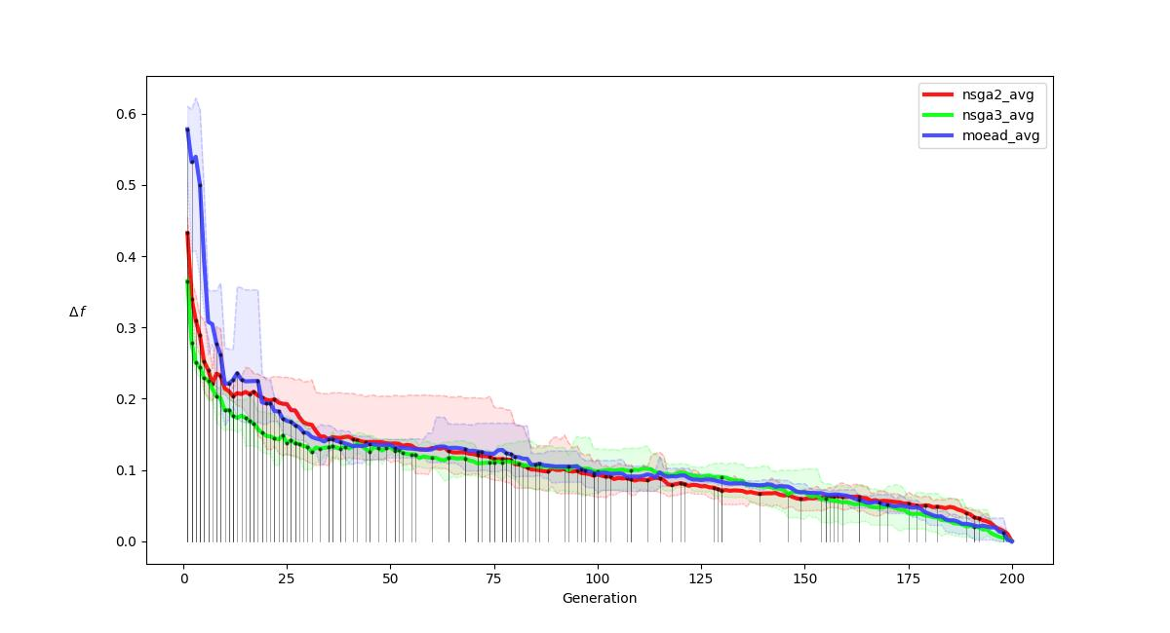
R-METRIC ALL
.

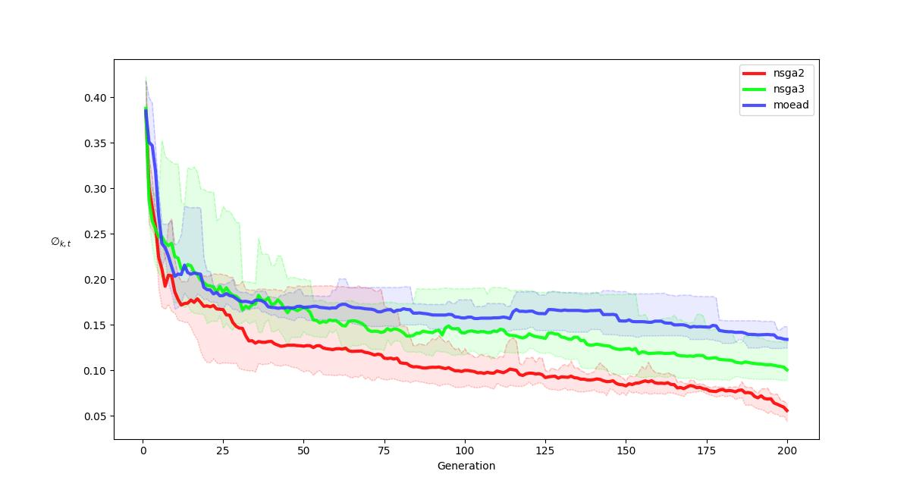
R-METRIC ALL COMPARISON
.

