AVG_DATASHEET
AVERAGE DATA OF 5 RUNS

FITNESS
Objectives | NSGA2 |  |  | NSGA3 |  |  | MOEAD
 | MIN | MAX | AVG | MIN | MAX | AVG | MIN | MAX | AVG
QED | 0.13 | 0.94 | 0.59 | 0.13 | 0.93 | 0.55 | 0.1 | 0.71 | 0.39
LogP | 1.8 | 12.44 | 6.86 | 2.58 | 12.01 | 6.65 | 2.73 | 9.23 | 6.59
SA | 1 | 7.73 | 3.94 | 1 | 6.29 | 2.74 | 1.08 | 7.07 | 3.84
#Pareto | 100 |  |  | 51 |  |  | 39

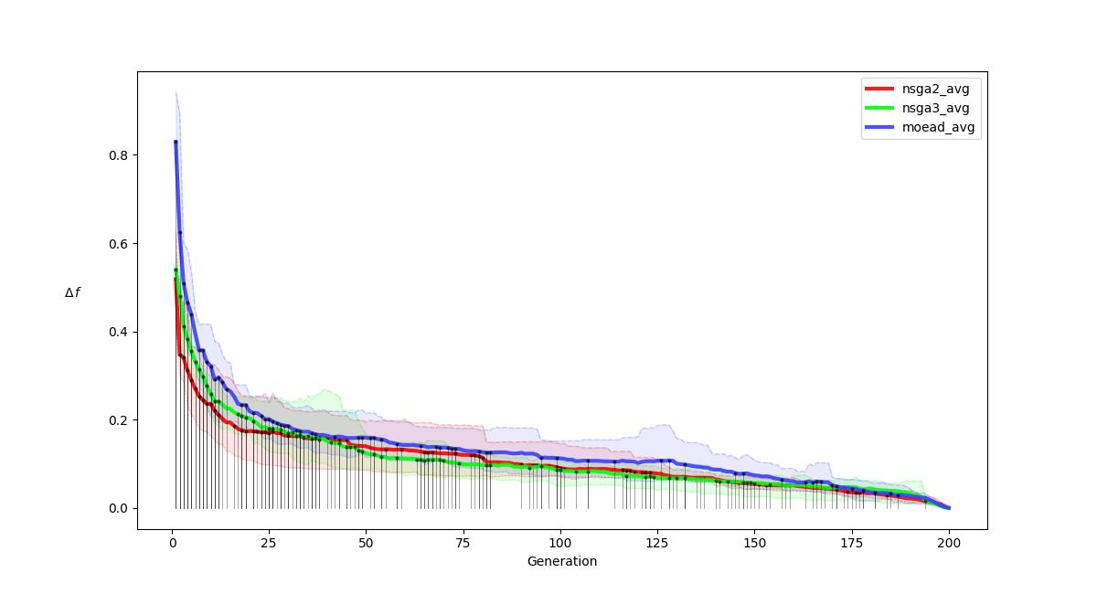
R-METRIC ALL
.

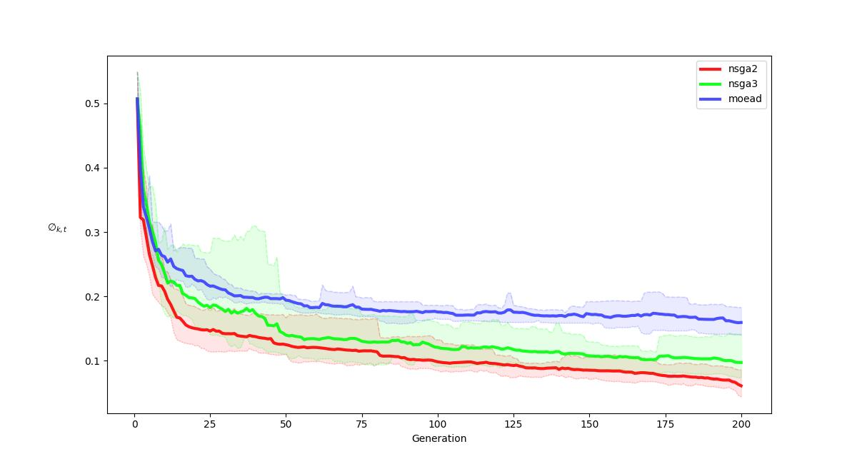
R-METRIC ALL COMPARISON
.

