AVG_DATASHEET
AVERAGE DATA OF 5 RUNS

FITNESS
Objectives | NSGA2 |  |  | NSGA3 |  |  | MOEAD
 | MIN | MAX | AVG | MIN | MAX | AVG | MIN | MAX | AVG
QED | 0.12 | 0.94 | 0.53 | 0.13 | 0.94 | 0.6 | 0.09 | 0.79 | 0.42
LogP | 1.93 | 17.77 | 8.8 | 2.04 | 12.6 | 6.93 | 2.53 | 9.81 | 6.79
SA | 1 | 7.99 | 4.27 | 1 | 7.91 | 3.41 | 1 | 7.72 | 3.9
#Pareto | 250 |  |  | 134 |  |  | 61

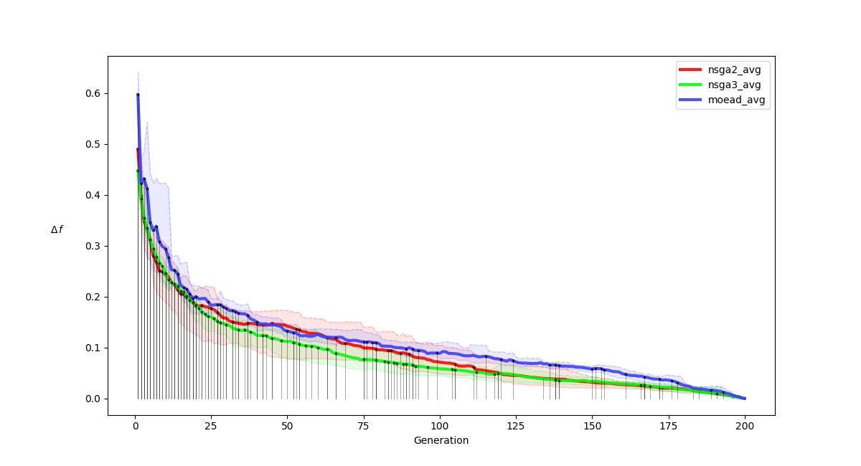
R-METRIC ALL
.

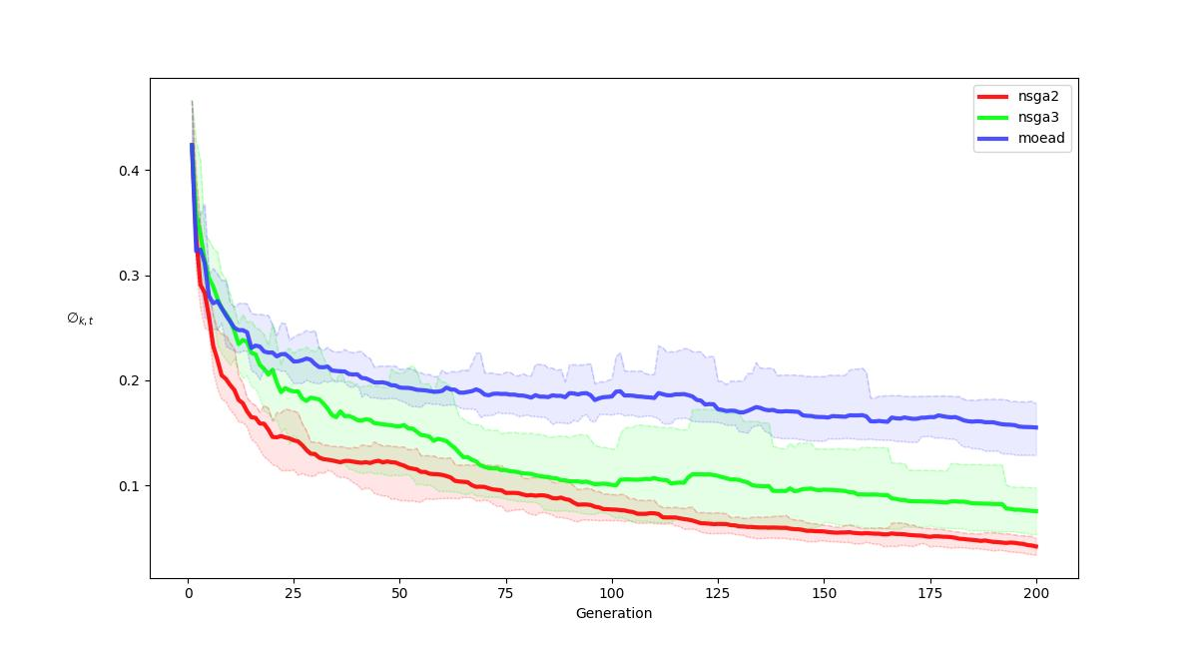
R-METRIC ALL COMPARISON
.

