AVG_DATASHEET
AVERAGE DATA OF 5 RUNS

FITNESS
Objectives | NSGA2 |  |  | NSGA3 |  |  | MOEAD
 | MIN | MAX | AVG | MIN | MAX | AVG | MIN | MAX | AVG
QED | 0.09 | 0.95 | 0.52 | 0.08 | 0.95 | 0.57 | 0.03 | 0.91 | 0.32
LogP | 1.82 | 18.11 | 9 | 2.28 | 13.83 | 7.46 | 2.61 | 14.39 | 9.61
SA | 1 | 7.59 | 3.62 | 1 | 6.97 | 3.1 | 1.38 | 7.94 | 4.09
#Pareto | 500 |  |  | 216 |  |  | 75

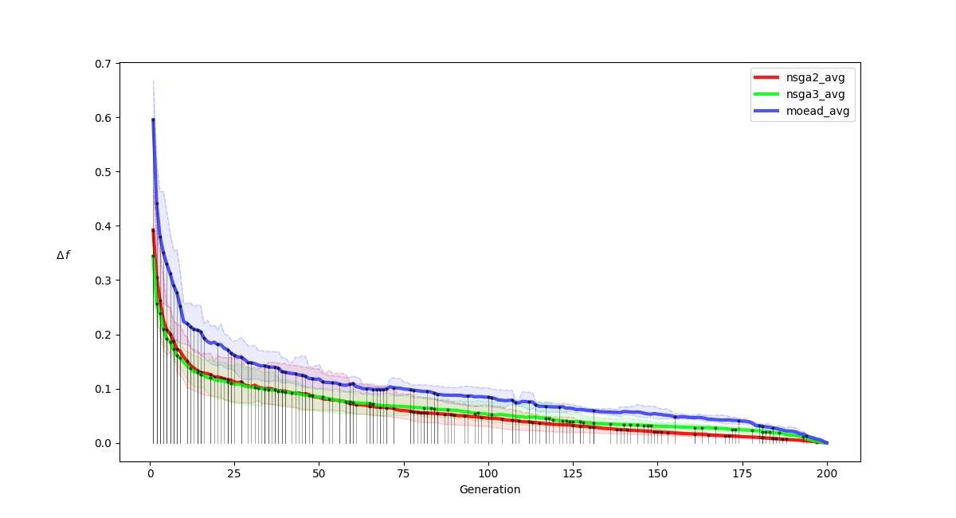
R-METRIC ALL
.

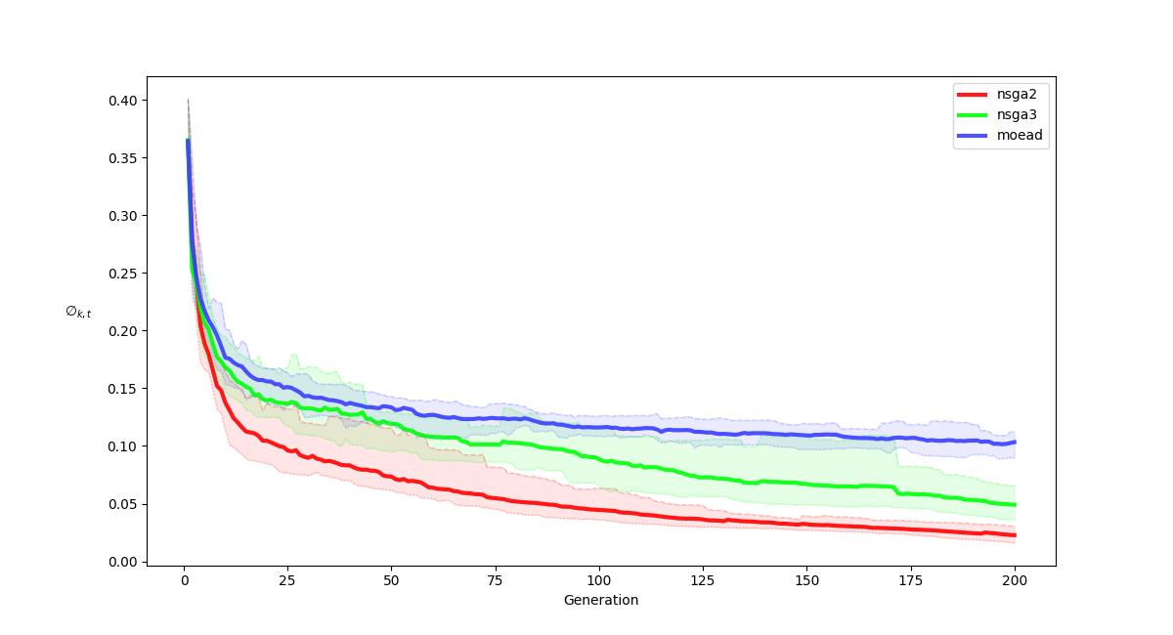
R-METRIC ALL COMPARISON
.

