NSGA2 Data
NSGA2 DATA
 | INITIAL |  | TOP INDIVIDUALS |  | SETTINGS |  | PARETO FRONT
 | [C][C][Branch1][C][C][C][C][Branch2][Ring1][=C][C][N][C][=Branch1][C][=O][C][=Branch1][C][=O][N][C][C][=C][N][Branch1][#Branch2][C][C][=C][C][=N][C][=C][Ring1][=Branch1][N][=Ring1][N][C][C][Ring2][Ring1][=Branch1] | 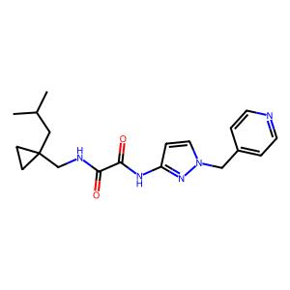 . | [=C][C][=Branch1][C][O][C][=C][C][=C][C][=C][Ring1][=Branch1][O][C][C][Ring1][#C][C][C][C][=C][C][=C][C][=C][=Ring1][=Branch1][O][C][C][C@H1][Ring1][=Branch1][N][C][=Branch1][C] | 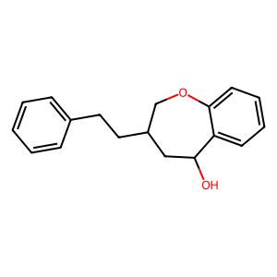 . | Data | druglike | 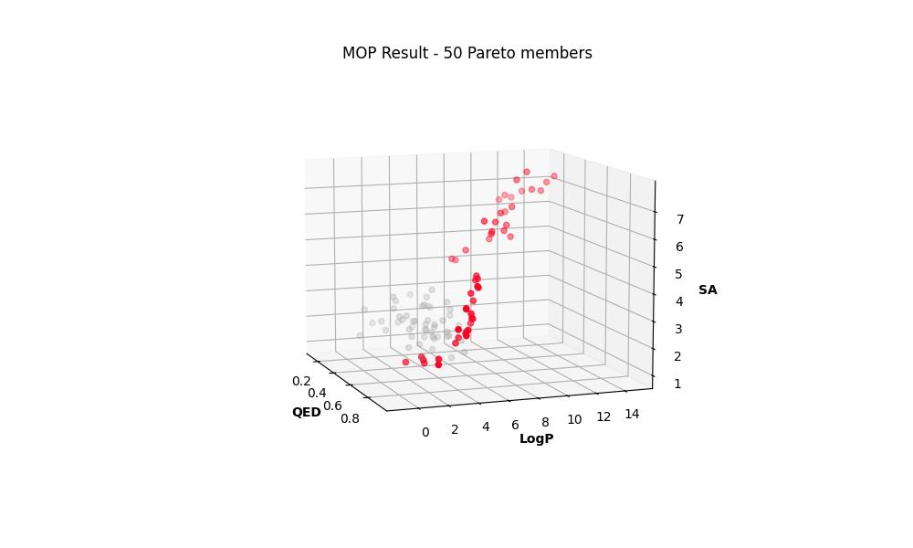 .

 |  |  |  |  | Seed | 1

 |  |  |  |  | Pop_size | 50

 |  |  |  |  | N_Gen | 200

 |  |  |  |  | Sampling | Random uniform

 | [N][#C][C][=C][C][=C][Branch2][Ring1][N][C][=Branch1][C][=O][N][C][C][C][Branch1][=C][C][C][=C][C][Branch1][C][F][=C][C][=C][Ring1][#Branch1][F][C][C][Ring1][#C][NH1][Ring2][Ring1][=Branch1] | 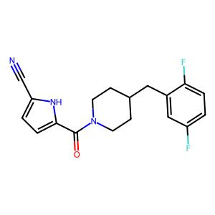 . | [C][#Branch1][C][C][C][=C][C][=C][C][=C][Ring1][=Branch1][O][C][C][C@H1][Ring1][N-1][Branch2][C][C][=C][C][Branch1][C][F][=C][C][=C][Ring1][#Branch1][F][C][B][Ring1][#C][C][C] | 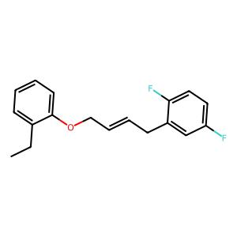 . | Crossover | 1-point, 100%

 |  |  |  |  | Mutation | Random replace, 40%

 |  |  |  |  | Pareto Members | 50

 | [C][C@H1][Branch1][S][N][C][=Branch1][C][=O][N][C][C@H1][C][C][=C][C][C][Ring1][=Branch1][C@@H1][C][O][C][=C][C][=C][C][=C][Ring1][=Branch1][Ring1][=Branch2] | 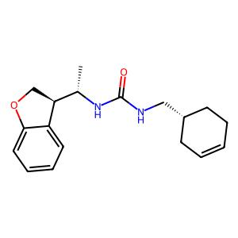 . | [=C][C][=Branch1][C][=O][C][=C][C][=C][C][=C][Ring1][=Branch1][O][C][C][Ring1][#C][C][#Branch1][C][C][C][=C][C][=C][C][=C][Ring1][=Branch1][O][C][C][C@H1][Ring1][N-1][Branch2] | 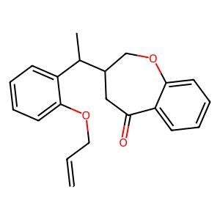 .

 |  |  |  |  | R-METRIC ALL
 |  |  |  |  | 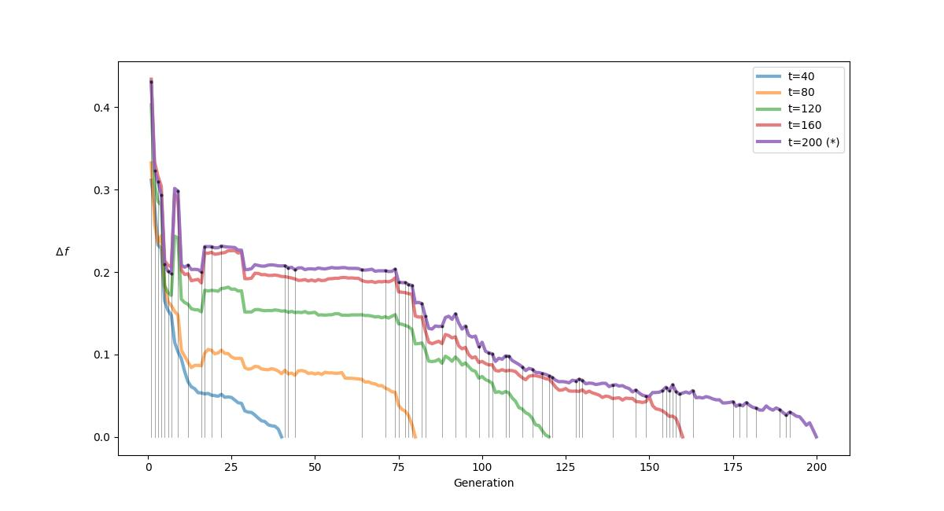 .

 | [C][C@H1][C][N][Branch2][Ring1][=Branch1][C][C][C][C][N][Branch1][O][C][C][C][=C][C][=C][C][=C][Ring1][=Branch1][C][C][Ring1][=C][C][C@H1][Branch1][C][C][O][Ring2][Ring1][=Branch1] | 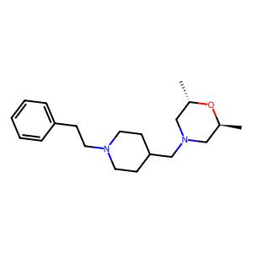 . | [=Branch1][C][C][=C][C][=C][Branch1][C][Cl][C][Branch1][C][Cl][=C][Ring1][Branch2][#Branch2][C][C][C][C][=C][C][=C][Branch1][C][Cl][C][Branch1][C][Cl][#P+1][Ring1][Branch2][C][P+1][=P+1][P-1][P-1] | 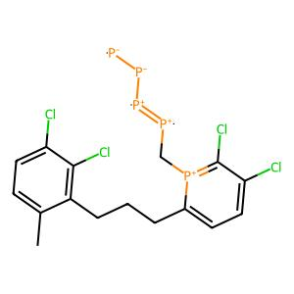 .

 | [C][C][C][C@H1][Branch1][C][C][S][=Branch1][C][=O][=Branch1][C][=O][N][C][C][C][N][C][C][C][S][Ring1][Branch1][=Branch1][C][=O][=O] | 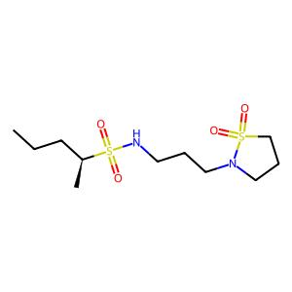 . | [=C][C][=Branch1][C][#C][C][=C][C][=C][C][=C][Ring1][=Branch1][O][C][C][Ring1][#C][C][C][C][=C][C][=C][Branch1][C][Cl][C][Branch1][C][Cl][#P+1][Ring1][Branch2][C][P+1][=P+1][P-1][P-1] | 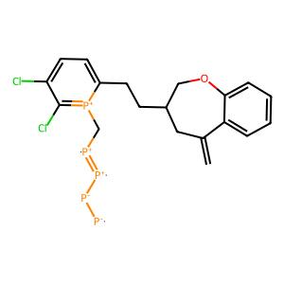 .

 |  |  |  |  | R-METRIC LAST
 |  |  |  |  | 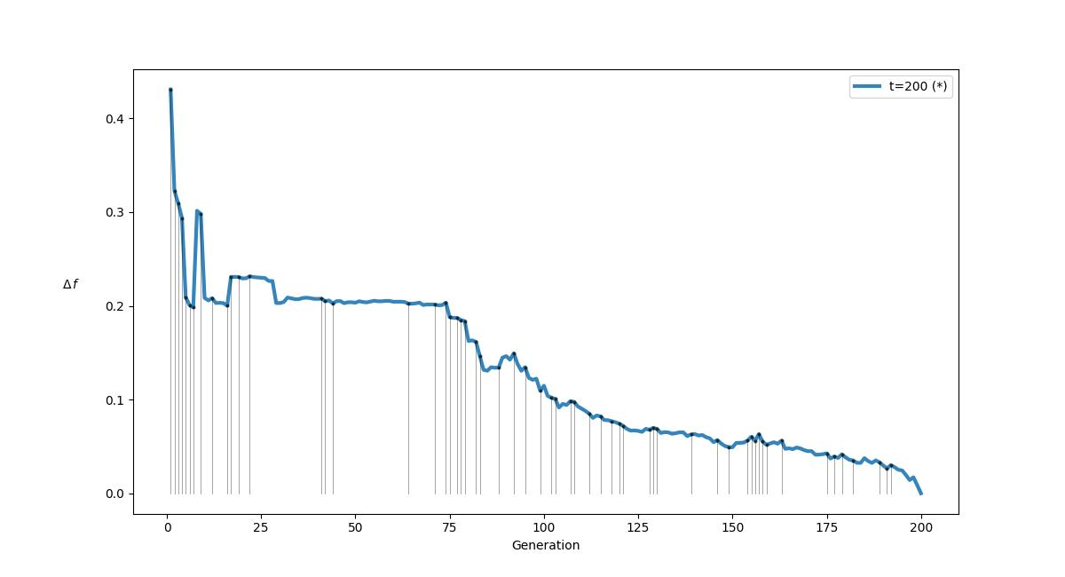 .

 | [N][C][=Branch1][C][=O][N][C][C][=C][C][=C][Branch2][Ring1][=Branch2][C][=Branch1][C][=O][N][C][C][C][N][Branch1][#Branch2][C][=Branch1][C][=O][C][Branch1][C][N][=O][C][C][Ring1][O][C][=C][Ring2][Ring1][Ring2] | 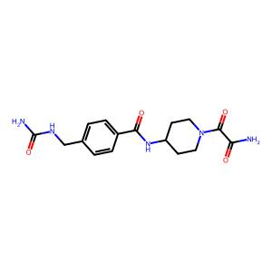 . | [C][C][C][=C][C][=C][C][=C][=Ring1][=Branch1][O][C][C][C@H1][Ring1][=Branch1][N][C][=Branch1][C][C][=C][C][=C][C][=C][Ring1][=Branch1][C][C][Ring1][#Branch2][=C][C][=C][Ring2][Ring1][Ring1][Ring2][Ring1][=Branch1] | 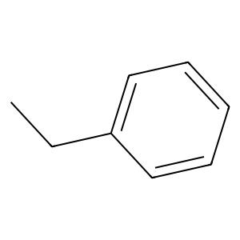 .

 | [O][=C][Branch1][Branch2][C][=C][O][C][=N][Ring1][Branch1][N][C][C][C@H1][O][C][C][N][Branch1][=N][C][=Branch1][C][=O][C][=C][O][C][C][O][Ring1][=Branch1][C@@H1][Ring1][=C][C][Ring2][Ring1][C] | 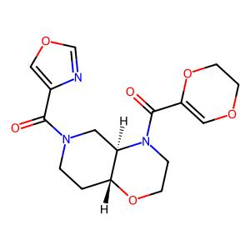 . | [C][=C][C][=Branch1][C][#C][C][=C][C][=C][C][=C][Ring1][=Branch1][O][C][C][Ring1][#C][C][C][C][=C][C][Branch1][C][F][=C][C][=C][Ring1][#Branch1][F][C][B][Ring1][#C][C][C] | 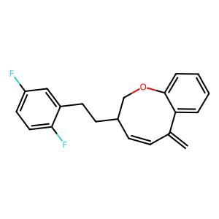 .

 | [C][C][O][C][C][=N][N][=C][Branch2][Ring1][Ring1][N][Branch1][C][C][C@@H1][Branch1][C][C][C][S][=Branch1][C][=O][=Branch1][C][=O][C][C][N][Ring1][#C][C][C][=C][C][Branch1][C][Cl][=C][C][=Branch1][Ring2][=C][Ring1][#Branch1][O][C][C][O][Ring1][#Branch1] | 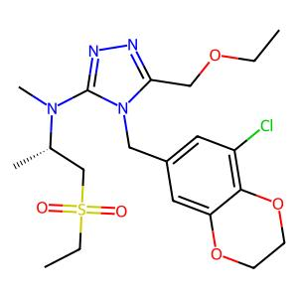 . | [C][C][#Branch1][C][C][C][=C][C][=C][C][=C][Ring1][=Branch1][O][C][C][C@H1][Ring1][=Branch1][Branch2][=P+1][C][C][=C][C][=C][Branch1][#Branch3][Cl][C][Branch1][C][Cl][#P+1][Ring1][Branch2][C][P+1][=P+1][P-1] | 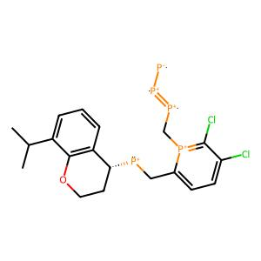 .

 | [C][C][Branch1][C][C][C@][Branch1][Ring1][C][O][C][C][C][N][Branch2][Ring1][Branch2][C][=Branch1][C][=O][C][=Branch1][C][=O][N][C][C][=C][C][=Branch1][C][=O][N][Branch1][C][C][C][=Ring1][Branch2][C][Ring2][Ring1][Branch1] | 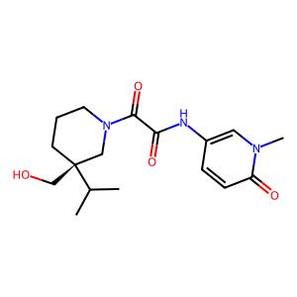 . | [C][C][C][=C][C][=C][Branch1][C][Cl][C][Branch1][=C+1][Cl][#P+1][Ring1][Branch2][C][P+1][=P+1][=P+1][C][C][=C][C][=C][Branch1][#Branch3][Cl][C][Branch1][C][Cl][#P+1][Ring1][Branch2][C][P+1][=P+1][#N+1] | 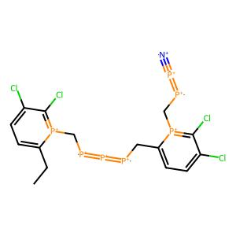 .

 | [N][C][=C][C][=C][Branch2][Ring1][=C][C][C][=Branch1][C][=O][N][C][C][=C][C][=C][C][Branch1][=N][N][C][=Branch1][C][=O][N][C][C][C][C][Ring1][Branch1][=C][Ring1][=C][C][=C][Ring2][Ring1][=Branch2] | 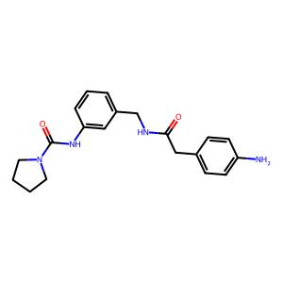 . | [=C][C][C][C][=C][C][=C][Branch1][C][Cl][C][Branch1][C][Cl][#P+1][Ring1][Branch2][C][P+1][=P+1][P-1][C][C][C][=C][C][=C][Branch1][C][Cl][C][Branch1][C][Cl][=C][Ring1][Cl][C][C][=P+1][P-1] | 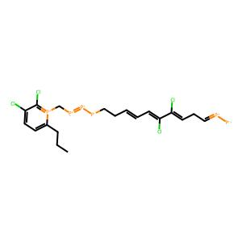 .

 | [C][O][C][=C][C][=C][C][=C][Ring1][=Branch1][C@H1][C][C][C@H1][Branch1][C][C][C][N][Ring1][#Branch1][C][=Branch1][C][=O][C][=Branch1][C][=O][N][C][C][=N][N][Branch1][C][C][C][=Ring1][=Branch1][C] | 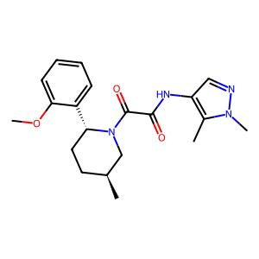 . | [C][=C][C][=C][Branch1][C][Cl][C][Branch1][C][Cl][=C][Ring1][Branch2][C][C][Ring1][#C][C][=Branch1][C][C][=C][C][=C][Branch1][C][Cl][C][Branch1][C][Cl][=C][Ring1][Branch2][#Branch2][C][C] | 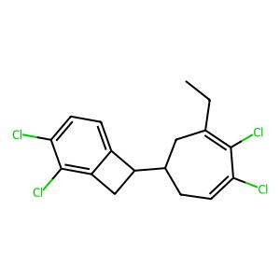 .

 | [C][O][C][=Branch1][C][=O][C][C][C][C][=N][C][Branch1][#C][C][S][C][C][=C][C][=C][C][Branch1][C][C][=C][Ring1][#Branch1][=N][O][Ring1][#C] | 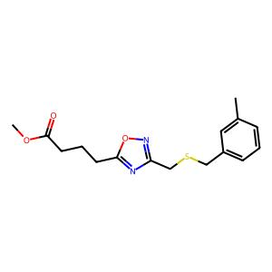 . | [C][C][C][=C][C][=C][Branch1][C][Cl][C][Branch1][C][Cl][=C][Ring1][Cl][C][C][=P+1][P-1][C][C][=C][C][=C][Branch1][C][Cl][C][Branch1][C][Cl][#P+1][Ring1][Branch2][C][P+1][=P+1][P-1][P-1] | 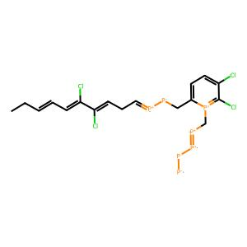 .

 | [O][=C][Branch1][O][N][C][C][=C][C][=C][C][=C][Ring1][=Branch1][N][C][Branch2][Ring1][=Branch1][C][=Branch1][C][=O][N][C@H1][C][C][O][C@@][Branch1][#Branch1][C][C][S][C][Ring1][Branch1][C][Ring1][#Branch2][C][C][C][C][Ring2][Ring1][C] | 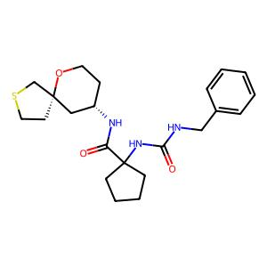 . | [C][C][C][=C][C][=C][Branch1][C][Cl][C][Branch1][C][Cl][#P+1][Ring1][Branch2][C][P+1][=P+1][P-1][=P+1][C][C][=C][C][=C][Branch1][#Branch3][Cl][C][Branch1][C][Cl][#P+1][Ring1][Branch2][C][P+1][=P+1][P-1] | 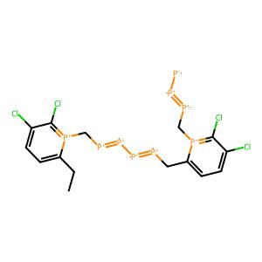 .

 | [C][C][=C][C][=C][Branch1][C][F][C][Branch2][Ring1][N][C][N][Branch1][C][C][C][=Branch1][C][=O][C][C][N][C][=Branch1][C][=O][C][=C][C][=C][Branch1][C][F][C][=C][Ring1][#Branch1][=C][Ring2][Ring1][Branch2] | 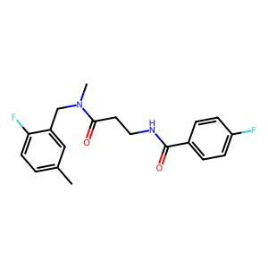 . | [C][C][=C][C][=C][Branch1][C][Cl][C][Branch1][C][Cl][#P+1][Ring1][Branch2][C][P+1][=P+1][P-1][C][C][C][=C][C][=C][Branch1][C][Cl][C][Branch1][C][Cl][=C][Ring1][Cl][C][C][=P+1][P-1] | 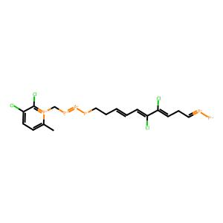 .

 | [C][C@@H1][Branch2][Ring1][Branch1][C][N][C][=Branch1][C][=O][C][=Branch1][C][=O][N][C][C@H1][C][N][C][C][O][Ring1][=Branch1][N][C][C][C][C][C][Ring1][=Branch1] | 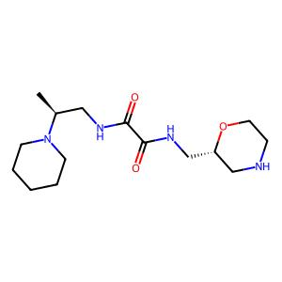 . | [P-1][=P+1][#Branch2][C][=C][C][=C][Branch1][#Branch3][Cl][C][Branch1][C][Cl][#P+1][Ring1][Branch2][Branch1][P+1][=P+1][=P+1][C][C][=C][C][=C][Branch1][#Branch3][Cl][C][Branch1][C][Cl][#P+1][Ring1][Branch2][C][P+1][=P+1][P-1] | 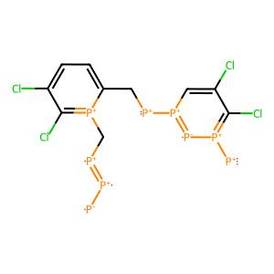 .

 | [C][C][O][C][=Branch1][C][=O][C][C@@H1][Branch1][C][C][N][Branch1][C][C][C][C][=Branch1][C][=O][N][Branch1][Ring1][C][C][C][C] | 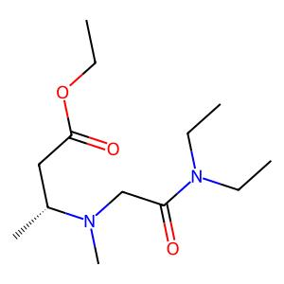 . | [C][C][#Branch1][C][C][C][=C][C][=C][C][=C][Ring1][=Branch1][O][C][C][C@H1][Ring1][=Branch1][Branch2][C][#Branch1][C][C][C][=C][C][=C][C][=C][Ring1][=Branch1][O][C][C][C@H1][Ring1][N-1][Branch2] | 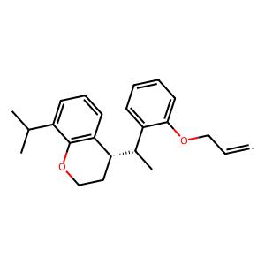 .

 | [C][N][Branch1][P][C][=Branch1][C][=O][C][=C][N][Branch1][C][C][C][=C][C][Ring1][#Branch1][=O][C@@H1][C][C][N][Branch1][#C][C][=Branch1][C][=O][C][=C][N][Branch1][C][C][C][=N][Ring1][=Branch1][C][Ring1][=N] | 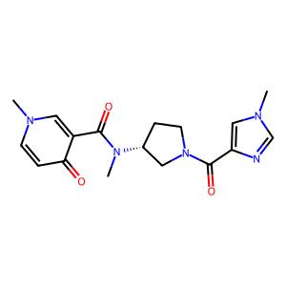 . | [C][=C][C][=Branch1][C][#C][C][=C][C][=C][C][=C][Ring1][=Branch1][O][C][C][Ring1][#C][C][=Branch1][C][C][=C][C][=C][Branch1][C][Cl][C][Branch1][C][Cl][=C][Ring1][Branch2][#Branch2][C][C][C] | 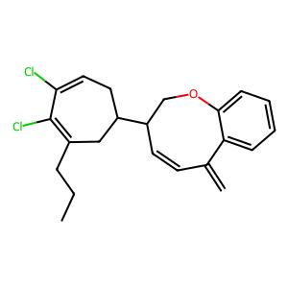 .

 | [C][C][Branch1][C][C][O][C][C][S][=Branch1][C][=O][=Branch1][C][=O][N][C][C][=Branch1][C][=O][N][C][=C][C][=C][C][Branch1][=Branch2][C][=N][N][=N][N][Ring1][Branch1][C][=C][Ring1][N] | 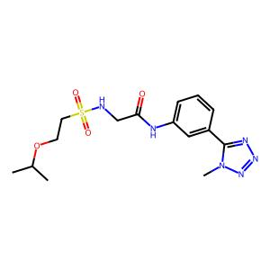 . | [C][C][C][C][=C][C][=C][Branch1][C][Cl][C][Branch1][C][Cl][#P+1][Ring1][Branch2][C][P+1][=P+1][C][C][=C][C][=C][Branch1][C][Cl][C][Branch1][C][Cl][#P+1][Ring1][Branch2][C][P+1][=P+1][=P-1][P-1] | 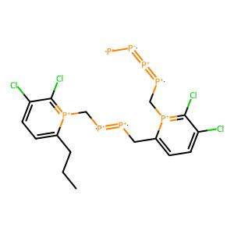 .

 | [C][O][C][=Branch1][C][=O][C@@H1][Branch1][#Branch1][C][C][Branch1][C][C][C][N][C][=Branch1][C][=O][C][N][C][=Branch1][C][=O][O][C][=C][C][Branch1][=Branch2][S][Branch1][C][N][=Branch1][C][=O][=O][=C][C][=C][Ring1][#Branch2][Ring1][=C] | 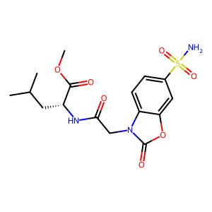 . | [C][C][C][C][C][=C][C][=C][C][=C][=Ring1][=Branch1][O][C][#B][C@H1][#S+1][=Branch1][N][C][C][#Branch1][C][C][C][=C][C][=C][C][=C][Ring1][=Branch1][O][C][C][C@H1][Ring1][=Branch1][N] | 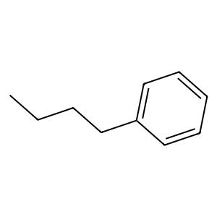 .

 | [C][O][C][C][N][C][C][N][C][=Branch1][C][=O][C][=C][C][=C][N][Ring1][Branch1][C][C][=C][C][=C][S][Ring1][Branch1] | 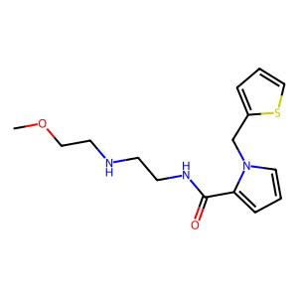 . | [=Branch1][C][C][=C][C][=C][Branch1][C][Cl][C][Branch1][C][Cl][=C][Ring1][Branch2][#Branch2][C][C][C][C][C][=C][C][Branch1][C][F][=C][C][=C][Ring1][#Branch1][F][S-1][B][Ring1][#C][C][C] | 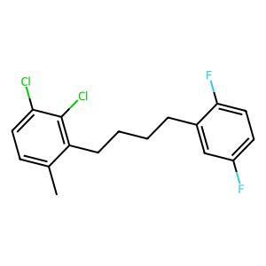 .

 | [C][C][=C][C][=C][Branch2][Ring1][Branch1][C][=Branch1][C][=O][N][C][=N][N][=C][Branch1][#Branch1][C][C][Branch1][C][C][C][S][Ring1][=Branch2][C][=C][Ring2][Ring1][C][N+1][=Branch1][C][=O][O-1] | 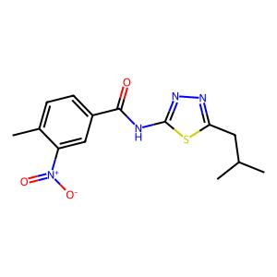 . | [C][C][=C][C][=C][Branch1][C][Cl][C][Branch1][C][Cl][=C][Ring1][Cl][C][C][=P+1][P-1][C][C][C][C][=C][C][=C][C][=C][Ring1][=Branch1][O][C][H][C@H1][Ring1][=Branch1][=Branch3][C][=Branch1] | 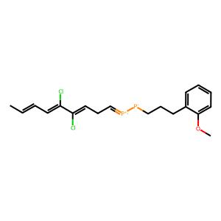 .

 | [C][C][O][C][=Branch1][C][=O][C@@H1][Branch1][C][C][C@H1][Branch1][C][C][N][C][=Branch1][C][=O][N][C][=C][C][=C][C][=C][Ring1][=Branch1][C][C][N][Branch1][C][C][C] | 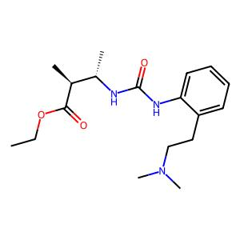 . | [C][#Branch3][C][N][Branch1][C][C][C][C][=Branch1][C][=O][N][C][C][N][Branch1][=C][C][=Branch1][C][=O][C][=C][C][=C][C][=C][Ring1][=Branch1][O][C][C][Ring1][#C] | 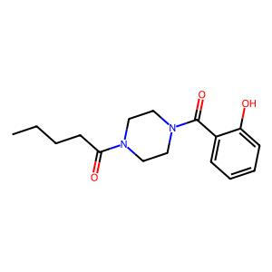 .

 | [O][=C][Branch1][O][N][C][C@H1][C][O][C][C][N][Ring1][=Branch1][C][=Branch1][C][=O][N][C][=C][C][=C][C][Branch1][#Branch2][C][C][Branch1][C][F][Branch1][C][F][F][=C][Ring1][O] | 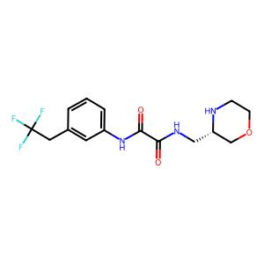 . | [C][C][#Branch1][C][C][C][=C][C][=C][C][=C][Ring1][=Branch1][O][C][C][C@H1][Ring1][=Branch1][Branch2][C][C][C][=C][C][Branch1][C][F][=C][C][=C][Ring1][#Branch1][F][C][B][Ring1][=S][C][C] | 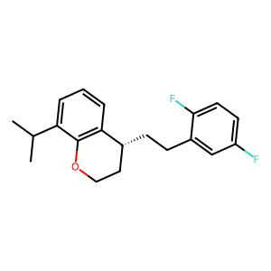 .

 | [O][=C][Branch2][Ring2][Branch1][C][O][C][=Branch1][C][=O][C][C][C][N][Branch2][Ring1][Ring1][C][=Branch1][C][=O][C][=C][C][=C][C][=C][C][=C][C][=C][Ring1][#Branch2][Ring1][=Branch1][C][C][Ring2][Ring1][C][N][C][C][=Branch1][C][=O][C][=C][C][=C][C][=C][Ring1][=Branch1] | 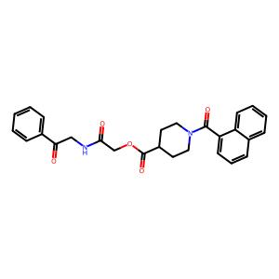 . | [C][#Branch1][C][C][C][=C][C][=C][C][=C][Ring1][=Branch1][O][C][C][C@H1][Ring1][N-1][Branch2][C][=C][C][=C][Branch1][C][Cl][C][Branch1][C][Cl][=C][Ring1][Branch2][C][C][Ring1][#C][C] |  .

 | [C][C@@H1][O][C][C][C@H1][Ring1][Branch1][C][=Branch1][C][=O][N][C][C][C][N][Branch1][S][C][C][=C][C][=C][Branch1][C][Cl][C][Branch1][C][Cl][=C][Ring1][Branch2][C][C][Ring1][#C] |  . | [C][#Branch1][C][C][C][=C][C][=C][C][=C][Ring1][=Branch1][O][C][C][C@H1][Ring1][N-1][Branch2][C][C][C][=C][C][=C][Branch1][C][Cl][C][Branch1][C][Cl][=C][Ring1][Cl][C][C][=P+1][P-1] |  .

 | [N][C][=C][C][=C][Branch2][Ring2][=Branch2][C][=Branch1][C][=O][C][C@][Branch1][C][O][C][=Branch1][C][=O][N][Branch1][O][C][C][=C][C][=C][C][=C][Ring1][=Branch1][Cl][C][=C][C][=C][Branch1][C][Br][C][=C][Ring1][#Branch1][Ring2][Ring1][Ring2][C][=C][Ring2][Ring1][=N] |  . | [#Branch1][C][C][=C][C][=C][Branch1][C][Cl][C][Branch1][C][Cl][=C][Ring1][Branch2][C][C][Ring1][P-1][P-1][C][#Branch1][C][C][C][=C][C][=C][C][=C][Ring1][=Branch1][O][C][C][C@H1][Ring1][=Branch1][N] |  .

 | [C][C][=Branch1][C][=O][N][C][C][C][=C][C][Branch2][Ring1][=Branch1][N][C][=Branch1][C][=O][C][Branch1][#Branch2][C][C][=C][C][=C][C][=C][Ring1][=Branch1][C][C][Ring1][#Branch2][=C][C][=C][Ring2][Ring1][Ring1][Ring2][Ring1][=Branch1] |  . | [=C][C][=Branch1][C][=O][C][=C][C][=C][C][=C][Ring1][=Branch1][O][C][C][Ring1][#C][C][#Branch1][C][C][C][=C][C][=C][C][=C][Ring1][=Branch1][O][C][C][C@H1][Ring1][=Branch1][N] |  .

 | [C][O][C][C][=C][C][=C][Branch2][Ring1][#Branch1][C][=Branch1][C][=O][N][C][C][N][Branch1][=Branch2][C][C][O][C][Branch1][C][C][C][C][C][Ring1][N][O][Ring2][Ring1][Ring1] |  . | [P-1][C][#Branch1][C][C][C][=C][C][=C][C][=C][Ring1][=Branch1][O][C][C][C@H1][Ring1][=Branch1][N][=P+1][C][C][=C][C][=C][Branch1][#Branch3][Cl][C][Branch1][C][Cl][#P+1][Ring1][Branch2][C][P+1][=P+1][P-1] |  .

 | [O][=C][C][C][C@@H1][C][N][Branch1][#Branch2][C][C][=C][C][=N][C][=C][Ring1][=Branch1][C][C][C@H1][Ring1][=N][N][Ring1][P][C][C][C][Ring1][Ring1] |  . | [C][#Branch1][C][C][C][=C][C][=C][C][=C][Ring1][=Branch1][O][C][C][C@H1][Ring1][N-1][Branch2][C][C][=C][C][=C][Branch1][C][Cl][C][Branch1][C][Cl][#P+1][Ring1][Branch2][C][P+1][=P+1][P-1][P-1] |  .

 | [C][C][C@H1][Branch1][C][C][C@@H1][Branch1][C][C][N][Branch2][Ring1][N][C][=Branch1][C][=O][N][C][C@H1][Branch1][O][C][=C][C][=C][Branch1][C][C][O][Ring1][=Branch1][N][C][C][O][C][C][Ring1][=Branch1][C][C][C][Ring1][Ring1] |  . | [C][C][=C][C][=C][Branch1][C][Cl][C][Branch1][C][Cl][#P+1][Ring1][Branch2][C][P+1][=P+1][P-1][P-1][=P+1][C][C][=C][C][=C][Branch1][#Branch3][Cl][C][Branch1][C][Cl][#P+1][Ring1][Branch2][C][P+1][=P+1][P-1] |  .

 | [C][C@@H1][Branch1][=N][N][C][=Branch1][C][=O][C][C][C][C][C][Ring1][Branch1][C][=Branch1][C][=O][N][Branch1][#Branch1][C][C][=Branch1][C][=O][O][C][C][=C][C][=C][Branch1][C][Cl][C][=C][Ring1][#Branch1] |  . | [C][C][C][=C][C][=C][Branch1][C][Cl][C][Branch1][C][Cl][=C][Ring1][Cl][C][C][=P+1][P-1][C][C][C][=C][C][=C][Branch1][C][Cl][C][Branch1][C][Cl][#P+1][Ring1][#B-1][C][P+1][=P+1][P-1] |  .

 | [C][C][=C][N][=C][N][Ring1][Branch1][C][C][=Branch1][C][=O][N][C][C][C@@H1][Branch2][Ring1][C][N][C][C][=N][N][=C][Branch1][C][C][N][Ring1][=Branch1][C][C][C][Ring1][Ring1][C][Ring1][S] |  . | [=P+1][C][C][=C][C][=C][Branch1][#Branch3][Cl][C][Branch1][C][Cl][#P+1][Ring1][Branch2][C][P+1][=P+1][P-1][C][#Branch1][C][C][C][=C][C][=C][C][=C][Ring1][=Branch1][O][C][C][C@H1][Ring1][=Branch1][N] |  .

 | [C][C][O][C][C][C][N][C][Branch1][=Branch2][C][=C][C][=C][N][=C][Ring1][=Branch1][=N][N][=C][Ring1][O][N][C][C][=Branch1][C][=O][N][C@@H1][C][C][C][C][C@@H1][Ring1][=Branch1][Ring1][O] |  . | [P-1][C][#Branch1][C][C][C][=C][C][=C][C][=C][Ring1][=Branch1][O][C][C][C@H1][Ring1][=Branch1][N][P-1][=P+1][#Branch2][C][=C][C][=C][Branch1][#Branch3][Cl][C][Branch1][C][Cl][#P+1][Ring1][Branch2][Branch1][P+1][=P+1] |  .

 | [C][C][N][=C][Branch1][#Branch1][N][C][C][C][Ring1][Ring1][S][C][=Ring1][=Branch2][C][=Branch1][C][=O][N][C@][Branch1][C][C][Branch1][=Branch1][C][Branch1][C][N][=O][C][=C][C][=C][C][=C][Ring1][=Branch1] |  . | [C][=C][C][=C][Branch1][C][Cl][C][Branch1][C][Cl][=C][Ring1][Branch2][C][C][Ring1][#C][C][P-1][C][#Branch1][C][C][C][=C][C][=C][C][=C][Ring1][=Branch1][O][C][C][C@H1][P+1][N-1][Branch2] |  .

 | [C][C][O][C][=Branch1][C][=O][C@@H1][C][C][C][N][Branch2][Ring1][=C][C][=Branch1][C][=O][C][O][C][=Branch1][C][=O][C][=C][C][=C][Branch1][#Branch2][O][C][Branch1][C][F][Branch1][C][F][F][C][=C][Ring1][O][C][Ring2][Ring1][#Branch1] |  . | [=C][C][=Branch1][C][=O][C][=C][C][=C][C][=C][Ring1][=Branch1][O][C][C][Ring1][#C][C][C][C][=C][C][Branch1][C][F][=C][C][=C][Ring1][#Branch1][F][C][B][Ring1][#C][C][C] |  .

 | [C][C][O][C@@][Branch2][Ring2][=N][C][=N][N][=C][Branch2][Ring1][=Branch2][N][C][C][C][Branch1][#C][N][C][=Branch1][C][=O][N][C][C][C][C][C][C][Ring1][=Branch1][C][C][Ring1][S][N][Ring2][Ring1][Branch1][C][C][Branch1][C][F][Branch1][C][F][F][C][C][O][C][Ring2][Ring1][#C] |  . | [P-1][=P+1][#Branch2][C][=C][C][=C][Branch1][#Branch3][Cl][C][Branch1][C][Cl][#P+1][Ring1][Branch2][Branch1][P+1][=P+1][C][C][C][=C][C][=C][Branch1][C][Cl][C][Branch1][C][Cl][#P+1][Ring1][Branch2][C][P+1][=P+1][P-1] |  .

 | [C][C][Branch1][C][C][O][C][=C][Branch1][C][F][C][=C][Branch2][Ring1][Branch2][N][C][=Branch1][C][=O][C][=Branch1][C][=O][N][Branch1][C][C][C@H1][Branch1][C][C][C][S@][Branch1][C][C][=O][C][=C][Ring2][Ring1][Ring2][F] |  . | [=C][C][=Branch1][C][#C][C][=C][C][=C][C][=C][Ring1][=Branch1][O][C][C][Ring1][#C][C][C][C][=C][C][=C][C][=C][Ring1][=Branch1][#Branch2][C][C][C@H1][Ring1][=Branch1][N][C][=Branch1][=C] |  .

 | [C][C][C][=C][C][=C][C][=C][Ring1][=Branch1][O][C][C][C@H1][Ring1][=Branch1][N][C][=Branch1][C][=O][C][=Branch1][C][=O][N][C][=C][C][=C][Branch2][Ring1][C][C][=C][S][C][Branch1][=Branch2][N][C][C][O][C][C][Ring1][=Branch1][=N][Ring1][O][C][=C][Ring1][P] |  . | [C][C][#Branch1][C][C][C][=C][C][=C][C][=C][Ring1][=Branch1][O][C][C][C@H1][Ring1][=Branch1][Branch2][C][C][=C][C][=C][C][=C][Ring1][=Branch1][#Branch2][C][C][C@H1][Ring1][=Branch1][N][C][=Branch1][=C] |  .

 | [C][N][C][=Branch1][C][=O][C@H1][Branch1][C][C][N][C][C][C@H1][Branch2][Ring1][Ring2][N][C][=Branch1][C][=O][C][C][=C][C][Branch1][C][F][=C][C][=C][Ring1][#Branch1][O][C][C][Ring2][Ring1][C] |  . | [C][#Branch1][C][C][C][=C][C][=C][C][=C][Ring1][=Branch1][O][C][C][C@H1][Ring1][N-1][Branch2][C][C][C][=C][C][=C][C][=C][=Ring1][=Branch1][O][C][C][C@H1][Ring1][=Branch1][N][C][=Branch1][C] |  .

 | [O][=C][Branch1][N][N][C][C][C][O][C][C][C][C][Ring1][Ring1][N][C][C][N][C][=Branch1][C][=O][C][=C][C][=N][NH1][Ring1][Branch1] |  . | [=Branch1][C][C][=C][C][=C][Branch1][C][Cl][C][Branch1][C][Cl][=C][Ring1][Branch2][#Branch2][C][C][C][C][=C][C][=C][C][=C][Ring1][=Branch1][C][C][Ring1][#Branch2][=C][C][=C][Ring2][Ring1][Ring1][Ring2][Ring1][=Branch1] |  .

 | [C][O][C][=Branch1][C][=O][C][C][C][N][Branch1][=N][C][=Branch1][C][=O][C][C][=N][NH1][C][=Ring1][Branch1][C][C][C][Ring1][=C] |  . | [C][C][=C][C][=C][Branch1][C][Cl][C][Branch1][C][Cl][#P+1][Ring1][Branch2][C][P+1][=P+1][P-1][P-1][C][#Branch1][C][C][C][=C][C][=C][C][=C][Ring1][=Branch1][O][C][C][C@H1][P+1][N-1][Branch2] |  .

 | [C][O][C][=C][C][=C][C][=C][Ring1][=Branch1][S][C][C][=N][N][=C][Branch1][#C][N][C][C][S][=Branch1][C][=O][=Branch1][C][=O][C][C][Ring1][Branch2][N][Ring1][=N][C][C@][Branch1][C][O][C][C][O][C][Ring1][=Branch1] |  . | [C][C][C][C][=C][C][=C][C][=C][Ring1][=Branch1][O][C][H][C@H1][Ring1][=Branch1][=Branch3][C][=Branch1][=C][C][C][C][=C][C][=C][Branch1][C][Cl][C][Branch1][C][Cl][#P+1][Ring1][Branch2][C][P+1][=P+1][P-1] |  .

 | [C][C][C][N][Branch1][C][C][C][C][=Branch1][C][=O][N][C][C][N][Branch1][=C][C][=Branch1][C][=O][C][=C][C][=C][C][=C][Ring1][=Branch1][O][C][C][Ring1][#C] |  . | [C][=Branch1][N][C][=C][C][=C][C][Branch1][C][=C][=C][Ring1][#Branch1][C][C][C][O][Ring1][#Branch1][C][C][C][=C][C][=C][Branch1][C][Cl][C][Branch1][C][Cl][=C][Ring1][Cl][C][C][=P+1][P-1] |  .

 | [C][C][=C][C][=C][Branch2][Ring2][Ring1][C][=N][N][=C][Branch2][Ring1][Branch2][C@@H1][Branch1][C][C][N][C][C][C][Branch1][#Branch2][O][C][C@H1][C][C][O][C][Ring1][Branch1][C][C][Ring1][=N][O][Ring2][Ring1][Ring2][C][=C][Ring2][Ring1][#Branch2] |  . | [C][C][#Branch1][C][C][C][=C][C][=C][C][=C][Ring1][=Branch1][O][C][C][C@H1][Ring1][=Branch1][Branch2][C][C][=C][C][=C][C][=C][=Ring1][=Branch1][O][=Ring1][C][C@H1][Ring1][=Branch1][N][C][=Branch1][C] |  .

 | [C][C][O][C][=Branch1][C][=O][C][=C][Branch1][C][C][NH1][C][Branch2][Ring1][O][C][=Branch1][C][=O][N][C@@H1][Branch1][Branch2][C][C][=Branch1][C][=O][O][C][C][=C][C][=C][Branch1][C][F][C][=C][Ring1][#Branch1][=C][Ring2][Ring1][=Branch1][C] |  . | [C][C][=C][C][=C][Branch1][C][Cl][C][Branch1][C][Cl][#P+1][Ring1][Branch2][C][P+1][=P+1][P-1][C][#Branch1][C][C][C][=C][C][=C][C][=C][Ring1][=Branch1][O][C][C][C@H1][Ring1][=Branch1][N] |  .

 | [O][=C][Branch1][O][N][C][C][N][C][=C][N][=C][Ring1][Branch1][N][C][C][Branch1][N][C][=C][C][=C][C][Branch1][C][Br][=C][Ring1][#Branch1][C][C][C][C][Ring1][N] |  . | [C][=Branch1][N][C][=C][C][=C][C][Branch1][C][Br][=C][Ring1][#Branch1][C][C][C][O][Ring1][#Branch1][C][=C][C][=Branch1][C][#C][C][=C][C][=C][C][=C][Ring1][=Branch1][O][C][C][Ring1][#C][C] |  .

 | [C][C][O][C][=Branch1][C][=O][C][C][C][C][N][C][C][N][Branch1][=C][C@@H1][Branch1][Ring1][C][#N][C][=C][C][=C][C][=C][Ring1][=Branch1][C][C][Ring1][#C] |  . | [C][C][=C][C][=C][Branch1][C][Cl][C][Branch1][C][Cl][#P+1][Ring1][Branch2][C][P+1][=P+1][=P-1][P-1][=Branch1][C][C][=C][C][=C][Branch1][C][Cl][C][Branch1][C][Cl][=C][Ring1][Branch2][#Branch2][H][C] |  .

 | [C][C@H1][Branch2][Ring1][Ring2][C][N][C][C][N][Branch1][=Branch2][C][=C][C][=C][C][=C][Ring1][=Branch1][C][C][Ring1][N][N][C][=Branch1][C][=O][C][=C][C][=C][Branch1][Branch2][N][C][=C][C][=N][Ring1][Branch1][C][=C][Ring1][O] |  . | [C][C][C][=C][C][=C][Branch1][C][Cl][C][Branch1][=C+1][Cl][#P+1][Ring1][Branch2][C][P+1][=P+1][P-1][C][#Branch1][C][C][C][=C][C][=C][C][=C][Ring1][=Branch1][O][C][C][C@H1][Ring1][=Branch1][N] |  .

 | [C][C][C][C][C][C][C][C][Branch1][#C][C][=Branch1][C][=O][N][C@@H1][Branch1][C][C][C][Branch1][C][N][=O][C][C][Ring1][=C] |  . | [=C][C][=Branch1][C][#C][C][=C][C][=C][C][=C][Ring1][=Branch1][O][C][C][Ring1][#C][C][C][C][C][=C][C][Branch1][C][F][=C][C][=C][Ring1][#Branch1][F][C][B][Ring1][#C][C][C] |  .

 | [C][C][C][C][N][C][C][C][C][C@@H1][Ring1][=Branch1][C][N][C][=Branch1][C][=O][C][C][=C][C][=C][Branch1][C][C][C][Branch1][Ring1][O][C][=C][Ring1][=Branch2] |  . | [=Branch3][C][=Branch1][C][=O][C][=C][C][=C][C][=C][Ring1][=Branch1][O][N][C][Ring1][#C][C][C][C][=C][C][Branch1][C][F][=C][C][=C][Ring1][#Branch1][F][C][B][Ring1][#C][C][C] |  .

NSGA3 Data
NSGA3 DATA
 | INITIAL |  | TOP INDIVIDUALS |  | SETTINGS |  | PARETO FRONT
 | [C][C][Branch1][C][C][C][C][Branch2][Ring1][=C][C][N][C][=Branch1][C][=O][C][=Branch1][C][=O][N][C][C][=C][N][Branch1][#Branch2][C][C][=C][C][=N][C][=C][Ring1][=Branch1][N][=Ring1][N][C][C][Ring2][Ring1][=Branch1] | . | [#Branch1][=C][C][C][=C][C][=C][C][Branch1][C][Br][=C][Ring1][#S+1][C][C][C][C][Ring1][=N][Ring2][C][Ring1][C][C][=C][C][Branch1][C][F][=C][C][=C][Ring1][#Branch1][O][C][#Branch1][Ring2] |  . | Data | druglike |  .

 |  |  |  |  | Seed | 1

 |  |  |  |  | Pop_size | 50

 |  |  |  |  | N_Gen | 200

 |  |  |  |  | Sampling | Random uniform

 | [N][#C][C][=C][C][=C][Branch2][Ring1][N][C][=Branch1][C][=O][N][C][C][C][Branch1][=C][C][C][=C][C][Branch1][C][F][=C][C][=C][Ring1][#Branch1][F][C][C][Ring1][#C][NH1][Ring2][Ring1][=Branch1] | . | [Ring2][=Ring1][Ring2][C][Ring1][C][C][=C][C][Branch1][C][F][=C][C][=C][Ring1][#Branch1][O][C][Ring1][Branch2][C][N][C][=Branch1][C][=O][=C][=C][C][=P+1][Branch1][#N][F][C][=C][Ring1][#Branch1][=C] |  . | Crossover | 1-point, 100%

 |  |  |  |  | Mutation | Random replace, 40%

 |  |  |  |  | Pareto Members | 26

 | [C][C@H1][Branch1][S][N][C][=Branch1][C][=O][N][C][C@H1][C][C][=C][C][C][Ring1][=Branch1][C@@H1][C][O][C][=C][C][=C][C][=C][Ring1][=Branch1][Ring1][=Branch2] | . | [Ring1][Branch2][C][N][C][=Branch1][C][=O][=C][=C][C][=P+1][Branch1][#N][F][C][=C][Ring1][#Branch1][=C][C][C][C][=C][C][=C][C][Branch1][Branch3][Br][=C][Ring1][Br][P+1][C][C][C][Ring1][N][C] |  .

 |  |  |  |  | R-METRIC ALL
 |  |  |  |  |  .

 | [C][C@H1][C][N][Branch2][Ring1][=Branch1][C][C][C][C][N][Branch1][O][C][C][C][=C][C][=C][C][=C][Ring1][=Branch1][C][C][Ring1][=C][C][C@H1][Branch1][C][C][O][Ring2][Ring1][=Branch1] | . | [=Branch1][=Branch2][#Branch1][C][C][=C][C][=C][C][Branch1][C][Br][=C][Ring1][#Branch1][#Branch2][C][C][Branch3][Ring1][Branch2][C][N][C][=Branch1][C][=O][=C][=C][C][=P+1][Branch1][#N][F][C][=C][Ring1][#Branch1][=C] |  .

 | [C][C][C][C@H1][Branch1][C][C][S][=Branch1][C][=O][=Branch1][C][=O][N][C][C][C][N][C][C][C][S][Ring1][Branch1][=Branch1][C][=O][=O] | . | [Branch2][C][N][C][=Branch1][C][=O][=C][=C][C][=C][Branch1][C][F][C][=C][Ring1][#Branch1][=C][Ring2][C][C][Ring1][C][C][=C][C][Branch1][C][F][=C][C][=C][Ring1][#Branch1][O][=Branch1][C][Ring2] |  .

 |  |  |  |  | R-METRIC LAST
 |  |  |  |  |  .

 | [N][C][=Branch1][C][=O][N][C][C][=C][C][=C][Branch2][Ring1][=Branch2][C][=Branch1][C][=O][N][C][C][C][N][Branch1][#Branch2][C][=Branch1][C][=O][C][Branch1][C][N][=O][C][C][Ring1][O][C][=C][Ring2][Ring1][Ring2] | . | [Ring1][C][C][C][=C][C][=C][C][Branch1][C][Br][=C][Ring1][#Branch1][#Branch2][C][C][C][Ring1][=Branch1][C][C][C][C][=C][C][=C][C][Branch1][C][Br][=C][Ring1][#Branch1][=Ring1][C][Ring1][#N+1][O] |  .

 | [O][=C][Branch1][Branch2][C][=C][O][C][=N][Ring1][Branch1][N][C][C][C@H1][O][C][C][N][Branch1][=N][C][=Branch1][C][=O][C][=C][O][C][C][O][Ring1][=Branch1][C@@H1][Ring1][=C][C][Ring2][Ring1][C] | . | [C][C][C][C][#N+1][C][=Branch1][C][=O][C][=C][C][=C][Branch1][N-1][Cl][C][=C][Ring1][#Branch1][=C][C][C][=C][C][=C][C][Branch1][C][Br][=C][Ring1][#S+1][C][C][C][C][Ring1][=N] |  .

 | [C][C][O][C][C][=N][N][=C][Branch2][Ring1][Ring1][N][Branch1][C][C][C@@H1][Branch1][C][C][C][S][=Branch1][C][=O][=Branch1][C][=O][C][C][N][Ring1][#C][C][C][=C][C][Branch1][C][Cl][=C][C][=Branch1][Ring2][=C][Ring1][#Branch1][O][C][C][O][Ring1][#Branch1] | . | [Ring1][C][=C][C][Branch1][C][=Branch1][=C][C][=C][Ring1][#Branch1][F][#P][C][#S+1][#C][Ring2][Ring2][C][=C][C][C][=C][P-1][=C][C][Branch1][C][#P+1][=C][Ring1][I][C][C][C][C][P+1][#N+1] |  .

 | [C][C][Branch1][C][C][C@][Branch1][Ring1][C][O][C][C][C][N][Branch2][Ring1][Branch2][C][=Branch1][C][=O][C][=Branch1][C][=O][N][C][C][=C][C][=Branch1][C][=O][N][Branch1][C][C][C][=Ring1][Branch2][C][Ring2][Ring1][Branch1] | . | [Ring2][C][Ring1][C][C][=C][C][Branch1][C][F][=C][C][=C][Ring1][#Branch1][O][C][#Branch1][Ring2][Ring2][C][Ring1][C][C][=C][C][Branch1][C][F][=C][C][=C][Ring1][#Branch1][O][C][#Branch1][Ring2] |  .

 | [N][C][=C][C][=C][Branch2][Ring1][=C][C][C][=Branch1][C][=O][N][C][C][=C][C][=C][C][Branch1][=N][N][C][=Branch1][C][=O][N][C][C][C][C][Ring1][Branch1][=C][Ring1][=C][C][=C][Ring2][Ring1][=Branch2] | . | [=Branch1][C][C][C][=C][C][=C][C][Branch1][C][Br][=C][Ring1][#Branch1][#Branch2][Branch1][=Branch1][C][Ring1][C][C][C][C][=C][C][=C][C][Branch1][C][Br][=C][Ring1][#Branch1][C][C][C][C][I][#N+1] |  .

 | [C][O][C][=C][C][=C][C][=C][Ring1][=Branch1][C@H1][C][C][C@H1][Branch1][C][C][C][N][Ring1][#Branch1][C][=Branch1][C][=O][C][=Branch1][C][=O][N][C][C][=N][N][Branch1][C][C][C][=Ring1][=Branch1][C] | . | [Ring1][Branch2][=Branch3][N][C][=Branch1][C][=O][=C][=C][C][=P+1][Branch1][#N][F][C][=C][Ring1][#Branch1][C][Ring2][=Ring1][Ring2][C][Ring1][C][C][=C][C][Branch1][C][F][=C][C][=C][Ring1][#Branch1][O][C] |  .

 | [C][O][C][=Branch1][C][=O][C][C][C][C][=N][C][Branch1][#C][C][S][C][C][=C][C][=C][C][Branch1][C][C][=C][Ring1][#Branch1][=N][O][Ring1][#C] | . | [=C][C][C][=C][C][=C][C][Branch1][C][Br][=C][Ring1][#S+1][C][C][C][C][Ring1][#N+1][C][C][C][C][=C][C][=C][C][Branch1][C][Br][=C][Ring1][#Branch1][C][C][C][C][I][#N+1] |  .

 | [O][=C][Branch1][O][N][C][C][=C][C][=C][C][=C][Ring1][=Branch1][N][C][Branch2][Ring1][=Branch1][C][=Branch1][C][=O][N][C@H1][C][C][O][C@@][Branch1][#Branch1][C][C][S][C][Ring1][Branch1][C][Ring1][#Branch2][C][C][C][C][Ring2][Ring1][C] | . | [=Branch1][C][C][C][C][=C][C][=C][C][Branch1][C][Br][=C][Ring1][#Branch1][=Ring1][C][Ring1][#N+1][O][=Branch1][C][#Branch1][C][C][=C][C][=C][C][Branch1][C][Br][=C][Ring1][#Branch1][#Branch2][C][C][Branch3] |  .

 | [C][C][=C][C][=C][Branch1][C][F][C][Branch2][Ring1][N][C][N][Branch1][C][C][C][=Branch1][C][=O][C][C][N][C][=Branch1][C][=O][C][=C][C][=C][Branch1][C][F][C][=C][Ring1][#Branch1][=C][Ring2][Ring1][Branch2] | . | [=N][Ring2][C][Ring1][C][C][=C][C][Branch1][C][F][=C][C][=C][Ring1][#Branch1][O][C][#Branch1][Ring2][Ring2][=Ring1][Ring2][C][Ring1][C][C][=C][C][Branch1][C][F][=C][C][=C][Ring1][#Branch1][O][C] |  .

 | [C][C@@H1][Branch2][Ring1][Branch1][C][N][C][=Branch1][C][=O][C][=Branch1][C][=O][N][C][C@H1][C][N][C][C][O][Ring1][=Branch1][N][C][C][C][C][C][Ring1][=Branch1] | . | [Ring2][C][Ring1][C][C][=C][C][Branch1][C][F][=C][C][=C][Ring1][#Branch1][O][C][#Branch1][Ring2][=Branch1][C][C][C][=C][C][=C][C][Branch1][C][Br][=C][Ring1][#Branch1][#Branch2][Branch1][C][C][Ring1] |  .

 | [C][C][O][C][=Branch1][C][=O][C][C@@H1][Branch1][C][C][N][Branch1][C][C][C][C][=Branch1][C][=O][N][Branch1][Ring1][C][C][C][C] | . | [Ring1][Branch2][C][N][C][=Branch1][C][=O][=C][=C][C][=P+1][Branch1][#N][F][C][=C][Ring1][#Branch1][=C][=Branch1][C][#Branch1][C][C][=C][C][=C][C][Branch1][C][Br][=C][Ring1][#Branch1][#Branch2][C][C][Branch3] |  .

 | [C][N][Branch1][P][C][=Branch1][C][=O][C][=C][N][Branch1][C][C][C][=C][C][Ring1][#Branch1][=O][C@@H1][C][C][N][Branch1][#C][C][=Branch1][C][=O][C][=C][N][Branch1][C][C][C][=N][Ring1][=Branch1][C][Ring1][=N] | . | [C][C][C][=C][C][=C][C][Branch1][Branch3][Br][=C][Ring1][Br][P+1][C][C][C][Ring1][N][C][C][C][C][=C][C][=C][C][Branch1][C][Br][=C][Ring1][Br][C][C][C][C][Ring1][N][C] |  .

 | [C][C][Branch1][C][C][O][C][C][S][=Branch1][C][=O][=Branch1][C][=O][N][C][C][=Branch1][C][=O][N][C][=C][C][=C][C][Branch1][=Branch2][C][=N][N][=N][N][Ring1][Branch1][C][=C][Ring1][N] | . | [C][C][C][N][C][=Branch1][C][=O][C][=C][C][=C][Branch1][N-1][Cl][C][=C][Ring1][#Branch1][Ring1][Branch2][C][N][C][O-1][C][=O][=C][=C][C][=P+1][Branch1][#N][F][C][=C][Ring1][#Branch1][=C] |  .

 | [C][O][C][=Branch1][C][=O][C@@H1][Branch1][#Branch1][C][C][Branch1][C][C][C][N][C][=Branch1][C][=O][C][N][C][=Branch1][C][=O][O][C][=C][C][Branch1][=Branch2][S][Branch1][C][N][=Branch1][C][=O][=O][=C][C][=C][Ring1][#Branch2][Ring1][=C] | . | [C][=C][C][C][=C][C][=C][C][Branch1][C][Br][=C][Ring1][I][C][C][C][C][P+1][#N+1][C][=C][C][C][=C][C][=C][C][Branch1][C][Br][=C][Ring1][I][C][C][C][C][P+1][#N+1] |  .

 | [C][O][C][C][N][C][C][N][C][=Branch1][C][=O][C][=C][C][=C][N][Ring1][Branch1][C][C][=C][C][=C][S][Ring1][Branch1] | . | [Ring2][C][C][C][=C][C][=C][C][Branch1][C][Br][=C][Ring1][#Branch1][#Branch2][C][C][C][Ring1][C][C][C][=C][C][=C][C][Branch1][C][Br][=C][Ring1][N+1][#Branch2][C][C][C][Ring1][=Branch1] |  .

 | [C][C][=C][C][=C][Branch2][Ring1][Branch1][C][=Branch1][C][=O][N][C][=N][N][=C][Branch1][#Branch1][C][C][Branch1][C][C][C][S][Ring1][=Branch2][C][=C][Ring2][Ring1][C][N+1][=Branch1][C][=O][O-1] | . | [=Branch1][=Branch1][C][C][C][=C][C][=C][C][Branch1][C][Br][=C][Ring1][#Branch1][#Branch2][Branch1][C][C][C][C][C][N][C][=Branch1][C][=O][C][=C][C][=C][Branch1][N-1][Cl][C][=C][Ring1][#Branch1] |  .

 | [C][C][O][C][=Branch1][C][=O][C@@H1][Branch1][C][C][C@H1][Branch1][C][C][N][C][=Branch1][C][=O][N][C][=C][C][=C][C][=C][Ring1][=Branch1][C][C][N][Branch1][C][C][C] | . | [=Branch1][C][C][C][=C][C][=C][C][Branch1][C][Br][=C][Ring1][#Branch1][#Branch2][Branch1][=Branch1][C][Ring1][C][C][C][N][C][=Branch1][C][=O][C][=C][C][=C][Branch1][N-1][Cl][C][=C][Ring1][#Branch1] |  .

 | [O][=C][Branch1][O][N][C][C@H1][C][O][C][C][N][Ring1][=Branch1][C][=Branch1][C][=O][N][C][=C][C][=C][C][Branch1][#Branch2][C][C][Branch1][C][F][Branch1][C][F][F][=C][Ring1][O] | . | [=Branch1][=Branch1][C][C][C][=C][C][=C][C][Branch1][C][Br][=C][Ring1][#Branch1][#Branch2][Branch1][C][C][=Branch1][C][C][C][=C][C][=C][C][Branch1][C][Br][=C][Ring1][#Branch1][#Branch2][Branch1][C][C][Ring1] |  .

 | [O][=C][Branch2][Ring2][Branch1][C][O][C][=Branch1][C][=O][C][C][C][N][Branch2][Ring1][Ring1][C][=Branch1][C][=O][C][=C][C][=C][C][=C][C][=C][C][=C][Ring1][#Branch2][Ring1][=Branch1][C][C][Ring2][Ring1][C][N][C][C][=Branch1][C][=O][C][=C][C][=C][C][=C][Ring1][=Branch1] | . | [C][Ring2][=Ring1][Ring2][C][Ring1][C][C][=C][C][Branch1][C][F][=C][C][=C][Ring1][#Branch1][O][C][Ring2][=Ring1][Ring2][C][Ring1][C][C][=C][C][Branch1][C][F][=C][C][=C][Ring1][#Branch1][O][C] |  .

 | [C][C@@H1][O][C][C][C@H1][Ring1][Branch1][C][=Branch1][C][=O][N][C][C][C][N][Branch1][S][C][C][=C][C][=C][Branch1][C][Cl][C][Branch1][C][Cl][=C][Ring1][Branch2][C][C][Ring1][#C] | . | [Ring2][C][C][C][=C][C][=C][C][Branch1][C][Br][=C][Ring1][#Branch1][#Branch2][C][C][C][Ring1][=Branch1][C][=C][C][C][=C][P-1][=C][C][Branch1][C][#P-1][=C][Ring1][I][C][C][C][C][P+1][#N+1] |  .

 | [N][C][=C][C][=C][Branch2][Ring2][=Branch2][C][=Branch1][C][=O][C][C@][Branch1][C][O][C][=Branch1][C][=O][N][Branch1][O][C][C][=C][C][=C][C][=C][Ring1][=Branch1][Cl][C][=C][C][=C][Branch1][C][Br][C][=C][Ring1][#Branch1][Ring2][Ring1][Ring2][C][=C][Ring2][Ring1][=N] | . | [C][=C][C][C][=C][P-1][=C][C][Branch1][C][#P-1][=C][Ring1][I][C][C][C][C][P+1][#N+1][C][=C][C][C][=C][C][=C][C][Branch1][C][Br][=C][Ring1][I][#P+1][C][C][C][P+1][#N+1] |  .

 | [C][C][=Branch1][C][=O][N][C][C][C][=C][C][Branch2][Ring1][=Branch1][N][C][=Branch1][C][=O][C][Branch1][#Branch2][C][C][=C][C][=C][C][=C][Ring1][=Branch1][C][C][Ring1][#Branch2][=C][C][=C][Ring2][Ring1][Ring1][Ring2][Ring1][=Branch1] | .

 | [C][O][C][C][=C][C][=C][Branch2][Ring1][#Branch1][C][=Branch1][C][=O][N][C][C][N][Branch1][=Branch2][C][C][O][C][Branch1][C][C][C][C][C][Ring1][N][O][Ring2][Ring1][Ring1] | .

 | [O][=C][C][C][C@@H1][C][N][Branch1][#Branch2][C][C][=C][C][=N][C][=C][Ring1][=Branch1][C][C][C@H1][Ring1][=N][N][Ring1][P][C][C][C][Ring1][Ring1] | .

 | [C][C][C@H1][Branch1][C][C][C@@H1][Branch1][C][C][N][Branch2][Ring1][N][C][=Branch1][C][=O][N][C][C@H1][Branch1][O][C][=C][C][=C][Branch1][C][C][O][Ring1][=Branch1][N][C][C][O][C][C][Ring1][=Branch1][C][C][C][Ring1][Ring1] | .

 | [C][C@@H1][Branch1][=N][N][C][=Branch1][C][=O][C][C][C][C][C][Ring1][Branch1][C][=Branch1][C][=O][N][Branch1][#Branch1][C][C][=Branch1][C][=O][O][C][C][=C][C][=C][Branch1][C][Cl][C][=C][Ring1][#Branch1] | .

 | [C][C][=C][N][=C][N][Ring1][Branch1][C][C][=Branch1][C][=O][N][C][C][C@@H1][Branch2][Ring1][C][N][C][C][=N][N][=C][Branch1][C][C][N][Ring1][=Branch1][C][C][C][Ring1][Ring1][C][Ring1][S] | .

 | [C][C][O][C][C][C][N][C][Branch1][=Branch2][C][=C][C][=C][N][=C][Ring1][=Branch1][=N][N][=C][Ring1][O][N][C][C][=Branch1][C][=O][N][C@@H1][C][C][C][C][C@@H1][Ring1][=Branch1][Ring1][O] | .

 | [C][C][N][=C][Branch1][#Branch1][N][C][C][C][Ring1][Ring1][S][C][=Ring1][=Branch2][C][=Branch1][C][=O][N][C@][Branch1][C][C][Branch1][=Branch1][C][Branch1][C][N][=O][C][=C][C][=C][C][=C][Ring1][=Branch1] | .

 | [C][C][O][C][=Branch1][C][=O][C@@H1][C][C][C][N][Branch2][Ring1][=C][C][=Branch1][C][=O][C][O][C][=Branch1][C][=O][C][=C][C][=C][Branch1][#Branch2][O][C][Branch1][C][F][Branch1][C][F][F][C][=C][Ring1][O][C][Ring2][Ring1][#Branch1] | .

 | [C][C][O][C@@][Branch2][Ring2][=N][C][=N][N][=C][Branch2][Ring1][=Branch2][N][C][C][C][Branch1][#C][N][C][=Branch1][C][=O][N][C][C][C][C][C][C][Ring1][=Branch1][C][C][Ring1][S][N][Ring2][Ring1][Branch1][C][C][Branch1][C][F][Branch1][C][F][F][C][C][O][C][Ring2][Ring1][#C] | .

 | [C][C][Branch1][C][C][O][C][=C][Branch1][C][F][C][=C][Branch2][Ring1][Branch2][N][C][=Branch1][C][=O][C][=Branch1][C][=O][N][Branch1][C][C][C@H1][Branch1][C][C][C][S@][Branch1][C][C][=O][C][=C][Ring2][Ring1][Ring2][F] | .

 | [C][C][C][=C][C][=C][C][=C][Ring1][=Branch1][O][C][C][C@H1][Ring1][=Branch1][N][C][=Branch1][C][=O][C][=Branch1][C][=O][N][C][=C][C][=C][Branch2][Ring1][C][C][=C][S][C][Branch1][=Branch2][N][C][C][O][C][C][Ring1][=Branch1][=N][Ring1][O][C][=C][Ring1][P] | .

 | [C][N][C][=Branch1][C][=O][C@H1][Branch1][C][C][N][C][C][C@H1][Branch2][Ring1][Ring2][N][C][=Branch1][C][=O][C][C][=C][C][Branch1][C][F][=C][C][=C][Ring1][#Branch1][O][C][C][Ring2][Ring1][C] | .

 | [O][=C][Branch1][N][N][C][C][C][O][C][C][C][C][Ring1][Ring1][N][C][C][N][C][=Branch1][C][=O][C][=C][C][=N][NH1][Ring1][Branch1] | .

 | [C][O][C][=Branch1][C][=O][C][C][C][N][Branch1][=N][C][=Branch1][C][=O][C][C][=N][NH1][C][=Ring1][Branch1][C][C][C][Ring1][=C] | .

 | [C][O][C][=C][C][=C][C][=C][Ring1][=Branch1][S][C][C][=N][N][=C][Branch1][#C][N][C][C][S][=Branch1][C][=O][=Branch1][C][=O][C][C][Ring1][Branch2][N][Ring1][=N][C][C@][Branch1][C][O][C][C][O][C][Ring1][=Branch1] | .

 | [C][C][C][N][Branch1][C][C][C][C][=Branch1][C][=O][N][C][C][N][Branch1][=C][C][=Branch1][C][=O][C][=C][C][=C][C][=C][Ring1][=Branch1][O][C][C][Ring1][#C] | .

 | [C][C][=C][C][=C][Branch2][Ring2][Ring1][C][=N][N][=C][Branch2][Ring1][Branch2][C@@H1][Branch1][C][C][N][C][C][C][Branch1][#Branch2][O][C][C@H1][C][C][O][C][Ring1][Branch1][C][C][Ring1][=N][O][Ring2][Ring1][Ring2][C][=C][Ring2][Ring1][#Branch2] | .

 | [C][C][O][C][=Branch1][C][=O][C][=C][Branch1][C][C][NH1][C][Branch2][Ring1][O][C][=Branch1][C][=O][N][C@@H1][Branch1][Branch2][C][C][=Branch1][C][=O][O][C][C][=C][C][=C][Branch1][C][F][C][=C][Ring1][#Branch1][=C][Ring2][Ring1][=Branch1][C] | .

 | [O][=C][Branch1][O][N][C][C][N][C][=C][N][=C][Ring1][Branch1][N][C][C][Branch1][N][C][=C][C][=C][C][Branch1][C][Br][=C][Ring1][#Branch1][C][C][C][C][Ring1][N] | .

 | [C][C][O][C][=Branch1][C][=O][C][C][C][C][N][C][C][N][Branch1][=C][C@@H1][Branch1][Ring1][C][#N][C][=C][C][=C][C][=C][Ring1][=Branch1][C][C][Ring1][#C] | .

 | [C][C@H1][Branch2][Ring1][Ring2][C][N][C][C][N][Branch1][=Branch2][C][=C][C][=C][C][=C][Ring1][=Branch1][C][C][Ring1][N][N][C][=Branch1][C][=O][C][=C][C][=C][Branch1][Branch2][N][C][=C][C][=N][Ring1][Branch1][C][=C][Ring1][O] | .

 | [C][C][C][C][C][C][C][C][Branch1][#C][C][=Branch1][C][=O][N][C@@H1][Branch1][C][C][C][Branch1][C][N][=O][C][C][Ring1][=C] | .

 | [C][C][C][C][N][C][C][C][C][C@@H1][Ring1][=Branch1][C][N][C][=Branch1][C][=O][C][C][=C][C][=C][Branch1][C][C][C][Branch1][Ring1][O][C][=C][Ring1][=Branch2] | .

MOEAD Data
MOEAD DATA
 | INITIAL |  | TOP INDIVIDUALS |  | SETTINGS |  | PARETO FRONT
 | [C][C][Branch1][C][C][C][C][Branch2][Ring1][=C][C][N][C][=Branch1][C][=O][C][=Branch1][C][=O][N][C][C][=C][N][Branch1][#Branch2][C][C][=C][C][=N][C][=C][Ring1][=Branch1][N][=Ring1][N][C][C][Ring2][Ring1][=Branch1] | . | [C][C][C][=C][C][=C][C][=C][#Branch3][=Branch1][O][C][C][C@H1][C-1][=Branch1][Branch1][C][=Branch1][C][C][C][C][C][C@@H1][Branch1][Ring1][C][#N][C][=C][C][=C][C][=C][Ring1][=Branch1][C][C][Ring1][#C] |  . | Data | druglike |  .

 |  |  |  |  | Seed | 1

 |  |  |  |  | Pop_size | 50

 |  |  |  |  | N_Gen | 200

 |  |  |  |  | Sampling | Random uniform

 | [N][#C][C][=C][C][=C][Branch2][Ring1][N][C][=Branch1][C][=O][N][C][C][C][Branch1][=C][C][C][=C][C][Branch1][C][F][=C][C][=C][Ring1][#Branch1][F][C][C][Ring1][#C][NH1][Ring2][Ring1][=Branch1] | . | [C][C][C][=C][C][=C][C][=C][Ring1][=Branch1][S][C][#P+1][C@H1][C-1][=Branch1][N][C][=Branch1][=Branch1][C][C][C][C][C][C@@H1][Branch1][Ring1][C][#N][C][=C][C][=C][C][=C][Ring1][=Branch1][C][C][Ring1][#C] |  . | Crossover | 1-point, 100%

 |  |  |  |  | Mutation | Random replace, 40%

 |  |  |  |  | Pareto Members | 26

 | [C][C@H1][Branch1][S][N][C][=Branch1][C][=O][N][C][C@H1][C][C][=C][C][C][Ring1][=Branch1][C@@H1][C][O][C][=C][C][=C][C][=C][Ring1][=Branch1][Ring1][=Branch2] | . | [C][C][C][=C][C][=C][C][=C][#Branch3][=Branch1][O][C][C][C@H1][P+1][=Branch1][N][C][=Branch1][#B-1][=C][C@@H1][C][=C][C][=C][C][Branch1][#Branch2][C][C][Branch1][C][F][Branch1][C][F][F][=C][Ring1][O] |  .

 |  |  |  |  | R-METRIC ALL
 |  |  |  |  |  .

 | [C][C@H1][C][N][Branch2][Ring1][=Branch1][C][C][C][C][N][Branch1][O][C][C][C][=C][C][=C][C][=C][Ring1][=Branch1][C][C][Ring1][=C][C][C@H1][Branch1][C][C][O][Ring2][Ring1][=Branch1] | . | [C][C][C][=C][C][=C][C][=C][#Branch3][=Branch1][O][C][C][C@H1][P+1][=Branch1][N][C][=Branch1][C][C][C][C][C][=C][C][=C][Branch1][C][N][C][Branch1][C][Cl][=C][=P-1][Branch2][P][C][#P+1][#C] |  .

 | [C][C][C][C@H1][Branch1][C][C][S][=Branch1][C][=O][=Branch1][C][=O][N][C][C][C][N][C][C][C][S][Ring1][Branch1][=Branch1][C][=O][=O] | . | [C][Ring2][O][C][=Ring1][C][#S][C][C][C][C][#Branch3][C][=C-1][N][Branch1][=C][C][C][C][C][C][=C][C][=C][C][Branch1][C][C][=C][Ring1][#Branch1][=N][O][Ring1][#C] |  .

 |  |  |  |  | R-METRIC LAST
 |  |  |  |  |  .

 | [N][C][=Branch1][C][=O][N][C][C][=C][C][=C][Branch2][Ring1][=Branch2][C][=Branch1][C][=O][N][C][C][C][N][Branch1][#Branch2][C][=Branch1][C][=O][C][Branch1][C][N][=O][C][C][Ring1][O][C][=C][Ring2][Ring1][Ring2] | . | [C][C][O][C][=Ring1][C][#S][C][C][C][C][#Branch3][C][C][N][Branch1][=N][C][C][C][C][C][C][C][C@@H1][Branch1][Ring1][C][#N][C][=C][C][=C][C][=C][Ring1][=Branch1][C][C][Ring1][#C] |  .

 | [O][=C][Branch1][Branch2][C][=C][O][C][=N][Ring1][Branch1][N][C][C][C@H1][O][C][C][N][Branch1][=N][C][=Branch1][C][=O][C][=C][O][C][C][O][Ring1][=Branch1][C@@H1][Ring1][=C][C][Ring2][Ring1][C] | . | [C][C][O][C][=Ring1][C][#S][C][C][C][C][#Branch3][C][C][N][Branch1][=C][C][C][C][C][C][C][C][C][C@@H1][N-1][Ring1][C][#N][C][=C][C][=C][C][=C][Ring1][=Branch1][C][C][#C][#C] |  .

 | [C][C][O][C][C][=N][N][=C][Branch2][Ring1][Ring1][N][Branch1][C][C][C@@H1][Branch1][C][C][C][S][=Branch1][C][=O][=Branch1][C][=O][C][C][N][Ring1][#C][C][C][=C][C][Branch1][C][Cl][=C][C][=Branch1][Ring2][=C][Ring1][#Branch1][O][C][C][O][Ring1][#Branch1] | . | [C][C][C][=C][C][=C][C][=C][Ring1][=Branch1][S][C][C][C@H1][C-1][=Branch1][N][C][=Branch1][=Branch1][C][C][C][=C][C][=C][Ring1][P-1][C][C][Ring1][#Branch2][=C][C][=C][Ring2][Ring1][Ring1][Ring2][Ring1][#C+1] |  .

 | [C][C][Branch1][C][C][C@][Branch1][Ring1][C][O][C][C][C][N][Branch2][Ring1][Branch2][C][=Branch1][C][=O][C][=Branch1][C][=O][N][C][C][=C][C][=Branch1][C][=O][N][Branch1][C][C][C][=Ring1][Branch2][C][Ring2][Ring1][Branch1] | . | [C][O][C][=Branch1][C][=O][C][C][C][C][=N][C][Branch1][#C][C][S][C][C][=C][C][=C][C][Branch1][C][C][=C][Ring1][#Branch1][=N][O][Ring1][#C] | .

 | [N][C][=C][C][=C][Branch2][Ring1][=C][C][C][=Branch1][C][=O][N][C][C][=C][C][=C][C][Branch1][=N][N][C][=Branch1][C][=O][N][C][C][C][C][Ring1][Branch1][=C][Ring1][=C][C][=C][Ring2][Ring1][=Branch2] | . | [C][C][O][C][=Ring1][C][#S][C][C][C][C][#Branch3][C][C][F][Branch1][=C][C][C][C][C][=C][C][=C][C][=C][Ring1][=Branch1][C][C][Ring1][#Branch2][=C][C][=C][Ring2][Ring1][Ring1][Ring2][Ring1][=Branch1] |  .

 | [C][O][C][=C][C][=C][C][=C][Ring1][=Branch1][C@H1][C][C][C@H1][Branch1][C][C][C][N][Ring1][#Branch1][C][=Branch1][C][=O][C][=Branch1][C][=O][N][C][C][=N][N][Branch1][C][C][C][=Ring1][=Branch1][C] | . | [C][C][C][=C][C][=C][C][=C][#Branch3][=Branch1][O][C][C][C@H1][P+1][=Branch1][N][C][=Branch1][C][C][C][C][C][=C][C][=C][Branch1][C][Cl][C][Branch1][C][Cl][=C][Ring1][Branch2][C][C][P-1][#C] |  .

 | [C][O][C][=Branch1][C][=O][C][C][C][C][=N][C][Branch1][#C][C][S][C][C][=C][C][=C][C][Branch1][C][C][=C][Ring1][#Branch1][=N][O][Ring1][#C] | . | [C][C][C][=C][C][=C][C][=C][#Branch3][=Branch1][O][C][C][C@H1][P+1][=Branch1][N][C][=Branch1][C][C][C][C][C][C][=C][C][=C][Branch1][C][Cl][C][Branch1][C][Cl][=C][Ring1][=Ring1][C][C][P-1][#C] |  .

 | [O][=C][Branch1][O][N][C][C][=C][C][=C][C][=C][Ring1][=Branch1][N][C][Branch2][Ring1][=Branch1][C][=Branch1][C][=O][N][C@H1][C][C][O][C@@][Branch1][#Branch1][C][C][S][C][Ring1][Branch1][C][Ring1][#Branch2][C][C][C][C][Ring2][Ring1][C] | . | [C][C][C][=C][C][=C][C][=C][Ring1][=Branch1][O][C][C][=P-1][C-1][=Branch1][#P][C][C][C][#Branch2][C@@H1][C][=C][C][=C][C][Branch1][#Branch2][C][C][Branch1][C][F][Branch1][C][F][F][=C][Ring1][O] |  .

 | [C][C][=C][C][=C][Branch1][C][F][C][Branch2][Ring1][N][C][N][Branch1][C][C][C][=Branch1][C][=O][C][C][N][C][=Branch1][C][=O][C][=C][C][=C][Branch1][C][F][C][=C][Ring1][#Branch1][=C][Ring2][Ring1][Branch2] | . | [C][C][C][=C][C][=C][C][=C][Ring1][=Branch1][O][C][C][=P-1][C-1][=S-1][#P][C][C][C][C][C][C][C][=C][C][=C][Branch1][C][Cl][C][Branch1][C][Cl][=C][Ring1][Branch2][C][C][P-1][#C] |  .

 | [C][C@@H1][Branch2][Ring1][Branch1][C][N][C][=Branch1][C][=O][C][=Branch1][C][=O][N][C][C@H1][C][N][C][C][O][Ring1][=Branch1][N][C][C][C][C][C][Ring1][=Branch1] | . | [C][#P+1][O][C][=Ring1][C][#S][C][C][C][C][#Branch3][C][C][N][Branch1][=C+1][C][C][C][C][C][C][C][C][=C][C][=C][Branch1][C][Cl][C][Branch1][C][Cl][=C][Ring1][=Ring1][C][C][P-1][#C] |  .

 | [C][C][O][C][=Branch1][C][=O][C][C@@H1][Branch1][C][C][N][Branch1][C][C][C][C][=Branch1][C][=O][N][Branch1][Ring1][C][C][C][C] | . | [C][C][=C][C][=C][Branch2][Ring1][Branch1][C][=Branch1][C][=O][N][C][=N][N][=C][Branch1][#Branch1][C][C][Branch1][C][C][C][S][Ring1][=Branch2][C][=C][Ring2][Ring1][C][N+1][=Branch1][C][=O][O-1] | .

 | [C][N][Branch1][P][C][=Branch1][C][=O][C][=C][N][Branch1][C][C][C][=C][C][Ring1][#Branch1][=O][C@@H1][C][C][N][Branch1][#C][C][=Branch1][C][=O][C][=C][N][Branch1][C][C][C][=N][Ring1][=Branch1][C][Ring1][=N] | . | [C][Ring2][O][C][=Ring1][C][#S][C][C][C][C][#Branch3][C][=C-1][N][Branch1][=C][C][C][C][C@@H1][C][=C][C][=C][C][Branch1][#Branch2][C][C][Branch1][C][F][Branch1][C][F][F][=C][Ring1][Ring3] |  .

 | [C][C][Branch1][C][C][O][C][C][S][=Branch1][C][=O][=Branch1][C][=O][N][C][C][=Branch1][C][=O][N][C][=C][C][=C][C][Branch1][=Branch2][C][=N][N][=N][N][Ring1][Branch1][C][=C][Ring1][N] | . | [C][C][C][=C][C][=C][C][=C][#Branch3][=Branch1][O][C][C][C@H1][C-1][=Branch1][Branch1][C][=Branch1][C][=C][C@@H1][C][=C][C][=C][C][Branch1][#Branch2][C][C][Branch1][C][F][Branch1][C][F][F][=C][Ring1][O] |  .

 | [C][O][C][=Branch1][C][=O][C@@H1][Branch1][#Branch1][C][C][Branch1][C][C][C][N][C][=Branch1][C][=O][C][N][C][=Branch1][C][=O][O][C][=C][C][Branch1][=Branch2][S][Branch1][C][N][=Branch1][C][=O][=O][=C][C][=C][Ring1][#Branch2][Ring1][=C] | . | [C][O][C][=Branch1][C][=O][C][C][C][C][=N][C][Branch1][#C][C][S][C][C][C][#Branch2][C@@H1][C][=C][C][=C][C][Branch1][#Branch2][C][C][Branch1][C][F][Branch1][C][F][F][=C][Ring1][O] |  .

 | [C][O][C][C][N][C][C][N][C][=Branch1][C][=O][C][=C][C][=C][N][Ring1][Branch1][C][C][=C][C][=C][S][Ring1][Branch1] | . | [C][C][C][=C][C][=C][C][=C][Ring1][=Branch1][S][C][C][C@H1][C-1][=Branch1][N][C][=Branch1][=Branch1][C][=C][C][=C][C][=C][Ring1][=Branch1][C][C][Ring1][#Branch2][=C][C][=C][Ring2][Ring1][Ring1][Ring2][Ring1][=Branch1] |  .

 | [C][C][=C][C][=C][Branch2][Ring1][Branch1][C][=Branch1][C][=O][N][C][=N][N][=C][Branch1][#Branch1][C][C][Branch1][C][C][C][S][Ring1][=Branch2][C][=C][Ring2][Ring1][C][N+1][=Branch1][C][=O][O-1] | . | [C][C][C][=C][C][=C][C][=C][Ring1][=Branch1][S][=Branch2][C][C@H1][H][=Branch1][N][C][=Branch1][=Branch1][C][C][C][C][C@@H1][Branch1][Ring1][C][#N][C][=C][C][=C][C][=C][Ring1][=Branch1][C][C][Ring1][#N] |  .

 | [C][C][O][C][=Branch1][C][=O][C@@H1][Branch1][C][C][C@H1][Branch1][C][C][N][C][=Branch1][C][=O][N][C][=C][C][=C][C][=C][Ring1][=Branch1][C][C][N][Branch1][C][C][C] | . | [C][C][C][=C][C][=C][C][=C][#Branch3][=Branch1][O][C][C][C@H1][P+1][=Branch1][N][C][=Branch1][#Branch2][C][=C][C][=C][C][=C][Ring1][=Branch1][C][C][Ring1][#Branch2][=C][C][=C][Ring2][Ring1][Ring1][Ring2][Ring1][=Branch1] |  .

 | [O][=C][Branch1][O][N][C][C@H1][C][O][C][C][N][Ring1][=Branch1][C][=Branch1][C][=O][N][C][=C][C][=C][C][Branch1][#Branch2][C][C][Branch1][C][F][Branch1][C][F][F][=C][Ring1][O] | . | [C][Ring2][O][C][=Ring1][C][#S][C][C][C][C][#Branch3][C][=C-1][N][Branch1][=C][C][C][C][#Branch2][C@@H1][C][=C][C][=C][C][Branch1][#Branch2][C][C][Branch1][C][F][Branch1][N][F][F][=C][Ring1][O] |  .

 | [O][=C][Branch2][Ring2][Branch1][C][O][C][=Branch1][C][=O][C][C][C][N][Branch2][Ring1][Ring1][C][=Branch1][C][=O][C][=C][C][=C][C][=C][C][=C][C][=C][Ring1][#Branch2][Ring1][=Branch1][C][C][Ring2][Ring1][C][N][C][C][=Branch1][C][=O][C][=C][C][=C][C][=C][Ring1][=Branch1] | . | [C][C][C][=C][C][=C][C][=C][Ring1][=Branch1][S][C][C][C@H1][C-1][=Branch1][N][C][=Branch1][=Branch1][=C][C@@H1][C][=C][C][=C][C][Branch1][#Branch2][C][C][Branch1][C][F][Branch1][C][F][F][=C][Ring1][O] |  .

 | [C][C@@H1][O][C][C][C@H1][Ring1][Branch1][C][=Branch1][C][=O][N][C][C][C][N][Branch1][S][C][C][=C][C][=C][Branch1][C][Cl][C][Branch1][C][Cl][=C][Ring1][Branch2][C][C][Ring1][#C] | . | [C][C][C][=C][#Branch3][=C][C][=C][Ring1][=Branch1][S][C][C][C@H1][C-1][=Branch1][N][C][=Branch1][=Branch1][C][=C][C][=C][C][=C][Ring1][=Branch1][C][C][Ring1][#Branch2][=C][C][=C][Ring2][Ring1][Ring1][Ring2][Ring1][=Branch1] |  .

 | [N][C][=C][C][=C][Branch2][Ring2][=Branch2][C][=Branch1][C][=O][C][C@][Branch1][C][O][C][=Branch1][C][=O][N][Branch1][O][C][C][=C][C][=C][C][=C][Ring1][=Branch1][Cl][C][=C][C][=C][Branch1][C][Br][C][=C][Ring1][#Branch1][Ring2][Ring1][Ring2][C][=C][Ring2][Ring1][=N] | . | [C][C][C][=C][C][=C][C][=C][#Branch3][=Branch1][O][C][C][C@H1][C-1][=Branch1][Branch1][C][=Branch1][C][C][C][C][C][=C][C][=C][Branch1][C][Cl][C][Branch1][C][Cl][=C][Ring1][Branch2][C][C][P-1][#C] |  .

 | [C][C][=Branch1][C][=O][N][C][C][C][=C][C][Branch2][Ring1][=Branch1][N][C][=Branch1][C][=O][C][Branch1][#Branch2][C][C][=C][C][=C][C][=C][Ring1][=Branch1][C][C][Ring1][#Branch2][=C][C][=C][Ring2][Ring1][Ring1][Ring2][Ring1][=Branch1] | .

 | [C][O][C][C][=C][C][=C][Branch2][Ring1][#Branch1][C][=Branch1][C][=O][N][C][C][N][Branch1][=Branch2][C][C][O][C][Branch1][C][C][C][C][C][Ring1][N][O][Ring2][Ring1][Ring1] | .

 | [O][=C][C][C][C@@H1][C][N][Branch1][#Branch2][C][C][=C][C][=N][C][=C][Ring1][=Branch1][C][C][C@H1][Ring1][=N][N][Ring1][P][C][C][C][Ring1][Ring1] | .

 | [C][C][C@H1][Branch1][C][C][C@@H1][Branch1][C][C][N][Branch2][Ring1][N][C][=Branch1][C][=O][N][C][C@H1][Branch1][O][C][=C][C][=C][Branch1][C][C][O][Ring1][=Branch1][N][C][C][O][C][C][Ring1][=Branch1][C][C][C][Ring1][Ring1] | .

 | [C][C@@H1][Branch1][=N][N][C][=Branch1][C][=O][C][C][C][C][C][Ring1][Branch1][C][=Branch1][C][=O][N][Branch1][#Branch1][C][C][=Branch1][C][=O][O][C][C][=C][C][=C][Branch1][C][Cl][C][=C][Ring1][#Branch1] | .

 | [C][C][=C][N][=C][N][Ring1][Branch1][C][C][=Branch1][C][=O][N][C][C][C@@H1][Branch2][Ring1][C][N][C][C][=N][N][=C][Branch1][C][C][N][Ring1][=Branch1][C][C][C][Ring1][Ring1][C][Ring1][S] | .

 | [C][C][O][C][C][C][N][C][Branch1][=Branch2][C][=C][C][=C][N][=C][Ring1][=Branch1][=N][N][=C][Ring1][O][N][C][C][=Branch1][C][=O][N][C@@H1][C][C][C][C][C@@H1][Ring1][=Branch1][Ring1][O] | .

 | [C][C][N][=C][Branch1][#Branch1][N][C][C][C][Ring1][Ring1][S][C][=Ring1][=Branch2][C][=Branch1][C][=O][N][C@][Branch1][C][C][Branch1][=Branch1][C][Branch1][C][N][=O][C][=C][C][=C][C][=C][Ring1][=Branch1] | .

 | [C][C][O][C][=Branch1][C][=O][C@@H1][C][C][C][N][Branch2][Ring1][=C][C][=Branch1][C][=O][C][O][C][=Branch1][C][=O][C][=C][C][=C][Branch1][#Branch2][O][C][Branch1][C][F][Branch1][C][F][F][C][=C][Ring1][O][C][Ring2][Ring1][#Branch1] | .

 | [C][C][O][C@@][Branch2][Ring2][=N][C][=N][N][=C][Branch2][Ring1][=Branch2][N][C][C][C][Branch1][#C][N][C][=Branch1][C][=O][N][C][C][C][C][C][C][Ring1][=Branch1][C][C][Ring1][S][N][Ring2][Ring1][Branch1][C][C][Branch1][C][F][Branch1][C][F][F][C][C][O][C][Ring2][Ring1][#C] | .

 | [C][C][Branch1][C][C][O][C][=C][Branch1][C][F][C][=C][Branch2][Ring1][Branch2][N][C][=Branch1][C][=O][C][=Branch1][C][=O][N][Branch1][C][C][C@H1][Branch1][C][C][C][S@][Branch1][C][C][=O][C][=C][Ring2][Ring1][Ring2][F] | .

 | [C][C][C][=C][C][=C][C][=C][Ring1][=Branch1][O][C][C][C@H1][Ring1][=Branch1][N][C][=Branch1][C][=O][C][=Branch1][C][=O][N][C][=C][C][=C][Branch2][Ring1][C][C][=C][S][C][Branch1][=Branch2][N][C][C][O][C][C][Ring1][=Branch1][=N][Ring1][O][C][=C][Ring1][P] | .

 | [C][N][C][=Branch1][C][=O][C@H1][Branch1][C][C][N][C][C][C@H1][Branch2][Ring1][Ring2][N][C][=Branch1][C][=O][C][C][=C][C][Branch1][C][F][=C][C][=C][Ring1][#Branch1][O][C][C][Ring2][Ring1][C] | .

 | [O][=C][Branch1][N][N][C][C][C][O][C][C][C][C][Ring1][Ring1][N][C][C][N][C][=Branch1][C][=O][C][=C][C][=N][NH1][Ring1][Branch1] | .

 | [C][O][C][=Branch1][C][=O][C][C][C][N][Branch1][=N][C][=Branch1][C][=O][C][C][=N][NH1][C][=Ring1][Branch1][C][C][C][Ring1][=C] | .

 | [C][O][C][=C][C][=C][C][=C][Ring1][=Branch1][S][C][C][=N][N][=C][Branch1][#C][N][C][C][S][=Branch1][C][=O][=Branch1][C][=O][C][C][Ring1][Branch2][N][Ring1][=N][C][C@][Branch1][C][O][C][C][O][C][Ring1][=Branch1] | .

 | [C][C][C][N][Branch1][C][C][C][C][=Branch1][C][=O][N][C][C][N][Branch1][=C][C][=Branch1][C][=O][C][=C][C][=C][C][=C][Ring1][=Branch1][O][C][C][Ring1][#C] | .

 | [C][C][=C][C][=C][Branch2][Ring2][Ring1][C][=N][N][=C][Branch2][Ring1][Branch2][C@@H1][Branch1][C][C][N][C][C][C][Branch1][#Branch2][O][C][C@H1][C][C][O][C][Ring1][Branch1][C][C][Ring1][=N][O][Ring2][Ring1][Ring2][C][=C][Ring2][Ring1][#Branch2] | .

 | [C][C][O][C][=Branch1][C][=O][C][=C][Branch1][C][C][NH1][C][Branch2][Ring1][O][C][=Branch1][C][=O][N][C@@H1][Branch1][Branch2][C][C][=Branch1][C][=O][O][C][C][=C][C][=C][Branch1][C][F][C][=C][Ring1][#Branch1][=C][Ring2][Ring1][=Branch1][C] | .

 | [O][=C][Branch1][O][N][C][C][N][C][=C][N][=C][Ring1][Branch1][N][C][C][Branch1][N][C][=C][C][=C][C][Branch1][C][Br][=C][Ring1][#Branch1][C][C][C][C][Ring1][N] | .

 | [C][C][O][C][=Branch1][C][=O][C][C][C][C][N][C][C][N][Branch1][=C][C@@H1][Branch1][Ring1][C][#N][C][=C][C][=C][C][=C][Ring1][=Branch1][C][C][Ring1][#C] | .

 | [C][C@H1][Branch2][Ring1][Ring2][C][N][C][C][N][Branch1][=Branch2][C][=C][C][=C][C][=C][Ring1][=Branch1][C][C][Ring1][N][N][C][=Branch1][C][=O][C][=C][C][=C][Branch1][Branch2][N][C][=C][C][=N][Ring1][Branch1][C][=C][Ring1][O] | .

 | [C][C][C][C][C][C][C][C][Branch1][#C][C][=Branch1][C][=O][N][C@@H1][Branch1][C][C][C][Branch1][C][N][=O][C][C][Ring1][=C] | .

 | [C][C][C][C][N][C][C][C][C][C@@H1][Ring1][=Branch1][C][N][C][=Branch1][C][=O][C][C][=C][C][=C][Branch1][C][C][C][Branch1][Ring1][O][C][=C][Ring1][=Branch2] | .

Comparison



FITNESS
Objectives | NSGA2 |  |  | NSGA3 |  |  | MOEAD
 | MIN | MAX | AVG | MIN | MAX | AVG | MIN | MAX | AVG
QED | 0.12 | 0.94 | 0.51 | 0.06 | 0.94 | 0.55 | 0.07 | 0.75 | 0.33
LogP | 1.87 | 14.78 | 7.63 | 1.83 | 11.69 | 6.16 | 1.34 | 10.09 | 6.78
SA | 1 | 7.63 | 4.35 | 1 | 6.52 | 3.42 | 2.06 | 6.62 | 4.29

