AVG_DATASHEET
AVERAGE DATA OF 5 RUNS

FITNESS
Objectives | NSGA2 |  |  | NSGA3 |  |  | MOEAD
 | MIN | MAX | AVG | MIN | MAX | AVG | MIN | MAX | AVG
QED | 0.08 | 0.95 | 0.49 | 0.11 | 0.94 | 0.6 | 0.06 | 0.81 | 0.34
LogP | 1.55 | 14.79 | 8.08 | 1.77 | 11.83 | 6.54 | 2.31 | 11.18 | 8.24
SA | 1.01 | 7.57 | 3.99 | 1 | 6.84 | 3.23 | 1.54 | 6.68 | 3.99
#Pareto | 100 |  |  | 51 |  |  | 39

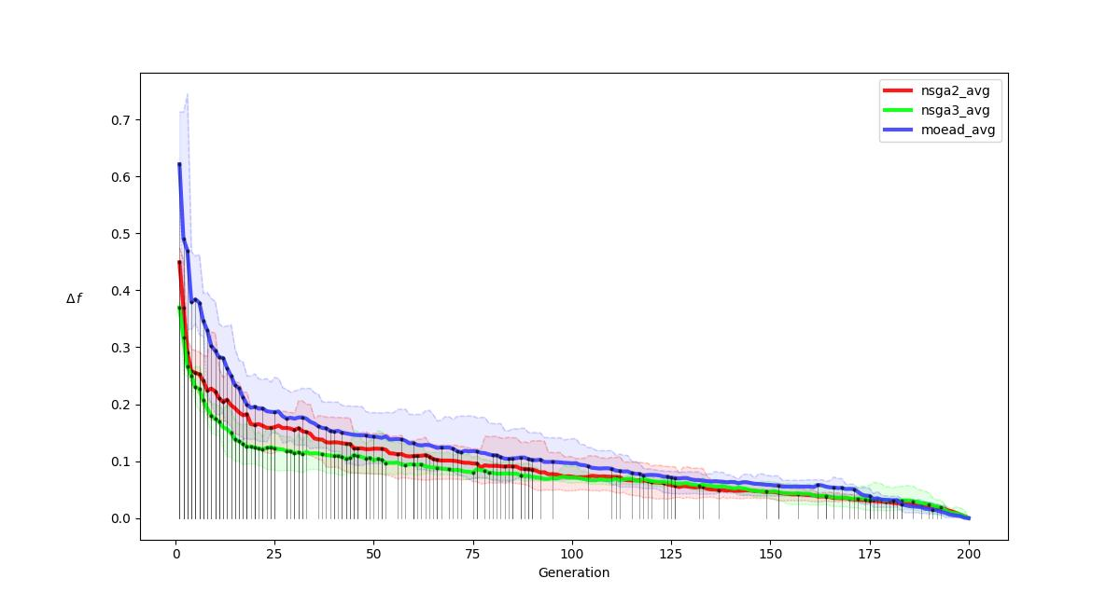
R-METRIC ALL
.

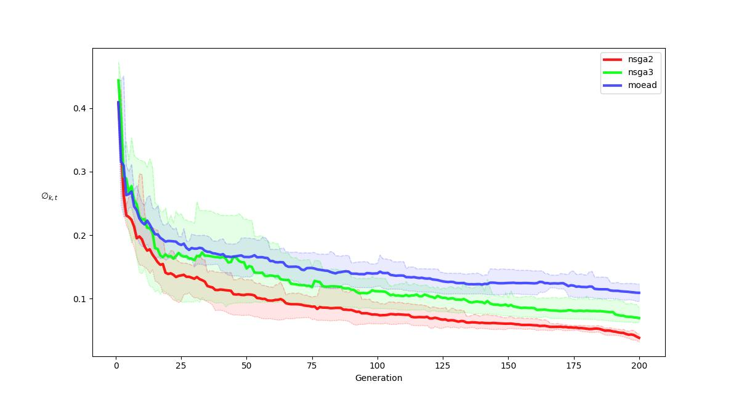
R-METRIC ALL COMPARISON
.

