AVG_DATASHEET
AVERAGE DATA OF 5 RUNS

FITNESS
Objectives | NSGA2 |  |  | NSGA3 |  |  | MOEAD
 | MIN | MAX | AVG | MIN | MAX | AVG | MIN | MAX | AVG
QED | 0.06 | 0.95 | 0.48 | 0.1 | 0.95 | 0.62 | 0.04 | 0.83 | 0.31
LogP | 1.48 | 17.74 | 9.36 | 1.56 | 12.46 | 6.77 | 1.82 | 13.8 | 9.2
SA | 1 | 8.04 | 4.06 | 1.02 | 6.67 | 3.05 | 1.55 | 7.87 | 4.26
#Pareto | 250 |  |  | 121 |  |  | 64

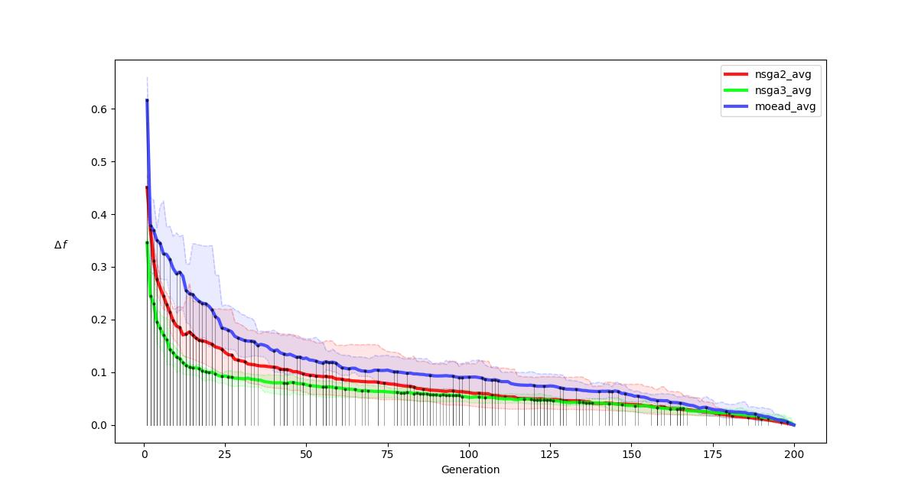
R-METRIC ALL
.

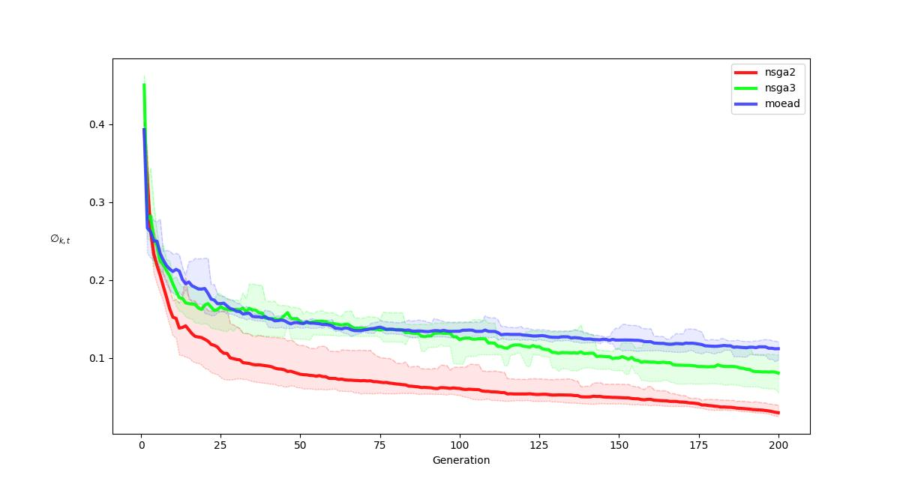
R-METRIC ALL COMPARISON
.

