NSGA2 Data
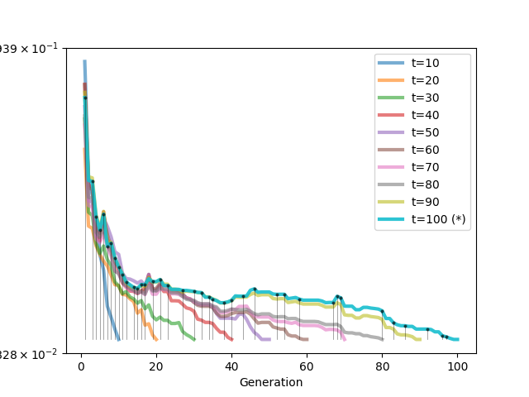
NSGA2 DATA
Top N | SETTINGS |  | Paerto
 | Data | fragments

 | Seed | 1

 | Pop_size | 100

 | N_Gen | 3

 | Sampling | Random uniform

 | Crossover | 1-point, 100%

 | Mutation | Random replace, 40%

 | ertret |  |  | ertertert

