Page 03
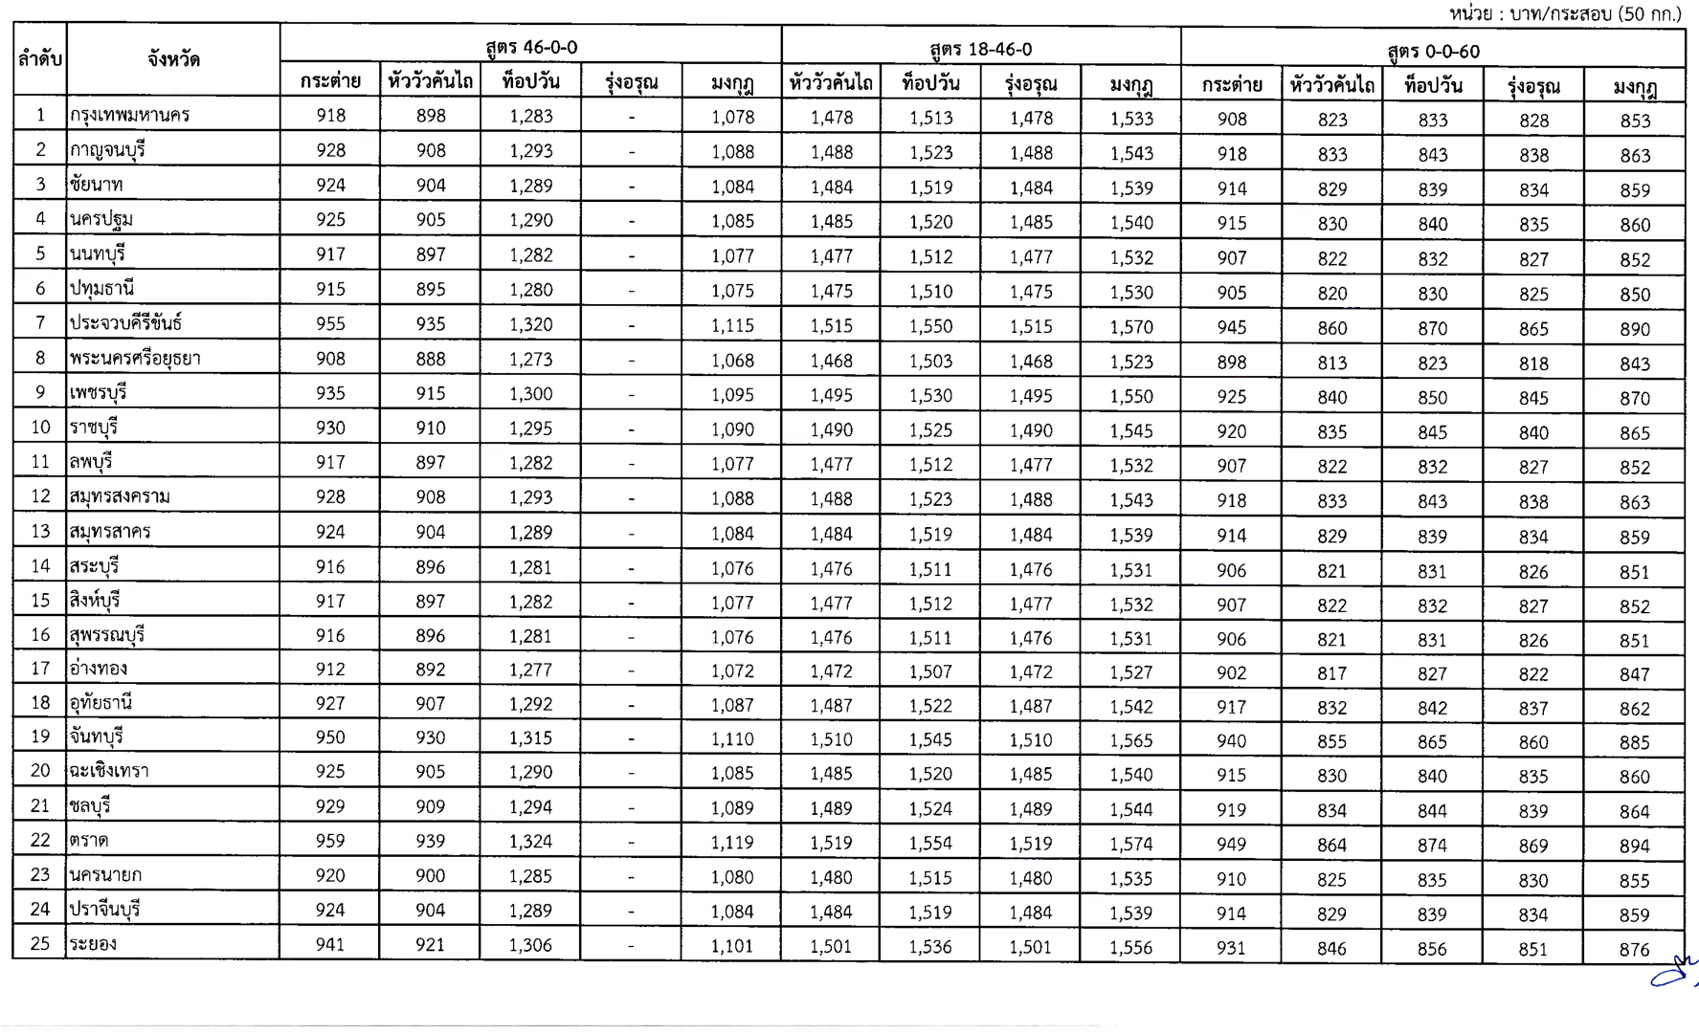
Extracted table from PDF page 3
Preserved as cleaned, rotated table image from scanned PDF.

Page 04
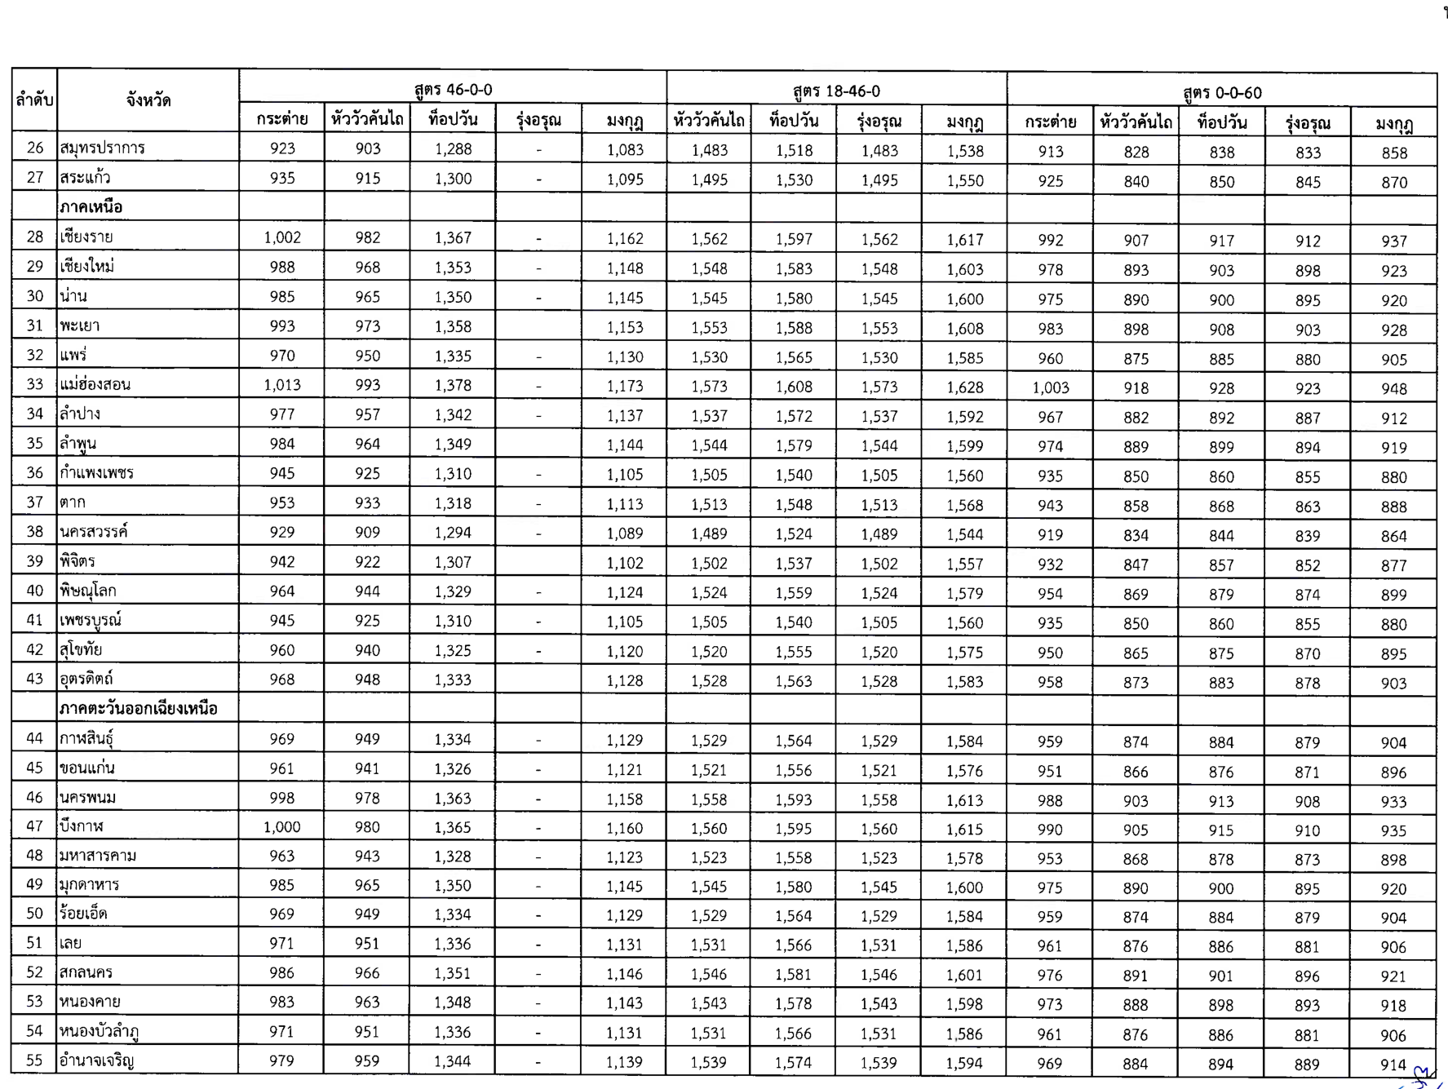
Extracted table from PDF page 4
Preserved as cleaned, rotated table image from scanned PDF.

Page 05
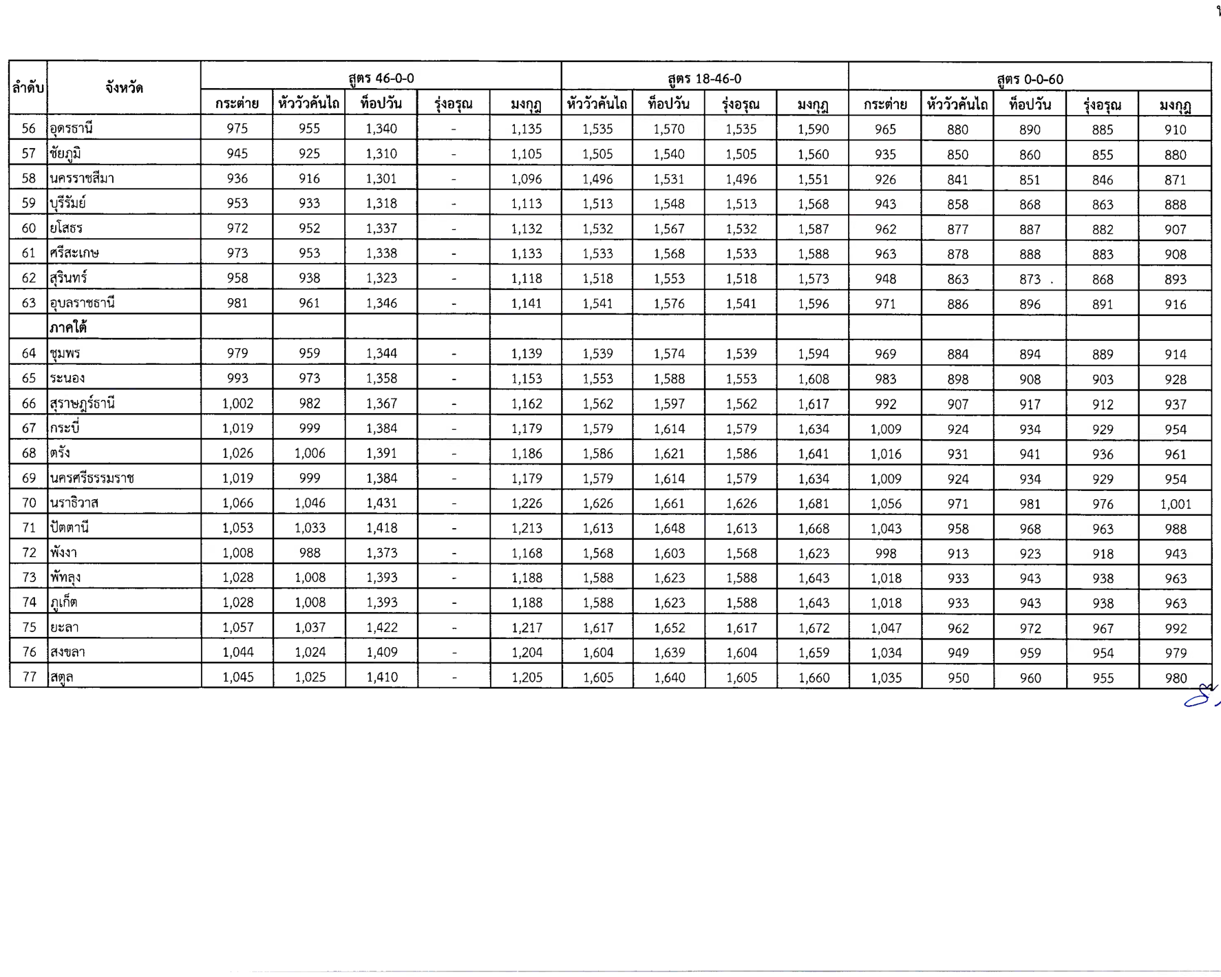
Extracted table from PDF page 5
Preserved as cleaned, rotated table image from scanned PDF.

Page 06
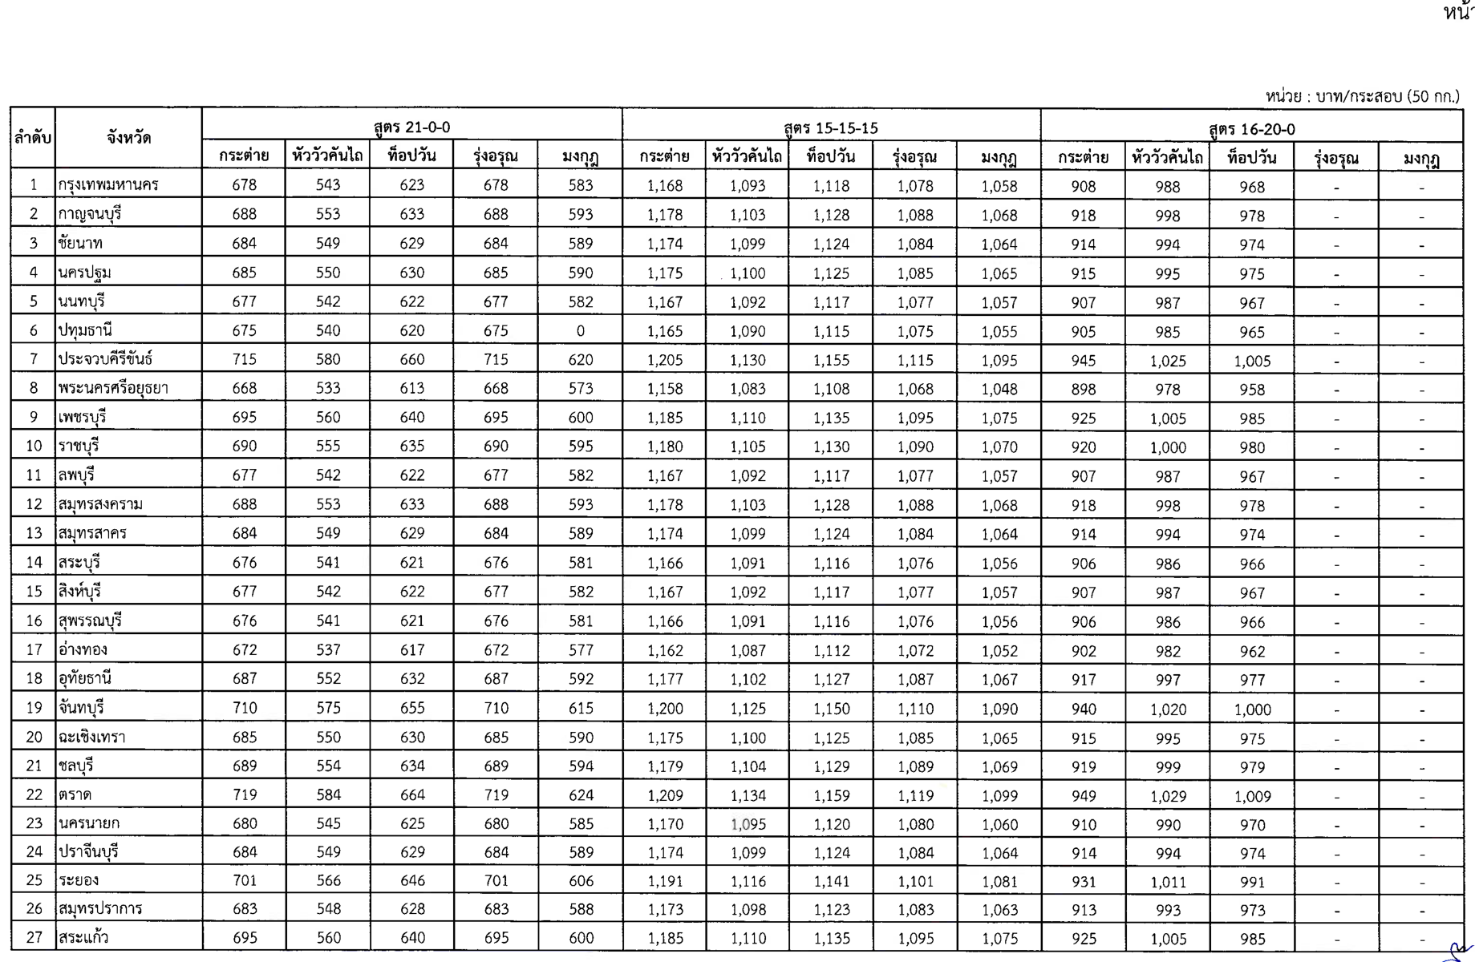
Extracted table from PDF page 6
Preserved as cleaned, rotated table image from scanned PDF.

Page 07
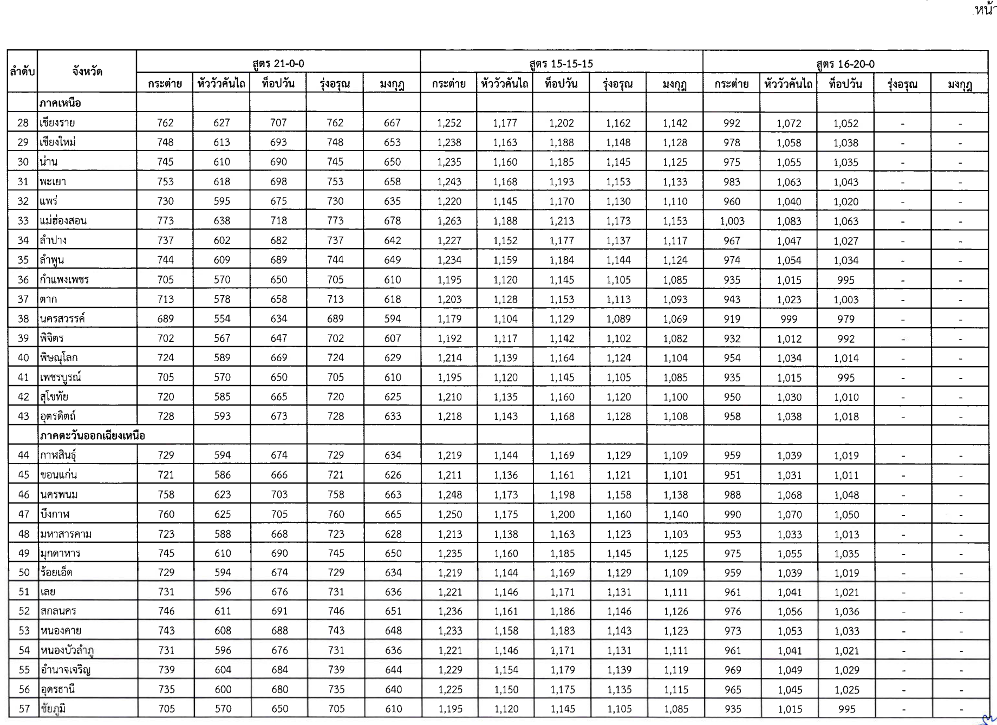
Extracted table from PDF page 7
Preserved as cleaned, rotated table image from scanned PDF.

Page 08
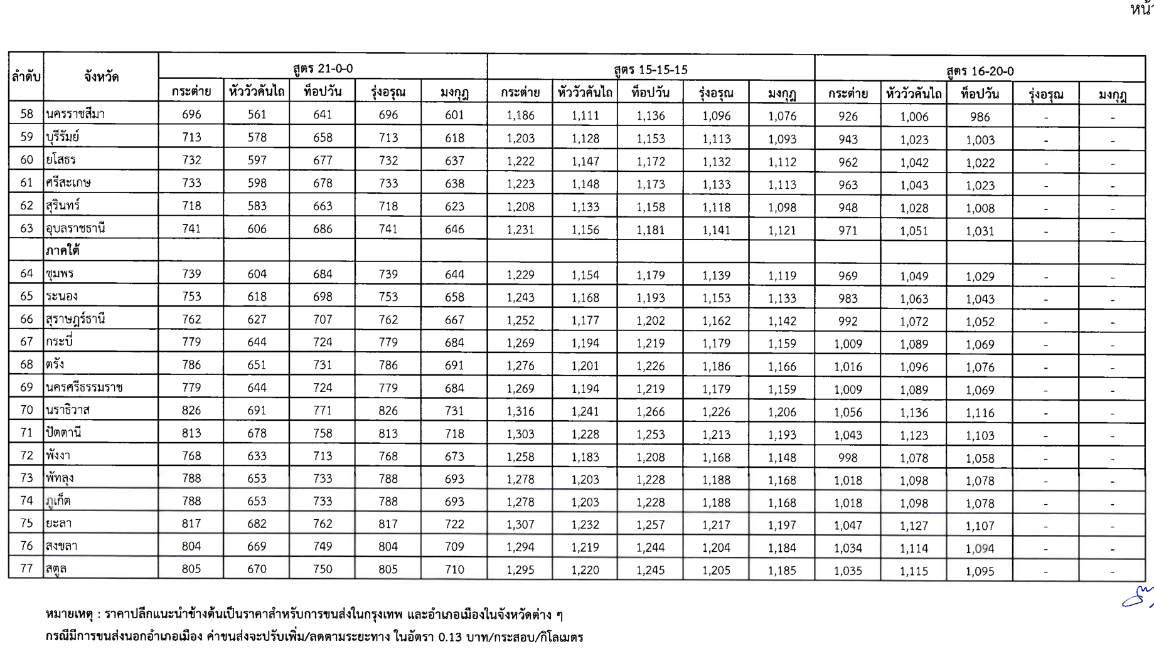
Extracted table from PDF page 8
Preserved as cleaned, rotated table image from scanned PDF.

