party3
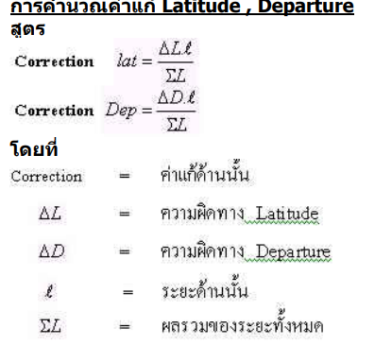
o5 | N | 1519248.598 |  | มุม | AVG Angle (Degree) | STD Angle (Degree)
 | E | 665530.213 |  | 05 CU09 A | 142.04175926 | 0.00029096771043
CU09 | N | 1519282.156 |  | CU09 A 38 | 87.4572685 | 0.00022915497538
 | E | 665580.855 |  | A 38 CU09 | 27.4122454 | 0.00036010067561
 |  |  |  | 38 CU09 A | 65.1259722 | 0.00028350575726
Az |  | 0.98557857009 | 236.4694924

 |  |  |  | Compass Rule
 |  |  |  | Sta. | Hor Ang | Cor | Adj. Ang. | Azimuth | Hor.Dist | STD Distance
 |  |  |  | CU09 |  |  |  | 18.5112517 | 58.438 | 0.00057735026919
 |  |  |  | A | 87.4572685 | 0.0015046333333 | 87.458773133 | 285.9700248 | 115.161 | 0.00081649658093
 |  |  |  | 38 | 27.4122454 | 0.0015046333333 | 27.413750033 | 133.3837749 | 126.805 | 0.00094280904158
 |  |  |  | CU09 | 65.1259722 | 0.0015046333333 | 65.127476833 | 18.5112517
 |  |  |  | sum | 179.9954861 | 0.0045139 | 180.0000000
 |  |  |  | Closure | 0.0045139

 |  |  |  |  |  |  | ระยะCos Az |  | ระยะ Sin Az |  | Nort + Lat + Corr Lat
 |  |  |  | Sta. | Hor Dist | Azimuth | Lattitude | Correct Lat | Departure | Correct Dep | Northing | Easting
 |  |  |  | CU09 | 58.438 | 18.5112517 | 55.414495302 | 0.00015322401086 | 18.553532128 | 0.00096245348473 | 1519282.160 | 665580.855
 |  |  |  | A | 115.161 | 285.9700248 | 31.684754871 | 0.00030195130419 | -110.71644968 | 0.0018966615174 | 1519337.575 | 665599.409
 |  |  |  | 38 | 126.805 | 133.3837749 | -87.10003783 | 0.00033248178748 | 92.157970003 | 0.0020884341376 | 1519369.260 | 665488.695
 |  |  |  | CU09 |  |  |  |  |  |  | 1519282.160 | 665580.855

 |  |  |  | sum | 300.404 |  | -0.00078765710253 | 0.00078765710253 | -0.0049475491397 | 0.0049475491397

 |  |  |  |  |  | Linear Misclosure = | 2.509865E-05
 |  |  |  |  |  | Accuracy = | 8.3549640489E-08 | 1 : | 11,968,932

 |  |  |  |  | ระยะ | AVG Distance (m) | STD Distance (m)
 |  |  |  |  | 05 - CU09 | 61.508 | 0.0012583057392
 |  |  |  |  | CU09 - A | 58.438 | 0.00057735026919
 |  |  |  |  | A - 38 | 115.161 | 0.00081649658093
 |  |  |  |  | 38 - CU09 | 126.805 | 0.00094280904158
 |  |  |  |  | 38 - 28 | 56.184 | 0.00068718427094
 |  |  |  |  | 28 - CU09 | 105.939 | 0.00068718427094

party4
o5 | N | 1519248.598 |  | มุม | AVG Angle | STD Angle
 | E | 665530.213 |  | 05 CU09 38 | 76.9136343 | 0.00028538953717
CU09 | N | 1519282.156 |  | CU09 38 28 | 55.7819907 | 0.00013094570023
 | E | 665580.855 |  | 38 28 CU09 | 98.2091898 | 0.00026795918757
 |  |  |  | 28 CU09 38 | 26.0082639 | 0.00025983731853
Az |  | 0.98557857009 | 236.4694924

 |  |  |  | Compass Rule
 |  |  |  | Sta. | Hor Ang | Cor | Adj. Ang. | Azimuth | Hor.Dist | STD Distance
 |  |  |  | CU09 |  |  |  | 313.3831267 | 126.804 | 0.0007453559925
 |  |  |  | 38 | 55.7819907 | 0.00018519999999 | 55.7821759 | 189.1653026 | 56.184 | 0.00068718427094
 |  |  |  | 28 | 98.2091898 | 0.00018519999999 | 98.209375 | 107.3746776 | 105.939 | 0.00068718427094
 |  |  |  | CU09 | 26.0082639 | 0.00018519999999 | 26.0084491 | 313.3831267
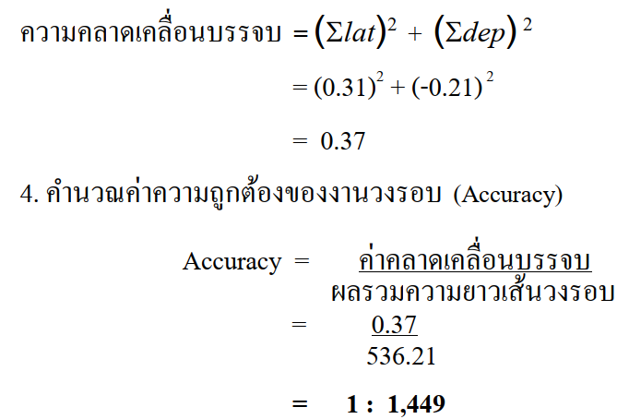
 |  |  |  | sum | 179.9994444 | 0.0005556 | 180.0000000
 |  |  |  | Closure | 0.0005556

 |  |  |  |  |  |  | ระยะCos Az |  | ระยะ Sin Az |  | Nort + Lat + Corr Lat
 |  |  |  | Sta. | Hor Dist | Azimuth | Lattitude | Correct Lat | Departure | Correct Dep | Northing | Easting
 |  |  |  | CU09 | 126.804 | 313.3831267 | 87.098308465 | 0.0016617491275 | -92.15822849 | 0.00094250198327 | 1519282.160 | 665580.855
 |  |  |  | 38 | 56.184 | 189.1653026 | -55.466693557 | 0.00073628365806 | -8.9491766008 | 0.00041760142762 | 1519369.260 | 665488.698
 |  |  |  | 28 | 105.939 | 107.3746776 | -31.635401257 | 0.0013883161479 | 101.10525757 | 0.00078741772819 | 1519313.794 | 665479.749
 |  |  |  | CU09 |  |  |  |  |  |  | 1519282.160 | 665580.855

 |  |  |  | sum | 288.927 |  | -0.0037863489334 | 0.0037863489334 | -0.0021475211391 | 0.0021475211391

 |  |  |  |  |  | Linear misclosure = | 1.8948285288E-05
 |  |  |  |  |  | Accuracy = | 6.5581566583E-08 | 1 : | 15,248,187

 |  |  |  |  | ระยะ | AVG Distance (m) | STD Distance
 |  |  |  |  | 38 - 28 | 56.184 | 0.00068718427094
 |  |  |  |  | 28 - CU09 | 105.939 | 0.00068718427094

