Assessment Brief
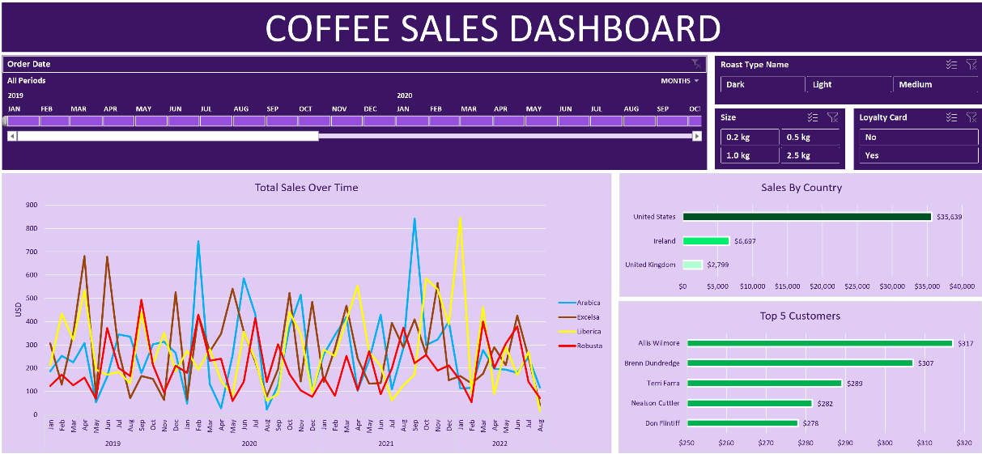 Assessment Instructions Using these tables as references, do the following: 1. Populate all columns in the "Order Detail" sheet. This can be done largely with any lookUp function of your choice from other tables in this workbook. a. For Employee Name Column, if an employee's first name, last name, and title are John, Doe, and Mr. respectively. What is expected in the Employee Full Nam Column is Mr. John Doe b. For Freight Category column, if freight for order is greater than 100 return 'High Freight' else 'Low Freight'. c. Revenue can be calculated using the price and quantity ordered columns. 2. Create pivot table and charts from the fully populated sheet and generate these insights. a. Revenue generated by product category b. Top 10 Employees by revenue generated c. Revenue Trend d. Include other visuals 3. Create a dashboard to show all pivot charts in one locations. See sample dashboard below 4. Include slicers and timelines to make your report interactive. 5. In a detailed powerpoint presentation, summarize your findings from analyzing the data. Things to capture in the presentation are: -- Descriptive Analytics showing details about what has happened. -- Possible Root Cause Analysis explaining why key things happened -- Recommedations to improve the business in areas that are poor in performance. Note: The key metrics are Revenue, Profit, Transaction Count

