C01_NOA1
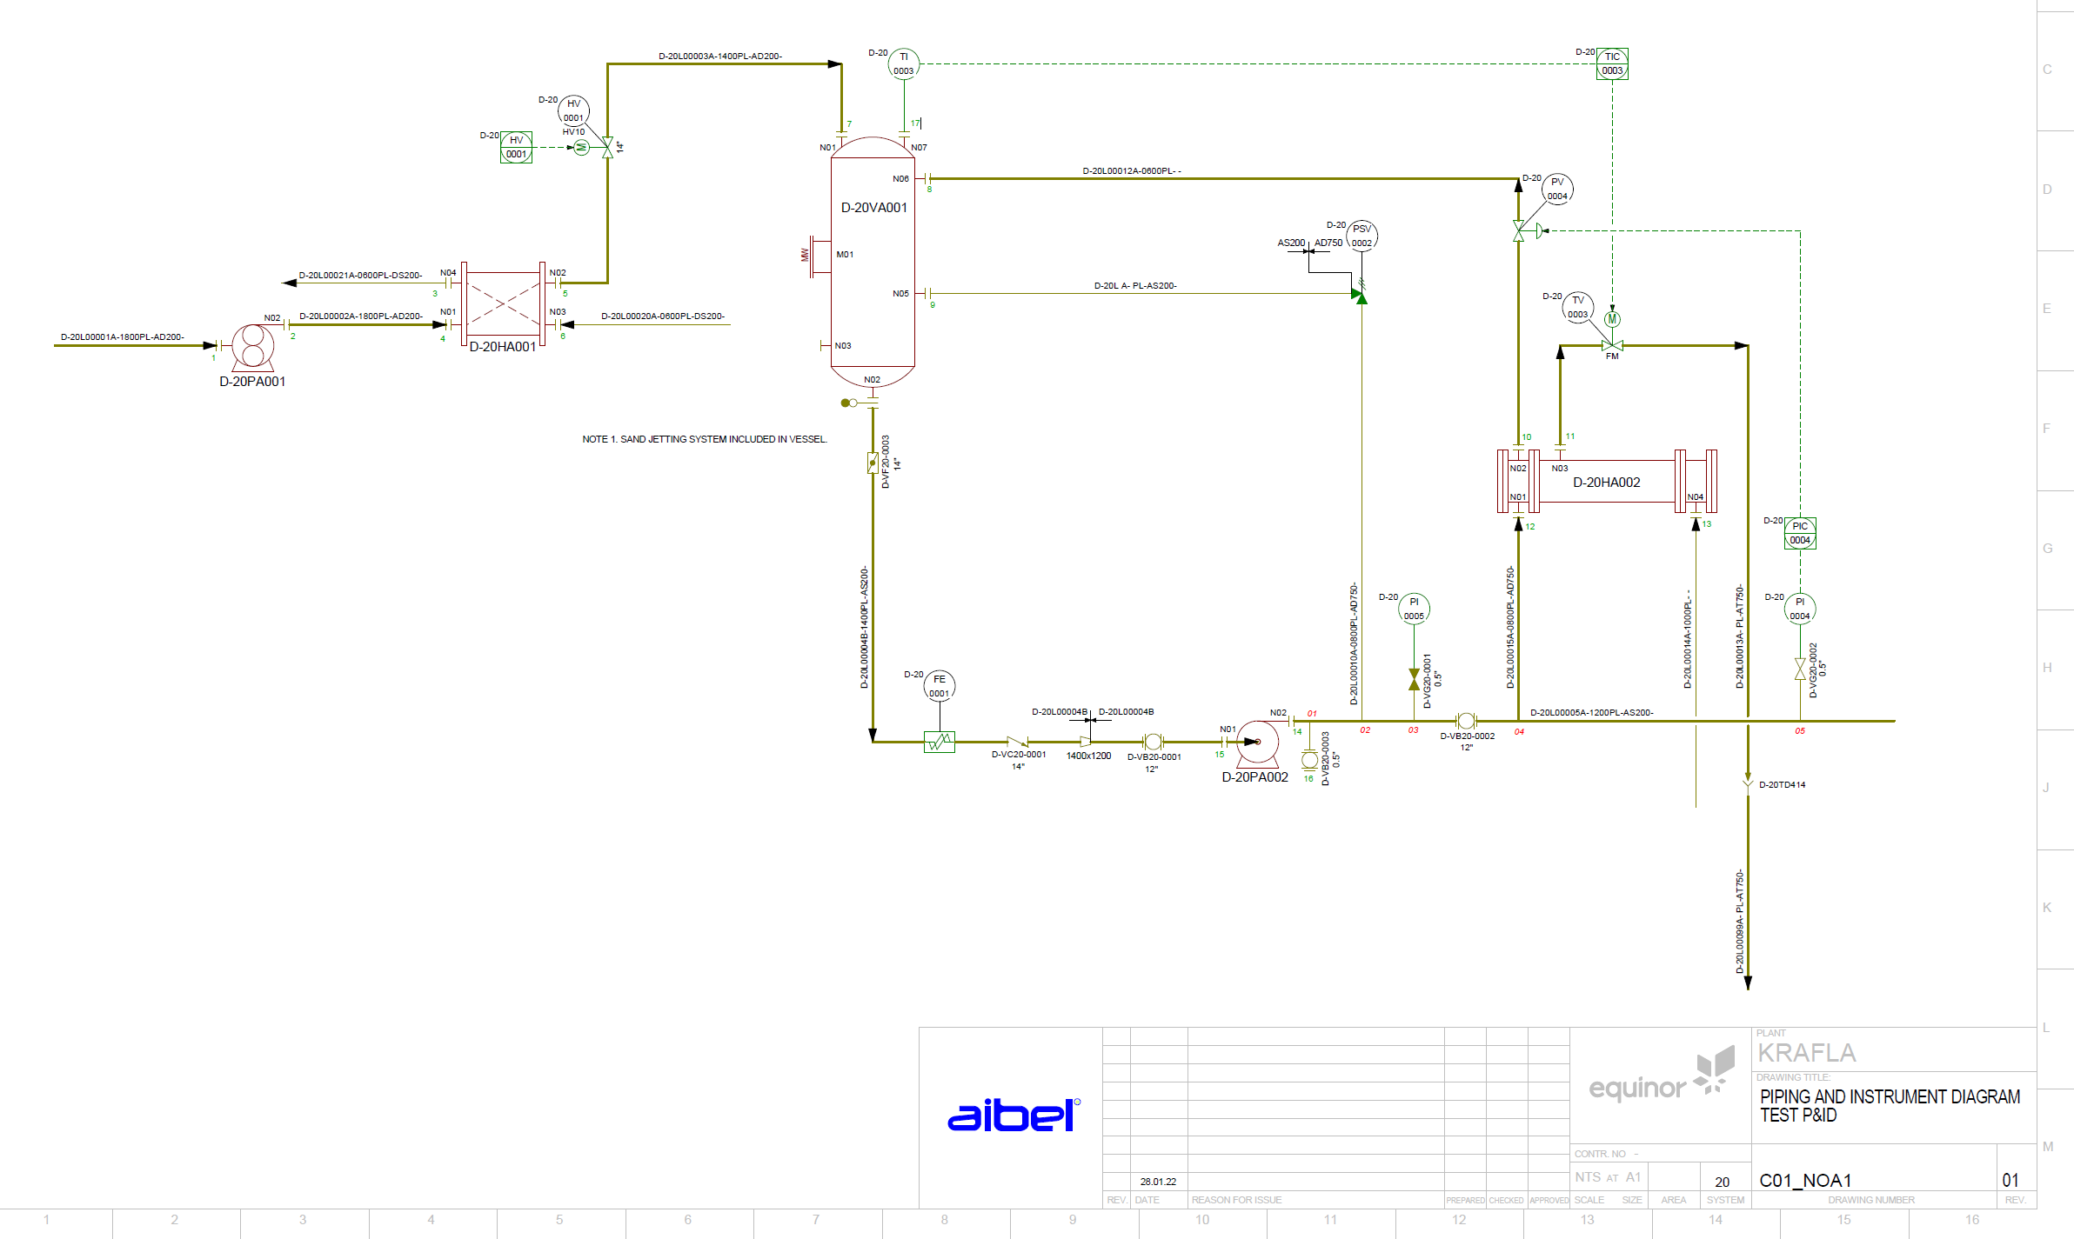

EX3.1
Test Case

TEST CASE NAME: |  | EX3.1
PURPOSE: |  | Check file attributes
PREREQUISITE: |  | **Not required as this is covered by the Verificator
DEPENDENCIES:

Not Required
 | Test Steps
 | STEP # | STEP DESCRIPTION | Other Detail | EXPECTED RESULTS | Test Comments | ACTUAL RESULTS
 | 1 | SchemaVersion |  | 4.1
 | 2 | OriginatingSystem
 | 3 | ModelName
 | 4 | Date
 | 5 | ProjectName
 | 6 | ProjectCode
 | 7 | ProjectDescription
 | 8 | CompanyName
 | 9 | Time
 | 10 | Is3D
 | 11 | Units
 | 12 | Discipline
 | 13 | UnitsOfMeasure / Distance
 | 14 | UnitsOfMeasure / Area
 | 15 | UnitsOfMeasure / Angle
 | 16 | UnitsOfMeasure / Temperature
 | 17 | UnitsOfMeasure / Pressure
 | 18 | UnitsOfMeasure / Volume
 | 19 | UnitsOfMeasure / Weight

EX4.1
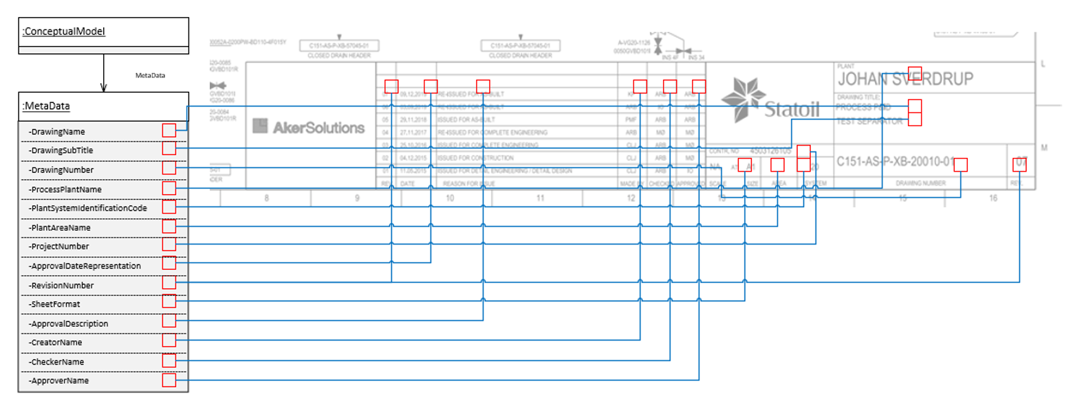
Test Case

TEST CASE NAME: |  | EX4.1
PURPOSE: |  | Check Drawing Attributes
PREREQUISITE:
DEPENDENCIES:

 | Test Steps
 | STEP # | STEP DESCRIPTION | Other Detail | EXPECTED RESULTS | Test Comments | ACTUAL RESULTS
 | 1 | DrawingName |  | PIPING AND INSTRUMENT DIAGRAM
 | 2 | DrawingSubTitle |  | TEST P&ID
 | 3 | DrawingNumber |  | C01_NOA1
 | 4 | ProcessPlantName |  | KRAFLA
 | 5 | PlantSystemIdentificationCode |  | 20
 | 6 | PlantAreaName
 | 7 | ProjectNumber
 | 8 | ApprovalDateRepresentation |  | <as shown>
 | 9 | RevisionNumber |  | 01
 | 10 | SheetFormat |  | NTS at A1
 | 11 | ApprovalDescription
 | 12 | CreatorName
 | 13 | CheckerName
 | 14 | ApproverName
 | 15 | ProcessPlantIdentificationCode | Not shown in titleblock
 | 16
 | 17
 | 18
 | 19

