C01 Redraw (COMOS)
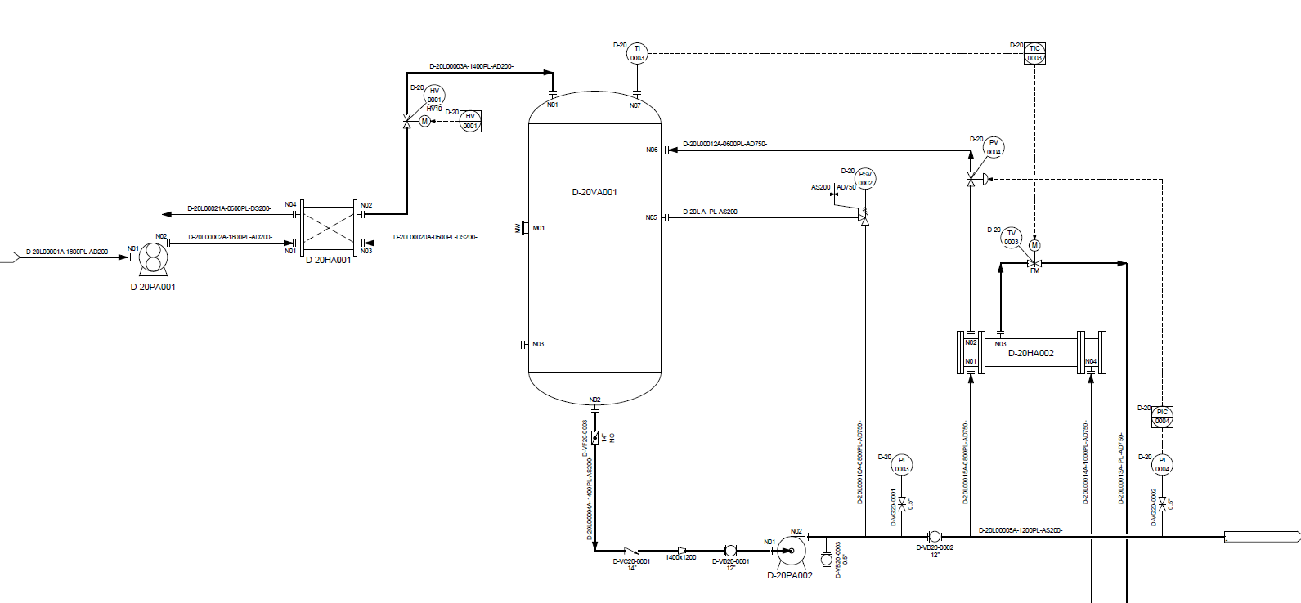

DEXPI mapping
DEXPI : Data Exchange in Process Industry (Bridge the gap for P&ID data exchange)
Notes:
Rule to be added to NOAKA profile | Each ActuatingFunction should have an associated SignalLineFunction
Rule to be added to NOAKA profile | Each MeasuringLineFunction must have an associated ProcessSignalGeneratingFunction
 | PipingNetworkSegment Source and Target rules: Source: Nozzle, PipingComponent, or PropertyBreak that it doesn’t contain or it will reference a FlowInPipeOffPageConnector that it contains. Target: Nozzle, merging component (a PipingComponent such as a Tee) that it doesn’t contain or it will reference a PipingComponent, PropertyBreak, or FlowOutPipeOffPageConnector that it contains as its last component. ** If the TargetItem of a PipingNetworkSegment is a contained PipingNetworkSegmentItem, the TargetNode of the PipingNetworkSegment is the main downstream PipingNode of this PipingNetworkSegmentItem, if applicable (i.e. the main flow out of the segment).

Descriptions | Snipping from Example drawing | DEXPI | RDS | Z004 symbol ID | TR1970 symbol ID | Label Symbol | Notes: Tonia | Other Comments: Please add your initial and date to the comment.
Pump |  | RotaryPump Nozzle "N01" PipingNode Nozzle "N02" PipingNode | RotaryPump: http://data.posccaesar.org/rdl/RDS420749 | PP003A | STPP004
Heat Exchanger |  | PlateHeatExchanger Nozzle "N01" PipingNode Nozzle "N02" PipingNode Nozzle ... | PlateHeatExchangerNozzle: http://data.posccaesar.org/rdl/RDS420749 | PE010A | STPX006
Shell and tube heat exchanger |  | TubularHeatExchanger Nozzle "N01" PipingNode Nozzle "N02" PipingNode Nozzle ... | TubularHeatExchanger: http://data.posccaesar.org/rdl/RDS13971182 | PE037A | STPX018
Tank | 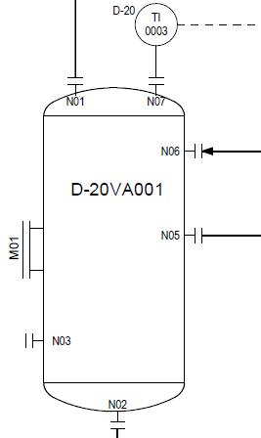 | Separator Nozzle "M01" PipingNode Nozzle "N01" PipingNode Nozzle "N02" PipingNode Nozzle … | Separator: http://data.posccaesar.org/rdl/RDS2194378711 | PT002A | STPT002
Flow control valve | 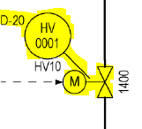 | ActuatingSystem ControlledActuator ShutOffValveReference GateValve PipingNode PipingNode | ActuatingSystem: http://sandbox.dexpi.org/rdl/ActuatingSystem ControlledActuator: http://sandbox.dexpi.org/rdl/ControlledActuator GateValve: http://data.posccaesar.org/rdl/RDS416519 | ControlledActuator: PA001A GateValve: PV005A | ControlledActuator: STPA001 GateValve: STPV003 |  | Label symbol is referenced from the ActuatingSystem
Instrument controller |  | ProcessInstrumentationFunction -ActuatingFunctions- ActuatingFunction -SignalConveyingFunctions- SignalLineFunction | ProcessInstrumentationFunction: http://sandbox.dexpi.org/rdl/ProcessInstrumentationFunction | Multi | Multi
Pressure safety valve |  | SpringLoadedAngleGlobeSafetyValve PipingNode PipingNode | SpringLoadedAngleGlobeSafetyValve: http://sandbox.dexpi.org/rdl/SpringLoadedAngleGlobeSafetyValve | Multi | Multi |  | Label symbol is referenced from the Valve
Non return valve |  | CheckValve PipingNode PipingNode | CheckValve: http://data.posccaesar.org/rdl/RDS292229 | PV013A | STLV004
Pump |  | CentrifugalPump Nozzle "N01" PipingNode Nozzle "N02" PipingNode | CentrifugalPump: http://data.posccaesar.org/rdl/RDS416834 | PP001A | STPP001
Reducer |  | PipeReducer PipingNode PipingNode | PipeReducer: http://data.posccaesar.org/rdl/RDS416294 | PE001A | STPF117
Ball valve |  | BallValve PipingNode PipingNode | BallValve: http://data.posccaesar.org/rdl/RDS416654 | PV019A | STLV008 |  | ** Ball valve symbol includes both lines on either side of the circle
Gate valve with Pressure Indicator |  | GateValve PipingNode PipingNode | GateValve: http://data.posccaesar.org/rdl/RDS416519 | PV005A | STPV003
Gate valve with Pressure Indicator |  | ProcessInstrumentationFunction -ProcessSignalGeneratingFunctions- ProcessSignalGeneratingFunction -SignalConveyingFunctions- MeasuringLineFunction |  | IM005A | STJI009
Temperature Indicator |  | ProcessInstrumentationFunction -ProcessSignalGeneratingFunctions- ProcessSignalGeneratingFunction -SignalConveyingFunctions- MeasuringLineFunction SignalLineFunction | ProcessInstrumentFunction: http://sandbox.dexpi.org/rdl/ProcessInstrumentationFunction ProcessSignalGeneratingFunction: http://sandbox.dexpi.org/rdl/ProcessSignalGeneratingFunction MeasuringLineFunction: http://sandbox.dexpi.org/rdl/MeasuringLineFunction SignalLineFunction: http://sandbox.dexpi.org/rdl/SignalLineFunction | IM005A | STJI009
Indicator controller |  | ProcessInstrumentationFunction -ActuatingFunctions- ActuatingFunction -SignalConveyingFunctions- SignalLineFunction | ProcessInstrumentFunction: http://sandbox.dexpi.org/rdl/ProcessInstrumentationFunction SignalLineFunction: http://sandbox.dexpi.org/rdl/SignalLineFunction ActuatingFunction: http://sandbox.dexpi.org/rdl/ActuatingFunction |  | STJIM006
Indicator controller |  | ProcessInstrumentationFunction -ActuatingFunctions- ActuatingFunction -SignalConveyingFunctions- SignalLineFunction | ProcessInstrumentFunction: http://sandbox.dexpi.org/rdl/ProcessInstrumentationFunction SignalLineFunction: http://sandbox.dexpi.org/rdl/SignalLineFunction ActuatingFunction: http://sandbox.dexpi.org/rdl/ActuatingFunction |  | STJIM006
Pressure Transmiter |  | ProcessInstrumentationFunction -ProcessSignalGeneratingFunctions- ProcessSignalGeneratingFunction -SignalConveyingFunctions- MeasuringLineFunction SignalLineFunction | ProcessInstrumentFunction: http://sandbox.dexpi.org/rdl/ProcessInstrumentationFunction ProcessSignalGeneratingFunction: http://sandbox.dexpi.org/rdl/ProcessSignalGeneratingFunction MeasuringLineFunction: http://sandbox.dexpi.org/rdl/MeasuringLineFunction SignalLineFunction: http://sandbox.dexpi.org/rdl/SignalLineFunction | IM005A | STJI009
Actuated Gate Valve |  | ActuatingSystem ControlledActuator ShutOffValveReference GateValve PipingNode PipingNode | ActuatingSystem: http://sandbox.dexpi.org/rdl/ActuatingSystem ControlledActuator: http://sandbox.dexpi.org/rdl/ControlledActuator GateValve: http://data.posccaesar.org/rdl/RDS416519 | ControlledActuator: PA008A GateValve: PV005A | ControlledActuator: STPA008 GateValve: STPV003 |  | Label symbol is referenced from the ActuatingSystem
Actuated Gate Valve |  | ActuatingSystem ControlledActuator ShutOffValveReference GateValve PipingNode PipingNode | ActuatingSystem: http://sandbox.dexpi.org/rdl/ActuatingSystem ControlledActuator: http://sandbox.dexpi.org/rdl/ControlledActuator GateValve: http://data.posccaesar.org/rdl/RDS416519 | ControlledActuator: PA001A GateValve: PV005A | ControlledActuator: STPA001 GateValve: STPV003 |  | Label symbol is referenced from the ActuatingSystem
Butterfly Valve |  | ButterflyValve PipingNode PipingNode | ButterflyValve: http://data.posccaesar.org/rdl/RDS416609 | PV018A | STLV007
Tundish |  | CustomEquipment TypeName="DrainBox" TypeURI="http://data.posccaesar.org/rdl/RDS298844" | CustomEquipment: http://sandbox.dexpi.org/rdl/CustomEquipment | PZ013A | STPZ004
Nozzle |  | Nozzle | Nozzle: http://data.posccaesar.org/rdl/RDS415214 |  |  |  | Assume 'NozzleTee' symbol is used for all nozzles in drawing
Flange |  | Flange | Flange: http://data.posccaesar.org/rdl/RDS13307654 | PV002A | STPF107 |  | Map to 'Flange' when there is a follow-on connection
Blind Flange |  | BlindFlange | BlindFlange: http://data.posccaesar.org/rdl/RDS414719 | PV002A | STPF107 |  | Map to 'BlindFlange' when there is no follow-on connection
MeasureLine |  |  |  | DEXPI Proteus LineType: 0 - Solid | DEXPI Proteus LineType: 0 - Solid
SignalLine |  |  |  | DEXPI Proteus LineType: 2 - Dashed | DEXPI Proteus LineType: 2 - Dashed
Pipe |  | PipingNetworkSystem PipingNetworkSegment -Connections- Pipe -Items- e.g. GateValve, PipeTee, FlowOutPipeOffPageConnector PipingNodes |  | DEXPI Proteus LineType: 0 - Solid | DEXPI Proteus LineType: 0 - Solid |  | PipingNetworkSegment Source and Target rules: Source: Nozzle, PipingComponent, or PropertyBreak that it doesn’t contain or it will reference a FlowInPipeOffPageConnector that it contains. Target: Nozzle, merging component (a PipingComponent such as a Tee) that it doesn’t contain or it will reference a PipingComponent, PropertyBreak, or FlowOutPipeOffPageConnector that it contains as its last component. ** If the TargetItem of a PipingNetworkSegment is a contained PipingNetworkSegmentItem, the TargetNode of the PipingNetworkSegment is the main downstream PipingNode of this PipingNetworkSegmentItem, if applicable (i.e. the main flow out of the segment).
BranchTee |  | CustomPipingComponent Type="VirtualPipingConnector" TypeURI=<<To be discussed with Manfred>> PipingNode PipingNode PipingNode | CustomEquipment: http://sandbox.dexpi.org/rdl/CustomPipingComponent |  |  |  | A PipeTee is required for each 'tee' type piping join. It may be necessary to introduce a new customattribute on this object to indicate that it is a 'virtual' tee.
SpecificationBreak |  | PropertyBreak PipingNode PipingNode | PropertyBreak: http://sandbox.dexpi.org/rdl/PropertyBreak |  |  |  | There is a change from DEXPI 1.2 & 1.3 in how this type is manged. Need to discuss which segment 'owns' the propertybreak.
OPC |  | FlowOutPipeOffPageConnector PipingNode | FlowOutPipeOffPageConnector: http://sandbox.dexpi.org/rdl/FlowOutPipeOffPageConnector
Manway |  | Nozzle | Nozzle: http://data.posccaesar.org/rdl/RDS415214 | PZ002A_B | STPK001 |  | Discuss later what this should be referred to in DEXPI
Flowdirection |  |  | Graphical representation - no symbol |  |  |  | How to represent this arrow ? As a symbol ?
Equipment box/table

