Sheet1
 |  |  |  | Credits received | Remarks
1 | Size and Position of rectangle |  | 30% | 30
 | a. At least 5 instance of Rectangle | 10%
 | b. No overlaps with different colors | 10%
 | c. At least 1 with Width > Height | 10%
 | d. At least 1 with Height > Width | 10%
 | e. At least three distinct sizes | 10%
2 | Support Triangles |  | 30% | 30
 | a. At least 5 instances | 10%
 | b. No overlaps with different colors | 10%
 | c. At least 1 with Width scale > Height scale | 10%
 | d. At least 1 with Height scale > Width scale | 10%
 | e. At least three distinct sizes | 10%
3 | Support Circles |  | 30% | 30
 | a. At least 5 instances | 10%
 | b. No overlaps with different colors | 10%
 | c. At least 1 with Width scale > Height scale | 10%
 | d. At least 1 with Height scale > Width scale | 10%
 | e. At least three distinct sizes | 10%
4 | Proper submission |  | 10% | 10
 | a. Zip file names with NO SPACES | 10%
 | b. No extra unused files/folders (E.g., Test folder) | 10%
 | b. Styles (project name, variable names, etc.) | 10%
 |  |  | Total: | 100
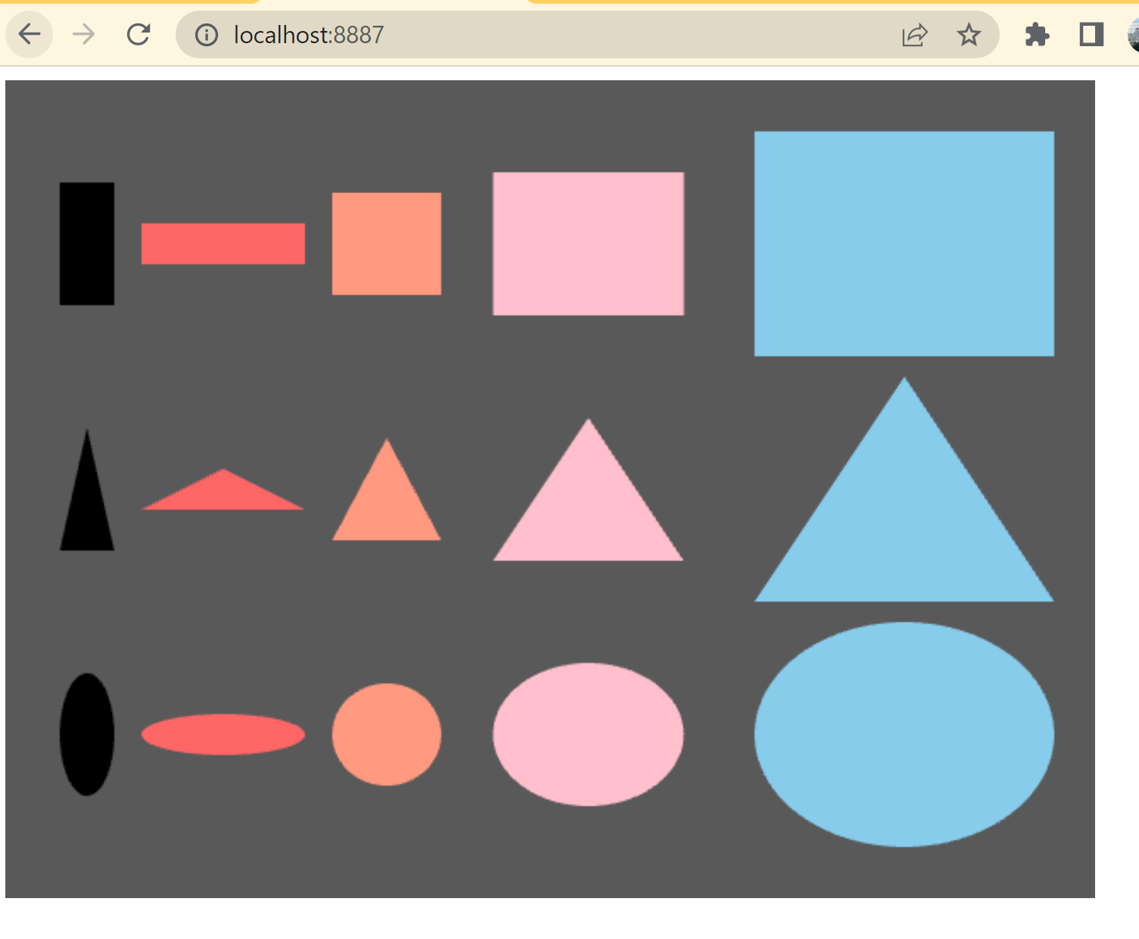
 |  |  | Extra Credit: | 20 | Shape + House!! Very cool!

