Oct.12,2021(Bisection)
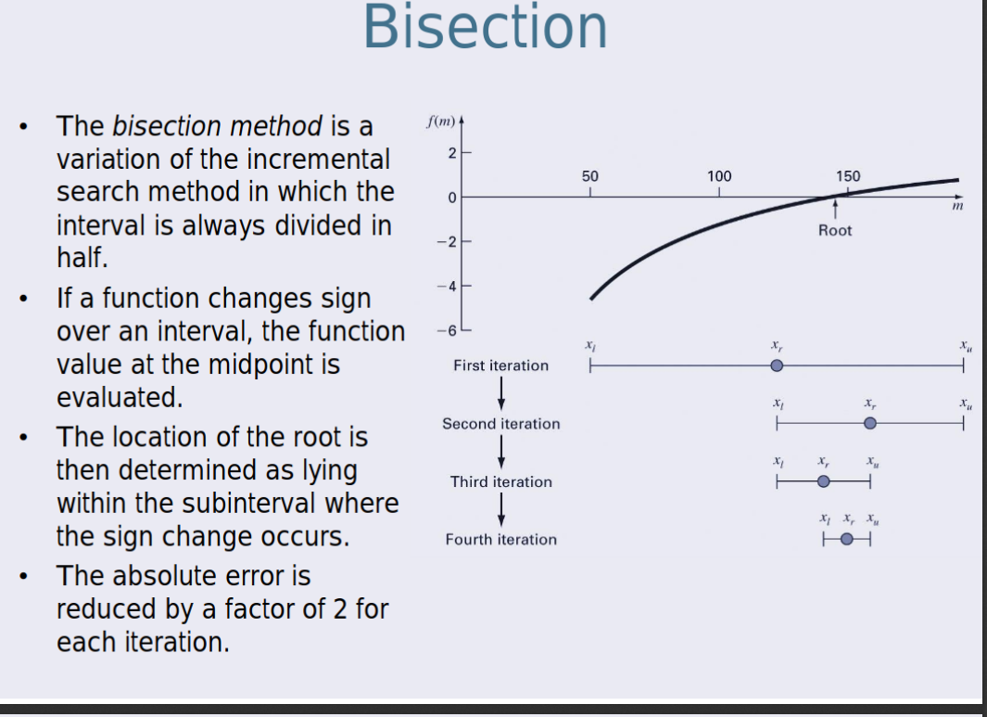
xl | xu | xi | f(xl) | f(xu) | f(xr)
0 | 3 | 1.5 | -4 | 5 | -1.75
1.5 | 3 | 2.25 | -1.75 | 5 | 1.0625
1.5 | 2.25 | 1.875 | -1.75 | 1.0625 | -0.484375
1.875 | 2.25 | 2.0625 | -0.484375 | 1.0625 | 0.25390625
1.875 | 2.0625 | 1.96875 | -0.484375 | 0.25390625 | -0.1240234375
1.96875 | 2.0625 | 2.015625 | -0.1240234375 | 0.25390625 | 0.06274414063
1.96875 | 2.015625 | 1.9921875 | -0.1240234375 | 0.06274414063 | -0.03118896484
1.9921875 | 2.015625 | 2.00390625 | -0.03118896484 | 0.06274414063 | 0.01564025879
1.9921875 | 2.00390625 | 1.998046875 | -0.03118896484 | 0.01564025879 | -0.007808685303
1.998046875 | 2.00390625 | 2.000976563 | -0.007808685303 | 0.01564025879 | 0.003907203674
1.998046875 | 2.000976563 | 1.999511719 | -0.007808685303 | 0.003907203674 | -0.001952886581
1.999511719 | 2.000976563 | 2.000244141 | -0.001952886581 | 0.003907203674 | 0.0009766221046
1.999511719 | 2.000244141 | 1.99987793 | -0.001952886581 | 0.0009766221046 | -0.0004882663488
1.99987793 | 2.000244141 | 2.000061035 | -0.0004882663488 | 0.0009766221046 | 0.0002441443503
1.99987793 | 2.000061035 | 1.999969482 | -0.0004882663488 | 0.0002441443503 | -0.0001220693812
1.999969482 | 2.000061035 | 2.000015259 | -0.0001220693812 | 0.0002441443503 | 6.103538908E-05
1.999969482 | 2.000015259 | 1.999992371 | -0.0001220693812 | 6.103538908E-05 | -3.051751992E-05
1.999992371 | 2.000015259 | 2.000003815 | -3.051751992E-05 | 6.103538908E-05 | 1.525880361E-05
1.999992371 | 2.000003815 | 1.999998093 | -3.051751992E-05 | 1.525880361E-05 | -7.629390893E-06
1.999998093 | 2.000003815 | 2.000000954 | -7.629390893E-06 | 1.525880361E-05 | 3.814698175E-06
1.999998093 | 2.000000954 | 1.999999523 | -7.629390893E-06 | 3.814698175E-06 | -1.907348405E-06
1.999999523 | 2.000000954 | 2.000000238 | -1.907348405E-06 | 3.814698175E-06 | 9.536743732E-07
1.999999523 | 2.000000238 | 1.999999881 | -1.907348405E-06 | 9.536743732E-07 | -4.76837144E-07
1.999999881 | 2.000000238 | 2.00000006 | -4.76837144E-07 | 9.536743732E-07 | 2.384185827E-07
1.999999881 | 2.00000006 | 1.99999997 | -4.76837144E-07 | 2.384185827E-07 | -1.192092887E-07
1.99999997 | 2.00000006 | 2.000000015 | -1.192092887E-07 | 2.384185827E-07 | 5.960464478E-08
1.99999997 | 2.000000015 | 1.999999993 | -1.192092887E-07 | 5.960464478E-08 | -2.980232239E-08
1.999999993 | 2.000000015 | 2.000000004 | -2.980232239E-08 | 5.960464478E-08 | 1.490116119E-08
1.999999993 | 2.000000004 | 1.999999998 | -2.980232239E-08 | 1.490116119E-08 | -7.450580597E-09
1.999999998 | 2.000000004 | 2.000000001 | -7.450580597E-09 | 1.490116119E-08 | 3.725290298E-09
1.999999998 | 2.000000001 | 2 | -7.450580597E-09 | 3.725290298E-09 | -1.862645149E-09
2 | 2.000000001 | 2 | -1.862645149E-09 | 3.725290298E-09 | 9.313225746E-10
2 | 2 | 2 | -1.862645149E-09 | 9.313225746E-10 | -4.656612873E-10
2 | 2 | 2 | -4.656612873E-10 | 9.313225746E-10 | 2.328306437E-10
2 | 2 | 2 | -4.656612873E-10 | 2.328306437E-10 | -1.164153218E-10
2 | 2 | 2 | -1.164153218E-10 | 2.328306437E-10 | 0
2 | 2 | 2 | -1.164153218E-10 | 0 | 0
2 | 2 | 2 | 0 | 0 | 0
2 | 2 | 2 | 0 | 0 | 0
2 | 2 | 2 | 0 | 0 | 0
2 | 2 | 2 | 0 | 0 | 0
2 | 2 | 2 | 0 | 0 | 0
2 | 2 | 2 | 0 | 0 | 0
2 | 2 | 2 | 0 | 0 | 0
2 | 2 | 2 | 0 | 0 | 0
2 | 2 | 2 | 0 | 0 | 0
2 | 2 | 2 | 0 | 0 | 0
2 | 2 | 2 | 0 | 0 | 0
2 | 2 | 2 | 0 | 0 | 0

Oct.18(False Position)
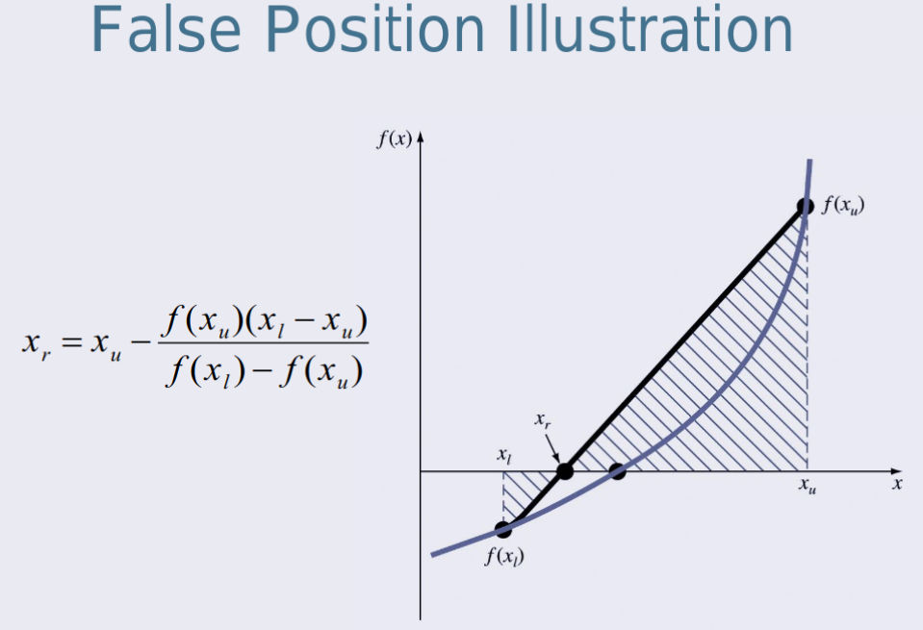
xl | xu | xr | f(xl) | f(xu) | f(xr) | Solution
0 | 3 | 1.333333333 | -4 | 5 | -2.222222222 | N/a
1.333333333 | 3 | 1.846153846 | -2.222222222 | 5 | -0.5917159763 | N/a
1.846153846 | 3 | 1.968253968 | -0.5917159763 | 5 | -0.1259763165 | N/a
1.968253968 | 3 | 1.993610224 | -0.1259763165 | 5 | -0.02551827619 | N/a
1.993610224 | 3 | 1.998720409 | -0.02551827619 | 5 | -0.005116724772 | N/a
1.998720409 | 3 | 1.999744016 | -0.005116724772 | 5 | -0.001023868941 | N/a
1.999744016 | 3 | 1.999948801 | -0.001023868941 | 5 | -0.0002047947572 | N/a
1.999948801 | 3 | 1.99998976 | -0.0002047947572 | 5 | -4.095979029E-05 | N/a
1.99998976 | 3 | 1.999997952 | -4.095979029E-05 | 5 | -8.191991612E-06 | N/a
1.999997952 | 3 | 1.99999959 | -8.191991612E-06 | 5 | -1.638399665E-06 | N/a
1.99999959 | 3 | 1.999999918 | -1.638399665E-06 | 5 | -3.276799867E-07 | N/a
1.999999918 | 3 | 1.999999984 | -3.276799867E-07 | 5 | -6.553599929E-08 | N/a
1.999999984 | 3 | 1.999999997 | -6.553599929E-08 | 5 | -1.310719977E-08 | SOLUTION
1.999999997 | 3 | 1.999999999 | -1.310719977E-08 | 5 | -2.621439954E-09 | SOLUTION

 |  |  |  |  |  |  | https://www.thepysolver.comhttps://www.thepysolver.comhttps://www.thepysolver.comhttps://www.thepysolver.comhttps://www.thepysolver.comhttps://www.thepysolver.comhttps://www.thepysolver.com

https://www.thepysolver.com

Oct.19(Secant Method)
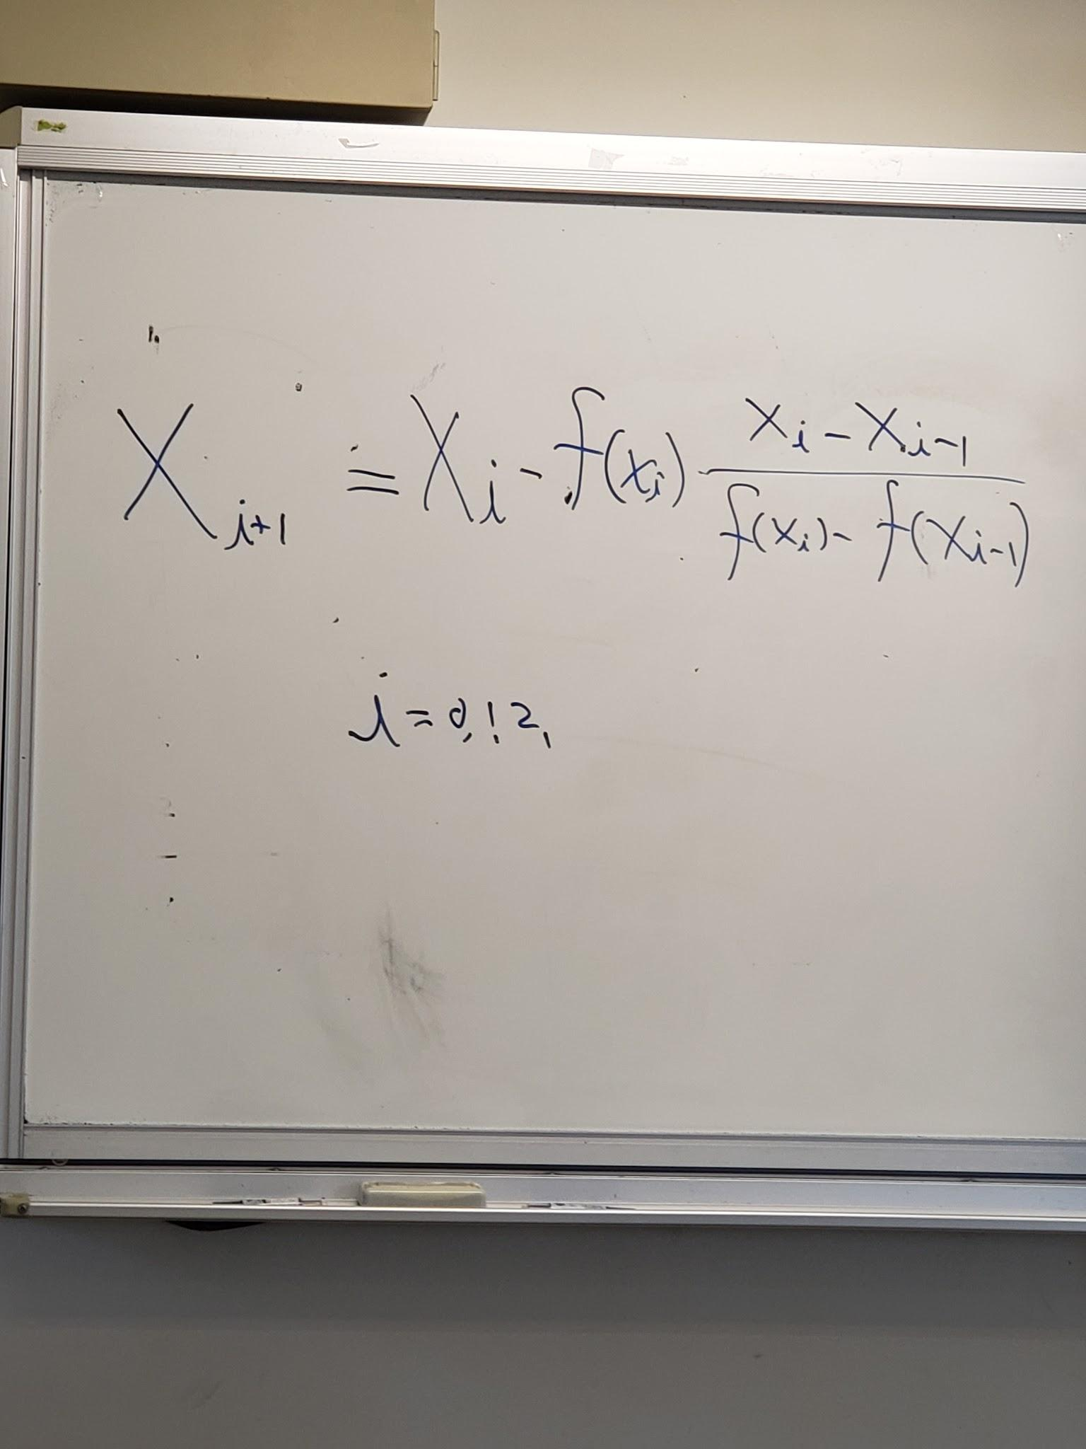
x0 | x1 | xi | f(x0) | f(x1) | Solution
0 | 3 | 1.333333333 | -4 | 5 | n/a
3 | 1.333333333 | 1.846153846 | 5 | -2.222222222 | n/a
1.333333333 | 1.846153846 | 2.032258065 | -2.222222222 | -0.5917159763 | n/a
1.846153846 | 2.032258065 | 1.998720409 | -0.5917159763 | 0.1300728408 | n/a
2.032258065 | 1.998720409 | 1.99998976 | 0.1300728408 | -0.005116724772 | n/a
1.998720409 | 1.99998976 | 2.000000003 | -0.005116724772 | -4.095979029E-05 | n/a
1.99998976 | 2.000000003 | 2 | -4.095979029E-05 | 1.310720066E-08 | n/a
2.000000003 | 2 | 2 | 1.310720066E-08 | 0 | solution
2 | 2 | 2 | 0 | 0 | solution
2 | 2 | #DIV/0! | 0 | 0 | solution
2 | #DIV/0! | #DIV/0! | 0 | #DIV/0! | #DIV/0!
#DIV/0! | #DIV/0! | #DIV/0! | #DIV/0! | #DIV/0! | #DIV/0!
#DIV/0! | #DIV/0! | #DIV/0! | #DIV/0! | #DIV/0! | #DIV/0!
#DIV/0! | #DIV/0! | #DIV/0! | #DIV/0! | #DIV/0! | #DIV/0!
#DIV/0! | #DIV/0! | #DIV/0! | #DIV/0! | #DIV/0! | #DIV/0!
#DIV/0! | #DIV/0! | #DIV/0! | #DIV/0! | #DIV/0! | #DIV/0!

review calculus differentiation

Nov.1(Newtons method)
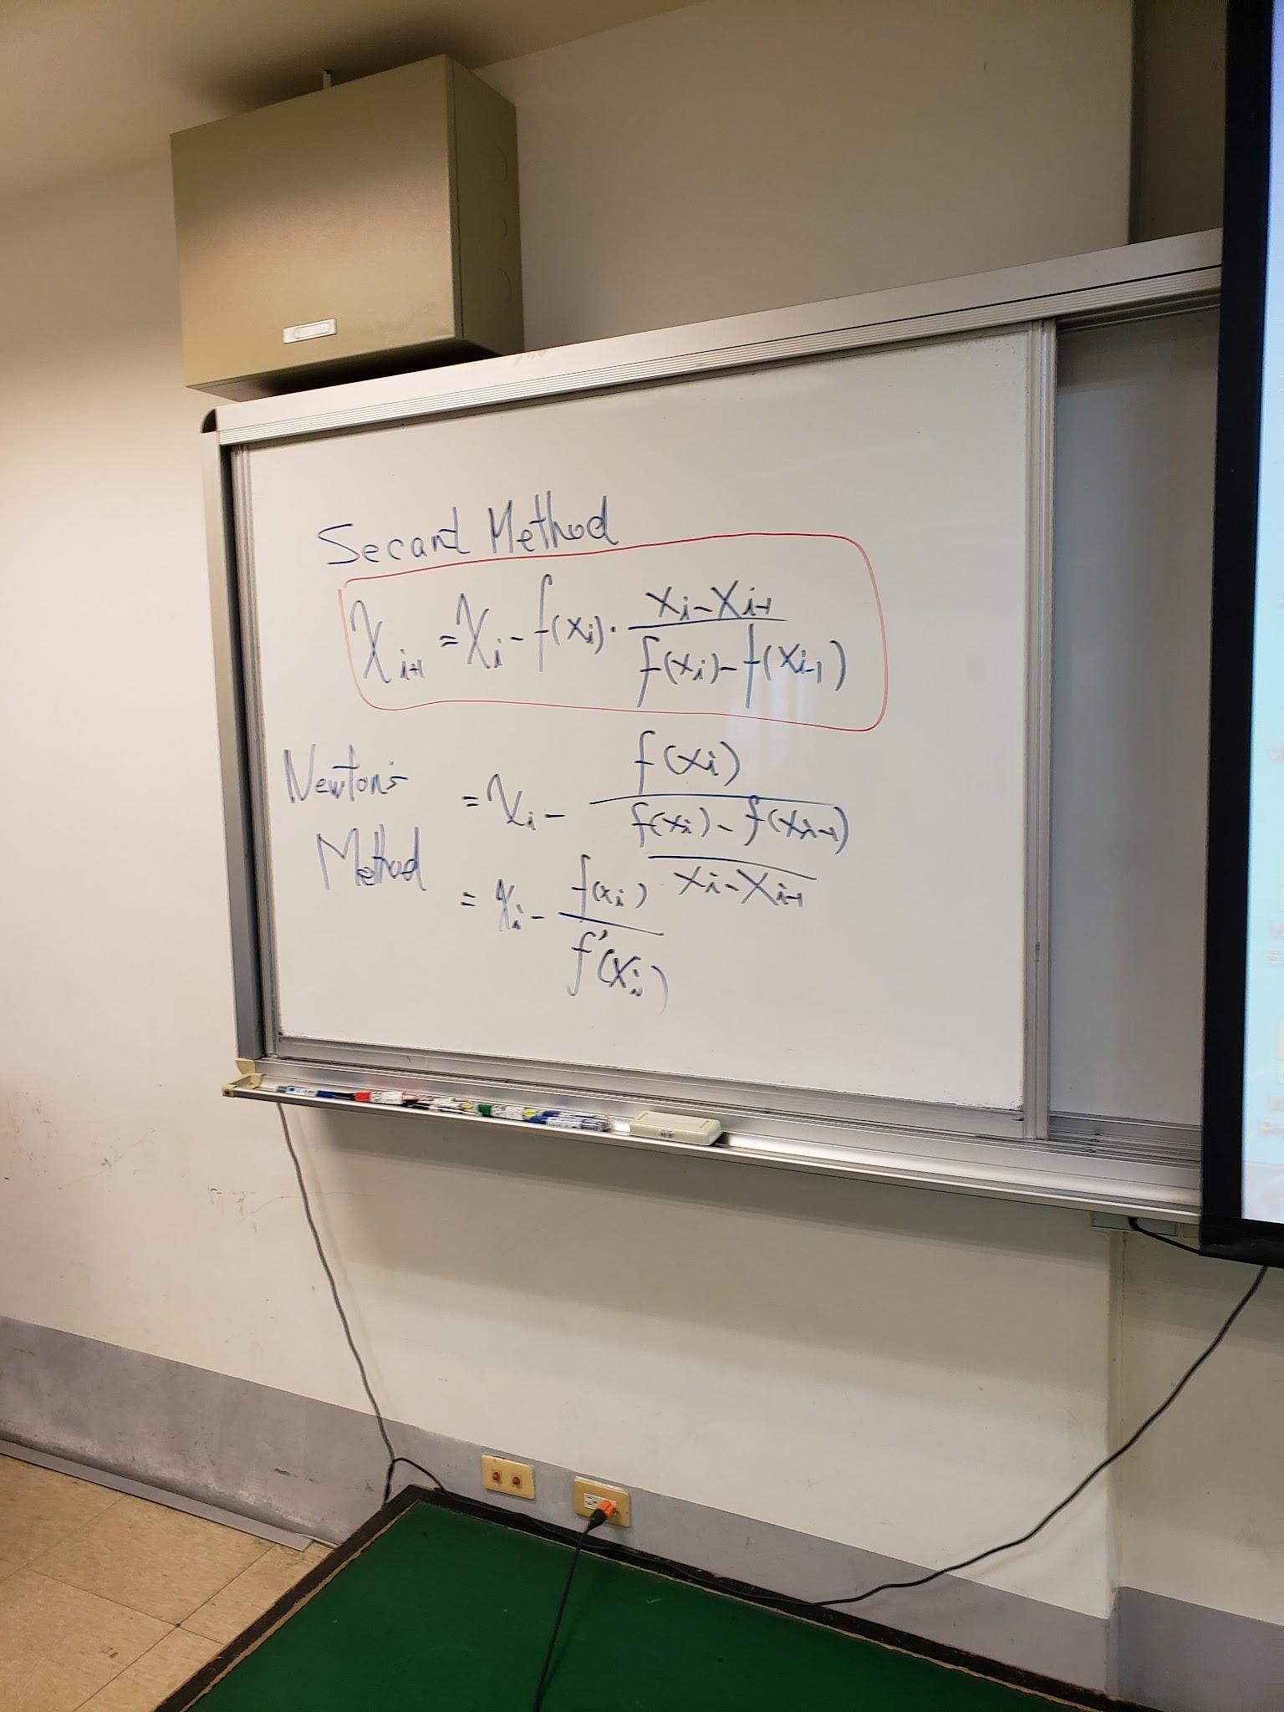

 |  |  |  |  |  | f(x) = x^2-4
x0 | x1 | xi | f(x0) | f(x1) | Solution | x0 | x1 | xi | f(x0) | f(x1) | Solution
0 | 2 | 1.800195313 | -1 | 1023 | n/a | 0 | 2 | 2 | -4 | 0 | solution
2 | 1.800195313 | 1.620679425 | 1023 | 356.4343324 | n/a | 2 | 2 | 1.800195313 | 1023 | 1023 | n/a
1.800195313 | 1.620679425 | 1.459907843 | 356.4343324 | 124.0176083 | n/a | 2 | 1.800195313 | 1.620679425 | 1023 | 356.4343324 | n/a
1.620679425 | 1.459907843 | 1.317236546 | 124.0176083 | 42.97991829 | n/a | 1.800195313 | 1.620679425 | 1.459907843 | 356.4343324 | 124.0176083 | n/a
1.459907843 | 1.317236546 | 1.193888687 | 42.97991829 | 14.72670412 | n/a | 1.620679425 | 1.459907843 | 1.317236546 | 124.0176083 | 42.97991829 | n/a
1.317236546 | 1.193888687 | 1.094791847 | 14.72670412 | 4.883535385 | n/a | 1.459907843 | 1.317236546 | 1.193888687 | 42.97991829 | 14.72670412 | n/a
1.193888687 | 1.094791847 | 1.029573131 | 4.883535385 | 1.473520678 | n/a | 1.317236546 | 1.193888687 | 1.094791847 | 14.72670412 | 4.883535385 | n/a
1.094791847 | 1.029573131 | 1.003543952 | 1.473520678 | 0.338357084 | n/a | 1.193888687 | 1.094791847 | 1.029573131 | 4.883535385 | 1.473520678 | n/a
1.029573131 | 1.003543952 | 1.000055791 | 0.338357084 | 0.03601007621 | n/a | 1.094791847 | 1.029573131 | 1.003543952 | 1.473520678 | 0.338357084 | n/a
1.003543952 | 1.000055791 | 1.000000014 | 0.03601007621 | 0.0005580550174 | n/a | 1.029573131 | 1.003543952 | 1.000055791 | 0.338357084 | 0.03601007621 | n/a
1.000055791 | 1.000000014 | 1 | 0.0005580550174 | 1.400424376E-07 | n/a | 1.003543952 | 1.000055791 | 1.000000014 | 0.03601007621 | 0.0005580550174 | n/a
1.000000014 | 1 | 1 | 1.400424376E-07 | 0 | solution | 1.000055791 | 1.000000014 | 1 | 0.0005580550174 | 1.400424376E-07 | n/a
1 | 1 | 1 | 0 | 0 | solution | 1.000000014 | 1 | 1 | 1.400424376E-07 | 0 | solution
1 | 1 | 1 | 0 | 0 | solution | 1 | 1 | 1 | 0 | 0 | solution

f(x) = x^3+x+1
x0 | x1 | xi | f(x0) | f(x1) | Solution
0 | 2 | 1.997851563 | 1 | 11 | n/a
2 | 1.997851563 | 1.798263617 | 1023 | 1012.053022 | n/a
1.997851563 | 1.798263617 | 1.618945789 | 1012.053022 | 352.6173591 | n/a
1.798263617 | 1.618945789 | 1.458360119 | 352.6173591 | 122.6867179 | n/a
1.618945789 | 1.458360119 | 1.315875435 | 122.6867179 | 42.51588225 | n/a
1.458360119 | 1.315875435 | 1.192741984 | 42.51588225 | 14.56495236 | n/a
1.315875435 | 1.192741984 | 1.09393607 | 14.56495236 | 4.827268977 | n/a
1.192741984 | 1.09393607 | 1.02911553 | 4.827268977 | 1.454253527 | n/a
1.09393607 | 1.02911553 | 1.003440517 | 1.454253527 | 0.3324205434 | n/a
1.02911553 | 1.003440517 | 1.000052602 | 0.3324205434 | 0.03494276138 | n/a
1.003440517 | 1.000052602 | 1.000000012 | 0.03494276138 | 0.0005261456476 | n/a
1.000052602 | 1.000000012 | 1 | 0.0005261456476 | 1.244901917E-07 | n/a
1.000000012 | 1 | 1 | 1.244901917E-07 | 0 | solution
1 | 1 | 1 | 0 | 0 | solution

f(x) = x^3+x-1
x0 | x1 | xi | f(x0) | f(x1) | Solution
0 | 2 | 1.998242188 | -1 | 9 | n/a
2 | 1.998242188 | 1.798614833 | 1023 | 1014.035512 | n/a
1.998242188 | 1.798614833 | 1.61926099 | 1014.035512 | 353.3086105 | n/a
1.798614833 | 1.61926099 | 1.458641508 | 353.3086105 | 122.9277413 | n/a
1.61926099 | 1.458641508 | 1.316122872 | 122.9277413 | 42.59991884 | n/a
1.458641508 | 1.316122872 | 1.192950383 | 42.59991884 | 14.59424541 | n/a
1.316122872 | 1.192950383 | 1.094091471 | 14.59424541 | 4.837458548 | n/a
1.192950383 | 1.094091471 | 1.029198444 | 4.837458548 | 1.457742186 | n/a
1.094091471 | 1.029198444 | 1.003459157 | 1.457742186 | 0.3334944417 | n/a
1.029198444 | 1.003459157 | 1.00005317 | 0.3334944417 | 0.03513502822 | n/a
1.003459157 | 1.00005317 | 1.000000013 | 0.03513502822 | 0.0005318274518 | n/a
1.00005317 | 1.000000013 | 1 | 0.0005318274518 | 1.271925127E-07 | n/a
1.000000013 | 1 | 1 | 1.271925127E-07 | 0 | solution
1 | 1 | 1 | 0 | 0 | solution

f(x) = x^2+3x+1
x0 | x1 | xi | f(x0) | f(x1) | Solution
0 | 2 | 1.997851563 | 1 | 11 | n/a
2 | 1.997851563 | 1.798263617 | 1023 | 1012.053022 | n/a
1.997851563 | 1.798263617 | 1.618945789 | 1012.053022 | 352.6173591 | n/a
1.798263617 | 1.618945789 | 1.458360119 | 352.6173591 | 122.6867179 | n/a
1.618945789 | 1.458360119 | 1.315875435 | 122.6867179 | 42.51588225 | n/a
1.458360119 | 1.315875435 | 1.192741984 | 42.51588225 | 14.56495236 | n/a
1.315875435 | 1.192741984 | 1.09393607 | 14.56495236 | 4.827268977 | n/a
1.192741984 | 1.09393607 | 1.02911553 | 4.827268977 | 1.454253527 | n/a
1.09393607 | 1.02911553 | 1.003440517 | 1.454253527 | 0.3324205434 | n/a
1.02911553 | 1.003440517 | 1.000052602 | 0.3324205434 | 0.03494276138 | n/a
1.003440517 | 1.000052602 | 1.000000012 | 0.03494276138 | 0.0005261456476 | n/a
1.000052602 | 1.000000012 | 1 | 0.0005261456476 | 1.244901917E-07 | n/a
1.000000012 | 1 | 1 | 1.244901917E-07 | 0 | solution
1 | 1 | 1 | 0 | 0 | solution

