Oct.12,2021(Bisection)
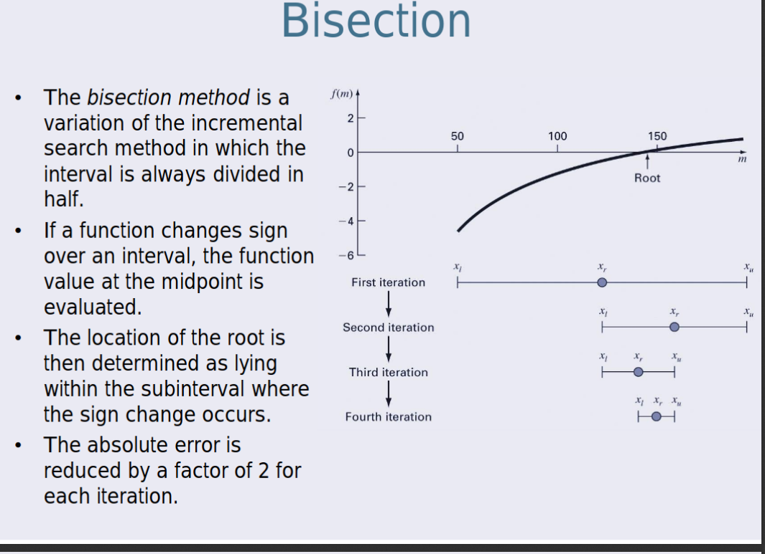
xl | xu | xi | f(xl) | f(xu) | f(xr)
0 | 3 | 1.5 | -4 | 5 | -1.75
1.5 | 3 | 2.25 | -1.75 | 5 | 1.0625
1.5 | 2.25 | 1.875 | -1.75 | 1.0625 | -0.484375
1.875 | 2.25 | 2.0625 | -0.484375 | 1.0625 | 0.25390625
1.875 | 2.0625 | 1.96875 | -0.484375 | 0.25390625 | -0.1240234375
1.96875 | 2.0625 | 2.015625 | -0.1240234375 | 0.25390625 | 0.06274414063
1.96875 | 2.015625 | 1.9921875 | -0.1240234375 | 0.06274414063 | -0.03118896484
1.9921875 | 2.015625 | 2.00390625 | -0.03118896484 | 0.06274414063 | 0.01564025879
1.9921875 | 2.00390625 | 1.998046875 | -0.03118896484 | 0.01564025879 | -0.007808685303
1.998046875 | 2.00390625 | 2.000976563 | -0.007808685303 | 0.01564025879 | 0.003907203674
1.998046875 | 2.000976563 | 1.999511719 | -0.007808685303 | 0.003907203674 | -0.001952886581
1.999511719 | 2.000976563 | 2.000244141 | -0.001952886581 | 0.003907203674 | 0.0009766221046
1.999511719 | 2.000244141 | 1.99987793 | -0.001952886581 | 0.0009766221046 | -0.0004882663488
1.99987793 | 2.000244141 | 2.000061035 | -0.0004882663488 | 0.0009766221046 | 0.0002441443503
1.99987793 | 2.000061035 | 1.999969482 | -0.0004882663488 | 0.0002441443503 | -0.0001220693812
1.999969482 | 2.000061035 | 2.000015259 | -0.0001220693812 | 0.0002441443503 | 6.103538908E-05
1.999969482 | 2.000015259 | 1.999992371 | -0.0001220693812 | 6.103538908E-05 | -3.051751992E-05
1.999992371 | 2.000015259 | 2.000003815 | -3.051751992E-05 | 6.103538908E-05 | 1.525880361E-05
1.999992371 | 2.000003815 | 1.999998093 | -3.051751992E-05 | 1.525880361E-05 | -7.629390893E-06
1.999998093 | 2.000003815 | 2.000000954 | -7.629390893E-06 | 1.525880361E-05 | 3.814698175E-06
1.999998093 | 2.000000954 | 1.999999523 | -7.629390893E-06 | 3.814698175E-06 | -1.907348405E-06
1.999999523 | 2.000000954 | 2.000000238 | -1.907348405E-06 | 3.814698175E-06 | 9.536743732E-07
1.999999523 | 2.000000238 | 1.999999881 | -1.907348405E-06 | 9.536743732E-07 | -4.76837144E-07
1.999999881 | 2.000000238 | 2.00000006 | -4.76837144E-07 | 9.536743732E-07 | 2.384185827E-07
1.999999881 | 2.00000006 | 1.99999997 | -4.76837144E-07 | 2.384185827E-07 | -1.192092887E-07
1.99999997 | 2.00000006 | 2.000000015 | -1.192092887E-07 | 2.384185827E-07 | 5.960464478E-08
1.99999997 | 2.000000015 | 1.999999993 | -1.192092887E-07 | 5.960464478E-08 | -2.980232239E-08
1.999999993 | 2.000000015 | 2.000000004 | -2.980232239E-08 | 5.960464478E-08 | 1.490116119E-08
1.999999993 | 2.000000004 | 1.999999998 | -2.980232239E-08 | 1.490116119E-08 | -7.450580597E-09
1.999999998 | 2.000000004 | 2.000000001 | -7.450580597E-09 | 1.490116119E-08 | 3.725290298E-09
1.999999998 | 2.000000001 | 2 | -7.450580597E-09 | 3.725290298E-09 | -1.862645149E-09
2 | 2.000000001 | 2 | -1.862645149E-09 | 3.725290298E-09 | 9.313225746E-10
2 | 2 | 2 | -1.862645149E-09 | 9.313225746E-10 | -4.656612873E-10
2 | 2 | 2 | -4.656612873E-10 | 9.313225746E-10 | 2.328306437E-10
2 | 2 | 2 | -4.656612873E-10 | 2.328306437E-10 | -1.164153218E-10
2 | 2 | 2 | -1.164153218E-10 | 2.328306437E-10 | 0
2 | 2 | 2 | -1.164153218E-10 | 0 | 0
2 | 2 | 2 | 0 | 0 | 0
2 | 2 | 2 | 0 | 0 | 0
2 | 2 | 2 | 0 | 0 | 0
2 | 2 | 2 | 0 | 0 | 0
2 | 2 | 2 | 0 | 0 | 0
2 | 2 | 2 | 0 | 0 | 0
2 | 2 | 2 | 0 | 0 | 0
2 | 2 | 2 | 0 | 0 | 0
2 | 2 | 2 | 0 | 0 | 0
2 | 2 | 2 | 0 | 0 | 0
2 | 2 | 2 | 0 | 0 | 0
2 | 2 | 2 | 0 | 0 | 0

Oct.18(False Position)
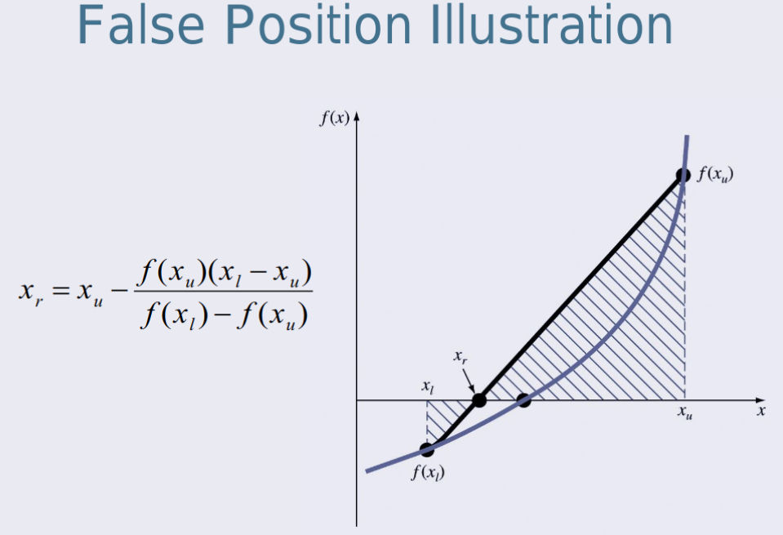
xl | xu | xr | f(xl) | f(xu) | f(xr) | Solution
0 | 3 | 1.333333333 | -4 | 5 | -2.222222222 | N/a
1.333333333 | 3 | 1.846153846 | -2.222222222 | 5 | -0.5917159763 | N/a
1.846153846 | 3 | 1.968253968 | -0.5917159763 | 5 | -0.1259763165 | N/a
1.968253968 | 3 | 1.993610224 | -0.1259763165 | 5 | -0.02551827619 | N/a
1.993610224 | 3 | 1.998720409 | -0.02551827619 | 5 | -0.005116724772 | N/a
1.998720409 | 3 | 1.999744016 | -0.005116724772 | 5 | -0.001023868941 | N/a
1.999744016 | 3 | 1.999948801 | -0.001023868941 | 5 | -0.0002047947572 | N/a
1.999948801 | 3 | 1.99998976 | -0.0002047947572 | 5 | -4.095979029E-05 | N/a
1.99998976 | 3 | 1.999997952 | -4.095979029E-05 | 5 | -8.191991612E-06 | N/a
1.999997952 | 3 | 1.99999959 | -8.191991612E-06 | 5 | -1.638399665E-06 | N/a
1.99999959 | 3 | 1.999999918 | -1.638399665E-06 | 5 | -3.276799867E-07 | N/a
1.999999918 | 3 | 1.999999984 | -3.276799867E-07 | 5 | -6.553599929E-08 | N/a
1.999999984 | 3 | 1.999999997 | -6.553599929E-08 | 5 | -1.310719977E-08 | SOLUTION
1.999999997 | 3 | 1.999999999 | -1.310719977E-08 | 5 | -2.621439954E-09 | SOLUTION

https://www.thepysolver.com

Oct.19(Secant Method)
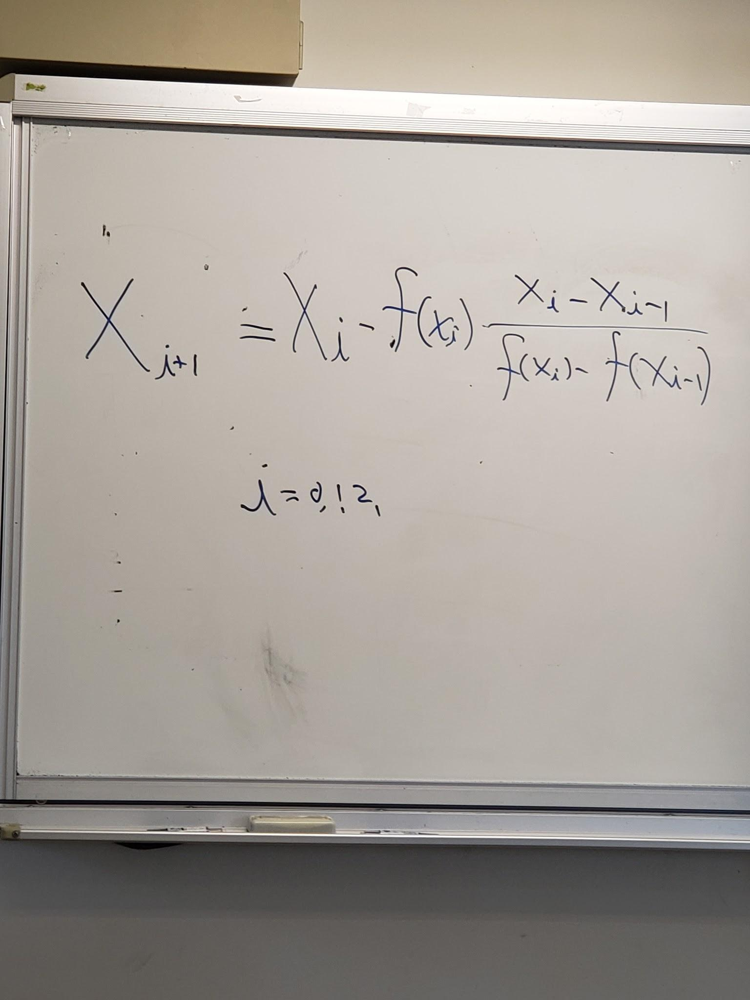
x0 | x1 | xi | f(x0) | f(x1) | Solution
0 | 3 | 1.333333333 | -4 | 5 | n/a
3 | 1.333333333 | 1.846153846 | 5 | -2.222222222 | n/a
1.333333333 | 1.846153846 | 2.032258065 | -2.222222222 | -0.5917159763 | n/a
1.846153846 | 2.032258065 | 1.998720409 | -0.5917159763 | 0.1300728408 | n/a
2.032258065 | 1.998720409 | 1.99998976 | 0.1300728408 | -0.005116724772 | n/a
1.998720409 | 1.99998976 | 2.000000003 | -0.005116724772 | -4.095979029E-05 | n/a
1.99998976 | 2.000000003 | 2 | -4.095979029E-05 | 1.310720066E-08 | n/a
2.000000003 | 2 | 2 | 1.310720066E-08 | 0 | solution
2 | 2 | 2 | 0 | 0 | solution
2 | 2 | #DIV/0! | 0 | 0 | solution
2 | #DIV/0! | #DIV/0! | 0 | #DIV/0! | #DIV/0!
#DIV/0! | #DIV/0! | #DIV/0! | #DIV/0! | #DIV/0! | #DIV/0!
#DIV/0! | #DIV/0! | #DIV/0! | #DIV/0! | #DIV/0! | #DIV/0!
#DIV/0! | #DIV/0! | #DIV/0! | #DIV/0! | #DIV/0! | #DIV/0!
#DIV/0! | #DIV/0! | #DIV/0! | #DIV/0! | #DIV/0! | #DIV/0!
#DIV/0! | #DIV/0! | #DIV/0! | #DIV/0! | #DIV/0! | #DIV/0!

review calculus differentiation

Nov.1(Newtons method)
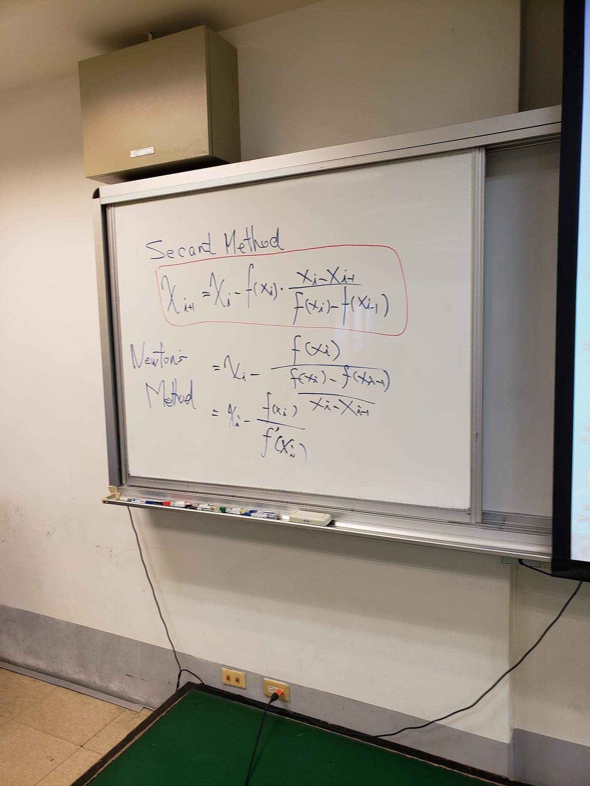

f(x) = x^10-1 |  |  |  |  | f(x) = x^2-4
x0 | x1 | xi | f(x1) | Solution | x0 | x1 | xi | f(x1) | Solution
0 | 2 | 1.800195313 | 1023 | n/a | 0 | 3 | 2.166666667 | 5 | n/a
2 | 1.800195313 | 1.620679425 | 356.4343324 | n/a | 3 | 2.166666667 | 2.006410256 | 0.6944444444 | n/a
1.800195313 | 1.620679425 | 1.459907843 | 124.0176083 | n/a | 2.166666667 | 2.006410256 | 2.00001024 | 0.02568211703 | n/a
1.620679425 | 1.459907843 | 1.317236546 | 42.97991829 | n/a | 2.006410256 | 2.00001024 | 2 | 4.096020972E-05 | n/a
1.459907843 | 1.317236546 | 1.193888687 | 14.72670412 | n/a | 2.00001024 | 2 | 2 | 1.048565679E-10 | n/a
1.317236546 | 1.193888687 | 1.094791847 | 4.883535385 | n/a | 2 | 2 | 2 | 0 | solution
1.193888687 | 1.094791847 | 1.029573131 | 1.473520678 | n/a | 2 | 2 | -253.75 | 1023 | n/a
1.094791847 | 1.029573131 | 1.003543952 | 0.338357084 | n/a | 2 | -253.75 | 2.18084E+21 | 1.10678E+24 | n/a
1.029573131 | 1.003543952 | 1.000055791 | 0.03601007621 | n/a | -253.75 | 2.18084E+21 | -5.57943E+191 | 2.43357E+213 | n/a
1.003543952 | 1.000055791 | 1.000000014 | 0.0005580550174 | n/a | 2.18084E+21 | -5.57943E+191 | #NUM! | #NUM! | #NUM!
1.000055791 | 1.000000014 | 1 | 1.400424376E-07 | n/a | -5.57943E+191 | #NUM! | #NUM! | #NUM! | #NUM!
1.000000014 | 1 | 1 | 0 | solution | #NUM! | #NUM! | #NUM! | #NUM! | #NUM!
1 | 1 | 1 | 0 | solution | #NUM! | #NUM! | #NUM! | #NUM! | #NUM!
1 | 1 | 1 | 0 | solution | #NUM! | #NUM! | #NUM! | #NUM! | #NUM!

f(x) = x^3+x+1
x0 | x1 | xi | f(x1) | Solution
0 | 2 | 1.153846154 | 11 | n/a
2 | 1.153846154 | 0.4149653664 | 3.690031862 | n/a
1.153846154 | 0.4149653664 | -0.5651426774 | 1.486420849 | n/a
0.4149653664 | -0.5651426774 | -0.6950394624 | 0.2543585245 | n/a
-0.5651426774 | -0.6950394624 | -0.6824645289 | -0.03079902463 | n/a
-0.6950394624 | -0.6824645289 | -0.6823278198 | -0.0003277291254 | n/a
-0.6824645289 | -0.6823278198 | -0.6823278038 | -3.826196293E-08 | n/a
-0.6823278198 | -0.6823278038 | -0.6823278038 | 0 | solution
-0.6823278038 | -0.6823278038 | -0.6823278038 | 0 | solution
-0.6823278038 | -0.6823278038 | -0.6823278038 | 0 | solution
-0.6823278038 | -0.6823278038 | -0.6823278038 | 0 | solution
-0.6823278038 | -0.6823278038 | -0.6823278038 | 0 | solution
-0.6823278038 | -0.6823278038 | -0.6823278038 | 0 | solution
-0.6823278038 | -0.6823278038 | -0.6823278038 | 0 | solution

f(x) = x^3+x-1
x0 | x1 | xi | f(x1) | Solution
0 | 2 | 1.307692308 | 9 | n/a
2 | 1.307692308 | 0.7983047758 | 2.543923532 | n/a
1.307692308 | 0.7983047758 | 0.5958393188 | 0.3070568375 | n/a
0.7983047758 | 0.5958393188 | 0.6942088355 | -0.1926231286 | n/a
0.5958393188 | 0.6942088355 | 0.6824639418 | 0.02876605842 | n/a
0.6942088355 | 0.6824639418 | 0.6823278198 | 0.0003263216016 | n/a
0.6824639418 | 0.6823278198 | 0.6823278038 | 3.826125727E-08 | n/a
0.6823278198 | 0.6823278038 | 0.6823278038 | 0 | solution
0.6823278038 | 0.6823278038 | 0.6823278038 | 0 | solution
0.6823278038 | 0.6823278038 | 0.6823278038 | 0 | solution
0.6823278038 | 0.6823278038 | 0.6823278038 | 0 | solution
0.6823278038 | 0.6823278038 | 0.6823278038 | 0 | solution
0.6823278038 | 0.6823278038 | 0.6823278038 | 0 | solution
0.6823278038 | 0.6823278038 | 0.6823278038 | 0 | solution

f(x) = x^2+3x+1
x0 | x1 | xi | f(x1) | Solution
0 | 2 | 0.4285714286 | 11 | n/a
2 | 0.4285714286 | -0.2116402116 | 2.469387755 | n/a
0.4285714286 | -0.2116402116 | -0.3707071695 | 0.4098709443 | n/a
-0.2116402116 | -0.3707071695 | -0.381909887 | 0.02530229707 | n/a
-0.3707071695 | -0.381909887 | -0.3819660098 | 0.000125500879 | n/a
-0.381909887 | -0.3819660098 | -0.3819660113 | 3.149778105E-09 | n/a
-0.3819660098 | -0.3819660113 | -0.3819660113 | 0 | solution
-0.3819660113 | -0.3819660113 | -0.3819660113 | 0 | solution
-0.3819660113 | -0.3819660113 | -0.3819660113 | 0 | solution
-0.3819660113 | -0.3819660113 | -0.3819660113 | 0 | solution
-0.3819660113 | -0.3819660113 | -0.3819660113 | 0 | solution
-0.3819660113 | -0.3819660113 | -0.3819660113 | 0 | solution
-0.3819660113 | -0.3819660113 | -0.3819660113 | 0 | solution
-0.3819660113 | -0.3819660113 | -0.3819660113 | 0 | solution

Nov.8th(Fixed point)
Fx | x | Fx | x | Fx | x | Fx | x | Fx | x | Fx | x
f(x)=x^10-1 | 0.9999999999 | f(x)=x^2-4 | 2.01 | f(x)=x^4-x-10 | 0.1 | f(x)=x^2+3x+1 | -2.6 | f(x)=x^3+x+1 | -0.0005 | f(x)=x^3+x-1 | 0.0005
x_i=1/x^9 | 1.000000001 | x_i=4/x | 1.990049751 | x_i=10/x^3-1 | -10.01001001 | x_i=-(x^2+1)/3 | -2.586666667 | x_i=-(x+1)^1/3 | -0.9998333055 | x_i=-(x-1)^1/3 | 0.9998333055
 | 0.9999999919 |  | 2.01 | -9.99999003 | -0.009960099741 |  | -2.563614815 |  | -0.05503517883 |  | 0.05503517883
 | 1.000000073 |  | 1.990049751 |  | -9.999990119 |  | -2.524040306 |  | -0.9813077159 |  | 0.9813077159
 | 0.9999993439 |  | 2.01 |  | -0.009990039573 |  | -2.456926489 |  | -0.2653917739 |  | 0.2653917739
 | 1.000005905 |  | 1.990049751 |  | -9.99999003 |  | -2.345495924 |  | -0.9023020188 |  | 0.9023020188
 | 0.9999468573 |  | 2.01 |  | -0.009990039841 |  | -2.167117044 |  | -0.4605695233 |  | 0.4605695233
 | 1.000478411 |  | 1.990049751 |  | -9.99999003 |  | -1.898798761 |  | -0.8140389021 |  | 0.8140389021
 | 0.9957045794 |  | 2.01 |  | -0.009990039841 |  | -1.535145578 |  | -0.5707869483 |  | 0.5707869483
 | 1.039502311 |  | 1.990049751 |  | -9.99999003 |  | -1.118890648 |  | -0.7543235036 |  | 0.7543235036
 | 0.7056199747 |  | 2.01 |  | -0.009990039841 |  | -0.7506387609 |  | -0.6263078715 |  | 0.6263078715
 | 23.06015399 |  | 1.990049751 |  | -9.99999003 |  | -0.5211528498 |  | -0.7202854633 |  | 0.7202854633
 | 0 |  | 2.01 |  | -0.009990039841 |  | -0.4238667643 |  | -0.6539908604 |  | 0.6539908604
 | 2.46512E+110 |  | 1.990049751 |  | -9.99999003 |  | -0.3932210113 |  | -0.7020410765 |  | 0.7020410765
 | #NUM! |  | 2.01 |  | -0.009990039841 |  | -0.3848742546 |  | -0.6679113119 |  | 0.6679113119
 |  |  | 1.990049751 |  | -9.99999003 |  | -0.3827093973 |  | -0.6924972092 |  | 0.6924972092
 |  |  |  |  | -0.009990039841 |  | -0.3821554943 |  | -0.6749677466 |  | 0.6749677466
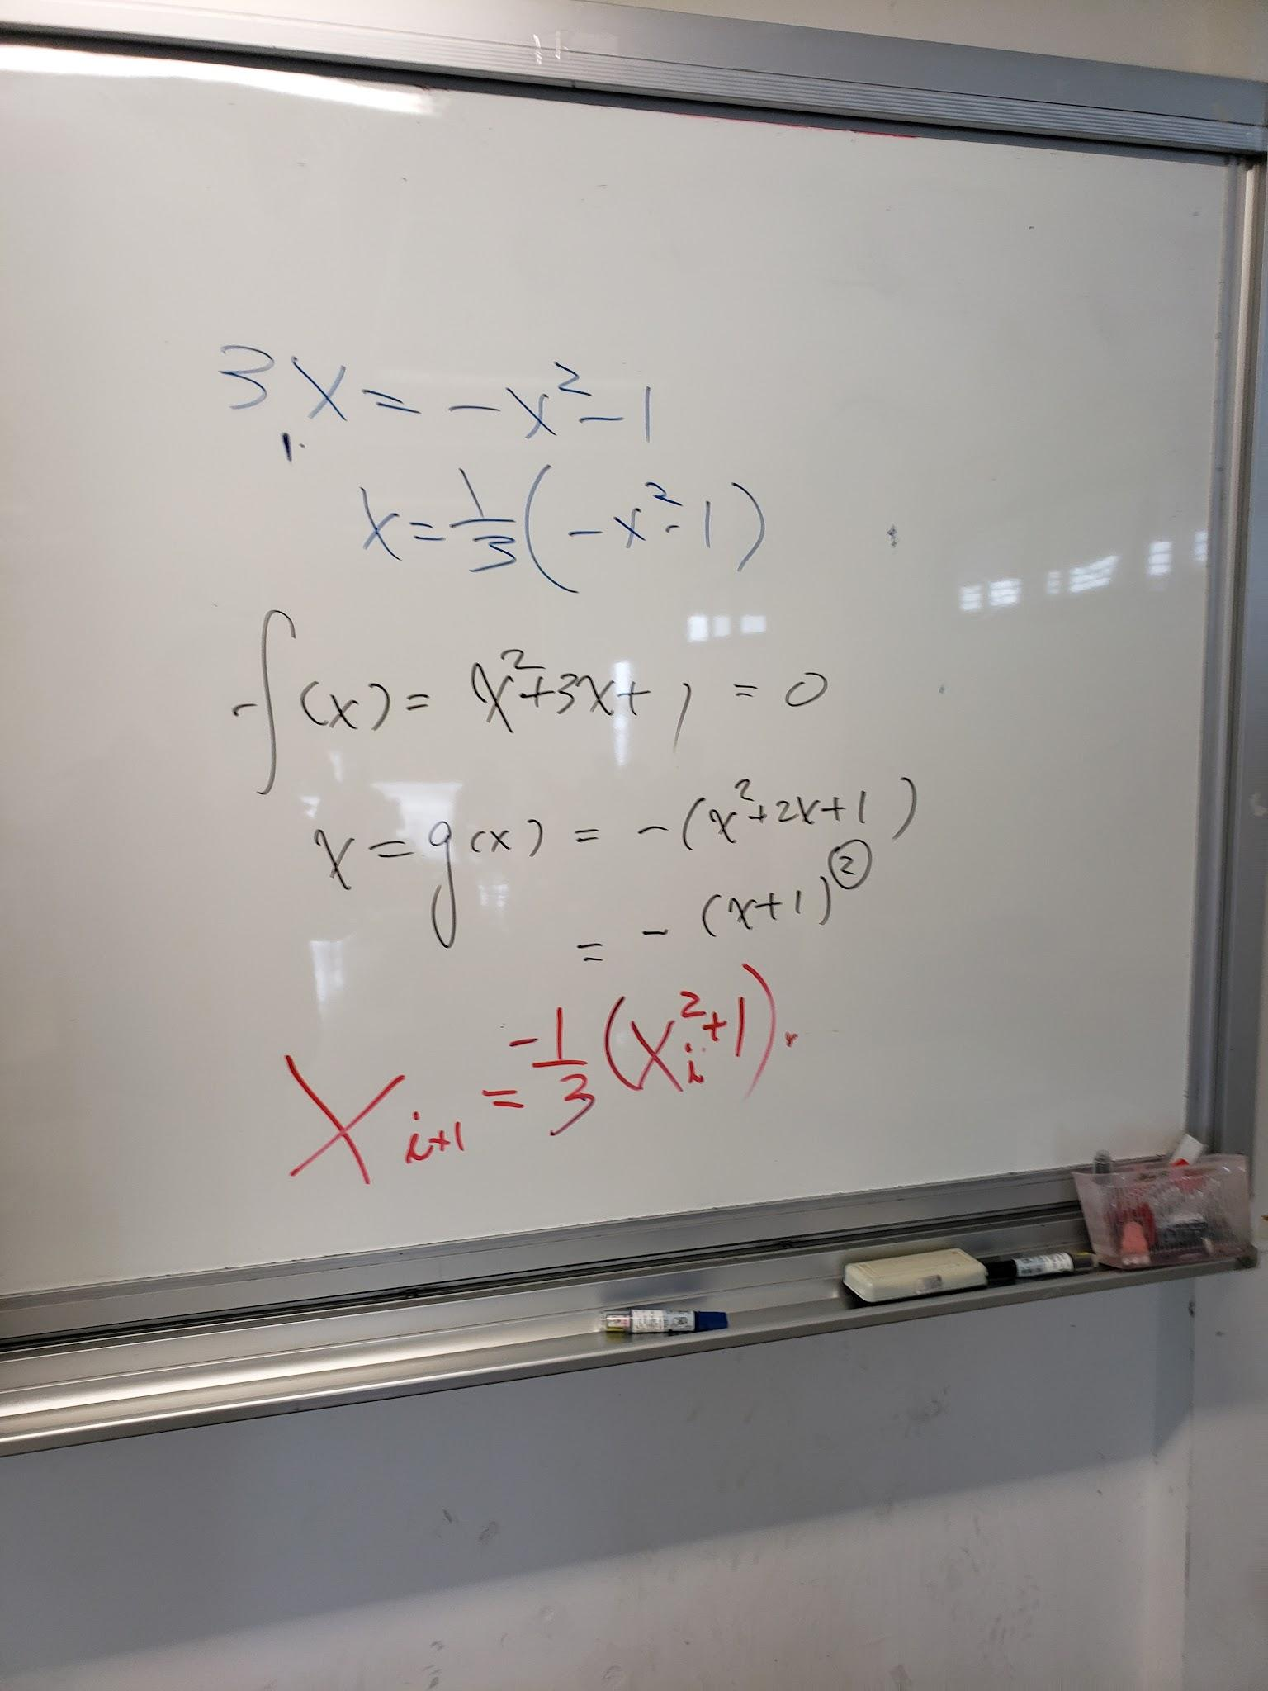
 |  |  |  |  |  |  |  |  | -0.6875571767 |  | 0.6875571767
 |  |  |  |  |  |  |  |  |  |  | 0.6785630146
 |  |  |  | https://math.iitm.ac.in/public_html/sryedida/caimna/transcendental/iteration%20methods/fixed-point/iteration.html |  |  |  |  |  |  | 0.6850126876
 |  |  |  |  |  |  |  |  |  |  | 0.6804000762
 |  |  |  |  |  |  |  |  |  |  | 0.6837052095
 |  |  |  |  |  |  |  |  |  |  | 0.681340199
 |  |  |  |  |  |  |  |  |  |  | 0.6830341642

