Sheet1
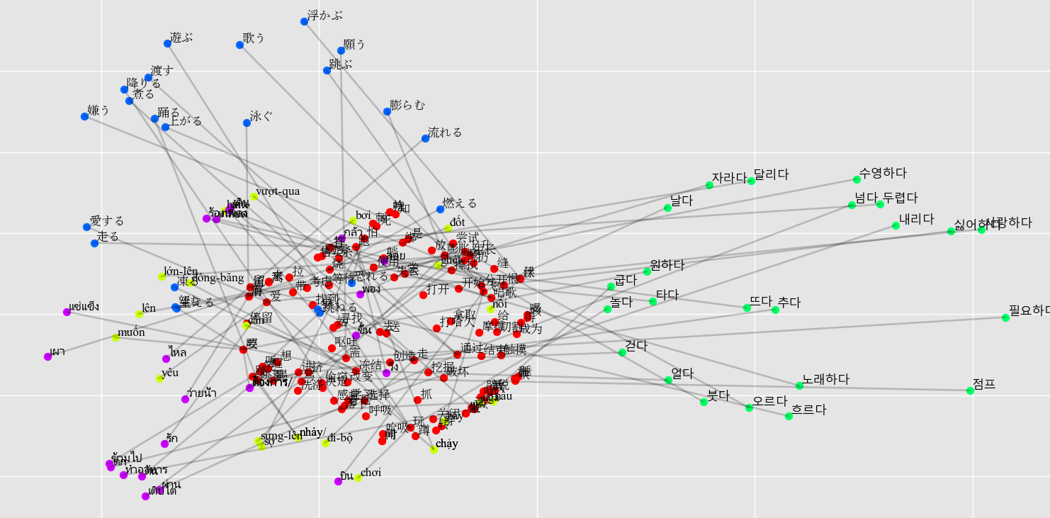
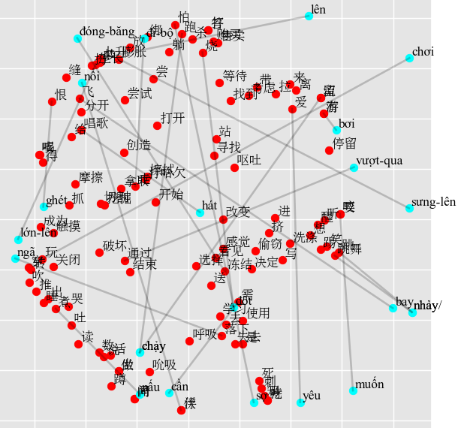
Joint model | Individual model
Vietnamese - Success Rate: 2/23 = 9% | Vietnamese - Success Rate: 1/23 = 4%
đi-bộ (walk) -> 打开 (open) 0.45, 打哈欠 (yawn) 0.44, 冻结 (freeze) 0.41, 答 (answer) 0.39, 打 (hit) 0.39. | đi-bộ (walk) -> 跑 (run) 0.48, 怕 (fear) 0.46, 留 (leave/) 0.45, 流 (flow) 0.45, 绑 (tie) 0.41.
chạy (run) -> 恨 (hate) 0.46, 生长 (grow) 0.43, 缝 (sew) 0.41, 答 (answer) 0.39, 打 (hit) 0.39. | chạy (run) -> 摩擦 (rub) 0.51, 触摸 (touch) 0.49, 抓 (scratch) 0.42, 恨 (hate) 0.41, 怕 (fear) 0.40.
nhảy (jump) -> 恨 (hate) 0.41, 选择 (choose) 0.41, 怕 (fear) 0.41, 伏 (stoop) 0.39, 浮 (float) 0.39. | nhảy (jump) -> 缝 (sew) 0.49, 恨 (hate) 0.49, 生长 (grow) 0.48, 上升 (rise) 0.44, 吐 (spit) 0.40.
bơi (swim) -> 怕 (fear) 0.46, 通过 (pass) 0.44, 梦 (dream) 0.39, 分开 (split) 0.39, 跑 (run) 0.38. | bơi (swim) -> 失去 (lose) 0.43, 等待 (wait) 0.42, 走 (walk) 0.41, 打开 (open) 0.39, 通过 (pass) 0.38.
bay (fly) -> 结束 (finish) 0.42, 缝 (sew) 0.40, 落下 (fall) 0.39, 留 (leave/) 0.39, 流 (flow) 0.39. | bay (fly) -> 缝 (sew) 0.47, 恨 (hate) 0.43, 抓 (scratch) 0.43, 购买 (buy) 0.42, 售卖 (sell) 0.42.
lên (rise) -> 走 (walk) 0.46, 结束 (finish) 0.44, 学习 (learn) 0.39, 呕吐 (vomit) 0.39, 有 (have) 0.38. | lên (rise) -> 走 (walk) 0.46, 擦拭 (wipe) 0.44, 是 (be) 0.43, 咬 (bite) 0.40, 要 (want) 0.40.
*ngã (fall) -> 落下 (fall) 0.49, 膨胀 (swell) 0.42, 跳舞 (dance) 0.40, 跳 (jump) 0.40, 绑 (tie) 0.40. | *ngã (fall) -> 跳舞 (dance) 0.54, 跳 (jump) 0.51, 落下 (fall) 0.46, 咬 (bite) 0.46, 要 (want) 0.46.
vượt-qua (pass) -> 去 (go) 0.39, 带 (bring) 0.39, 使用 (use) 0.39, 跑 (run) 0.39, 飞 (fly) 0.38. | vượt-qua (pass) -> 煮 (cook) 0.48, 出 (exit) 0.43, 跑 (run) 0.43, 转 (turn) 0.43, 挤 (squeeze) 0.40.
*hát (sing) -> 唱歌 (sing) 0.43, 怕 (fear) 0.42, 擦拭 (wipe) 0.40, 有 (have) 0.38, 游 (swim) 0.38. | hát (sing) -> 挤 (squeeze) 0.55, 切割 (cut) 0.46, 摩擦 (rub) 0.41, 洗涤 (wash) 0.41, 喝 (drink) 0.40.
nhảy/ (dance) -> 恨 (hate) 0.41, 选择 (choose) 0.41, 怕 (fear) 0.41, 伏 (stoop) 0.39, 浮 (float) 0.39. | nhảy/ (dance) -> 缝 (sew) 0.49, 恨 (hate) 0.49, 生长 (grow) 0.48, 上升 (rise) 0.44, 吐 (spit) 0.40.
chơi (play) -> 恨 (hate) 0.43, 上升 (rise) 0.41, 跳 (jump) 0.40, 伏 (stoop) 0.39, 浮 (float) 0.39. | chơi (play) -> 成为 (become) 0.55, 走 (walk) 0.50, 上升 (rise) 0.44, 等待 (wait) 0.41, 笑 (laugh) 0.39.
nổi (float) -> 分开 (split) 0.43, 落下 (fall) 0.43, 跳舞 (dance) 0.42, 缝 (sew) 0.42, 跳 (jump) 0.42. | nổi (float) -> 做 (do) 0.49, 坐 (sit) 0.49, 说 (say) 0.44, 通过 (pass) 0.43, 吹 (blow) 0.42.
chảy (flow) -> 恨 (hate) 0.46, 生长 (grow) 0.43, 缝 (sew) 0.41, 答 (answer) 0.39, 打 (hit) 0.39. | chảy (flow) -> 摩擦 (rub) 0.51, 触摸 (touch) 0.49, 抓 (scratch) 0.42, 恨 (hate) 0.41, 怕 (fear) 0.40.
đóng-băng (freeze) -> 走 (walk) 0.42, 玩 (play) 0.41, 跳舞 (dance) 0.40, 送 (send) 0.39, 关闭 (close) 0.39. | đóng-băng (freeze) -> 关闭 (close) 0.54, 玩 (play) 0.51, 转 (turn) 0.48, 穿 (wear) 0.39, 爱 (love) 0.38.
sưng-lên (swell) -> 恨 (hate) 0.40, 上升 (rise) 0.39, 醒 (wake-up) 0.38, 烧 (burn) 0.38, 伏 (stoop) 0.38. | sưng-lên (swell) -> 玩 (play) 0.43, 爱 (love) 0.42, 站 (stand) 0.42, 进 (enter) 0.41, 杀 (kill) 0.40.
lớn-lên (grow) -> 结束 (finish) 0.41, 考虑 (consider) 0.41, 写 (write) 0.39, 找到 (find) 0.38, 烧 (burn) 0.38. | lớn-lên (grow) -> 答 (answer) 0.44, 打 (hit) 0.44, 离 (leave) 0.41, 飞 (fly) 0.41, 等待 (wait) 0.40.
đốt (burn) -> 飞 (fly) 0.42, 想 (think) 0.41, 咬 (bite) 0.40, 要 (want) 0.40, 笑 (laugh) 0.40. | đốt (burn) -> 吮吸 (suck) 0.46, 死 (die) 0.44, 数 (count) 0.43, 冻结 (freeze) 0.40, 留 (leave/) 0.40.
nấu (cook) -> 落下 (fall) 0.46, 生长 (grow) 0.41, 上升 (rise) 0.39, 尝试 (try) 0.39, 膨胀 (swell) 0.39. | nấu (cook) -> 开始 (begin) 0.54, 尝试 (try) 0.42, 落下 (fall) 0.39, 打开 (open) 0.38, 膨胀 (swell) 0.38.
yêu (love) -> 来 (come) 0.41, 写 (write) 0.40, 分开 (split) 0.40, 杀 (kill) 0.40, 挖掘 (dig) 0.39. | yêu (love) -> 拉 (pull) 0.52, 来 (come) 0.43, 写 (write) 0.43, 吃 (eat) 0.43, 持 (hold) 0.43.
muốn (want) -> 带 (bring) 0.43, 需 (need) 0.42, 来 (come) 0.42, 爱 (love) 0.40, 有 (have) 0.39. | muốn (want) -> 购买 (buy) 0.54, 售卖 (sell) 0.46, 考虑 (consider) 0.43, 恨 (hate) 0.43, 喝 (drink) 0.39.
cần (need) -> 考虑 (consider) 0.45, 跑 (run) 0.42, 恨 (hate) 0.40, 怕 (fear) 0.39, 摩擦 (rub) 0.39. | cần (need) -> 考虑 (consider) 0.53, 落下 (fall) 0.47, 跳舞 (dance) 0.41, 咬 (bite) 0.39, 要 (want) 0.39.
ghét (hate) -> 呕吐 (vomit) 0.42, 落下 (fall) 0.42, 玩 (play) 0.40, 杀 (kill) 0.39, 走 (walk) 0.39. | ghét (hate) -> 抓 (scratch) 0.43, 死 (die) 0.42, 醒 (wake-up) 0.42, 杀 (kill) 0.41, 听 (hear) 0.41.
sợ (fear) -> 恨 (hate) 0.46, 上升 (rise) 0.42, 打开 (open) 0.41, 烧 (burn) 0.41, 喝 (drink) 0.40. | sợ (fear) -> 呼吸 (breathe) 0.46, 落下 (fall) 0.40, 破坏 (ruin) 0.40, 爱 (love) 0.39, 刺 (stab) 0.39.
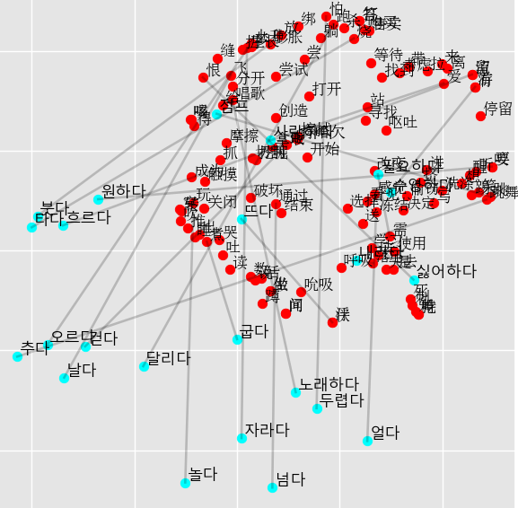
Korean - Success Rate: 1/23 = 4% | Korean - Success Rate: 3/23 = 13%
걷다 (walk) -> 飞 (fly) 0.49, 抓 (scratch) 0.38, 闻 (smell) 0.37, 问 (ask) 0.37, 爱 (love) 0.37. | 걷다 (walk) -> 爱 (love) 0.47, 得 (get) 0.44, 玩 (play) 0.42, 听 (hear) 0.41, 飞 (fly) 0.40.
달리다 (run) -> 伏 (stoop) 0.41, 浮 (float) 0.41, 躺 (lie) 0.41, 活 (live) 0.40, 成为 (become) 0.39. | 달리다 (run) -> 通过 (pass) 0.44, 关闭 (close) 0.40, 怕 (fear) 0.39, 活 (live) 0.39, 走 (walk) 0.38.
점프 (jump) -> 生长 (grow) 0.45, 落下 (fall) 0.44, 膨胀 (swell) 0.41, 上升 (rise) 0.40, 想 (think) 0.40. | 점프 (jump) -> 落下 (fall) 0.44, 站 (stand) 0.43, 蹲 (squat) 0.41, 恨 (hate) 0.41, 呼吸 (breathe) 0.38.
수영하다 (swim) -> 恨 (hate) 0.46, 烧 (burn) 0.43, 走 (walk) 0.43, 跑 (run) 0.39, 生长 (grow) 0.39. | 수영하다 (swim) -> 冻结 (freeze) 0.52, 决定 (decide) 0.49, 通过 (pass) 0.44, 送 (send) 0.39, 写 (write) 0.39.
날다 (fly) -> 数 (count) 0.43, 活 (live) 0.42, 说 (say) 0.41, 需 (need) 0.40, 有 (have) 0.39. | 날다 (fly) -> 说 (say) 0.47, 数 (count) 0.45, 走 (walk) 0.45, 活 (live) 0.44, 吮吸 (suck) 0.40.
오르다 (rise) -> 选择 (choose) 0.46, 考虑 (consider) 0.41, 学习 (learn) 0.40, 走 (walk) 0.40, 摩擦 (rub) 0.40. | 오르다 (rise) -> 选择 (choose) 0.50, 跳 (jump) 0.46, 笑 (laugh) 0.44, 跳舞 (dance) 0.42, 停留 (stay) 0.41.
내리다 (fall) -> 上升 (rise) 0.42, 触摸 (touch) 0.38, 通过 (pass) 0.38, 伏 (stoop) 0.37, 浮 (float) 0.37. | 내리다 (fall) -> 答 (answer) 0.54, 打 (hit) 0.54, 送 (send) 0.42, 绑 (tie) 0.42, 怕 (fear) 0.41.
넘다 (pass) -> 走 (walk) 0.48, 上升 (rise) 0.45, 有 (have) 0.41, 游 (swim) 0.41, 留 (leave/) 0.40. | 넘다 (pass) -> 走 (walk) 0.58, 玩 (play) 0.39, 创造 (create) 0.39, 上升 (rise) 0.39, 烧 (burn) 0.39.
노래하다 (sing) -> 考虑 (consider) 0.45, 死 (die) 0.41, 刺 (stab) 0.39, 感觉 (feel) 0.38, 飞 (fly) 0.38. | 노래하다 (sing) -> 考虑 (consider) 0.46, 购买 (buy) 0.44, 玩 (play) 0.40, 售卖 (sell) 0.40, 爱 (love) 0.39.
추다 (dance) -> 偷窃 (steal) 0.41, 跑 (run) 0.39, 有 (have) 0.38, 游 (swim) 0.38, 找到 (find) 0.38. | *추다 (dance) -> 偷窃 (steal) 0.46, 飞 (fly) 0.44, 找到 (find) 0.44, 跑 (run) 0.43, 跳舞 (dance) 0.40.
놀다 (play) -> 飞 (fly) 0.49, 咬 (bite) 0.40, 要 (want) 0.40, 煮 (cook) 0.39, 关闭 (close) 0.38. | *놀다 (play) -> 转 (turn) 0.50, 玩 (play) 0.45, 爱 (love) 0.45, 煮 (cook) 0.43, 咬 (bite) 0.43.
뜨다 (float) -> 冻结 (freeze) 0.43, 留 (leave/) 0.42, 流 (flow) 0.42, 跑 (run) 0.38, 带 (bring) 0.38. | 뜨다 (float) -> 冻结 (freeze) 0.48, 看见 (see) 0.42, 留 (leave/) 0.41, 流 (flow) 0.41, 梦 (dream) 0.39.
흐르다 (flow) -> 落下 (fall) 0.45, 怕 (fear) 0.45, 分开 (split) 0.43, 等待 (wait) 0.40, 跑 (run) 0.39. | 흐르다 (flow) -> 飞 (fly) 0.46, 落下 (fall) 0.42, 偷窃 (steal) 0.41, 打哈欠 (yawn) 0.40, 通过 (pass) 0.39.
얼다 (freeze) -> 落下 (fall) 0.47, 唱歌 (sing) 0.44, 有 (have) 0.38, 游 (swim) 0.38, 怕 (fear) 0.38. | 얼다 (freeze) -> 打开 (open) 0.51, 上升 (rise) 0.47, 生长 (grow) 0.43, 得 (get) 0.41, 走 (walk) 0.39.
붓다 (swell) -> 跑 (run) 0.42, 通过 (pass) 0.41, 跳 (jump) 0.40, 打哈欠 (yawn) 0.39, 唱歌 (sing) 0.39. | 붓다 (swell) -> 梦 (dream) 0.41, 飞 (fly) 0.41, 通过 (pass) 0.40, 冻结 (freeze) 0.40, 笑 (laugh) 0.40.
자라다 (grow) -> 等待 (wait) 0.44, 挤 (squeeze) 0.44, 爱 (love) 0.40, 有 (have) 0.40, 游 (swim) 0.40. | 자라다 (grow) -> 挤 (squeeze) 0.50, 爱 (love) 0.44, 睡 (sleep) 0.43, 进 (enter) 0.42, 来 (come) 0.38.
타다 (burn) -> 去 (go) 0.43, 挤 (squeeze) 0.39, 来 (come) 0.39, 离 (leave) 0.39, 踢 (kick) 0.39. | 타다 (burn) -> 飞 (fly) 0.54, 失去 (lose) 0.42, 放 (put) 0.41, 通过 (pass) 0.41, 离 (leave) 0.39.
굽다 (cook) -> 怕 (fear) 0.42, 伏 (stoop) 0.40, 浮 (float) 0.40, 尝 (taste) 0.40, 出 (exit) 0.39. | 굽다 (cook) -> 伏 (stoop) 0.49, 浮 (float) 0.49, 怕 (fear) 0.43, 躺 (lie) 0.41, 购买 (buy) 0.40.
사랑하다 (love) -> 恨 (hate) 0.47, 缝 (sew) 0.46, 上升 (rise) 0.40, 烧 (burn) 0.40, 带 (bring) 0.39. | 사랑하다 (love) -> 活 (live) 0.46, 拉 (pull) 0.46, 落下 (fall) 0.42, 来 (come) 0.41, 通过 (pass) 0.40.
원하다 (want) -> 跑 (run) 0.46, 吹 (blow) 0.39, 绑 (tie) 0.39, 做 (do) 0.39, 坐 (sit) 0.39. | 원하다 (want) -> 绑 (tie) 0.46, 打开 (open) 0.43, 怕 (fear) 0.42, 做 (do) 0.39, 坐 (sit) 0.39.
필요하다 (need) -> 上升 (rise) 0.54, 膨胀 (swell) 0.50, 生长 (grow) 0.46, 尝试 (try) 0.43, 恨 (hate) 0.41. | 필요하다 (need) -> 上升 (rise) 0.48, 尝试 (try) 0.47, 膨胀 (swell) 0.45, 生长 (grow) 0.42, 考虑 (consider) 0.40.
싫어하다 (hate) -> 死 (die) 0.42, 上升 (rise) 0.41, 喝 (drink) 0.39, 刺 (stab) 0.39, 呼吸 (breathe) 0.39. | *싫어하다 (hate) -> 醒 (wake-up) 0.47, 进 (enter) 0.43, 呼吸 (breathe) 0.41, 恨 (hate) 0.40, 尝试 (try) 0.39.
*두렵다 (fear) -> 怕 (fear) 0.43, 去 (go) 0.42, 失去 (lose) 0.40, 穿 (wear) 0.40, 伏 (stoop) 0.39. | 두렵다 (fear) -> 跑 (run) 0.47, 恨 (hate) 0.46, 考虑 (consider) 0.43, 留 (leave/) 0.40, 流 (flow) 0.40.
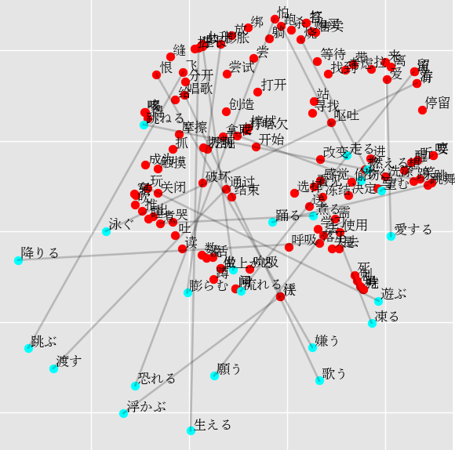
Japanese - Success Rate: 3/23 = 13% | Japanese - Success Rate: 2/23 = 9%
*歩く (walk) -> 烧 (burn) 0.45, 找到 (find) 0.45, 走 (walk) 0.40, 恨 (hate) 0.40, 醒 (wake-up) 0.38. | *歩く (walk) -> 有 (have) 0.50, 游 (swim) 0.50, 走 (walk) 0.47, 留 (leave/) 0.40, 流 (flow) 0.40.
走る (run) -> 恨 (hate) 0.48, 生长 (grow) 0.46, 膨胀 (swell) 0.41, 怕 (fear) 0.40, 上升 (rise) 0.39. | 走る (run) -> 生长 (grow) 0.45, 恨 (hate) 0.41, 上升 (rise) 0.40, 破坏 (ruin) 0.39, 拉 (pull) 0.38.
跳ねる (jump) -> 跑 (run) 0.43, 恨 (hate) 0.42, 上升 (rise) 0.40, 生长 (grow) 0.39, 爱 (love) 0.38. | 跳ねる (jump) -> 离 (leave) 0.53, 留 (leave/) 0.44, 流 (flow) 0.44, 落下 (fall) 0.42, 来 (come) 0.40.
泳ぐ (swim) -> 落下 (fall) 0.40, 爱 (love) 0.39, 飞 (fly) 0.39, 擦拭 (wipe) 0.37, 煮 (cook) 0.37. | 泳ぐ (swim) -> 破坏 (ruin) 0.48, 爱 (love) 0.46, 绑 (tie) 0.41, 飞 (fly) 0.41, 玩 (play) 0.40.
跳ぶ (fly) -> 关闭 (close) 0.43, 睡 (sleep) 0.40, 挤 (squeeze) 0.40, 需 (need) 0.40, 推 (push) 0.40. | 跳ぶ (fly) -> 关闭 (close) 0.44, 停留 (stay) 0.42, 拿取 (take) 0.41, 通过 (pass) 0.41, 唱歌 (sing) 0.40.
上がる (rise) -> 有 (have) 0.44, 游 (swim) 0.44, 伏 (stoop) 0.42, 浮 (float) 0.42, 咬 (bite) 0.41. | 上がる (rise) -> 伏 (stoop) 0.50, 浮 (float) 0.50, 有 (have) 0.49, 游 (swim) 0.49, 留 (leave/) 0.46.
降りる (fall) -> 唱歌 (sing) 0.42, 冻结 (freeze) 0.42, 看见 (see) 0.41, 感觉 (feel) 0.41, 拉 (pull) 0.39. | 降りる (fall) -> 冻结 (freeze) 0.48, 通过 (pass) 0.44, 飞 (fly) 0.41, 看见 (see) 0.38, 进 (enter) 0.38.
*渡す (pass) -> 冻结 (freeze) 0.45, 通过 (pass) 0.43, 偷窃 (steal) 0.40, 抓 (scratch) 0.39, 笑 (laugh) 0.39. | *渡す (pass) -> 飞 (fly) 0.49, 分开 (split) 0.49, 唱歌 (sing) 0.45, 通过 (pass) 0.44, 给 (give) 0.38.
歌う (sing) -> 呼吸 (breathe) 0.40, 留 (leave/) 0.40, 流 (flow) 0.40, 吮吸 (suck) 0.39, 绑 (tie) 0.38. | 歌う (sing) -> 答 (answer) 0.46, 打 (hit) 0.46, 购买 (buy) 0.46, 售卖 (sell) 0.45, 怕 (fear) 0.43.
踊る (dance) -> 唱歌 (sing) 0.46, 落下 (fall) 0.42, 通过 (pass) 0.40, 拉 (pull) 0.40, 做 (do) 0.39. | 踊る (dance) -> 烧 (burn) 0.42, 走 (walk) 0.41, 拉 (pull) 0.40, 唱歌 (sing) 0.39, 拿取 (take) 0.39.
遊ぶ (play) -> 怕 (fear) 0.43, 落下 (fall) 0.42, 进 (enter) 0.41, 刺 (stab) 0.40, 破坏 (ruin) 0.39. | 遊ぶ (play) -> 怕 (fear) 0.53, 跑 (run) 0.50, 绑 (tie) 0.48, 生长 (grow) 0.37, 膨胀 (swell) 0.36.
浮かぶ (float) -> 飞 (fly) 0.47, 抓 (scratch) 0.40, 怕 (fear) 0.38, 感觉 (feel) 0.37, 冻结 (freeze) 0.37. | 浮かぶ (float) -> 飞 (fly) 0.45, 需 (need) 0.45, 怕 (fear) 0.42, 选择 (choose) 0.39, 去 (go) 0.39.
流れる (flow) -> 伏 (stoop) 0.45, 浮 (float) 0.45, 唱歌 (sing) 0.43, 通过 (pass) 0.42, 走 (walk) 0.40. | 流れる (flow) -> 需 (need) 0.43, 扔 (throw) 0.43, 离 (leave) 0.43, 伏 (stoop) 0.42, 浮 (float) 0.42.
凍る (freeze) -> 上升 (rise) 0.47, 触摸 (touch) 0.43, 学习 (learn) 0.41, 结束 (finish) 0.39, 说 (say) 0.39. | 凍る (freeze) -> 杀 (kill) 0.47, 怕 (fear) 0.45, 落下 (fall) 0.43, 上升 (rise) 0.43, 生长 (grow) 0.40.
膨らむ (swell) -> 走 (walk) 0.46, 出 (exit) 0.42, 煮 (cook) 0.40, 咬 (bite) 0.39, 要 (want) 0.39. | 膨らむ (swell) -> 擦拭 (wipe) 0.49, 咬 (bite) 0.47, 要 (want) 0.47, 选择 (choose) 0.41, 呼吸 (breathe) 0.41.
*生える (grow) -> 恨 (hate) 0.52, 上升 (rise) 0.43, 生长 (grow) 0.43, 爱 (love) 0.40, 醒 (wake-up) 0.37. | 生える (grow) -> 给 (give) 0.43, 改变 (change) 0.42, 开始 (begin) 0.42, 飞 (fly) 0.42, 恨 (hate) 0.40.
燃える (burn) -> 走 (walk) 0.43, 停留 (stay) 0.42, 成为 (become) 0.40, 做 (do) 0.39, 坐 (sit) 0.39. | 燃える (burn) -> 结束 (finish) 0.53, 数 (count) 0.47, 煮 (cook) 0.44, 挤 (squeeze) 0.44, 走 (walk) 0.42.
煮る (cook) -> 看见 (see) 0.44, 答 (answer) 0.40, 打 (hit) 0.40, 感觉 (feel) 0.38, 怕 (fear) 0.38. | 煮る (cook) -> 冻结 (freeze) 0.44, 玩 (play) 0.43, 进 (enter) 0.41, 看见 (see) 0.40, 生长 (grow) 0.39.
愛する (love) -> 上升 (rise) 0.51, 生长 (grow) 0.50, 膨胀 (swell) 0.44, 冻结 (freeze) 0.44, 恨 (hate) 0.41. | 愛する (love) -> 上升 (rise) 0.46, 生长 (grow) 0.45, 打开 (open) 0.42, 打哈欠 (yawn) 0.41, 膨胀 (swell) 0.41.
望む (want) -> 恨 (hate) 0.51, 上升 (rise) 0.42, 生长 (grow) 0.41, 缝 (sew) 0.40, 打哈欠 (yawn) 0.40. | 望む (want) -> 恨 (hate) 0.60, 喝 (drink) 0.47, 上升 (rise) 0.44, 生长 (grow) 0.43, 咳 (cough) 0.39.
願う (need) -> 睡 (sleep) 0.49, 唱歌 (sing) 0.42, 通过 (pass) 0.41, 成为 (become) 0.41, 吹 (blow) 0.40. | 願う (need) -> 伏 (stoop) 0.47, 浮 (float) 0.47, 睡 (sleep) 0.44, 躺 (lie) 0.41, 跑 (run) 0.40.
嫌う (hate) -> 落下 (fall) 0.51, 唱歌 (sing) 0.41, 咳 (cough) 0.40, 通过 (pass) 0.39, 等待 (wait) 0.38. | 嫌う (hate) -> 洗涤 (wash) 0.49, 跳 (jump) 0.43, 笑 (laugh) 0.42, 选择 (choose) 0.41, 跳舞 (dance) 0.40.
恐れる (fear) -> 写 (write) 0.42, 踢 (kick) 0.40, 得 (get) 0.40, 喝 (drink) 0.40, 杀 (kill) 0.39. | 恐れる (fear) -> 挖掘 (dig) 0.50, 拿取 (take) 0.43, 睡 (sleep) 0.42, 杀 (kill) 0.40, 推 (push) 0.39.
Thai - Success Rate: 2/23 = 9% | Thai - Success Rate: 1/23 = 4%
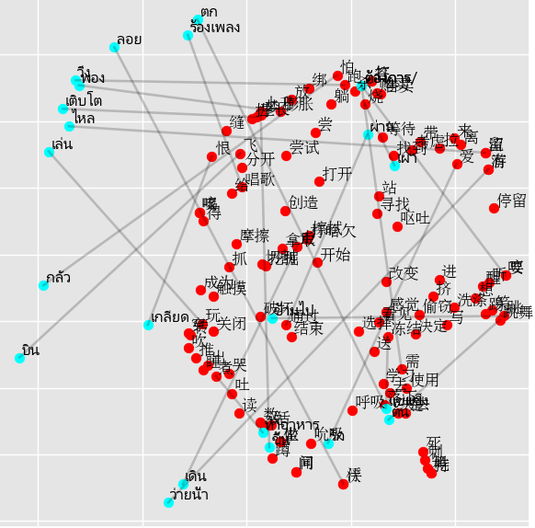
เดิน (walk) -> 落下 (fall) 0.42, 上升 (rise) 0.40, 改变 (change) 0.40, 扔 (throw) 0.39, 跳舞 (dance) 0.38. | เดิน (walk) -> 开始 (begin) 0.48, 拉 (pull) 0.41, 结束 (finish) 0.39, 喝 (drink) 0.38, 玩 (play) 0.38.
วิ่ง (run) -> 上升 (rise) 0.43, 烧 (burn) 0.41, 爱 (love) 0.41, 来 (come) 0.39, 咬 (bite) 0.38. | วิ่ง (run) -> 生长 (grow) 0.51, 上升 (rise) 0.48, 恨 (hate) 0.44, 留 (leave/) 0.43, 流 (flow) 0.43.
ข้ามไป (jump) -> 飞 (fly) 0.50, 触摸 (touch) 0.39, 怕 (fear) 0.38, 跑 (run) 0.37, 失去 (lose) 0.37. | ข้ามไป (jump) -> 触摸 (touch) 0.54, 失去 (lose) 0.41, 去 (go) 0.40, 飞 (fly) 0.40, 售卖 (sell) 0.38.
ว่ายน้ำ (swim) -> 爱 (love) 0.45, 绑 (tie) 0.44, 放 (put) 0.39, 破坏 (ruin) 0.38, 怕 (fear) 0.38. | ว่ายน้ำ (swim) -> 扔 (throw) 0.50, 爱 (love) 0.48, 醒 (wake-up) 0.40, 来 (come) 0.40, 破坏 (ruin) 0.39.
บิน (fly) -> 走 (walk) 0.47, 睡 (sleep) 0.40, 送 (send) 0.39, 有 (have) 0.38, 游 (swim) 0.38. | บิน (fly) -> 有 (have) 0.49, 游 (swim) 0.49, 挤 (squeeze) 0.44, 爱 (love) 0.39, 知 (know) 0.38.
ขึ้น (rise) -> 吃 (eat) 0.42, 持 (hold) 0.42, 有 (have) 0.40, 游 (swim) 0.40, 爱 (love) 0.39. | ขึ้น (rise) -> 玩 (play) 0.49, 飞 (fly) 0.40, 挖掘 (dig) 0.39, 落下 (fall) 0.39, 醒 (wake-up) 0.39.
ตก (fall) -> 送 (send) 0.42, 扔 (throw) 0.42, 转 (turn) 0.41, 煮 (cook) 0.41, 离 (leave) 0.40. | ตก (fall) -> 送 (send) 0.46, 出 (exit) 0.46, 怕 (fear) 0.43, 生长 (grow) 0.42, 煮 (cook) 0.42.
ผ่าน (pass) -> 分开 (split) 0.41, 飞 (fly) 0.40, 吹 (blow) 0.39, 跑 (run) 0.39, 是 (be) 0.39. | *ผ่าน (pass) -> 分开 (split) 0.48, 跑 (run) 0.45, 吹 (blow) 0.42, 通过 (pass) 0.41, 推 (push) 0.41.
ร้องเพลง (sing) -> 上升 (rise) 0.44, 通过 (pass) 0.44, 冻结 (freeze) 0.40, 煮 (cook) 0.40, 触摸 (touch) 0.38. | ร้องเพลง (sing) -> 通过 (pass) 0.48, 留 (leave/) 0.45, 流 (flow) 0.45, 冻结 (freeze) 0.45, 哭 (cry) 0.43.
ต้น (dance) -> 送 (send) 0.41, 看见 (see) 0.40, 走 (walk) 0.40, 通过 (pass) 0.39, 冻结 (freeze) 0.38. | ต้น (dance) -> 打开 (open) 0.44, 玩 (play) 0.43, 送 (send) 0.43, 开始 (begin) 0.42, 需 (need) 0.39.
เล่น (play) -> 生长 (grow) 0.43, 上升 (rise) 0.43, 打哈欠 (yawn) 0.41, 尝 (taste) 0.39, 唱歌 (sing) 0.39. | เล่น (play) -> 生长 (grow) 0.51, 缝 (sew) 0.46, 膨胀 (swell) 0.45, 恨 (hate) 0.45, 上升 (rise) 0.45.
ลอย (float) -> 恨 (hate) 0.47, 生长 (grow) 0.45, 上升 (rise) 0.43, 洗涤 (wash) 0.41, 刺 (stab) 0.39. | ลอย (float) -> 留 (leave/) 0.53, 流 (flow) 0.53, 尝试 (try) 0.50, 生长 (grow) 0.50, 上升 (rise) 0.47.
ไหล (flow) -> 推 (push) 0.41, 洗涤 (wash) 0.41, 打哈欠 (yawn) 0.38, 挖掘 (dig) 0.38, 需 (need) 0.36. | ไหล (flow) -> 洗涤 (wash) 0.48, 恨 (hate) 0.45, 生长 (grow) 0.43, 推 (push) 0.41, 上升 (rise) 0.41.
แช่แข็ง (freeze) -> 拉 (pull) 0.42, 唱歌 (sing) 0.39, 通过 (pass) 0.39, 使用 (use) 0.38, 呕吐 (vomit) 0.38. | แช่แข็ง (freeze) -> 刺 (stab) 0.47, 擦拭 (wipe) 0.45, 吃 (eat) 0.42, 持 (hold) 0.42, 落下 (fall) 0.40.
*พอง (swell) -> 生长 (grow) 0.46, 恨 (hate) 0.44, 膨胀 (swell) 0.44, 上升 (rise) 0.41, 玩 (play) 0.41. | พอง (swell) -> 跑 (run) 0.48, 绑 (tie) 0.47, 恨 (hate) 0.45, 生长 (grow) 0.45, 怕 (fear) 0.43.
เติบโต (grow) -> 关闭 (close) 0.41, 伏 (stoop) 0.40, 浮 (float) 0.40, 唱歌 (sing) 0.39, 寻找 (look-for) 0.39. | เติบโต (grow) -> 恨 (hate) 0.45, 考虑 (consider) 0.40, 上升 (rise) 0.39, 改变 (change) 0.38, 听 (hear) 0.38.
เผา (burn) -> 飞 (fly) 0.48, 打哈欠 (yawn) 0.41, 通过 (pass) 0.39, 落下 (fall) 0.39, 看见 (see) 0.38. | เผา (burn) -> 抓 (scratch) 0.45, 怕 (fear) 0.44, 飞 (fly) 0.44, 打哈欠 (yawn) 0.42, 通过 (pass) 0.40.
*ทำอาหาร (cook) -> 飞 (fly) 0.48, 煮 (cook) 0.40, 爱 (love) 0.39, 关闭 (close) 0.38, 得 (get) 0.37. | ทำอาหาร (cook) -> 飞 (fly) 0.44, 读 (read) 0.43, 得 (get) 0.42, 做 (do) 0.41, 坐 (sit) 0.41.
รัก (love) -> 说 (say) 0.42, 睡 (sleep) 0.41, 推 (push) 0.41, 吮吸 (suck) 0.41, 学习 (learn) 0.39. | รัก (love) -> 得 (get) 0.57, 落下 (fall) 0.49, 咳 (cough) 0.40, 唱歌 (sing) 0.39, 切割 (cut) 0.39.
ต้องการ (want) -> 怕 (fear) 0.45, 答 (answer) 0.45, 打 (hit) 0.45, 玩 (play) 0.41, 爱 (love) 0.41. | ต้องการ (want) -> 怕 (fear) 0.47, 答 (answer) 0.44, 打 (hit) 0.44, 哭 (cry) 0.40, 咬 (bite) 0.39.
ต้องการ/ (need) -> 怕 (fear) 0.45, 答 (answer) 0.45, 打 (hit) 0.45, 玩 (play) 0.41, 爱 (love) 0.41. | ต้องการ/ (need) -> 怕 (fear) 0.47, 答 (answer) 0.44, 打 (hit) 0.44, 哭 (cry) 0.40, 咬 (bite) 0.39.
เกลียด (hate) -> 成为 (become) 0.40, 冻结 (freeze) 0.40, 咬 (bite) 0.40, 要 (want) 0.40, 上升 (rise) 0.39. | เกลียด (hate) -> 成为 (become) 0.47, 改变 (change) 0.46, 选择 (choose) 0.45, 写 (write) 0.43, 吹 (blow) 0.39.
กลัว (fear) -> 上升 (rise) 0.51, 恨 (hate) 0.49, 生长 (grow) 0.49, 尝试 (try) 0.41, 膨胀 (swell) 0.39. | กลัว (fear) -> 上升 (rise) 0.54, 生长 (grow) 0.51, 成为 (become) 0.43, 杀 (kill) 0.40, 尝试 (try) 0.39.

