Sheet1
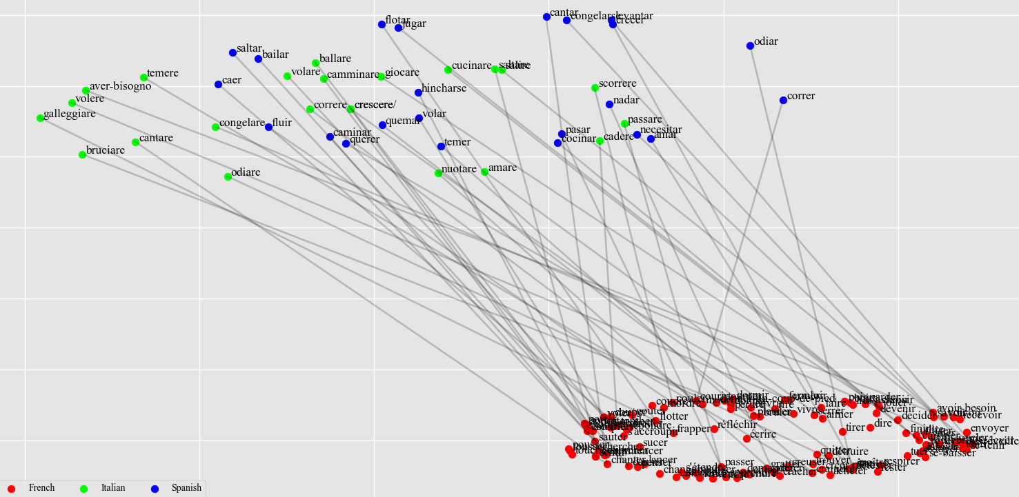
Joint model | Individual model
Italian - Success Rate: 4/23 = 17% | Italian - Success Rate: 8/23 = 35%
camminare (walk) -> dormir (sleep) 0.45, changer (change) 0.44, tomber (fall) 0.43, craindre (fear) 0.38, se-lever (rise) 0.38. | camminare (walk) -> changer (change) 0.50, cuisiner (cook) 0.45, aimer (love) 0.41, chanter (sing) 0.40, dormir (sleep) 0.40.
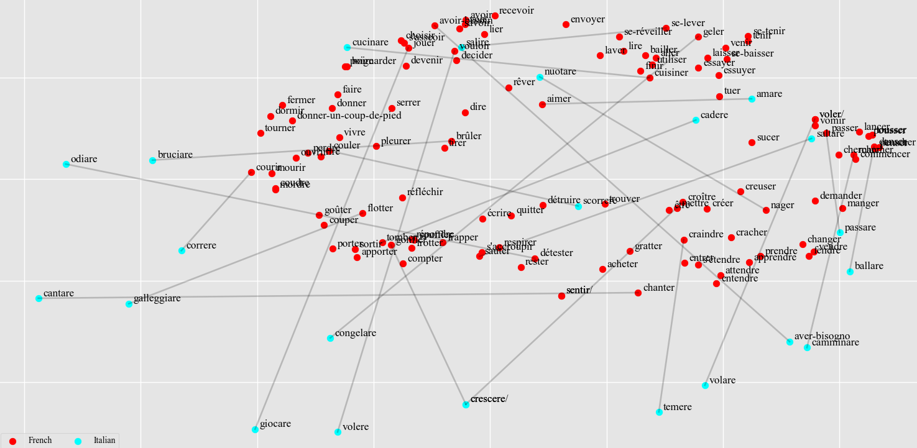
correre (run) -> tomber (fall) 0.46, brûler (burn) 0.45, avoir-besoin (need) 0.40, craindre (fear) 0.38, gonfler (swell) 0.37. | correre (run) -> gonfler (swell) 0.46, jouer (play) 0.42, croître (grow) 0.41, avoir-besoin (need) 0.41, vouloir (want) 0.37.
*saltare (jump) -> flotter (float) 0.47, sauter (jump) 0.46, utiliser (use) 0.40, sucer (suck) 0.39, tomber (fall) 0.38. | saltare (jump) -> flotter (float) 0.41, donner-un-coup-de-pied (kick) 0.40, frapper (hit) 0.39, donner (give) 0.38, s'asseoir (sit) 0.38.
nuotare (swim) -> voler (steal) 0.50, voler/ (fly) 0.50, gonfler (swell) 0.41, vouloir (want) 0.40, frotter (rub) 0.40. | nuotare (swim) -> flotter (float) 0.44, voler (steal) 0.44, voler/ (fly) 0.44, couler (flow) 0.41, gonfler (swell) 0.40.
volare (fly) -> détruire (ruin) 0.48, sauter (jump) 0.48, détester (hate) 0.41, flotter (float) 0.40, donner (give) 0.39. | volare (fly) -> sauter (jump) 0.46, aimer (love) 0.42, flotter (float) 0.42, passer (pass) 0.40, chanter (sing) 0.39.
salire (rise) -> flotter (float) 0.50, recevoir (get) 0.41, tomber (fall) 0.40, sauter (jump) 0.39, finir (finish) 0.38. | salire (rise) -> courir (run) 0.46, finir (finish) 0.45, cuisiner (cook) 0.45, choisir (choose) 0.42, s'asseoir (sit) 0.41.
*cadere (fall) -> aimer (love) 0.48, gonfler (swell) 0.48, tomber (fall) 0.42, lier (tie) 0.39, donner (give) 0.39. | cadere (fall) -> gonfler (swell) 0.48, aimer (love) 0.40, lier (tie) 0.39, cuisiner (cook) 0.39, vouloir (want) 0.38.
passare (pass) -> danser (dance) 0.42, flotter (float) 0.42, gonfler (swell) 0.40, être (be) 0.38, penser (think) 0.38. | *passare (pass) -> goûter (taste) 0.46, aimer (love) 0.43, être (be) 0.40, danser (dance) 0.39, passer (pass) 0.38.
cantare (sing) -> compter (count) 0.47, tomber (fall) 0.42, commencer (begin) 0.42, couper (cut) 0.41, donner-un-coup-de-pied (kick) 0.40. | *cantare (sing) -> chanter (sing) 0.53, compter (count) 0.43, chercher (look-for) 0.40, commencer (begin) 0.38, apporter (bring) 0.37.
ballare (dance) -> sauter (jump) 0.55, acheter (buy) 0.41, coudre (sew) 0.40, frotter (rub) 0.39, goûter (taste) 0.39. | ballare (dance) -> aimer (love) 0.42, poignarder (stab) 0.40, sauter (jump) 0.40, boire (drink) 0.39, marcher (walk) 0.39.
giocare (play) -> tomber (fall) 0.48, flotter (float) 0.47, lancer (throw) 0.43, pleurer (cry) 0.38, danser (dance) 0.38. | *giocare (play) -> sauter (jump) 0.46, jouer (play) 0.46, lancer (throw) 0.45, danser (dance) 0.40, toucher (touch) 0.40.
galleggiare (float) -> geler (freeze) 0.46, jouer (play) 0.44, se-lever (rise) 0.39, tomber (fall) 0.39, recevoir (get) 0.38. | galleggiare (float) -> jouer (play) 0.55, geler (freeze) 0.42, lier (tie) 0.39, decider (decide) 0.39, donner-un-coup-de-pied (kick) 0.38.
scorrere (flow) -> creuser (dig) 0.47, craindre (fear) 0.40, aimer (love) 0.40, cuisiner (cook) 0.38, chercher (look-for) 0.38. | scorrere (flow) -> craindre (fear) 0.50, creuser (dig) 0.46, perdre (lose) 0.43, brûler (burn) 0.41, mordre (bite) 0.39.
congelare (freeze) -> détester (hate) 0.46, flotter (float) 0.42, tomber (fall) 0.41, réfléchir (consider) 0.39, acheter (buy) 0.39. | congelare (freeze) -> flotter (float) 0.48, réfléchir (consider) 0.43, tomber (fall) 0.43, pleurer (cry) 0.42, répondre (answer) 0.39.
crescere (swell) -> tomber (fall) 0.48, choisir (choose) 0.41, lire (read) 0.39, respirer (breathe) 0.38, laver (wash) 0.38. | crescere (swell) -> avoir-besoin (need) 0.45, craindre (fear) 0.45, croître (grow) 0.44, jouer (play) 0.44, choisir (choose) 0.42.
crescere/ (grow) -> tomber (fall) 0.48, choisir (choose) 0.41, lire (read) 0.39, respirer (breathe) 0.38, laver (wash) 0.38. | *crescere/ (grow) -> avoir-besoin (need) 0.45, craindre (fear) 0.45, croître (grow) 0.44, jouer (play) 0.44, choisir (choose) 0.42.
bruciare (burn) -> geler (freeze) 0.44, jouer (play) 0.42, changer (change) 0.38, decider (decide) 0.37, dire (say) 0.37. | *bruciare (burn) -> couler (flow) 0.49, brûler (burn) 0.44, jouer (play) 0.40, voler (steal) 0.40, voler/ (fly) 0.40.
*cucinare (cook) -> cuisiner (cook) 0.47, couler (flow) 0.47, coudre (sew) 0.45, courir (run) 0.41, vouloir (want) 0.39. | *cucinare (cook) -> couler (flow) 0.51, coudre (sew) 0.50, cuisiner (cook) 0.46, courir (run) 0.40, tuer (kill) 0.39.
amare (love) -> couler (flow) 0.47, vouloir (want) 0.43, courir (run) 0.39, marcher (walk) 0.38, brûler (burn) 0.38. | *amare (love) -> couler (flow) 0.47, aimer (love) 0.44, aller (go) 0.43, avoir (have) 0.41, courir (run) 0.40.
volere (want) -> jouer (play) 0.50, chanter (sing) 0.43, sauter (jump) 0.42, détruire (ruin) 0.42, choisir (choose) 0.38. | volere (want) -> jouer (play) 0.57, avoir-besoin (need) 0.45, chanter (sing) 0.42, choisir (choose) 0.41, sauter (jump) 0.38.
*aver-bisogno (need) -> croître (grow) 0.43, fermer (close) 0.41, avoir-besoin (need) 0.40, perdre (lose) 0.39, sauter (jump) 0.39. | *aver-bisogno (need) -> avoir-besoin (need) 0.52, perdre (lose) 0.46, mordre (bite) 0.43, avoir (have) 0.42, rêver (dream) 0.40.
odiare (hate) -> marcher (walk) 0.41, chanter (sing) 0.40, chercher (look-for) 0.40, voler (steal) 0.39, voler/ (fly) 0.39. | odiare (hate) -> chanter (sing) 0.51, sentir (feel) 0.47, sentir/ (smell) 0.47, geler (freeze) 0.42, recevoir (get) 0.42.
temere (fear) -> jouer (play) 0.42, se-lever (rise) 0.41, marcher (walk) 0.41, sauter (jump) 0.40, avoir-besoin (need) 0.40. | temere (fear) -> aimer (love) 0.47, tomber (fall) 0.43, tenir (hold) 0.42, jouer (play) 0.42, avoir-besoin (need) 0.41.
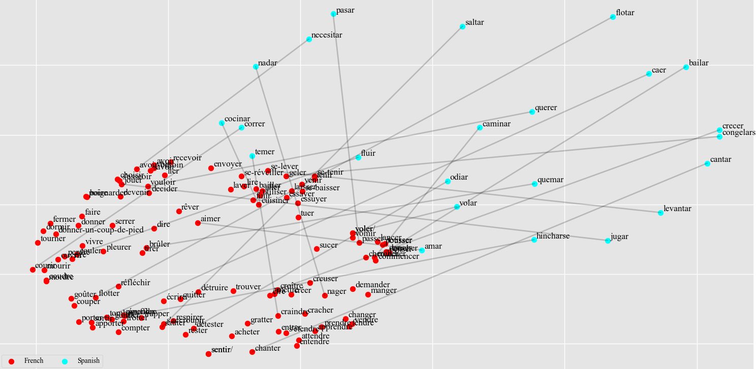
Spanish - Success Rate: 8/23 = 35% | Spanish - Success Rate: 8/23 = 35%
caminar (walk) -> vouloir (want) 0.44, cuisiner (cook) 0.44, aimer (love) 0.42, finir (finish) 0.40, utiliser (use) 0.38. | caminar (walk) -> cuisiner (cook) 0.53, aimer (love) 0.51, finir (finish) 0.43, changer (change) 0.41, chanter (sing) 0.40.
correr (run) -> mordre (bite) 0.42, manger (eat) 0.41, brûler (burn) 0.41, vouloir (want) 0.39, gonfler (swell) 0.39. | *correr (run) -> tomber (fall) 0.47, couler (flow) 0.46, couper (cut) 0.44, courir (run) 0.43, aimer (love) 0.43.
*saltar (jump) -> sauter (jump) 0.47, avoir-besoin (need) 0.45, flotter (float) 0.40, tomber (fall) 0.40, frotter (rub) 0.40. | *saltar (jump) -> sauter (jump) 0.49, sortir (exit) 0.48, tomber (fall) 0.42, flotter (float) 0.41, poignarder (stab) 0.41.
nadar (swim) -> voir (see) 0.42, savoir (know) 0.41, serrer (squeeze) 0.39, envoyer (send) 0.39, gonfler (swell) 0.39. | nadar (swim) -> savoir (know) 0.42, laver (wash) 0.41, flotter (float) 0.40, détester (hate) 0.40, envoyer (send) 0.39.
*volar (fly) -> aimer (love) 0.60, marcher (walk) 0.41, voler (steal) 0.40, voler/ (fly) 0.40, nager (swim) 0.39. | volar (fly) -> aimer (love) 0.48, marcher (walk) 0.46, mettre (put) 0.44, sentir (feel) 0.43, sentir/ (smell) 0.43.
levantar (rise) -> jouer (play) 0.53, choisir (choose) 0.42, voler (steal) 0.40, voler/ (fly) 0.40, couler (flow) 0.39. | levantar (rise) -> jouer (play) 0.47, lire (read) 0.42, apporter (bring) 0.42, essayer (try) 0.41, laver (wash) 0.40.
*caer (fall) -> tomber (fall) 0.49, changer (change) 0.41, sauter (jump) 0.41, toucher (touch) 0.40, dire (say) 0.38. | caer (fall) -> lire (read) 0.42, geler (freeze) 0.40, dire (say) 0.40, couler (flow) 0.40, changer (change) 0.39.
pasar (pass) -> danser (dance) 0.42, entendre (hear) 0.40, flotter (float) 0.40, vouloir (want) 0.40, attendre (wait) 0.39. | pasar (pass) -> tomber (fall) 0.45, vouloir (want) 0.44, entendre (hear) 0.43, attendre (wait) 0.42, penser (think) 0.41.
*cantar (sing) -> jouer (play) 0.53, chercher (look-for) 0.45, changer (change) 0.40, toucher (touch) 0.39, chanter (sing) 0.39. | *cantar (sing) -> jouer (play) 0.56, chanter (sing) 0.48, changer (change) 0.41, essayer (try) 0.41, chercher (look-for) 0.38.
bailar (dance) -> aimer (love) 0.42, jouer (play) 0.40, avoir (have) 0.39, donner (give) 0.37, tuer (kill) 0.37. | bailar (dance) -> jouer (play) 0.45, choisir (choose) 0.42, sauter (jump) 0.40, flotter (float) 0.40, donner-un-coup-de-pied (kick) 0.39.
jugar (play) -> geler (freeze) 0.41, se-lever (rise) 0.41, flotter (float) 0.40, fendre (split) 0.40, tomber (fall) 0.40. | *jugar (play) -> couler (flow) 0.45, gonfler (swell) 0.44, jouer (play) 0.42, tourner (turn) 0.41, aimer (love) 0.41.
*flotar (float) -> flotter (float) 0.46, jouer (play) 0.45, choisir (choose) 0.43, tomber (fall) 0.43, avoir-besoin (need) 0.41. | *flotar (float) -> flotter (float) 0.53, frotter (rub) 0.49, pleurer (cry) 0.41, tomber (fall) 0.40, craindre (fear) 0.39.
fluir (flow) -> se-baisser (stoop) 0.43, essuyer (wipe) 0.41, mettre (put) 0.40, dormir (sleep) 0.39, sauter (jump) 0.39. | fluir (flow) -> détruire (ruin) 0.51, essuyer (wipe) 0.45, cuisiner (cook) 0.44, trouver (find) 0.39, marcher (walk) 0.39.
*congelarse (freeze) -> jouer (play) 0.47, détester (hate) 0.43, s'étendre (lie) 0.41, se-baisser (stoop) 0.40, geler (freeze) 0.39. | congelarse (freeze) -> choisir (choose) 0.45, s'asseoir (sit) 0.45, jouer (play) 0.45, se-lever (rise) 0.44, acheter (buy) 0.39.
hincharse (swell) -> passer (pass) 0.44, se-baisser (stoop) 0.44, penser (think) 0.41, se-lever (rise) 0.40, se-réveiller (wake-up) 0.40. | hincharse (swell) -> passer (pass) 0.47, penser (think) 0.44, se-baisser (stoop) 0.42, attendre (wait) 0.41, se-tenir (stand) 0.41.
*crecer (grow) -> croître (grow) 0.50, créer (create) 0.43, voler (steal) 0.42, voler/ (fly) 0.42, jouer (play) 0.42. | *crecer (grow) -> créer (create) 0.51, croître (grow) 0.44, écrire (write) 0.43, sauter (jump) 0.39, jouer (play) 0.39.
*quemar (burn) -> couler (flow) 0.47, cuisiner (cook) 0.46, brûler (burn) 0.45, vouloir (want) 0.40, rire (laugh) 0.39. | quemar (burn) -> tomber (fall) 0.43, cuisiner (cook) 0.41, aimer (love) 0.41, couler (flow) 0.41, chercher (look-for) 0.41.
cocinar (cook) -> couler (flow) 0.49, coudre (sew) 0.44, vouloir (want) 0.40, voler (steal) 0.39, voler/ (fly) 0.39. | *cocinar (cook) -> aimer (love) 0.46, cuisiner (cook) 0.44, nager (swim) 0.42, coudre (sew) 0.38, bailler (yawn) 0.38.
amar (love) -> vouloir (want) 0.45, gratter (scratch) 0.41, nager (swim) 0.40, apprendre (learn) 0.38, cracher (spit) 0.38. | amar (love) -> gratter (scratch) 0.44, gonfler (swell) 0.42, brûler (burn) 0.42, couler (flow) 0.41, craindre (fear) 0.39.
querer (want) -> aimer (love) 0.47, avoir (have) 0.44, couler (flow) 0.42, cuisiner (cook) 0.41, courir (run) 0.41. | querer (want) -> sauter (jump) 0.45, aimer (love) 0.42, tourner (turn) 0.42, avoir-besoin (need) 0.41, marcher (walk) 0.40.
necesitar (need) -> vomir (vomit) 0.43, vouloir (want) 0.42, tomber (fall) 0.41, utiliser (use) 0.40, voler (steal) 0.40. | necesitar (need) -> s'asseoir (sit) 0.42, vouloir (want) 0.40, répondre (answer) 0.40, mourir (die) 0.38, vomir (vomit) 0.38.
odiar (hate) -> croître (grow) 0.41, jouer (play) 0.41, commencer (begin) 0.40, vouloir (want) 0.39, entendre (hear) 0.39. | odiar (hate) -> vouloir (want) 0.44, tomber (fall) 0.41, se-lever (rise) 0.39, geler (freeze) 0.39, brûler (burn) 0.38.
temer (fear) -> vouloir (want) 0.48, finir (finish) 0.40, couler (flow) 0.40, commencer (begin) 0.39, lancer (throw) 0.37. | *temer (fear) -> aimer (love) 0.45, vouloir (want) 0.43, commencer (begin) 0.42, craindre (fear) 0.41, avoir (have) 0.39.

