Sheet2
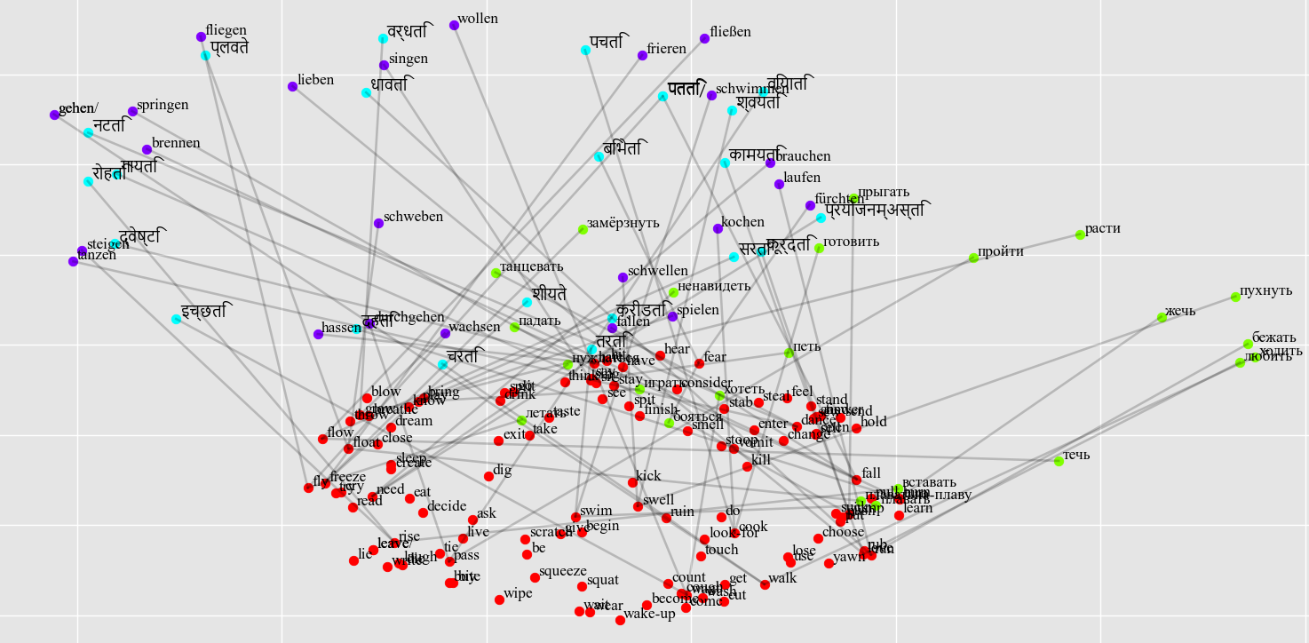
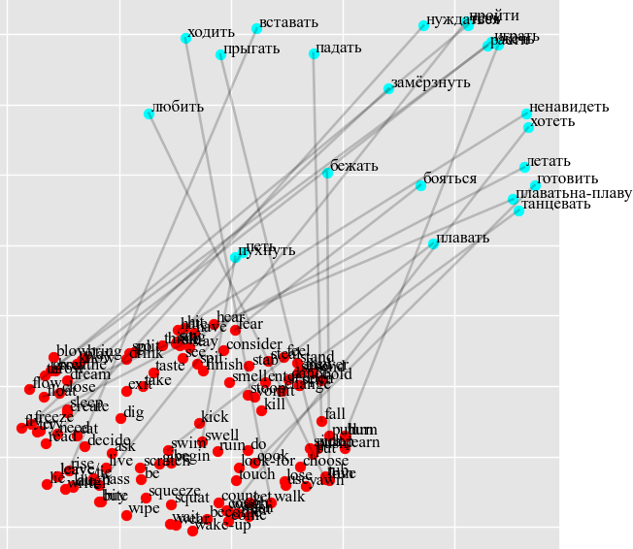
Joint model |  | Individual model
Russian - Success Rate: 5/23 = 22% | Success Rate: 22% | Russian - Success Rate: 0/23 = 0%
ходить -> throw (throw) 0.41, jump (jump) 0.40, enter (enter) 0.40, see (see) 0.39, sew (sew) 0.39. |  | ходить -> enter (enter) 0.55, jump (jump) 0.48, exit (exit) 0.43, come (come) 0.39, become (become) 0.39.
бежать -> rise (rise) 0.46, decide (decide) 0.46, bite (bite) 0.41, smell (smell) 0.41, sell (sell) 0.40. |  | бежать -> dream (dream) 0.44, cut (cut) 0.42, walk (walk) 0.42, cook (cook) 0.42, breathe (breathe) 0.41.
*прыгать -> have (have) 0.41, jump (jump) 0.40, swell (swell) 0.39, think (think) 0.38, drink (drink) 0.38. |  | прыгать -> swell (swell) 0.41, cook (cook) 0.40, swim (swim) 0.40, come (come) 0.39, float (float) 0.39.
плавать -> love (love) 0.45, cook (cook) 0.42, run (run) 0.41, learn (learn) 0.40, answer (answer) 0.39. |  | плавать -> cry (cry) 0.46, spit (spit) 0.44, cook (cook) 0.42, grow (grow) 0.40, kick (kick) 0.39.
*летать -> lie (lie) 0.49, swell (swell) 0.45, write (write) 0.43, fly (fly) 0.40, laugh (laugh) 0.40. |  | летать -> lie (lie) 0.47, read (read) 0.45, need (need) 0.43, eat (eat) 0.43, want (want) 0.42.
вставать -> stay (stay) 0.42, steal (steal) 0.40, enter (enter) 0.38, yawn (yawn) 0.38, run (run) 0.37. |  | вставать -> enter (enter) 0.43, feel (feel) 0.41, swell (swell) 0.40, fall (fall) 0.39, steal (steal) 0.39.
*падать -> run (run) 0.48, yawn (yawn) 0.42, fall (fall) 0.41, count (count) 0.40, sell (sell) 0.38. |  | падать -> pull (pull) 0.40, hit (hit) 0.40, kill (kill) 0.39, say (say) 0.39, hate (hate) 0.38.
*пройти -> have (have) 0.43, find (find) 0.42, pass (pass) 0.40, swell (swell) 0.40, stand (stand) 0.39. |  | пройти -> find (find) 0.55, swim (swim) 0.43, fly (fly) 0.42, swell (swell) 0.42, love (love) 0.39.
петь -> pass (pass) 0.52, swell (swell) 0.44, swim (swim) 0.41, have (have) 0.38, burn (burn) 0.37. |  | петь -> walk (walk) 0.45, pass (pass) 0.44, want (want) 0.41, have (have) 0.39, see (see) 0.38.
*танцевать -> use (use) 0.43, jump (jump) 0.41, dance (dance) 0.40, finish (finish) 0.39, yawn (yawn) 0.38. |  | танцевать -> finish (finish) 0.51, sing (sing) 0.46, use (use) 0.43, pass (pass) 0.42, fear (fear) 0.40.
играть -> learn (learn) 0.45, turn (turn) 0.42, sing (sing) 0.41, yawn (yawn) 0.39, swim (swim) 0.38. |  | играть -> flow (flow) 0.45, throw (throw) 0.44, float (float) 0.41, have (have) 0.40, smell (smell) 0.40.
плаватьна-плаву -> love (love) 0.47, cook (cook) 0.41, kick (kick) 0.39, spit (spit) 0.39, bring (bring) 0.38. |  | плаватьна-плаву -> cry (cry) 0.47, stoop (stoop) 0.44, grow (grow) 0.43, cook (cook) 0.43, scratch (scratch) 0.40.
течь -> wipe (wipe) 0.49, swim (swim) 0.45, squat (squat) 0.42, write (write) 0.41, sleep (sleep) 0.41. |  | течь -> fly (fly) 0.46, lie (lie) 0.45, float (float) 0.41, squat (squat) 0.41, put (put) 0.39.
замёрзнуть -> fall (fall) 0.49, pull (pull) 0.42, vomit (vomit) 0.41, need (need) 0.39, take (take) 0.38. |  | замёрзнуть -> pull (pull) 0.44, know (know) 0.44, fall (fall) 0.43, have (have) 0.43, need (need) 0.41.
пухнуть -> burn (burn) 0.42, walk (walk) 0.40, be (be) 0.39, split (split) 0.38, close (close) 0.37. |  | пухнуть -> walk (walk) 0.46, smell (smell) 0.43, burn (burn) 0.43, buy (buy) 0.42, bite (bite) 0.41.
расти -> fear (fear) 0.40, steal (steal) 0.40, bring (bring) 0.39, dig (dig) 0.39, fly (fly) 0.39. |  | расти -> go (go) 0.47, bring (bring) 0.43, swim (swim) 0.40, throw (throw) 0.39, begin (begin) 0.39.
жечь -> rise (rise) 0.45, freeze (freeze) 0.42, need (need) 0.41, read (read) 0.41, walk (walk) 0.41. |  | жечь -> fly (fly) 0.45, flow (flow) 0.45, float (float) 0.44, freeze (freeze) 0.43, yawn (yawn) 0.40.
готовить -> fear (fear) 0.44, feel (feel) 0.39, pass (pass) 0.39, fall (fall) 0.39, freeze (freeze) 0.38. |  | готовить -> finish (finish) 0.41, decide (decide) 0.41, rise (rise) 0.40, live (live) 0.40, freeze (freeze) 0.39.
любить -> jump (jump) 0.56, choose (choose) 0.42, think (think) 0.41, drink (drink) 0.40, swell (swell) 0.39. |  | любить -> jump (jump) 0.57, get (get) 0.42, steal (steal) 0.40, think (think) 0.39, choose (choose) 0.38.
хотеть -> see (see) 0.44, suck (suck) 0.42, leave (leave) 0.41, leave/ (leave/) 0.41, throw (throw) 0.41. |  | хотеть -> exit (exit) 0.46, consider (consider) 0.46, sing (sing) 0.41, enter (enter) 0.41, see (see) 0.40.
нуждаться -> wait (wait) 0.45, push (push) 0.43, stay (stay) 0.42, play (play) 0.40, hate (hate) 0.38. |  | нуждаться -> wait (wait) 0.45, hate (hate) 0.44, learn (learn) 0.43, wake-up (wake-up) 0.41, stay (stay) 0.40.
ненавидеть -> play (play) 0.40, love (love) 0.38, say (say) 0.38, stay (stay) 0.38, wash (wash) 0.38. |  | ненавидеть -> change (change) 0.44, leave (leave) 0.41, leave/ (leave/) 0.41, find (find) 0.39, sing (sing) 0.39.
бояться -> dance (dance) 0.46, love (love) 0.44, run (run) 0.44, fly (fly) 0.43, stand (stand) 0.42. |  | бояться -> stand (stand) 0.49, dance (dance) 0.46, laugh (laugh) 0.44, love (love) 0.42, fly (fly) 0.40.
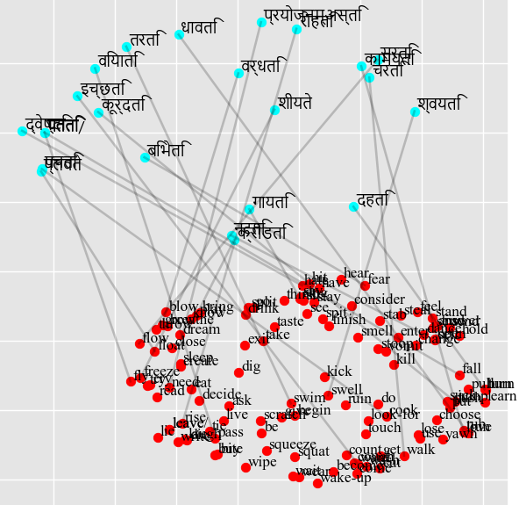
Sanskrit - Success Rate: 2/23 = 9% |  | Sanskrit - Success Rate: 1/23 = 4%
चरति -> leave (leave) 0.41, leave/ (leave/) 0.41, lose (lose) 0.40, wear (wear) 0.39, want (want) 0.39. |  | चरति -> burn (burn) 0.44, learn (learn) 0.43, smell (smell) 0.42, turn (turn) 0.41, leave (leave) 0.40.
धावति -> put (put) 0.42, look-for (look-for) 0.42, swim (swim) 0.41, push (push) 0.41, live (live) 0.39. |  | धावति -> float (float) 0.52, flow (flow) 0.47, fly (fly) 0.44, open (open) 0.42, freeze (freeze) 0.42.
कूर्दति -> flow (flow) 0.44, throw (throw) 0.41, fear (fear) 0.40, bite (bite) 0.39, float (float) 0.38. |  | कूर्दति -> freeze (freeze) 0.46, eat (eat) 0.42, read (read) 0.42, feel (feel) 0.40, steal (steal) 0.39.
तरति -> fear (fear) 0.44, do (do) 0.42, jump (jump) 0.41, wear (wear) 0.40, change (change) 0.38. |  | तरति -> burn (burn) 0.41, cook (cook) 0.40, fly (fly) 0.40, float (float) 0.40, dig (dig) 0.40.
पतति -> sleep (sleep) 0.45, swell (swell) 0.44, ask (ask) 0.42, swim (swim) 0.40, squat (squat) 0.39. |  | पतति -> need (need) 0.46, read (read) 0.43, cook (cook) 0.41, eat (eat) 0.40, play (play) 0.40.
रोहति -> try (try) 0.40, cry (cry) 0.39, throw (throw) 0.39, sit (sit) 0.38, stand (stand) 0.38. |  | रोहति -> try (try) 0.50, fly (fly) 0.50, cry (cry) 0.50, freeze (freeze) 0.44, do (do) 0.39.
पतति/ -> sleep (sleep) 0.45, swell (swell) 0.44, ask (ask) 0.42, swim (swim) 0.40, squat (squat) 0.39. |  | पतति/ -> need (need) 0.46, read (read) 0.43, cook (cook) 0.41, eat (eat) 0.40, play (play) 0.40.
वियाति -> fall (fall) 0.49, yawn (yawn) 0.44, swell (swell) 0.41, swim (swim) 0.39, pull (pull) 0.38. |  | वियाति -> blow (blow) 0.53, jump (jump) 0.45, breathe (breathe) 0.41, die (die) 0.40, play (play) 0.39.
गायति -> look-for (look-for) 0.41, count (count) 0.40, swell (swell) 0.40, drink (drink) 0.40, walk (walk) 0.39. |  | गायति -> open (open) 0.44, cook (cook) 0.42, pass (pass) 0.42, walk (walk) 0.41, drink (drink) 0.41.
*नटति -> run (run) 0.43, freeze (freeze) 0.42, rub (rub) 0.42, love (love) 0.41, dance (dance) 0.41. |  | नटति -> run (run) 0.52, rub (rub) 0.45, read (read) 0.42, love (love) 0.39, rise (rise) 0.39.
क्रीडति -> buy (buy) 0.45, bite (bite) 0.42, run (run) 0.40, pass (pass) 0.39, burn (burn) 0.39. |  | क्रीडति -> pass (pass) 0.53, sell (sell) 0.44, buy (buy) 0.44, smell (smell) 0.43, bite (bite) 0.41.
प्लवते -> run (run) 0.45, love (love) 0.44, scratch (scratch) 0.42, die (die) 0.40, squeeze (squeeze) 0.39. |  | प्लवते -> laugh (laugh) 0.41, wash (wash) 0.41, lie (lie) 0.40, get (get) 0.40, jump (jump) 0.40.
सरति -> wait (wait) 0.42, cough (cough) 0.41, create (create) 0.40, sew (sew) 0.40, wear (wear) 0.38. |  | *सरति -> take (take) 0.47, taste (taste) 0.46, stay (stay) 0.44, hate (hate) 0.38, flow (flow) 0.38.
शीयते -> fly (fly) 0.43, decide (decide) 0.42, float (float) 0.39, flow (flow) 0.39, sit (sit) 0.39. |  | शीयते -> sew (sew) 0.43, die (die) 0.42, sing (sing) 0.42, sit (sit) 0.41, lie (lie) 0.40.
श्वयति -> flow (flow) 0.45, fear (fear) 0.44, fly (fly) 0.44, see (see) 0.41, leave (leave) 0.41. |  | श्वयति -> fear (fear) 0.48, sleep (sleep) 0.47, see (see) 0.43, swim (swim) 0.42, hear (hear) 0.40.
वर्धति -> wear (wear) 0.41, wait (wait) 0.40, know (know) 0.39, live (live) 0.39, ruin (ruin) 0.39. |  | वर्धति -> turn (turn) 0.46, fall (fall) 0.42, look-for (look-for) 0.40, vomit (vomit) 0.40, burn (burn) 0.39.
*दहति -> jump (jump) 0.40, taste (taste) 0.39, pass (pass) 0.39, send (send) 0.39, burn (burn) 0.38. |  | दहति -> lose (lose) 0.49, kick (kick) 0.42, love (love) 0.42, pass (pass) 0.40, want (want) 0.39.
पचति -> consider (consider) 0.43, have (have) 0.40, swell (swell) 0.39, leave (leave) 0.39, leave/ (leave/) 0.39. |  | पचति -> leave (leave) 0.49, leave/ (leave/) 0.49, have (have) 0.48, breathe (breathe) 0.40, freeze (freeze) 0.40.
कामयति -> float (float) 0.41, stoop (stoop) 0.40, eat (eat) 0.40, die (die) 0.40, flow (flow) 0.39. |  | कामयति -> vomit (vomit) 0.45, cough (cough) 0.44, cook (cook) 0.41, eat (eat) 0.40, need (need) 0.40.
इच्छति -> grow (grow) 0.46, walk (walk) 0.42, cook (cook) 0.39, pass (pass) 0.38, smell (smell) 0.38. |  | इच्छति -> ask (ask) 0.47, freeze (freeze) 0.42, enter (enter) 0.41, walk (walk) 0.40, flow (flow) 0.40.
प्रयोजनम्अस्ति -> flow (flow) 0.53, float (float) 0.51, fly (fly) 0.48, freeze (freeze) 0.45, find (find) 0.41. |  | प्रयोजनम्अस्ति -> float (float) 0.50, flow (flow) 0.44, freeze (freeze) 0.44, be (be) 0.41, fall (fall) 0.39.
द्वेष्टि -> throw (throw) 0.41, leave (leave) 0.41, leave/ (leave/) 0.41, love (love) 0.40, sleep (sleep) 0.40. |  | द्वेष्टि -> jump (jump) 0.47, send (send) 0.43, swell (swell) 0.39, float (float) 0.39, sleep (sleep) 0.38.
बिभेति -> jump (jump) 0.46, dance (dance) 0.41, blow (blow) 0.40, split (split) 0.39, laugh (laugh) 0.39. |  | बिभेति -> drink (drink) 0.53, dance (dance) 0.49, laugh (laugh) 0.40, jump (jump) 0.39, try (try) 0.39.
German - Success Rate: 6/23 = 26% |  | German - Success Rate: 7/23 = 30%
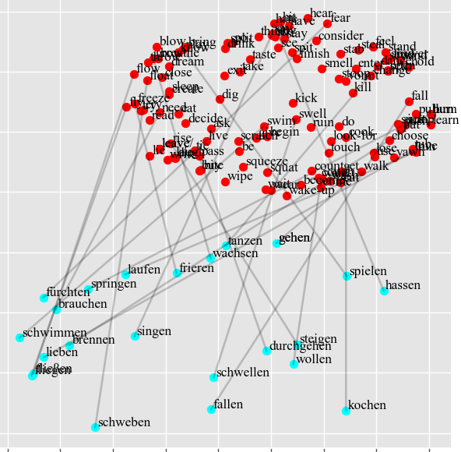
gehen/ -> go (go) 0.54, consider (consider) 0.43, love (love) 0.39, run (run) 0.39, burn (burn) 0.39. |  | gehen/ -> go (go) 0.58, burn (burn) 0.48, give (give) 0.42, grow (grow) 0.39, run (run) 0.39.
laufen -> pass (pass) 0.53, burn (burn) 0.41, learn (learn) 0.39, sit (sit) 0.39, sleep (sleep) 0.38. |  | laufen -> laugh (laugh) 0.43, leave (leave) 0.43, leave/ (leave/) 0.43, flow (flow) 0.42, fly (fly) 0.42.
springen -> sing (sing) 0.41, dance (dance) 0.41, bring (bring) 0.40, love (love) 0.39, become (become) 0.39. |  | springen -> bring (bring) 0.56, split (split) 0.46, spit (spit) 0.42, sing (sing) 0.42, breathe (breathe) 0.41.
*schwimmen -> swell (swell) 0.43, drink (drink) 0.43, dream (dream) 0.41, get (get) 0.40, swim (swim) 0.40. |  | *schwimmen -> dream (dream) 0.48, swim (swim) 0.44, bring (bring) 0.42, wake-up (wake-up) 0.40, try (try) 0.40.
*fliegen -> fly (fly) 0.45, float (float) 0.42, stand (stand) 0.42, vomit (vomit) 0.40, play (play) 0.40. |  | *fliegen -> fly (fly) 0.52, float (float) 0.49, flow (flow) 0.45, lie (lie) 0.44, rise (rise) 0.40.
*steigen -> dance (dance) 0.43, rise (rise) 0.42, stoop (stoop) 0.42, fly (fly) 0.41, write (write) 0.40. |  | *steigen -> rise (rise) 0.50, write (write) 0.46, die (die) 0.42, run (run) 0.41, decide (decide) 0.41.
fallen -> walk (walk) 0.45, jump (jump) 0.40, cook (cook) 0.38, breathe (breathe) 0.38, need (need) 0.38. |  | fallen -> feel (feel) 0.46, hold (hold) 0.44, want (want) 0.42, steal (steal) 0.41, choose (choose) 0.41.
durchgehen -> freeze (freeze) 0.42, fly (fly) 0.41, think (think) 0.40, kill (kill) 0.39, float (float) 0.38. |  | durchgehen -> dance (dance) 0.50, answer (answer) 0.41, ruin (ruin) 0.39, use (use) 0.39, lose (lose) 0.38.
*singen -> sing (sing) 0.41, see (see) 0.39, sit (sit) 0.39, say (say) 0.39, exit (exit) 0.39. |  | *singen -> sing (sing) 0.49, see (see) 0.49, bring (bring) 0.47, say (say) 0.43, swim (swim) 0.42.
tanzen -> fall (fall) 0.50, wear (wear) 0.42, be (be) 0.39, sell (sell) 0.39, float (float) 0.38. |  | tanzen -> pass (pass) 0.48, wear (wear) 0.45, freeze (freeze) 0.42, sing (sing) 0.41, sell (sell) 0.40.
spielen -> feel (feel) 0.47, steal (steal) 0.44, fear (fear) 0.44, bite (bite) 0.41, choose (choose) 0.40. |  | *spielen -> steal (steal) 0.45, feel (feel) 0.44, play (play) 0.44, split (split) 0.42, bite (bite) 0.41.
schweben -> freeze (freeze) 0.46, fear (fear) 0.41, jump (jump) 0.40, hear (hear) 0.40, feel (feel) 0.40. |  | schweben -> give (give) 0.46, hate (hate) 0.43, decide (decide) 0.42, hear (hear) 0.41, taste (taste) 0.40.
fließen -> close (close) 0.46, grow (grow) 0.44, blow (blow) 0.41, dream (dream) 0.40, tie (tie) 0.39. |  | fließen -> close (close) 0.58, grow (grow) 0.46, smell (smell) 0.41, float (float) 0.41, cough (cough) 0.38.
frieren -> swell (swell) 0.47, swim (swim) 0.42, ask (ask) 0.42, tie (tie) 0.39, learn (learn) 0.39. |  | *frieren -> touch (touch) 0.47, ask (ask) 0.44, freeze (freeze) 0.44, pass (pass) 0.42, hear (hear) 0.42.
*schwellen -> jump (jump) 0.49, pass (pass) 0.42, swell (swell) 0.42, choose (choose) 0.42, freeze (freeze) 0.39. |  | schwellen -> choose (choose) 0.50, float (float) 0.48, freeze (freeze) 0.44, throw (throw) 0.43, flow (flow) 0.42.
wachsen -> wash (wash) 0.44, fly (fly) 0.44, freeze (freeze) 0.41, be (be) 0.40, walk (walk) 0.39. |  | wachsen -> wash (wash) 0.50, wake-up (wake-up) 0.43, fly (fly) 0.42, sing (sing) 0.38, wear (wear) 0.38.
brennen -> fall (fall) 0.49, yawn (yawn) 0.42, scratch (scratch) 0.39, breathe (breathe) 0.38, change (change) 0.36. |  | brennen -> freeze (freeze) 0.53, flow (flow) 0.46, fly (fly) 0.45, yawn (yawn) 0.44, float (float) 0.42.
kochen -> eat (eat) 0.45, play (play) 0.42, need (need) 0.42, squat (squat) 0.41, tie (tie) 0.39. |  | kochen -> squat (squat) 0.48, come (come) 0.44, squeeze (squeeze) 0.41, swim (swim) 0.40, look-for (look-for) 0.39.
*lieben -> run (run) 0.41, read (read) 0.40, love (love) 0.40, begin (begin) 0.40, jump (jump) 0.39. |  | *lieben -> lie (lie) 0.48, fly (fly) 0.46, live (live) 0.45, love (love) 0.44, die (die) 0.40.
wollen -> consider (consider) 0.45, lose (lose) 0.43, choose (choose) 0.41, dance (dance) 0.40, answer (answer) 0.39. |  | wollen -> dance (dance) 0.51, choose (choose) 0.44, feel (feel) 0.42, jump (jump) 0.42, answer (answer) 0.41.
brauchen -> walk (walk) 0.43, pass (pass) 0.42, suck (suck) 0.41, sew (sew) 0.39, sing (sing) 0.38. |  | brauchen -> suck (suck) 0.51, wake-up (wake-up) 0.43, touch (touch) 0.42, dig (dig) 0.41, bring (bring) 0.40.
hassen -> breathe (breathe) 0.42, hear (hear) 0.41, leave (leave) 0.40, leave/ (leave/) 0.40, grow (grow) 0.38. |  | hassen -> have (have) 0.46, grow (grow) 0.43, leave (leave) 0.41, leave/ (leave/) 0.41, hear (hear) 0.40.
fürchten -> walk (walk) 0.43, drink (drink) 0.41, jump (jump) 0.40, pass (pass) 0.39, laugh (laugh) 0.39. |  | fürchten -> feel (feel) 0.46, pull (pull) 0.45, fly (fly) 0.43, flow (flow) 0.42, cough (cough) 0.41.
hassen -> breathe (breathe) 0.42, hear (hear) 0.41, leave (leave) 0.40, leave/ (leave/) 0.40, grow (grow) 0.38.
fürchten -> walk (walk) 0.43, drink (drink) 0.41, jump (jump) 0.40, pass (pass) 0.39, laugh (laugh) 0.39.

